TC_Order_01 - Medium
Test Case ID |  | TC_Order_01 | Test Case Description | View personal order history
Created By |  | Võ Đình Trí | Reviewed By | Võ Đình Trí |  | Version |  | 1.0

QA Tester’s Log

Tester's Name |  | Võ Đình Trí | Date Tested | 2026-04-08 |  | Test Case (Pass/Fail/Not Executed) |  | Pass

S # | Prerequisites: |  |  | S # | Test Data
1 | User has an active account with existing orders. |  |  | 1 | trivd22@uef.edu.vn / 0367586852Tri@
2 | The database contains at least 2 orders specifically linked to this User's ID. |  |  | 2 | Database contains orders belonging to other users for isolation testing.
3 | User is currently logged into the system with an active Session token.

Test Scenario

Step # | Step Details |  | Expected Results | Actual Results |  |  | Pass / Fail / Not executed / Suspended

1 | Navigate to the Homepage (/Home/Index). |  | Homepage loads successfully. | Homepage loads successfully. |  |  | Pass
2 | Click on the "Login" button, enter valid email and password, then click "Submit". |  | Only displays the list of orders placed by this specific User. | Only the current user's orders are displayed. |  |  | Pass

Evidence: | 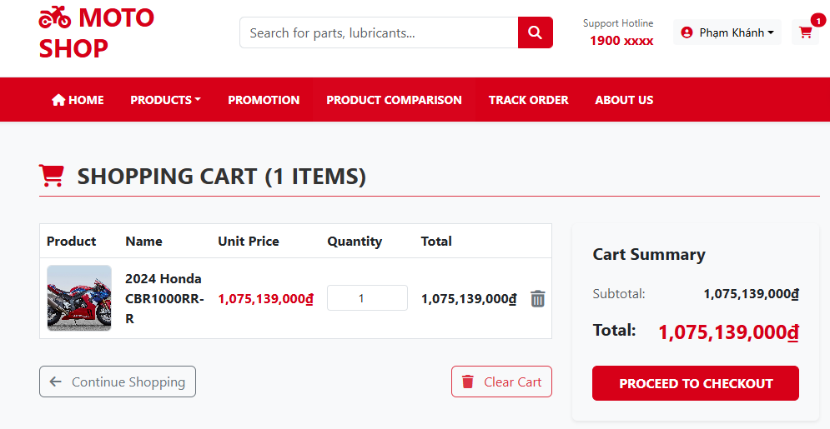

TC_Order_02 - High
Test Case ID |  | TC_Order_02 | Test Case Description | Track a valid order code
Created By |  | Võ Đình Trí | Reviewed By | Võ Đình Trí |  | Version |  | 1.0

QA Tester’s Log

Tester's Name |  | Võ Đình Trí | Date Tested | 2026-04-08 |  | Test Case (Pass/Fail/Not Executed) |  | Pass

S # | Prerequisites: |  |  | S # | Test Data
1 | An order with tracking code ORD76391249 exists in the Orders table. |  |  | 1 | Tracking Code: ORD76391249
2 | The PostgreSQL database is online and accessible.
3 | The OrderTracking table has at least 2 status logs linked to this specific order ID.

Test Scenario

Step # | Step Details |  | Expected Results | Actual Results |  |  | Pass / Fail / Not executed / Suspended

1 | Navigate to the "Order Tracking" page via the navigation bar. |  | The tracking input form is displayed. | Tracking form is displayed. |  |  | Pass
2 | Enter a valid tracking code and click "Track". |  | The system queries the database and redirects to the Tracking Result page. | System processes the query. |  |  | Pass
3 | Inspect the tracking result details. |  | Displays correct Order Date, Shipping Address, Total Amount, and a chronological timeline of the delivery status. | All detailed information and timeline are displayed correctly. |  |  | Pass

Evidence: | 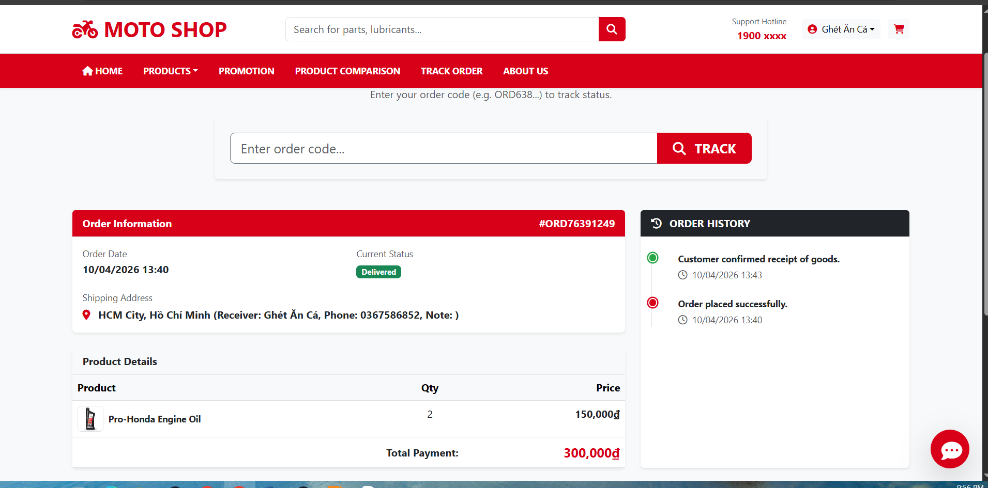

TC_Order_03 - Low
Test Case ID |  | TC_Order_03 | Test Case Description | Track a non-existent order code
Created By |  | Võ Đình Trí | Reviewed By | Võ Đình Trí |  | Version |  | 1.0

QA Tester’s Log

Tester's Name |  | Võ Đình Trí | Date Tested | 2026-04-08 |  | Test Case (Pass/Fail/Not Executed) |  | Pass

S # | Prerequisites: |  |  | S # | Test Data
1 | System is online and functioning normally. |  |  | 1 | Tracking Code: ORD99999999
2 | The database does NOT contain any order with the tracking code ORD99999999.

Test Scenario

Step # | Step Details |  | Expected Results | Actual Results |  |  | Pass / Fail / Not executed / Suspended

1 | Navigate to the "Order Tracking" page. |  | The tracking input form is displayed. | Tracking form is displayed. |  |  | Pass
2 | Enter the non-existent code ORD99999999 and click "Track". |  | The system searches the database and finds no match. | System processes the query. |  |  | Pass
3 | Enter the non-existent code ORD99999999 and click "Track". |  | System displays an error message : "Order not found! Please check the tracking code." | Error message is clearly displayed in red text. |  |  | Pass

Evidence: | 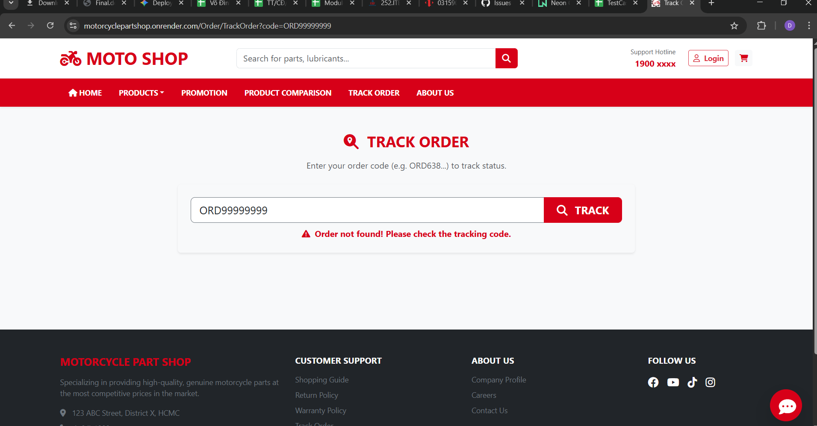

TC_Order_04 - High
Test Case ID |  | TC_Order_04 | Test Case Description | Cancel an order with 'Pending' status
Created By |  | Võ Đình Trí | Reviewed By | Võ Đình Trí |  | Version |  | 1.0

QA Tester’s Log

Tester's Name |  | Võ Đình Trí | Date Tested | 2026-04-08 |  | Test Case (Pass/Fail/Not Executed) |  | Pass

S # | Prerequisites: |  |  | S # | Test Data
1 | User is logged in with valid session credentials. |  |  | 1 | Order with Tracking Code: ORD35904648
1 | Order with Tracking Code: ORD35904648 belongs to the logged-in user. |  |  | 1 | Initial Delivery Status: Pending
1 | The DeliveryStatus of Order with Tracking Code: ORD35904648 in the database is strictly set to "Pending".

Test Scenario

Step # | Step Details |  | Expected Results | Actual Results |  |  | Pass / Fail / Not executed / Suspended

1 | Navigate to "Order History" and click "View Details" on the "Pending" order. |  | Order Details page opens. | Redirected to details. |  |  | Pass
2 | Scroll to the bottom and verify the presence of the "Cancel Order" button. |  | The "Cancel Order" button is visible and clickable. | Button is active. |  |  | Pass
3 | Click "Cancel Order" and confirm the browser alert/modal. |  | System processes the cancellation request. | Request sent. |  |  | Pass
4 | Verify the updated status on the UI and Database. |  | UI shows "Order has been cancelled successfully". Delivery Status in DB is updated to CANCELLED. | UI and DB statuses are successfully updated. |  |  | Pass

Evidence: | 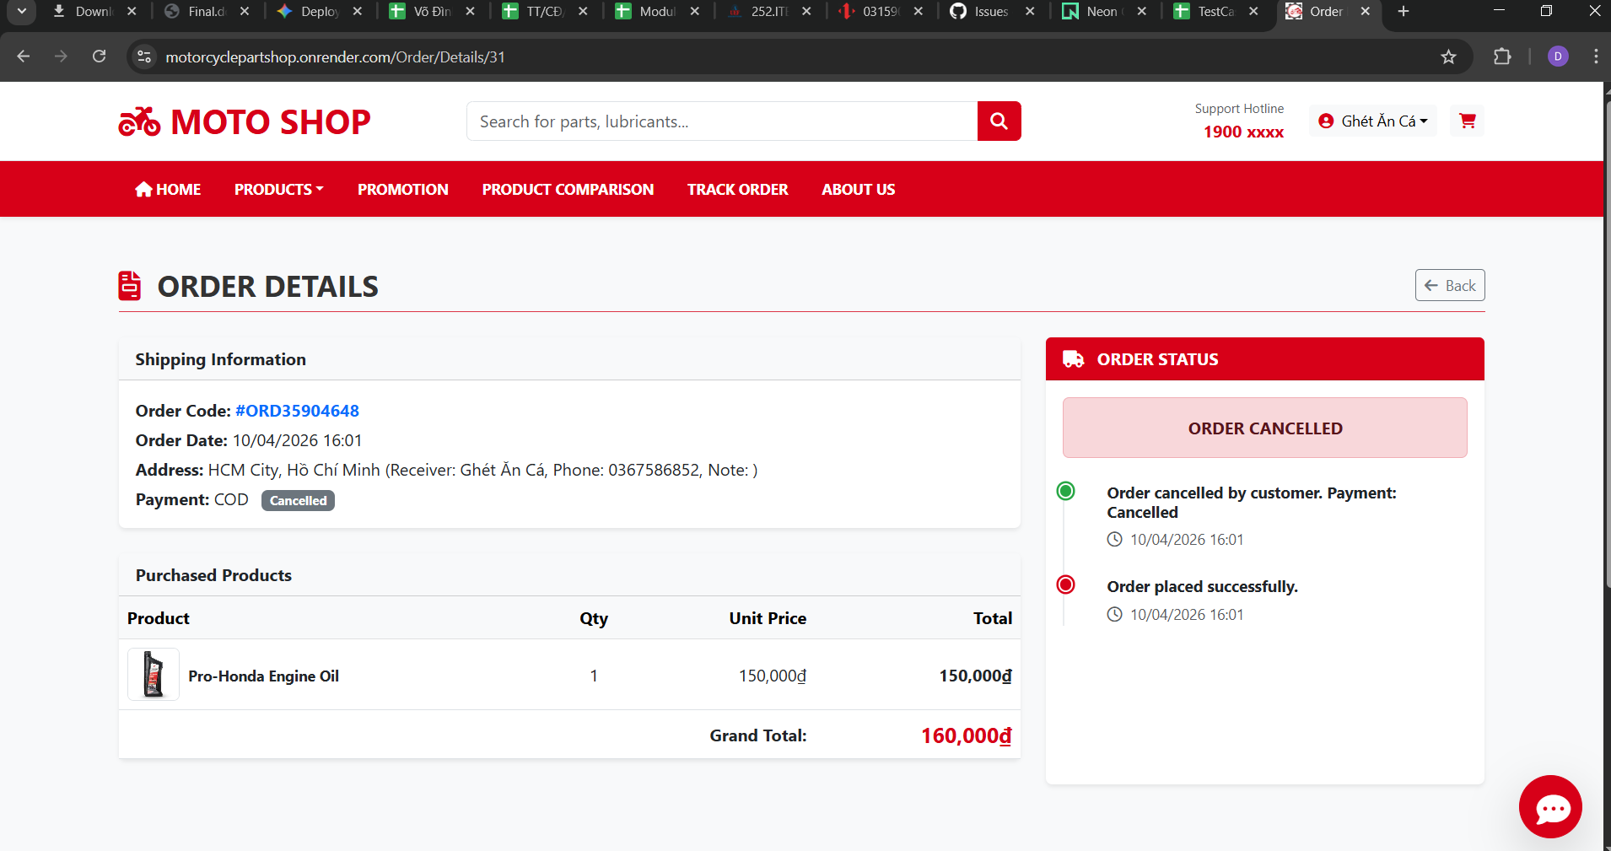

TC_Order_05 - Medium
Test Case ID |  | TC_Order_05 | Test Case Description | Attempt to cancel an order in 'Shipping' status
Created By |  | Võ Đình Trí | Reviewed By | Võ Đình Trí |  | Version |  | 1.0

QA Tester’s Log

Tester's Name |  | Võ Đình Trí | Date Tested | 2026-04-08 |  | Test Case (Pass/Fail/Not Executed) |  | Pass

S # | Prerequisites: |  |  | S # | Test Data
1 | User is logged in. |  |  | 1 | Order with Tracking Code: ORD91887470
2 | Order with Tracking Code: ORD91887470 exists and belongs to the user. |  |  | 2 | Initial Delivery Status: Shipping
3 | The DeliveryStatus of Order ID 30 in the database is strictly set to "Shipping".

Test Scenario

Step # | Step Details |  | Expected Results | Actual Results |  |  | Pass / Fail / Not executed / Suspended

1 | Open the details of the order marked as "Shipping". |  | Order Details page opens, showing current delivery progress. | Redirected to details. |  |  | Pass
2 | Search for the "Cancel Order" button on the screen. |  | The "Cancel Order" button MUST BE hidden or disabled based on conditional rendering logic. | Button is completely hidden. |  |  | Pass

Evidence: | 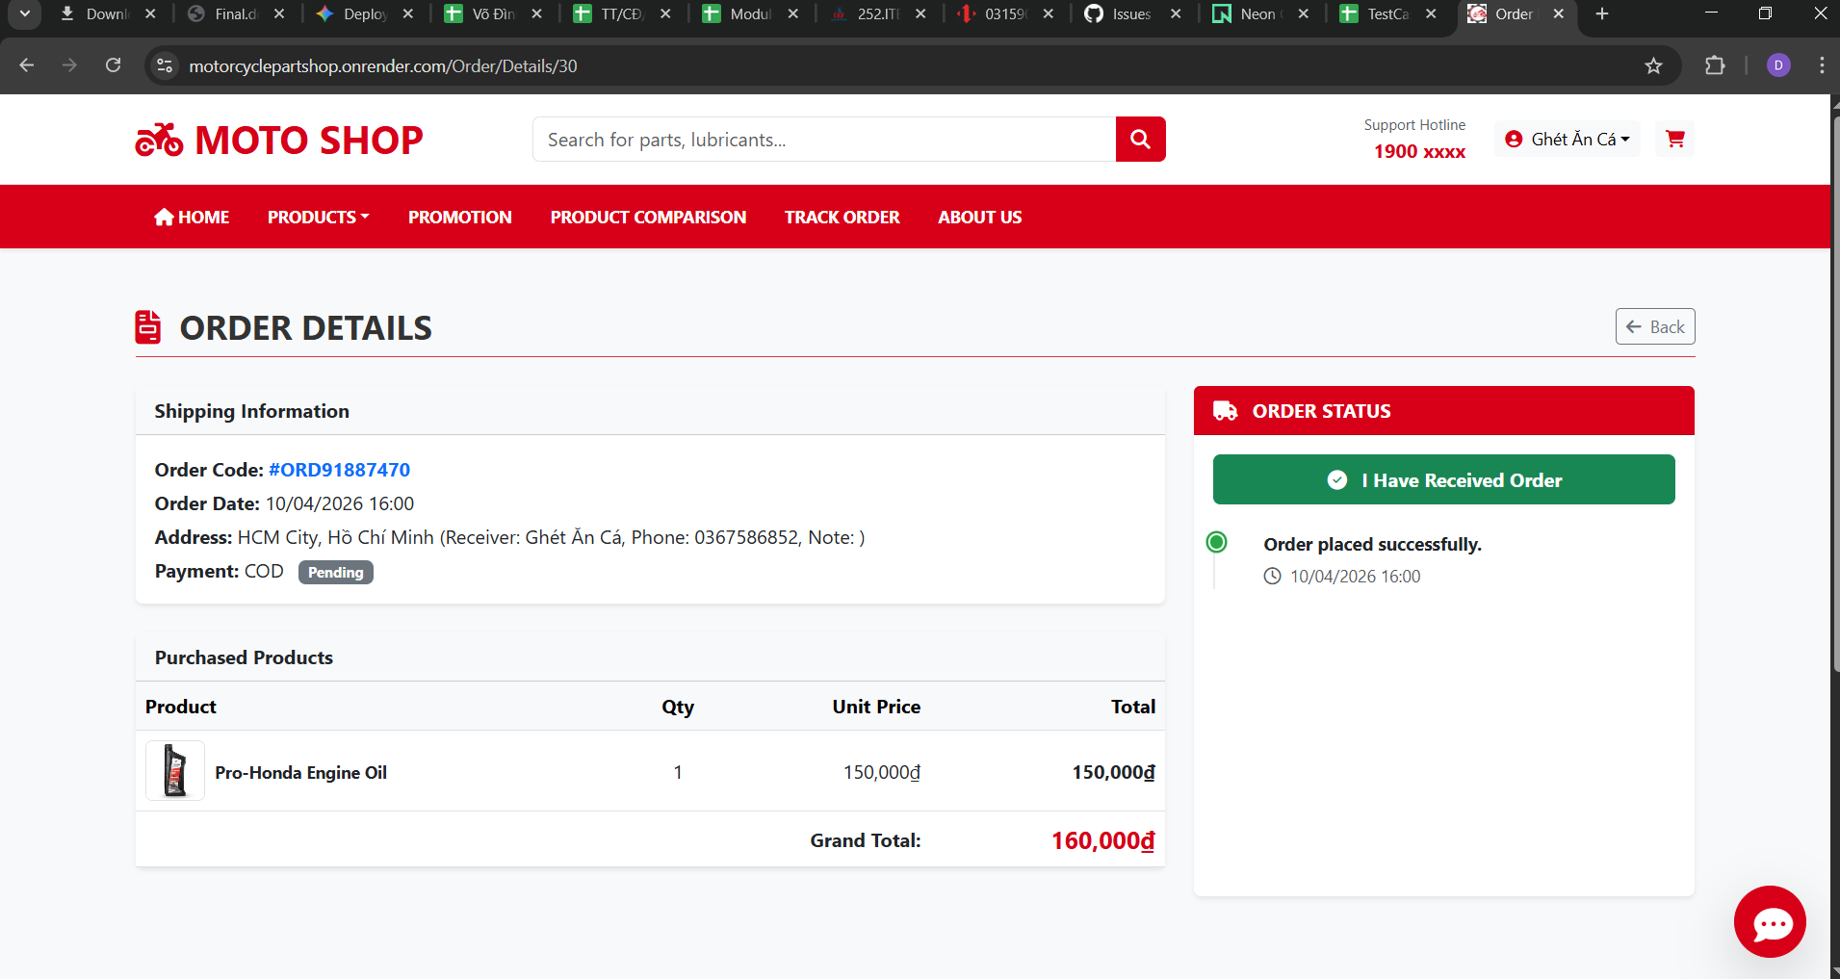

TC_Order_06 - High
Test Case ID |  | TC_Order_06 | Test Case Description | Customer confirms receipt of goods
Created By |  | Võ Đình Trí | Reviewed By | Võ Đình Trí |  | Version |  | 1.0

QA Tester’s Log

Tester's Name |  | Võ Đình Trí | Date Tested | 2026-04-08 |  | Test Case (Pass/Fail/Not Executed) |  | Pass

S # | Prerequisites: |  |  | S # | Test Data
1 | Order is in "Shipping" status. |  |  | 1 | Order with Tracking Code: ORD91887470
2 | Order with Tracking Code: ORD91887470 has DeliveryStatus = "Shipping". |  |  | 2 | Payment Method: COD
3 | Order with Tracking Code: ORD91887470 has PaymentMethod = "COD" and PaymentStatus = "Pending".

Test Scenario

Step # | Step Details |  | Expected Results | Actual Results |  |  | Pass / Fail / Not executed / Suspended

1 | Open the details of the "Shipping" order. |  | The "Order Received" button is visible. | Button is visible. |  |  | Pass
2 | Click the "Order Received" button and confirm. |  | System processes the update in the database. | Request sent. |  |  | Pass
3 | Verify the Delivery Status and Payment Status. |  | Delivery Status changes to Completed. Because the method was COD, Payment Status changes to Paid. | Both Delivery and Payment statuses updated correctly. |  |  | Pass

Evidence: | 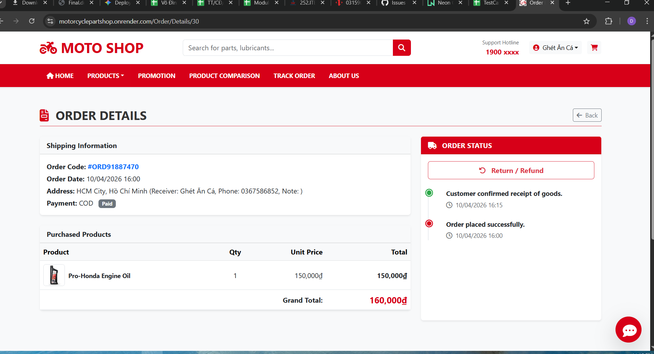

TC_Order_07 - Medium
Test Case ID |  | TC_Order_07 | Test Case Description | Access return form for a completed order
Created By |  | Võ Đình Trí | Reviewed By | Võ Đình Trí |  | Version |  | 1.0

QA Tester’s Log

Tester's Name |  | Võ Đình Trí | Date Tested | 2026-04-08 |  | Test Case (Pass/Fail/Not Executed) |  | Pass

S # | Prerequisites: |  |  | S # | Test Data
1 | User is logged in. |  |  | 1 | Order with Tracking Code: ORD91887470
2 | Order with Tracking Code: ORD91887470 has DeliveryStatus = "Completed".
3 | The policy timeframe (e.g., 7 days) for returning an item has not expired.

Test Scenario

Step # | Step Details |  | Expected Results | Actual Results |  |  | Pass / Fail / Not executed / Suspended

1 | Go to "Order History" and click "View Details" on the "Completed" order. |  | Order details are displayed. | Details displayed. |  |  | Pass
2 | Scroll down and click the "Return/Refund" button. |  | System redirects to the /Order/Return/{id} page. | Redirected successfully. |  |  | Pass
3 | Verify the Return Form interface. |  | Form displays Order Info, dropdown for Return Reason, Note textarea, and Image Upload input. | UI elements rendered perfectly. |  |  | Pass

Evidence: | 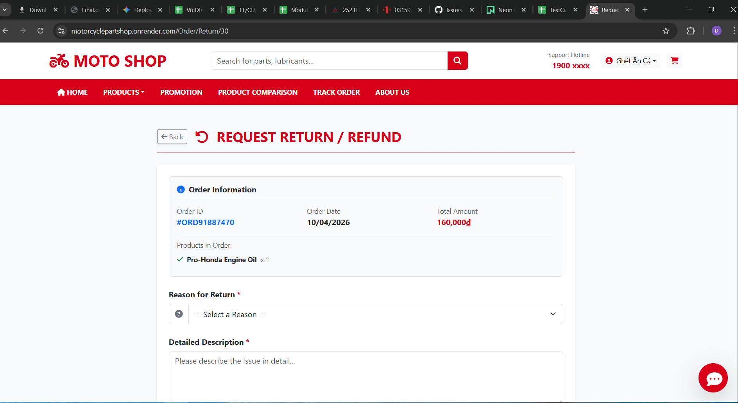

TC_Order_08 - Low
Test Case ID |  | TC_Order_08 | Test Case Description | Submit return form without evidence image
Created By |  | Võ Đình Trí | Reviewed By | Võ Đình Trí |  | Version |  | 1.0

QA Tester’s Log

Tester's Name |  | Võ Đình Trí | Date Tested | 2026-04-08 |  | Test Case (Pass/Fail/Not Executed) |  | Pass

S # | Prerequisites: |  |  | S # | Test Data
1 | User is logged in and has successfully navigated to the Return Form. |  |  | 1 | Return Reason: Damaged product
2 | The form relies on Server-side or Client-side validation for file uploads. |  |  | 2 | Note: The mirror is broken.

Test Scenario

Step # | Step Details |  | Expected Results | Actual Results |  |  | Pass / Fail / Not executed / Suspended

1 | On the Return Form, select "Damaged product" and enter text in the "Note" area. |  | Form text fields are populated. | Text entered. |  |  | Pass
2 | Leave the "Image Evidence" file upload field completely blank. |  | Field remains empty. | Field is empty. |  |  | Pass
3 | Click the "Submit Request" button. |  | System intercepts the submission attempt. | Intercepted by backend. |  |  | Pass
4 | Observe error message. |  | System displays a validation error: "Please upload photographic proof." Request is NOT saved to the database. | Validation error displayed; DB remains unchanged. |  |  | Pass

Evidence: | 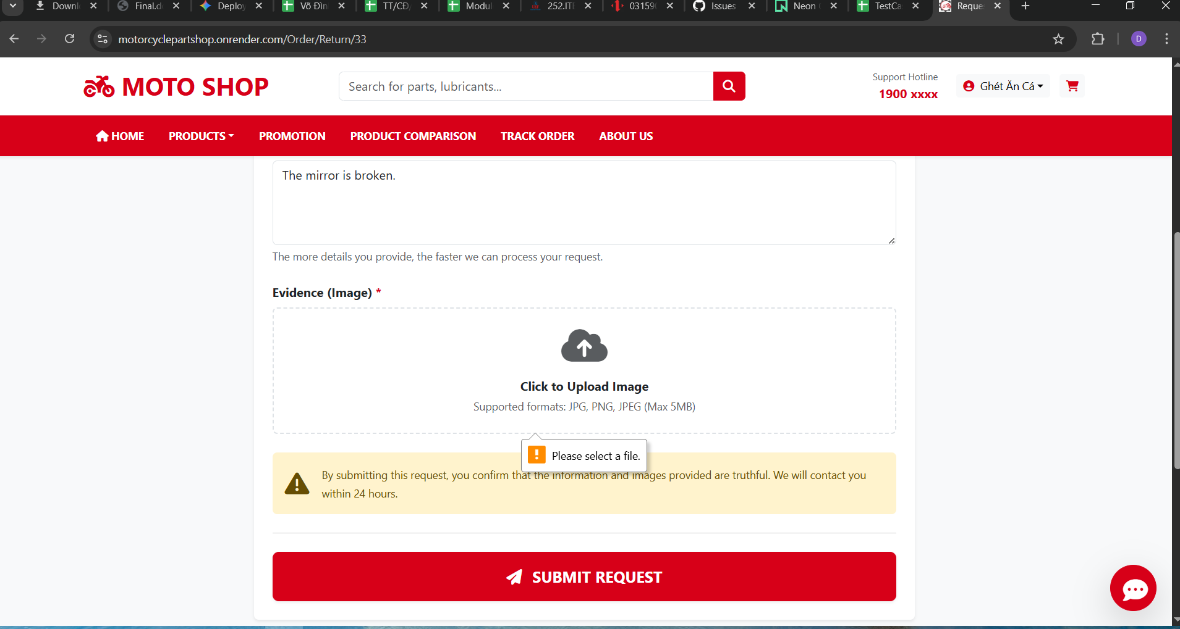

TC_Order_09 - High
Test Case ID |  | TC_Order_09 | Test Case Description | Verify OrderTracking table updates correctly
Created By |  | Võ Đình Trí | Reviewed By | Võ Đình Trí |  | Version |  | 1.0

QA Tester’s Log

Tester's Name |  | Võ Đình Trí | Date Tested | 2026-04-08 |  | Test Case (Pass/Fail/Not Executed) |  | Pass

S # | Prerequisites: |  |  | S # | Test Data
1 | Order ID 26 is ready to be marked as "Received" by the user. |  |  | 1 | Target Order ID: 26
2 | Tester has SQL client access to query the OrderTracking table.

Test Scenario

Step # | Step Details |  | Expected Results | Actual Results |  |  | Pass / Fail / Not executed / Suspended

1 | Log in as Customer and click the "Order Received" button for a specific order. |  | Action confirmed. | Action confirmed. |  |  | Pass
2 | Open PostgreSQL DB and run: SELECT * FROM "OrderTracking" WHERE "OrderId" = 26 ORDER BY "TrackingId" DESC; |  | Query executed. | Query executed. |  |  | Pass
3 | Inspect the top record's Status column. |  | The string must exactly match: "Customer confirmed receipt of goods." | Exact string match verified. |  |  | Pass

Evidence: | 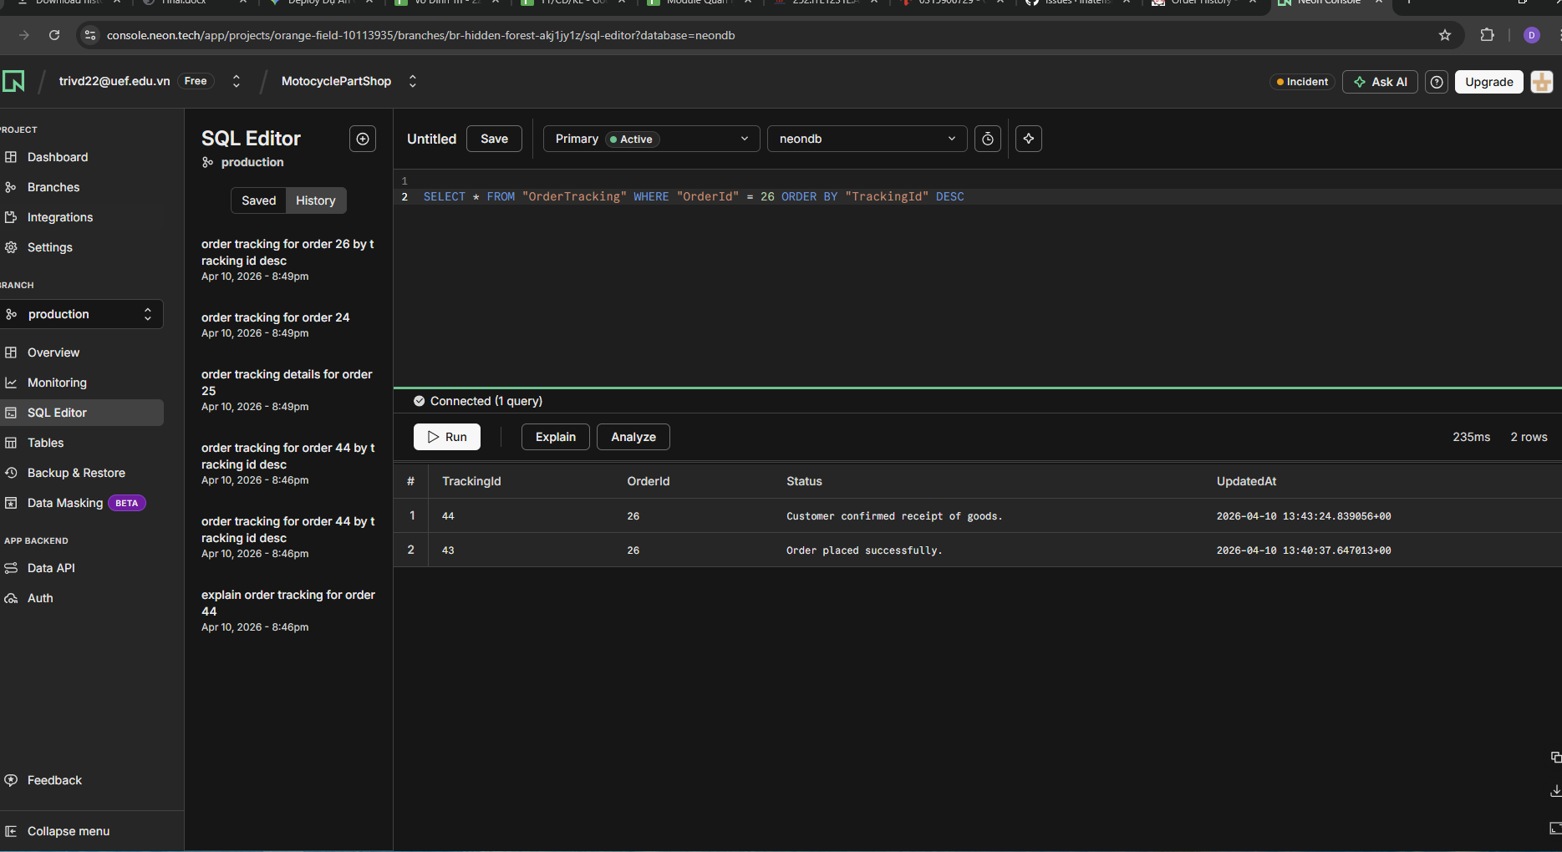

TC_Order_10 - Critical
Test Case ID |  | TC_Order_10 | Test Case Description | Test Foreign Key constraint on ReturnRequest
Created By |  | Võ Đình Trí | Reviewed By | Võ Đình Trí |  | Version |  | 1.0

QA Tester’s Log

Tester's Name |  | Võ Đình Trí | Date Tested | 2026-04-08 |  | Test Case (Pass/Fail/Not Executed) |  | Pass

S # | Prerequisites: |  |  | S # | Test Data
1 | Postman API client is installed. |  |  | 1 | Fake OrderId: 999999
2 | The database strictly enforces Foreign Key (FK_ReturnRequests_Orders).

Test Scenario

Step # | Step Details |  | Expected Results | Actual Results |  |  | Pass / Fail / Not executed / Suspended

1 | Open Postman and craft a POST request to /Order/SubmitReturn. Inject a fake OrderId (999999) into the form-data. |  | Fake ID injected. | Fake ID injected. |  |  | Pass
2 | Send the request to the server. |  | EF Core attempts to execute _context.SaveChangesAsync(). | Execution attempted. |  |  | Pass
3 | Monitor server logs and verify DB. |  | The database throws a DbUpdateException due to Foreign Key constraint violation. No orphaned record is created in ReturnRequests. | Constraint successfully blocked the invalid insert. DB integrity maintained. |  |  | Pass

Evidence: | 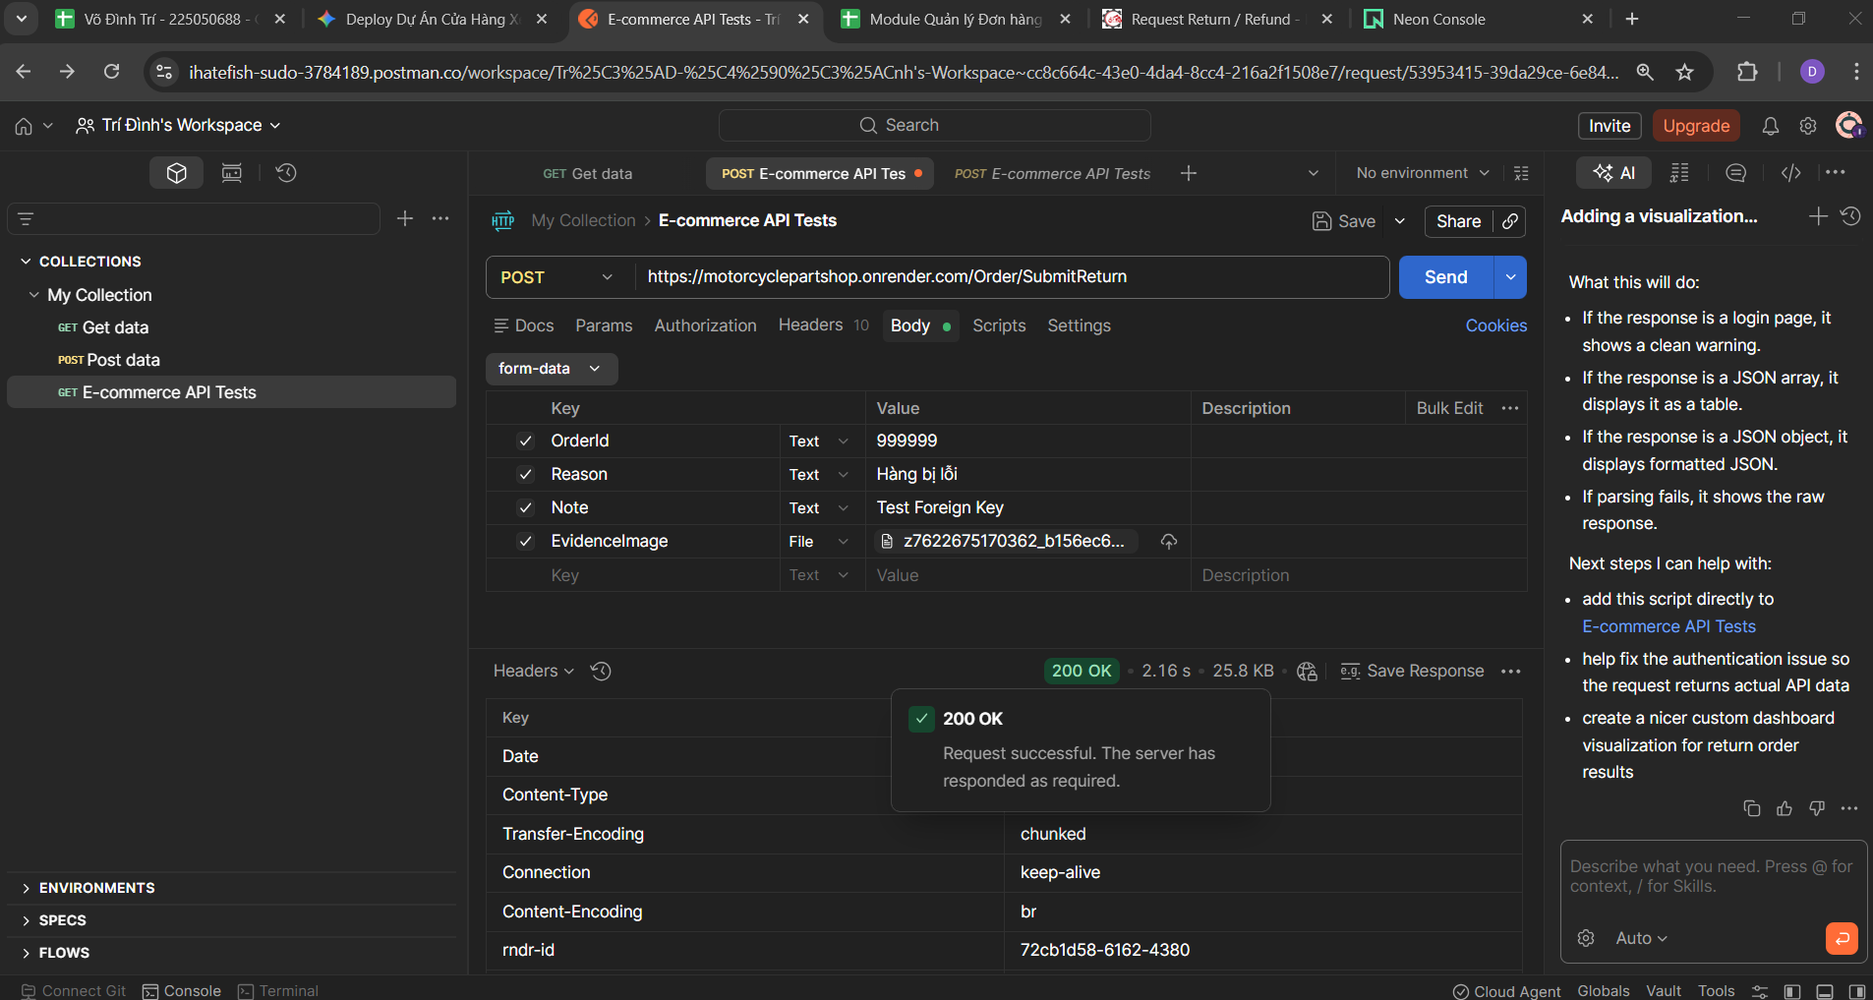 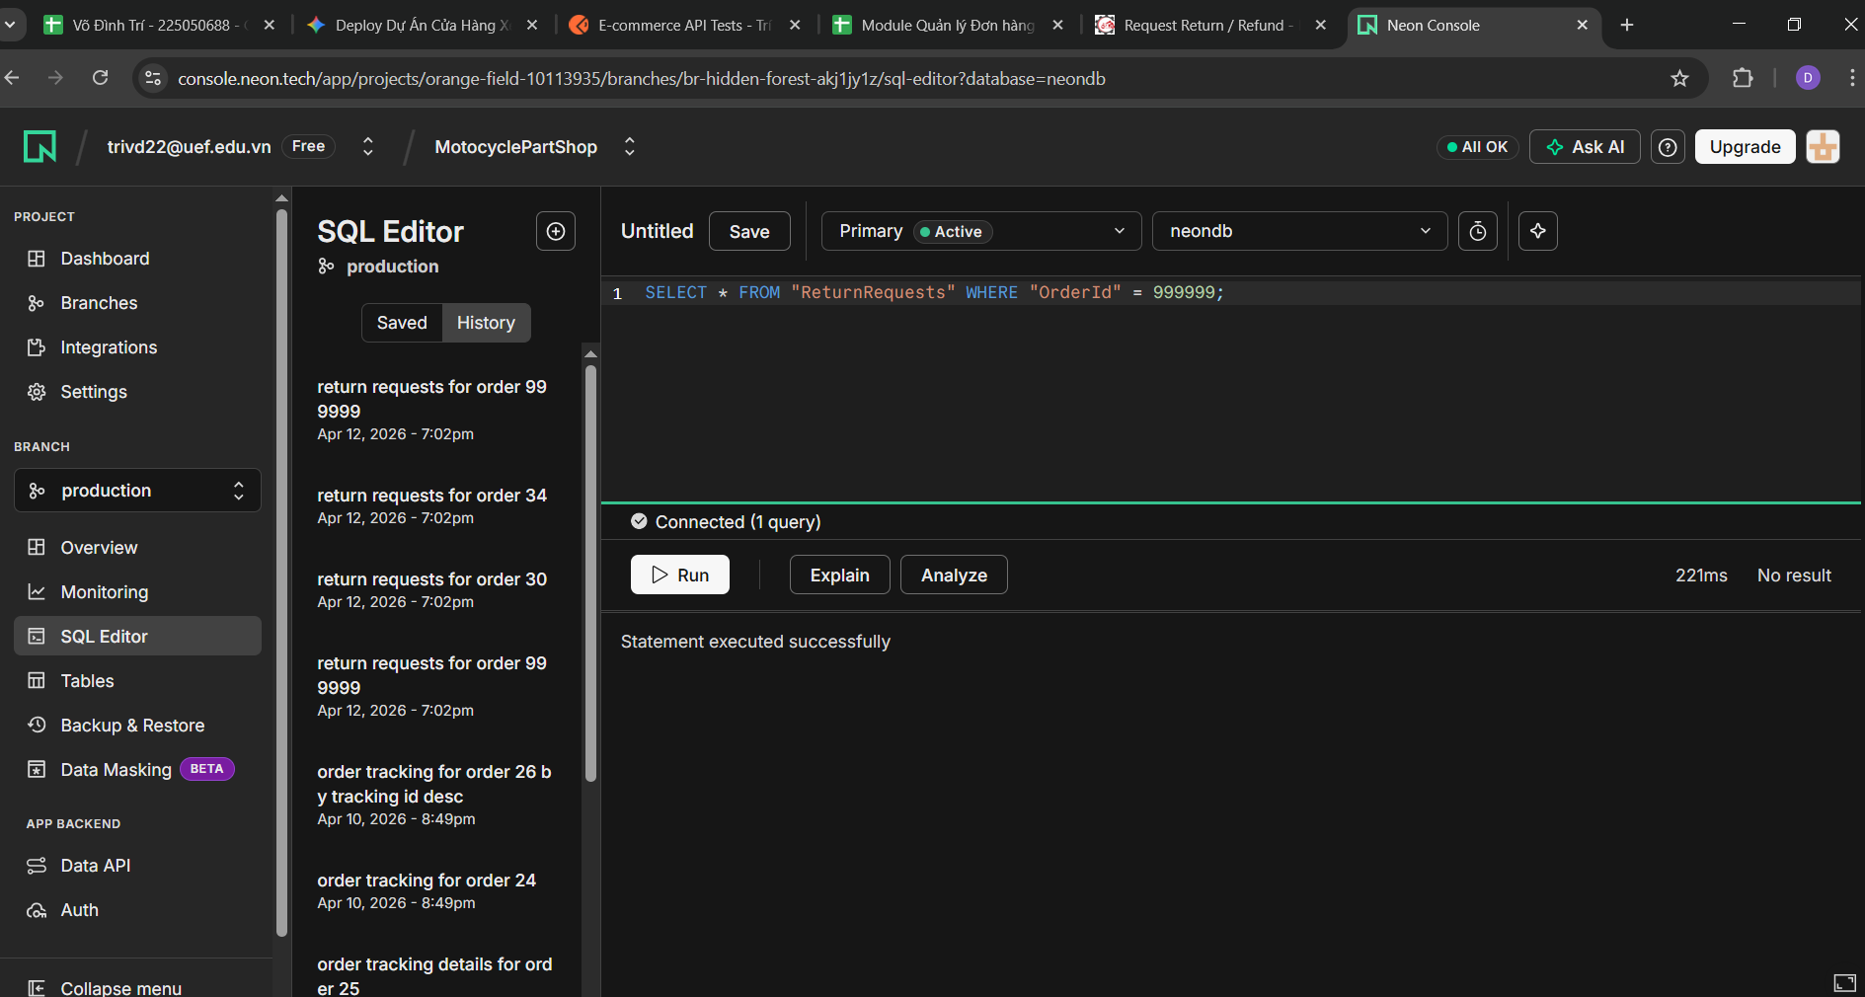

TC_Order_11 - Critical
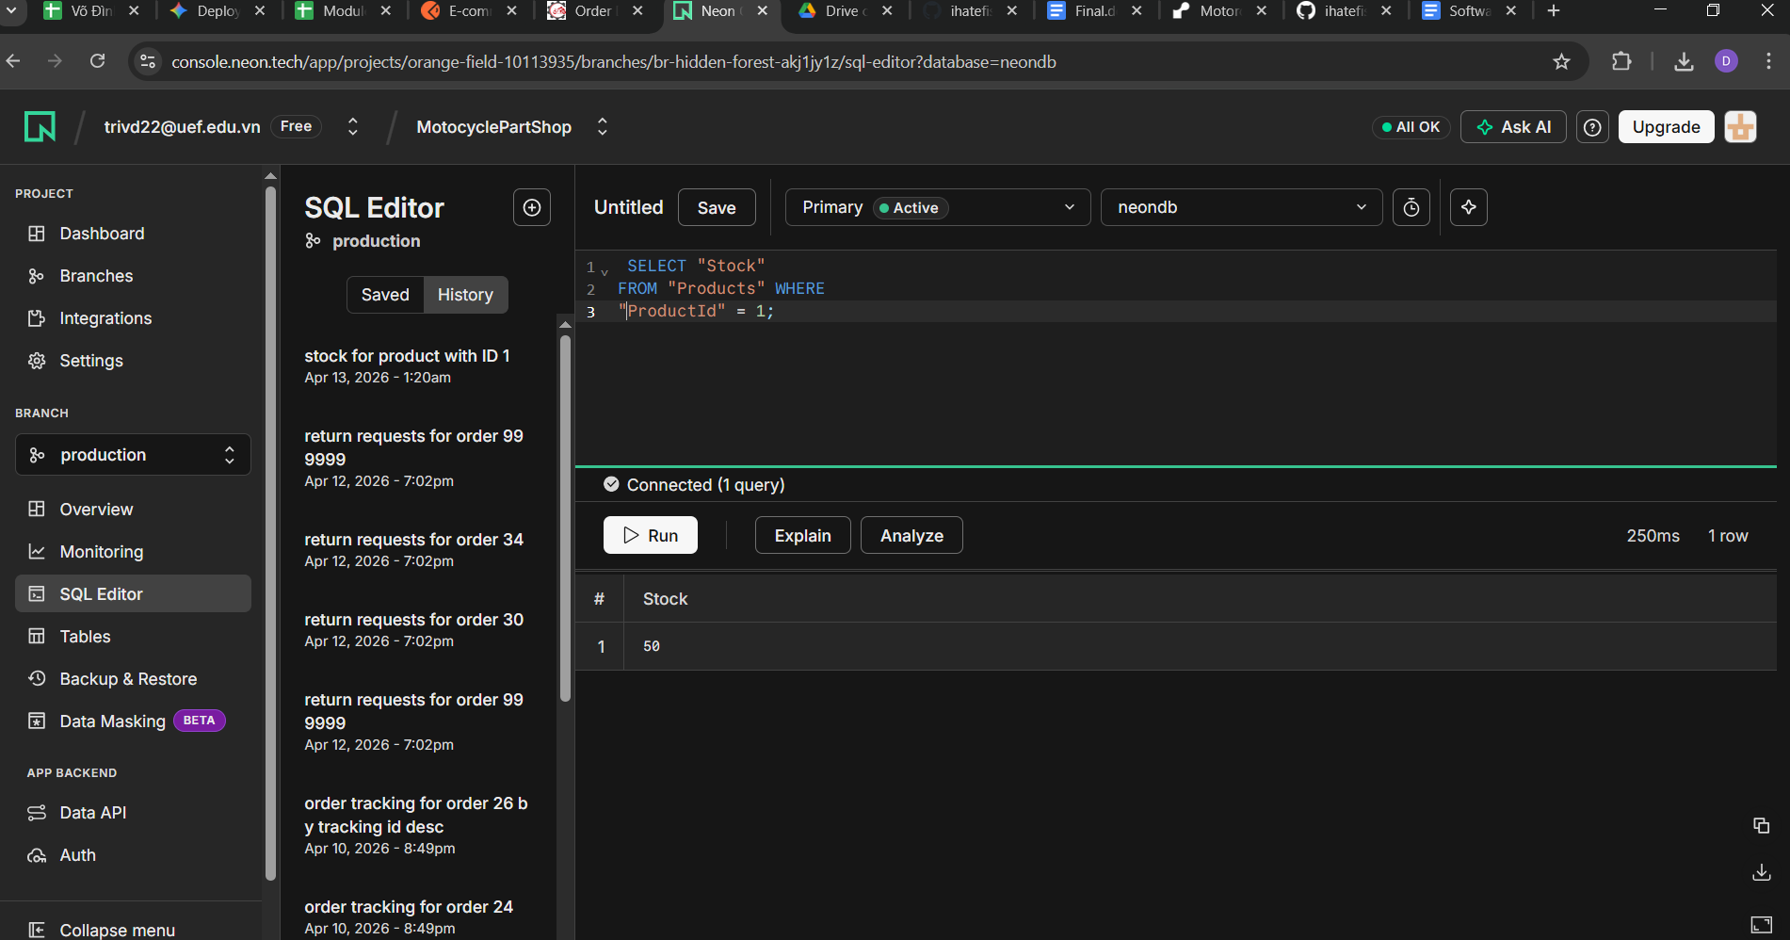
Test Case ID |  | TC_Order_11 | Test Case Description | Verify stock is restored upon order cancellation
Created By |  | Võ Đình Trí | Reviewed By | Võ Đình Trí |  | Version |  | 1.0

QA Tester’s Log

Tester's Name |  | Võ Đình Trí | Date Tested | 2026-04-08 |  | Test Case (Pass/Fail/Not Executed) |  | Pass

S # | Prerequisites: |  |  | S # | Test Data
1 | Developer/Tester has direct access to run SQL queries on the PostgreSQL Database. |  |  | 1 | Target Product: ProductId = 1
2 | Product ID 1 has a Stock level greater than 0. |  |  | 2 | Order Quantity: 5

Test Scenario

Step # | Step Details |  | Expected Results | Actual Results |  |  | Pass / Fail / Not executed / Suspended

1 | Connect to DB and run: SELECT Stock FROM Products WHERE ProductId = 1; (Assume Stock = 50). |  | Current stock recorded. | Initial stock = 50. |  |  | Pass
2 | On UI, place a new order for Product ID 1 with Quantity = 5. |  | Order created. Stock drops to 45. | Stock dropped to 45. |  |  | Pass
3 | On UI, navigate to Order History and Cancel the newly created order. |  | Order cancellation logic triggers. | Cancellation triggered. |  |  | Pass
4 | Re-run DB query: SELECT Stock FROM Products WHERE ProductId = 1; |  | The stock MUST be restored back to 50 (45 + 5) to ensure inventory data consistency. | Final stock restored to 50 perfectly. |  |  | Pass

Evidence: | 