TC_Search_01 - High
Test Case ID |  | TC_Search_01 | Test Case Description | Verify the product search functionality with a valid keyword existing in the Database.
Created By |  | Phạm Công Khánh | Reviewed By | Võ Đình Trí - Team Lead |  | Version |  | 1.0

QA Tester’s Log

Tester's Name |  | Phạm Khánh | Date Tested | 2026-04-09 |  | Test Case (Pass/Fail/Not Executed) |  | Pass

S # | Prerequisites: |  |  | S # | Test Data
1 | Browser is open and navigating to the Moto Shop homepage. |  |  | 1 | Keyword: honda
2 | The system contains at least 1 product with the name or brand "Honda". |  |  | 2
3 |  |  |  | 3
4 |  |  |  | 4

Test Scenario

Step # | Step Details |  | Expected Results | Actual Results |  |  | Pass / Fail / Not executed / Suspended

1 | Click on the search input field in the Header. |  | The search box is focused and ready to accept text input. | The search box is focused, and the text cursor blinks normally. |  |  | Pass
2 | Enter the keyword from the Test Data (honda) into the search box. |  | The word "honda" is fully displayed without font errors or strange characters. | The word "honda" is displayed correctly in the input field. |  |  | Pass
3 | Click the red magnifying glass icon next to the search box or press Enter. |  | - The system redirects smoothly. - Displays the text "Search results for: 'honda'". - Accurately lists the Honda parts. | The system loads the page successfully. Displays the text "Search results for: 'honda'". Shows 1 product card "Pro-Honda Engine Oil" (150,000đ) with standard alignment layout, no distorted image or text overflow. |  |  | Pass

Evidence: | 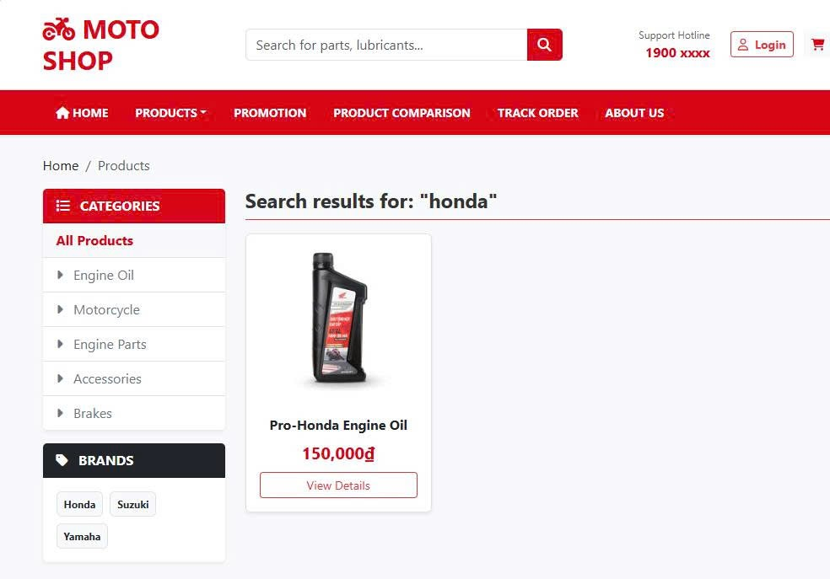

TC_Search_02 - Medium
Test Case ID |  | TC_Search_02 | Test Case Description | Verify the search functionality with a non-existent keyword in the system.
Created By |  | Phạm Công Khánh | Reviewed By | Võ Đình Trí - Team Lead |  | Version |  | 1.0

QA Tester’s Log

Tester's Name |  | Phạm Khánh | Date Tested | 2026-04-09 |  | Test Case (Pass/Fail/Not Executed) |  | Pass

S # | Prerequisites: |  |  | S # | Test Data
1 | Browser is open on the Moto Shop homepage. |  |  | 1 | Keyword: xyz123
2 | Ensure the current Database does not contain any product with the string "xyz123". |  |  | 2
3 |  |  |  | 3
4 |  |  |  | 4

Test Scenario

Step # | Step Details |  | Expected Results | Actual Results |  |  | Pass / Fail / Not executed / Suspended

1 | Click on the search input field in the Header. |  | The search box is focused and ready to accept text input. | The search box is focused normally. |  |  | Pass
2 | Enter the keyword from the Test Data (xyz123) into the search box. |  | The keyword "xyz123" is fully displayed in the text box. | The text "xyz123" is displayed correctly. |  |  | Pass
3 | Click the magnifying glass (Search) icon or press Enter. |  | - Redirects to the results page. - Displays the text: "Search results for: 'xyz123'". - Displays the "Product not found" message. | - Page loaded successfully. - Displays the text: "Search results for: 'xyz123'". - Displays a yellow warning box: "No matching products found." The sidebar and layout remain intact, with no display errors. |  |  | Pass

Evidence: | 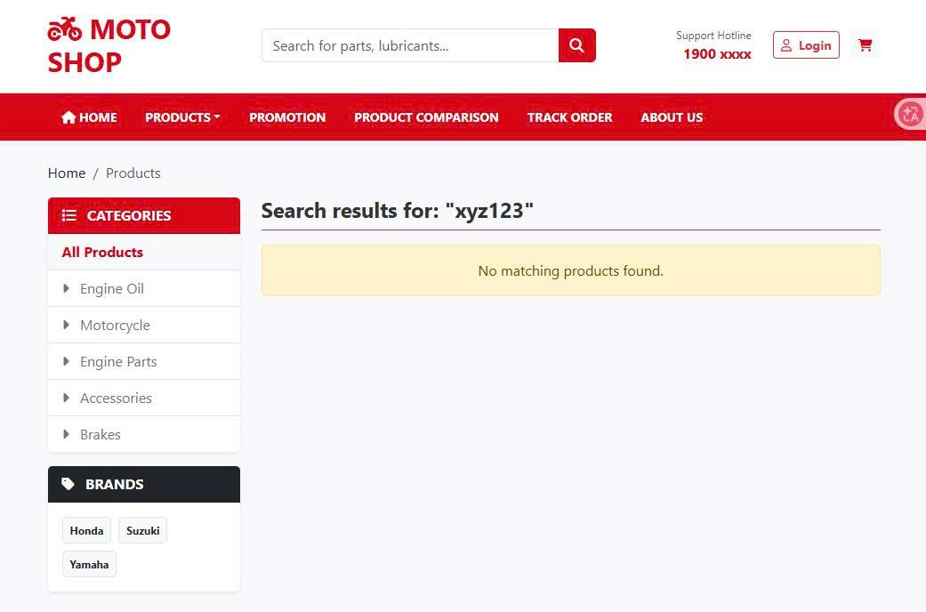

TC_Search_03 - Low
Test Case ID |  | TC_Search_03 | Test Case Description | Verify the search functionality with a keyword containing leading spaces.
Created By |  | Phạm Công Khánh | Reviewed By | Võ Đình Trí - Team Lead |  | Version |  | 1.0

QA Tester’s Log

Tester's Name |  | Phạm Khánh | Date Tested | 2026-04-09 |  | Test Case (Pass/Fail/Not Executed) |  | Fail (UI/UX Bug)

S # | Prerequisites: |  |  | S # | Test Data
1 | Browser is open on the Moto Shop homepage. |  |  | 1 | Keyword: honda (Note: Contains 1 leading space)
2 |  |  |  | 2
3 |  |  |  | 3
4 |  |  |  | 4

Test Scenario

Step # | Step Details |  | Expected Results | Actual Results |  |  | Pass / Fail / Not executed / Suspended

1 | Click on the search box. |  | The search box is focused and ready for text input. | Normal focus state. |  |  | Pass
2 | Enter the string with a leading space from the Test Data ( honda). |  | The characters are displayed exactly as entered. | Displays the exact string " honda" (with a leading space). |  |  | Pass
3 | Press the Enter key to search. |  | - The system automatically trims the whitespace. - Returns the list of Honda parts. - Displays the standard text: "Search results for: 'honda'". - The product card UI is not distorted. | - Functionality: Returns exactly 1 Honda product. - UI Bug: Displayed text is in the wrong format and not trimmed: Search results for: " honda". |  |  | Fail

Evidence: | 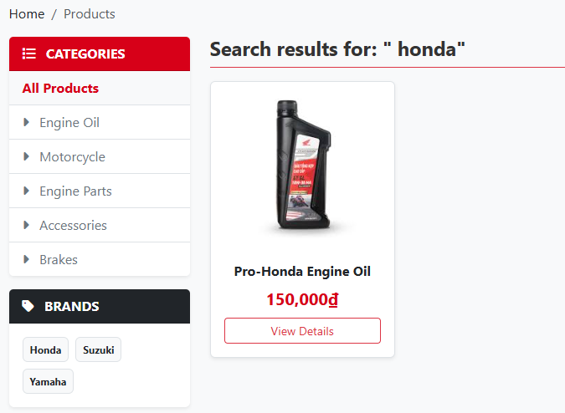

TC_Search_04 - Medium
Test Case ID |  | TC_Search_04 | Test Case Description | Verify the Live Search (auto-suggest) functionality when the user types a keyword that returns multiple results.
Created By |  | Phạm Công Khánh | Reviewed By | Võ Đình Trí - Team Lead |  | Version |  | 1.0

QA Tester’s Log

Tester's Name |  | Phạm Khánh | Date Tested | 2026-04-09 |  | Test Case (Pass/Fail/Not Executed) |  | Pass

S # | Prerequisites: |  |  | S # | Test Data
1 | Browser is open on the Moto Shop homepage. |  |  | 1 | Keyword: yamaha
2 | The Database contains multiple products under the "Yamaha" brand. |  |  | 2
3 |  |  |  | 3
4 |  |  |  | 4

Test Scenario

Step # | Step Details |  | Expected Results | Actual Results |  |  | Pass / Fail / Not executed / Suspended

1 | Click on the search input field in the Header. |  | The search box is focused and ready to accept text input. | Normal focus state. |  |  | Pass
2 | Slowly type the characters from the Test Data (yamaha) into the search box. Absolutely do not press Enter. |  | - Sends a background AJAX request. - Displays a Dropdown listing the products containing the text "yamaha". - Products are stacked in a list format without overlapping. | - The text "ya" is displayed correctly. - A Dropdown appears smoothly right below the search bar. - Accurately lists 2 products: "Yamaha PG-1" (35,000,000đ) and "Yamaha Sirius 110" (27,500,000đ) with clear thumbnail images. The list layout is well-proportioned, separated by a faint gray divider line. |  |  | Pass

Evidence: | 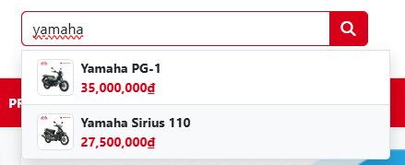

TC_Search_SEC_01 - Critical
Test Case ID |  | TC_Search_SEC_01 | Test Case Description | Verify the system's security against SQL Injection attacks on the search feature.
Created By |  | Phạm Công Khánh | Reviewed By | Võ Đình Trí - Team Lead |  | Version |  | 1.0

QA Tester’s Log

Tester's Name |  | Phạm Khánh | Date Tested | 2026-04-11 |  | Test Case (Pass/Fail/Not Executed) |  | Pass

S # | Prerequisites: |  |  | S # | Test Data
1 | Browser is on the Moto Shop homepage. |  |  | 1 | Enter the payload: ' OR 1=1 --
2 | Application is hosted on the production server (Render). |  |  | 2
3 | Application is running on Localhost (Hybrid setup: Local Code + Remote Database) to bypass WAF and test internal code logic. |  |  | 3
4 |  |  |  | 4

Test Scenario

Step # | Step Details |  | Expected Results | Actual Results |  |  | Pass / Fail / Not executed / Suspended

1 | Enter the Test Data payload into the search input field. |  | The input field accepts and displays the payload. | The input field correctly displays the text ' OR 1=1 --. |  |  | Pass
2 | Press Enter or click the search icon to submit. |  | The system must sanitize the input parameters. It must not execute the malicious SQL query, ensuring the SQL Server database remains secure. | The malicious request is blocked at the network level by the hosting provider's Web Application Firewall (WAF). The browser returns a 403 - Forbidden error page. The database remains completely safe. |  |  | Pass
3 | Access the application via Localhost (https://localhost:xxxx) and enter the Test Data payload into the search input field. |  | The input field accepts and displays the payload on the local environment. | The input field correctly displays the text ' OR 1=1 -- on Localhost |  |  | Pass
4 | Press Enter or click the search icon to submit (Bypassing external WAF). |  | The backend ORM (Entity Framework Core) must parameterize the input to prevent SQL injection. The system should safely return a "No matching products found" message without crashing or leaking data. | The request reaches the backend C# code. EF Core successfully parameterizes the query. The system safely returns the "No matching products found" UI message. The remote database remains completely secure. |  |  | Pass

Evidence: | 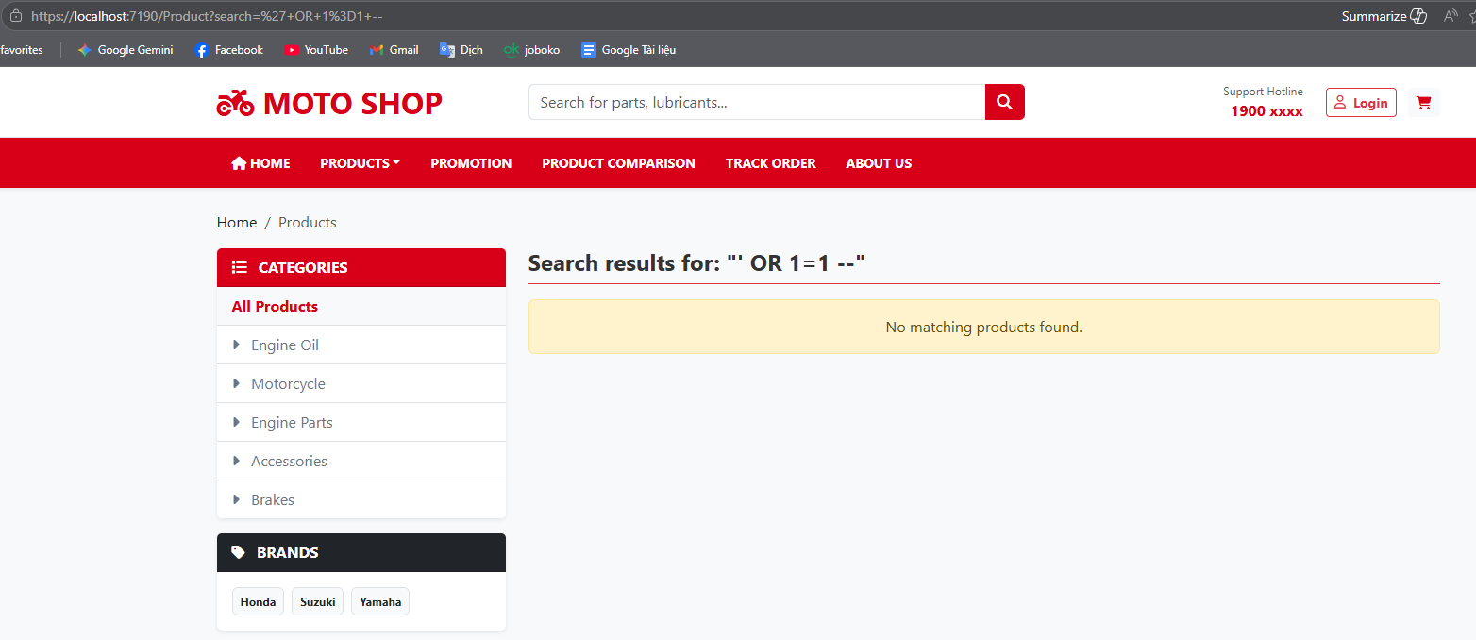 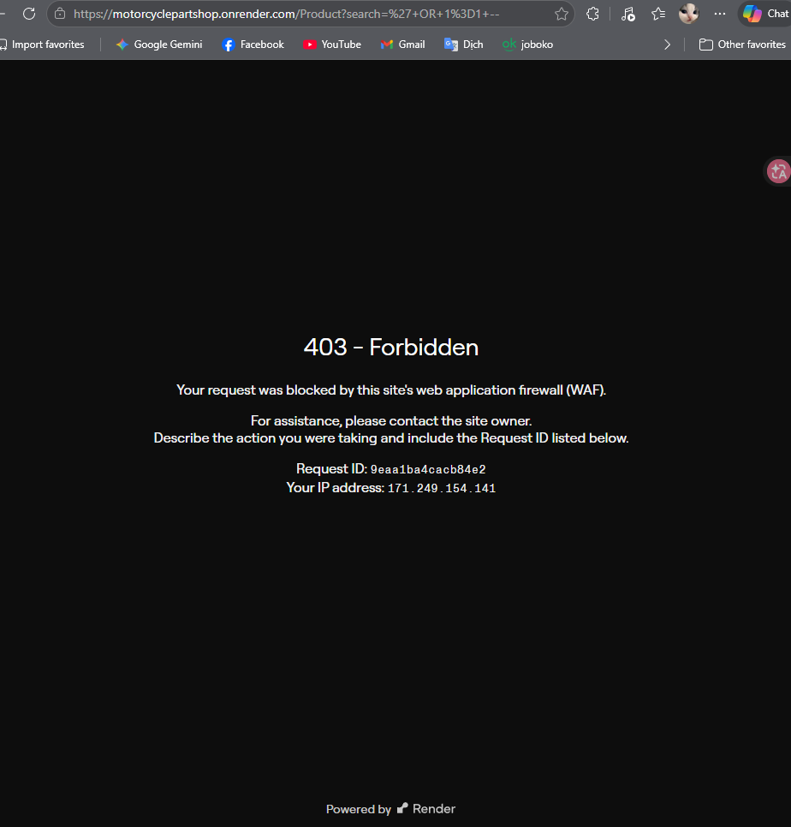

TC_Search_API_01 - High
Test Case ID |  | TC_Search_API_01 | Test Case Description | Verify the HTTP response and data format of the Live Search API endpoint using the GET method.
Created By |  | Phạm Công Khánh | Reviewed By | Võ Đình Trí - Team Lead |  | Version |  | 1.0

QA Tester’s Log

Tester's Name |  | Phạm Khánh | Date Tested | 2026-04-11 |  | Test Case (Pass/Fail/Not Executed) |  | Pass

S # | Prerequisites: |  |  | S # | Test Data
1 | Logged into the Postman Web application. |  |  | 1 | URL: https://motorcyclepartshop.onrender.com/Product/SearchSuggestions?query=honda
2 | Moto Shop backend is fully operational on the Render production server. |  |  | 2 | Method: GET
3 |  |  |  | 3
4 |  |  |  | 4

Test Scenario

Step # | Step Details |  | Expected Results | Actual Results |  |  | Pass / Fail / Not executed / Suspended

1 | Open Postman Web, select the GET method, paste the API URL from the Test Data into the URL field, and click "Send". |  | The backend system processes the request successfully and returns an HTTP status code of 200 OK. | Postman successfully receives the response with a 200 OK status code (highlighted in green). |  |  | Pass
2 | Inspect the format and data structure returned in the Response Body. |  | The returned data must be in valid JSON format, representing an array of product objects containing the fields: id, name, price, and image.remains secure. | The returned data is a valid JSON array. It is correctly structured and contains all required details for the 2 products matching the "honda" keyword. |  |  | Pass

Evidence: | 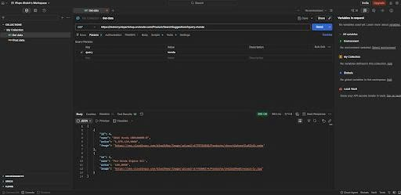

TC_Cart_01 - Critical
Test Case ID |  | TC_Cart_01 | Test Case Description | Verify the functionality of adding a new product to the cart from the product list/detail page.
Created By |  | Phạm Công Khánh | Reviewed By | Võ Đình Trí - Team Lead |  | Version |  | 1.0

QA Tester’s Log

Tester's Name |  | Phạm Khánh | Date Tested | 2026-04-09 |  | Test Case (Pass/Fail/Not Executed) |  | Pass (Note: Minor CSS UI bug).

S # | Prerequisites: |  |  | S # | Test Data
1 | The user (guest or authenticated) is on the product detail page. |  |  | 1 | Select product: 2024 Honda CBR1000RR-R (Price: 1,075,139,000đ).
2 | The initial cart is empty (Cart icon shows no number or '0'). |  |  | 2
3 |  |  |  | 3
4 |  |  |  | 4

Test Scenario

Step # | Step Details |  | Expected Results | Actual Results |  |  | Pass / Fail / Not executed / Suspended

1 | Click the "Add to cart" button for the product in the Test Data. |  | - The system displays a success Toast notification. - The cart icon on the Header updates and increments by 1. | - Displays a green popup: "Success: Added to cart successfully!". - A red badge with the number "1" appears on the Header's cart icon. - UI Bug: The Toast message background has transparency (opacity) or an incorrect z-index, causing the red text "1900 xxxx" from the Header to overlap and be visible above the notification. |  |  | Pass
2 | Click on the Cart icon in the Header to navigate. |  | Redirects to the Shopping Cart page. | Shopping Cart page loaded successfully. |  |  | Pass
3 | Verify the information displayed inside the Shopping Cart page. |  | - Correctly displays the image and name of the recently added product. - The default Quantity is 1. - The Subtotal/Total is accurately calculated and equals the product's unit price. | Accurately displays the bike "2024 Honda CBR1000RR-R" with a quantity of 1. Unit price and Total are calculated correctly (1,075,139,000đ). The form layout clearly displays the table and summary column without breaking the frame. |  |  | Pass

Evidence: | 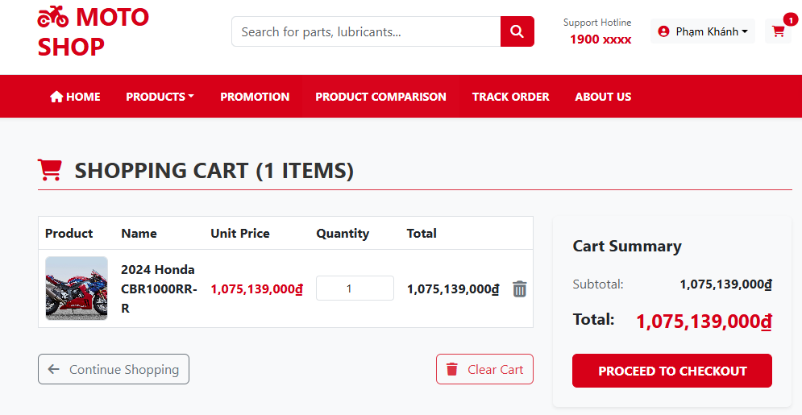

TC_Cart_02 - High
Test Case ID |  | TC_Cart_02 | Test Case Description | Verify system behavior and UI when the user attempts to add an out-of-stock product to the cart.
Created By |  | Phạm Công Khánh | Reviewed By | Võ Đình Trí - Team Lead |  | Version |  | 1.0

QA Tester’s Log

Tester's Name |  | Phạm Khánh | Date Tested | 2026-04-09 |  | Test Case (Pass/Fail/Not Executed) |  | Pass

S # | Prerequisites: |  |  | S # | Test Data
1 | The user (guest or authenticated) is on the product detail page. |  |  | 1 | Select product: Yamaha Sirius 110.
2 | Configure the Database so the test product has the attribute Stock = 0. |  |  | 2
3 |  |  |  | 3
4 |  |  |  | 4

Test Scenario

Step # | Step Details |  | Expected Results | Actual Results |  |  | Pass / Fail / Not executed / Suspended

1 | Navigate to the product detail page of the Test Data product. |  | Page loads successfully. The Availability status displays "Out of Stock". | Correctly displays the Yamaha Sirius 110 product. The status line clearly states "Out of Stock". |  |  | Pass
2 | Observe the UI of the "Add to cart" button. |  | The button is disabled and changes color to distinguish it from in-stock products. | The button turns gray (grayed-out), and the text displays "TEMPORARILY OUT OF STOCK". |  |  | Pass
3 | Intentionally click on the "TEMPORARILY OUT OF STOCK" button. |  | The system does not respond, does not call the add-to-cart API, and does not reload the page. | The mouse cannot click (pointer-events: none). There are no changes to the cart (The cart icon number does not increment). |  |  | Pass

Evidence: | 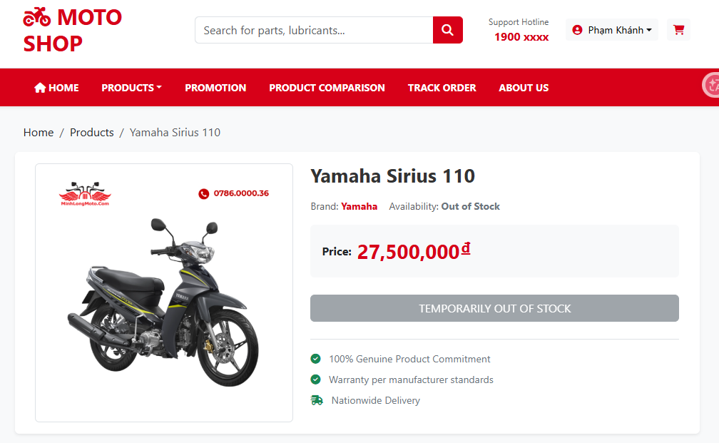

TC_Cart_03 - Low
Test Case ID |  | TC_Cart_03 | Test Case Description | Verify the quantity update (increase) functionality of a product in the cart and the total price calculation logic.
Created By |  | Phạm Công Khánh | Reviewed By | Võ Đình Trí - Team Lead |  | Version |  | 1.0

QA Tester’s Log

Tester's Name |  | Phạm Khánh | Date Tested | 2026-04-09 |  | Test Case (Pass/Fail/Not Executed) |  | Pass (Note: Minor UI/logic bug regarding grammar/item count in the title).

S # | Prerequisites: |  |  | S # | Test Data
1 | The user is on the Shopping Cart page. |  |  | 1 | Change the value in the Quantity input to 2.
2 | The cart currently contains 1 "Pro-Honda Engine Oil" product with a quantity of 1 (Price: 150,000đ). |  |  | 2
3 |  |  |  | 3
4 |  |  |  | 4

Test Scenario

Step # | Step Details |  | Expected Results | Actual Results |  |  | Pass / Fail / Not executed / Suspended

1 | Enter 2 into the Quantity input (or click the up arrow). |  | The text input accepts the value 2. | The Quantity input value displays "2". |  |  | Pass
2 | Wait for the system to auto-update (or click outside the input field). |  | - The product's Total column increases to 300,000đ. - The Cart Summary table on the right updates the Subtotal and Total to 300,000đ. | The system calculates correctly. Both the Total column and Cart Summary display 300,000đ. The form layout does not break when the amount increases. |  |  | Pass
3 | Check the auxiliary text information around the cart interface. |  | The auxiliary text counting the cart items is displayed consistently. | UI/Logic Bug: The title displays "SHOPPING CART (1 ITEMS)". |  |  | Fail

Evidence: | 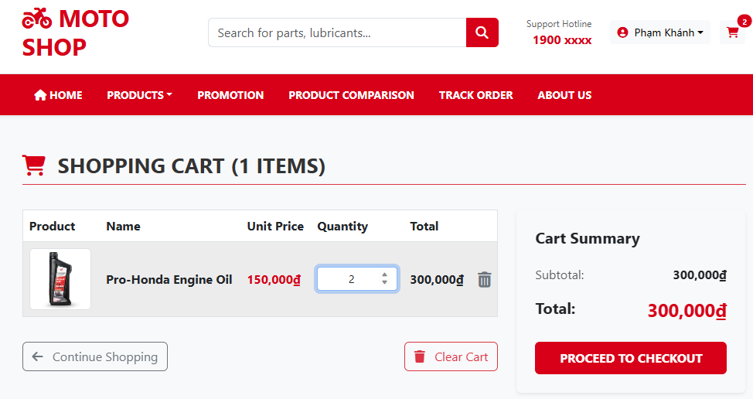

TC_Cart_04 - Critical
Test Case ID |  | TC_Cart_04 | Test Case Description | Verify the quantity constraint when the user enters a purchase quantity greater than the actual stock available.
Created By |  | Phạm Công Khánh | Reviewed By | Võ Đình Trí - Team Lead |  | Version |  | 1.0

QA Tester’s Log

Tester's Name |  | Phạm Khánh | Date Tested | 2026-04-09 |  | Test Case (Pass/Fail/Not Executed) |  | Fail

S # | Prerequisites: |  |  | S # | Test Data
1 | The user is on the Shopping Cart page. |  |  | 1 | Enter 90 into the Quantity input.
2 | The cart contains the product "2024 Honda CBR1000RR-R" with an actual stock of 10 in the DB. |  |  | 2
3 |  |  |  | 3
4 |  |  |  | 4

Test Scenario

Step # | Step Details |  | Expected Results | Actual Results |  |  | Pass / Fail / Not executed / Suspended

1 | Enter the Test Data value (90) into the Quantity input. |  | The text input accepts the value 90. | The Quantity input value displays "90". |  |  | Pass
2 | Press Enter or click outside the input area to trigger the change event. |  | - The system must block this and display an error message (e.g., "Exceeds available stock"). - Mandatory: Do not save the value 90. Automatically reset the quantity to the maximum allowed (which is 10). - The total price must only be calculated for a maximum of 10 items. | The system displays no warnings. Successfully updates the quantity to 90 and calculates the total price up to 96.7 billion VND. |  |  | FAIL

Evidence: | 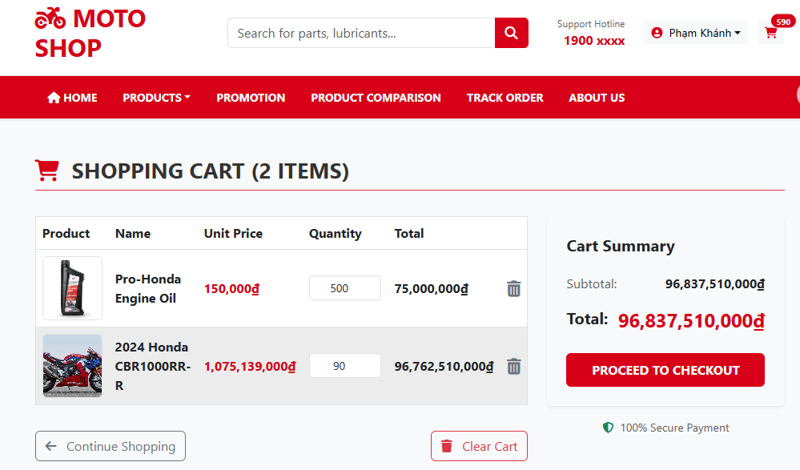

TC_Cart_05 - High
Test Case ID |  | TC_Cart_05 | Test Case Description | Verify the functionality of removing a product from the cart using the Trash icon.
Created By |  | Phạm Công Khánh | Reviewed By | Võ Đình Trí - Team Lead |  | Version |  | 1.0

QA Tester’s Log

Tester's Name |  | Phạm Khánh | Date Tested | 2026-04-09 |  | Test Case (Pass/Fail/Not Executed) |  | Pass

S # | Prerequisites: |  |  | S # | Test Data
1 | The user is on the Shopping Cart page. |  |  | 1 | Action: Click the trash icon and select the confirmation button.
2 | The cart contains at least 1 product. |  |  | 2
3 |  |  |  | 3
4 |  |  |  | 4

Test Scenario

Step # | Step Details |  | Expected Results | Actual Results |  |  | Pass / Fail / Not executed / Suspended

1 | Click the Trash icon (Delete icon) located at the end of the product row. |  | The system pauses the delete action and displays a confirmation Popup. | The screen dims (overlay). A red dialog box appears with the text "Are you sure you want to remove this item?". |  |  | Pass
2 | Click the "Yes, Remove" button on the confirmation dialog. |  | - The popup closes. - The product is removed from the list. - The UI updates the cart status. | The system successfully removes the only product in the cart. Automatically redirects to the "Your cart is empty!" interface along with a "Shop Now" button. |  |  | Pass

Evidence: | 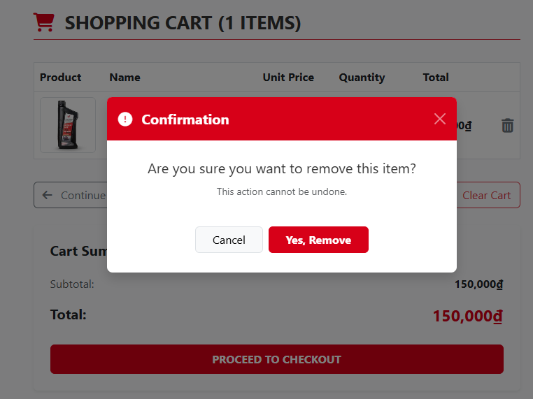

TC_Cart_06 - Medium
Test Case ID |  | TC_Cart_06 | Test Case Description | Verify system behavior when the user enters a negative quantity or 0 into the cart.
Created By |  | Phạm Công Khánh | Reviewed By | Võ Đình Trí - Team Lead |  | Version |  | 1.0

QA Tester’s Log

Tester's Name |  | Phạm Khánh | Date Tested | 2026-04-09 |  | Test Case (Pass/Fail/Not Executed) |  | Fail (Note: Unconfirmed automatic deletion issue).

S # | Prerequisites: |  |  | S # | Test Data
1 | The user is on the Shopping Cart page. |  |  | 1 | Enter 0 into the Quantity input.
2 | The cart contains at least 1 product. |  |  | 2 | Enter -5 into the Quantity input.
3 |  |  |  | 3
4 |  |  |  | 4

Test Scenario

Step # | Step Details |  | Expected Results | Actual Results |  |  | Pass / Fail / Not executed / Suspended

1 | Enter the Test Data value (0 or -5) into the Quantity input. |  | The system blocks the input or displays an invalid quantity error warning. | The browser displays the default HTML5 tooltip: "Value must be greater than or equal to 1". |  |  | Pass
2 | Press Enter or click outside the input area to trigger the change event. |  | - The system blocks the input and displays a warning. - OR: If the system allows deletion, there must be a confirmation notification. | - The UI shows the Tooltip "Value must be greater than or equal to 1". - However, the system still automatically reloads the page and deletes that product from the cart without confirmation. Other products remain unchanged. |  |  | Fail

Evidence: | 