Logs


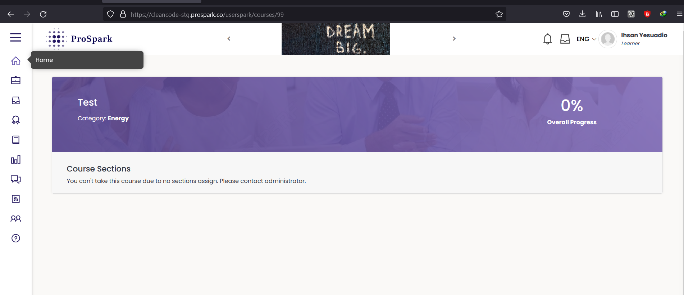
TC_LMS_TCC_01 | Trainer login to the website




TC_LMS_TCC_02 | Trainer add course

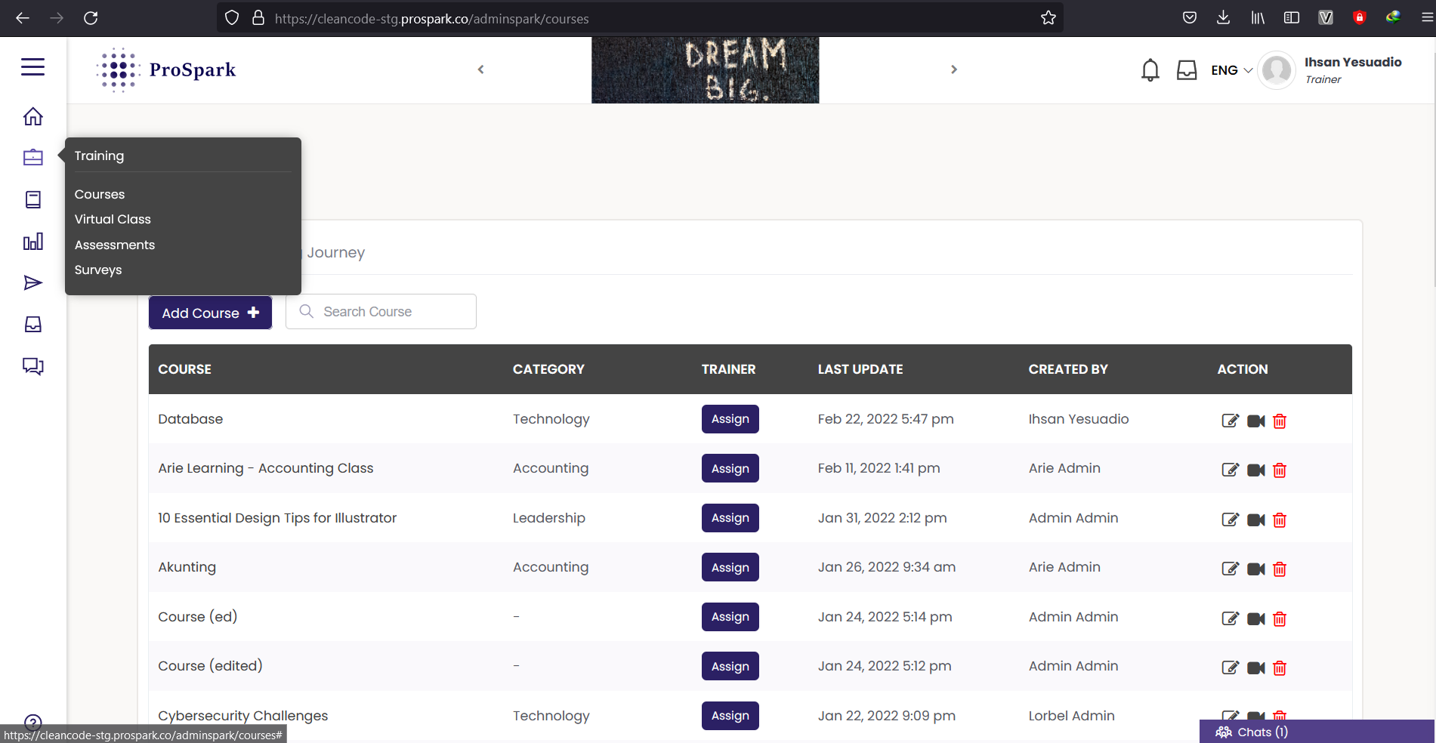

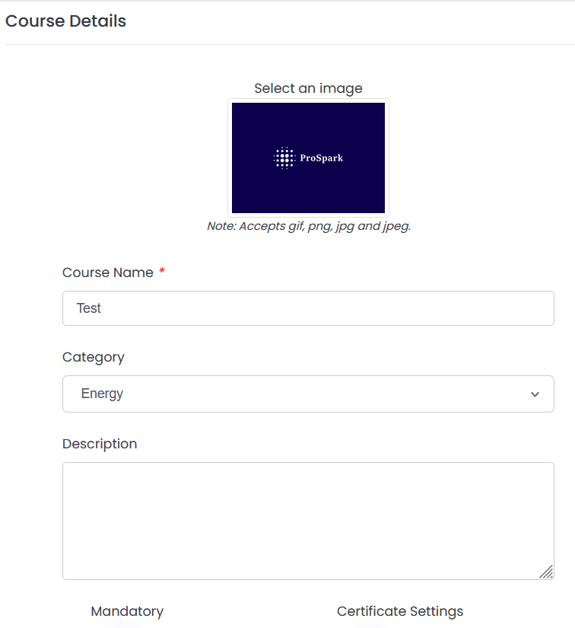

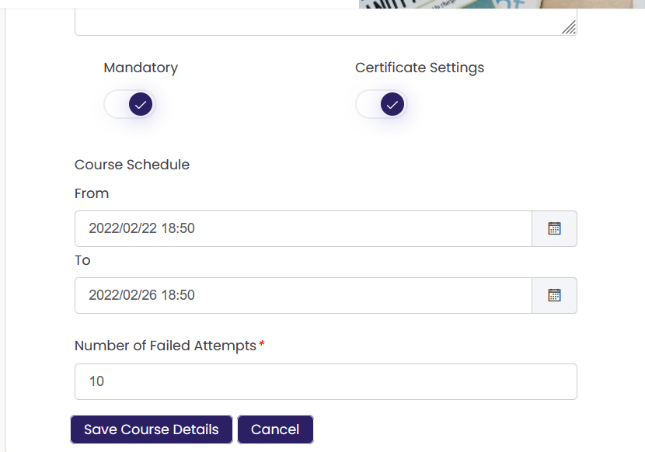

TC_LMS_TAT_01 | Assign learner to selected course

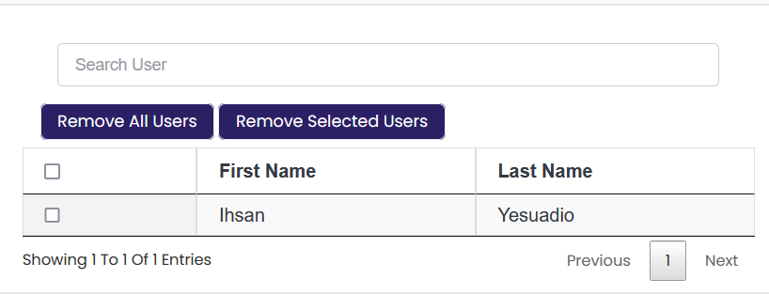

TC_LMS_TLS_01 | learner check the course

