Policy
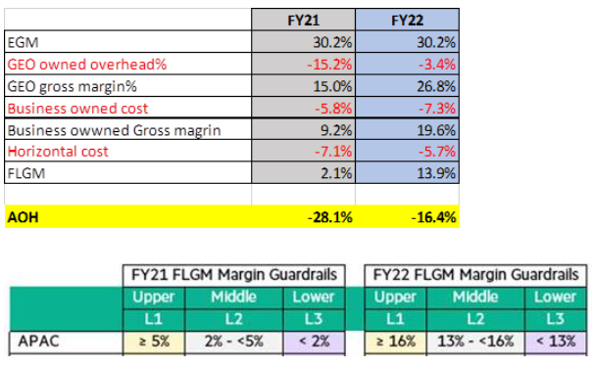
 |  | ** 75K 이하 15% 미만 L2 PN GM (이승국 전무님) 승인, 15% 이상 L1 A&PS Biz Mgr (신종민 상무님) 승인
LSR |  | A | B |  |  |  |  |  | C
LSR (Lifetime Service Revenue) in SFDC |  | 75k 이하 | 75k ~ <250k (3P 제품 제외한 금액이 250k 이하) |  |  | 250k ~ 500k (3P 제품을 제외한 금액이 250k 이상) |  |  | 500k ~ <10M
FLGM |  |  | Upper | Middle | Lower | Upper | Middle | Lower | Upper | Middle | Lower
APS FLGM |  | All | 17% 이상 | 15% ~ 17% | 15% 미만 | 17% 이상 | 15% ~ 17% | 15% 미만 | 17% 이상 | 15% ~ 17% | 15% 미만
Approval Level |  | N/A | Geo 1 | Geo 2 (Geo 1) | WW | Geo 1 | Geo 2 (Geo 1) | WW | Geo 1 | Geo 2 | WW
How to |  | 지정된 문서를 포함하여 SFDC 로 처리 | LITE OBR (SFDC Online) |  |  |  |  |  | FULL OBR (Meeting)
Advisory_Tool.xlsm - Outcome Lite or Full |  | - | O | O | O | O | O | O | - | - | -
 | Waiver - Non-binding/Re-Approval/SC | - | Follow waiver docs - minimum docs than Lite or Full
Credit Check Approval (Sales Rep.) |  | O | O | O | O | O | O | O | O | O | O
E3T.xlsm |  | O | O | O | O | O | O | O | O | O | O
Risk Log.xlsx |  | - | - | - | - | O | O | O | O | O | O
3P Details.pptx |  | - | - | - | - | O | O | O | O | O | O
3P 견적서 |  | - | - | - | - | O | O | O | O | O | O
Flow-down 메일 |  | - | - | - | - | O | O | O | O | O | O
FLGM justification |  | O | - | - | - | - | - | - | - | - | - | 106332.8
Delivery Opinion |  | - | Local | Local | Local | O | O | O | O | O | O
 | RFP | - | - | - | - | O | O | O | O | O | O
 | HPE SOW.pptx | O | O | O | O | O | O | O | O | O | O
 | SA opinion.docx | - | - | - | - | O | O | O | O | O | O
 | DA - briefing deck.pptx | - | - | - | - | O | O | O | O | O | O
Finance Opinion |  | - | - | - | - | - | - | - | O | O | O
 | Deal Engagement Form | - | - | - | - | - | - | - | O | O | O
 | Gross vs Net Check list.pdf | - | O | O | O | - | - | - | O | O | O
Legal Opinion for non-standard T&Cs |  | O | O | O | O | O | O | O | O | O | O
FAP(NSP) Approval for non-standard T&Cs |  | FAP(NSP) requirement review with APS Finance |  |  |  |  |  |  | Done by OC
OBR Execute Summary.pptx |  | - | - | - | O | - | - | O | O | O | O

 |  | Area |  | Level 1 (G1) |  | Level 2 (G2) |  | Level 3 (WW)
Financial Guardrails |  | LSR (1) |  | As per Financial Guardrails (refer to above table)
 |  | FLGM (1) |  | As per Financial Guardrails (refer to above table)
Non-Financial Guardrails |  | Multi Geo |  | single Geo only |  | yes
 |  | Risk Rating (2) |  | low or medium |  | high |  | very high
 |  | Special Labour Investment required (3) |  | No |  | yes
 |  | Employee transfer |  | No |  |  |  | yes
 |  | Asset / Capital Transfer (4) |  | No |  |  |  | yes
 |  | Acquisitions |  | No |  |  |  | yes
 |  | 3PP PL QV/QW (5) |  |  |  |  |  | yes
(1) Revenue and margin thresholds are listed in Financial Guardrails document on the WW SOAR SharePoint
(2) Refer to Determination of Overall Program Risk Rating for determination of overall risk rating.
(3) Special Labour Investment is defined as delivery effort being spend without generating revenue or margin to the organization for none HPE Pointnext organizations or without being properly quoted.
(4) Capital: = is an investment or purchase that creates an asset (physical or intangible) that is "capitalized"* on the HPE balance sheet. In addition, it also includes purchases not directly "capitalized" on the HPE balance sheet, but with depreciation billed directly back to HPE. All HPE deals with CAPEX require WW approval.
(5) 3rd Party HW or SW is not on the approved 3PP list; Deal exceeds the maximum 80% of 3P HW and SW and minimum of 20% of Pointnext Services relative to overall HPE Pointnext deal value. Not applicable for non-binding deals.

