Tabelle1
Basic Relationship

 | Example 1: predictive Neurotron

 |  | u | q | x | d | b | y
 | t-1 | 0 | 0 | 1 | 0 | 0 | 0
 | t | 1 | 0 | 1 | 0 | 0 | 0
 | t+1 | 1 | 0 | 1 | 0 | 0 | 1
 | t+2 | 1 | 1 | 1 | 0 | 1 | 1
 | t+3 | 1 | 1 | 1 | 0 | 1 | 1

 | Example 2: non-predictive, non-depressed Neurotron

 |  | u | q | x | d | b | y
 | t-1 | 0 | 0 | 0 | 0 | 0 | 0
 | t | 1 | 0 | 0 | 0 | 0 | 0
 | t+1 | 1 | 0 | 0 | 0 | 0 | 0
 | t+2 | 1 | 1 | 0 | 0 | 1 | 0
 | t+3 | 1 | 1 | 0 | 0 | 1 | 1

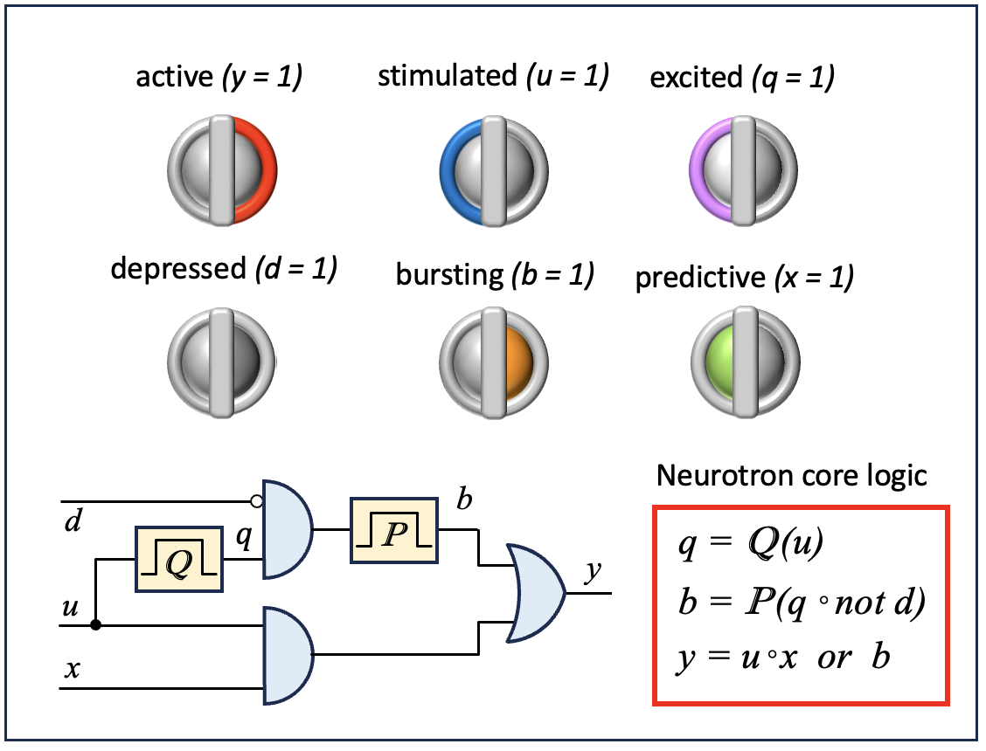
 | Example 3: non-predictive depressed Neurotron

 |  | u | q | x | d | b | y
 | t-1 | 0 | 0 | 0 | 1 | 0 | 0
 | t | 1 | 0 | 0 | 1 | 0 | 0
 | t+1
 | t+2
 | t+3 | 1 | 1 | 0 | 1 | 0 | 1

 | Example 4: unstimulated Neurotron

 |  | u | q | x | d | b | y
 | t-1 | 0 | 0 | 1 | 0 | 0 | 0
 | t | 0 | 0 | 1 | 0 | 0 | 0
 | t+1
 | t+2
 | t+3 | 0 | 0 | 1 | 0 | 0 | 0

