Model Input
 | US diet, kcal |  | US diet, % |  | Model input, % |  | Caloric value of food [Mkcal/ton]
 | Meat Diet | Vegetarian | Meat diet | Vegetarian | Meat diet | Vegetarian |  | Waste fraction | Reference CropYield | N Concentration | P concentration | World Ref Diet Composition | Feed share of crop types | Feed per meat | Other uses multiplier for food | Feed fraction | Other uses multiplier |  |  |  | World Ref Diet Composition - WRI |  | GHG intensity | Flexitarian Diet | Average Diet Composition FAO 2013 | Health Diet WHO - Springmann | Vegan Diet
PasMeat | 115.2 | 0 | 3.2 | 0.0 | 2.3 | 0.0 | 1.200 | 0.20 | 1.28 | 0.0289 | 0.0016 | 1.80 |  |  |  |  |  |  |  |  | 1.80 | 1.84 | 32.58 | 0.45 | 1.77 | 1.34 | 0
CropMeat | 392.8 | 0 | 11.0 | 0.0 | 7.2 | 0.0 | 1.546 | 0.20 | 0.65 | 0.0148 | 0.0009 | 5.70 |  |  |  |  |  |  |  |  | 6.70 | 5.76 | 1.32 | 2.52 | 7.54 | 4.09 | 0
Dairy | 512 | 600 | 14.4 | 17.0 | 6.7 | 7.0 | 0.600 | 0.20 | 6.42 | 0.0051 | 0.0009 | 6.80 |  |  |  |  |  |  |  |  | 4.00 | 6.76 | 1.22 | 7.98 | 6.92 | 7.78 | 0
Eggs | 55 | 73 | 1.5 | 2.1 | 1.0 | 2.0 | 1.430 | 0.20 | 0.80 | 0.0201 | 0.0020 | 1.20 |  |  |  |  |  |  |  |  | 1.20 | 1.2 | 1.58 | 0.76 | 1.25 | 0.74 | 0
Pulses | 40 | 70 | 1.1 | 2.0 | 2.0 | 3.8 | 3.442 | 0.20 | 0.99 | 0.0360 | 0.0037 | 2.30 | 0.014 | 9.408 | 0.19 | 0.211 |  |  |  | 11.76 | 2.30 | 2.36 | 0.23 | 7.06 | 2.36 | 6.88 | 10
Grains | 849 | 1132 | 23.8 | 32.0 | 46.8 | 52.0 | 3.207 | 0.30 | 3.97 | 0.0155 | 0.0023 | 48.00 | 0.715 | 9.28 | 0.24 | 0.396 |  |  |  | 11.6 | 54.00 | 47.84 | 0.47 | 29.988 | 46.11 | 29.2315 | 30
VegFruits | 269 | 277 | 7.6 | 7.8 | 8.0 | 9.2 | 0.483 | 0.45 | 15.13 | 0.0021 | 0.0004 | 8.20 | 0.223 | 9.448 | 0.16 | 0.096 |  |  |  | 11.81 | 10.00 | 8.24 | 0.07 | 12.062 | 12.77 | 11.7585 | 20
OtherCrops | 1328 | 1381 | 37.3 | 39.1 | 26.0 | 26.0 | 0.800 | 0.20 | 9.03 | 0.0113 | 0.0016 | 26.00 | 0.048 | 9.344 | 0.08 | 0.031 |  |  |  | 11.68 | 20.00 | 26 | 0.3 | 38.43 | 20.4 | 37.45 | 40
 | World avg calorie consumption |  | 2196 |  | 0.8 | 0.2 | 1.526
 |  |  |  |  |  |  | 0.068306010929
AVERAGE TOTAL CALORIE CONSUMPTION
 | 0 to 4 | 5 to 9 | 10 to 14 | 15 to 19 | 20 to 24 | 25 to 29 | 30 to 34 | 35 to 39 | 40 to 44 | 45 to 49 | 50 to 54 | 55 to 59 | 60 to 64 | 65 to 69 | 70 to 74 | 75 to 79 | 80 to 84 | 85 to 89 | 90 to 94 | 95 to 99 | 100 Plus
Male | 1346 | 1700 | 2252 | 2932 | 2974 | 2762 | 2762 | 2762 | 2762 | 2549 | 2549 | 2549 | 2549 | 2337 | 2337 | 2337 | 2337 | 2337 | 2337 | 2337 | 2337
Female | 1275 | 1615 | 2040 | 2167 | 2337 | 2125 | 2125 | 2125 | 2125 | 2125 | 1912 | 1912 | 1912 | 1912 | 1912 | 1912 | 1912 | 1912 | 1912 | 1912 | 1912

Age and gender adjustment |  |  | These are the multipliers of Average calorie consumption, to adjust it according to the age and gender.
MEAT DIET |  |  |  |  |  |  |  |  |  |  |  |  |  |  |  |  |  |  |  |  |  |  | FLEXITARIAN DIET
PasMeat | 0 to 4 | 5 to 9 | 10 to 14 | 15 to 19 | 20 to 24 | 25 to 29 | 30 to 34 | 35 to 39 | 40 to 44 | 45 to 49 | 50 to 54 | 55 to 59 | 60 to 64 | 65 to 69 | 70 to 74 | 75 to 79 | 80 to 84 | 85 to 89 | 90 to 94 | 95 to 99 | 100 Plus |  | PasMeat | 0 to 4 | 5 to 9 | 10 to 14 | 15 to 19 | 20 to 24 | 25 to 29 | 30 to 34 | 35 to 39 | 40 to 44 | 45 to 49 | 50 to 54 | 55 to 59 | 60 to 64 | 65 to 69 | 70 to 74 | 75 to 79 | 80 to 84 | 85 to 89 | 90 to 94 | 95 to 99 | 100 Plus
male | 0.014 | 0.018 | 0.024 | 0.031 | 0.031 | 0.029 | 0.029 | 0.029 | 0.029 | 0.027 | 0.027 | 0.027 | 0.027 | 0.024 | 0.024 | 0.024 | 0.024 | 0.024 | 0.024 | 0.024 | 0.024 |  | male | 0.003 | 0.003 | 0.005 | 0.006 | 0.006 | 0.006 | 0.006 | 0.006 | 0.006 | 0.005 | 0.005 | 0.005 | 0.005 | 0.005 | 0.005 | 0.005 | 0.005 | 0.005 | 0.005 | 0.005 | 0.005
female | 0.013 | 0.017 | 0.021 | 0.023 | 0.024 | 0.022 | 0.022 | 0.022 | 0.022 | 0.022 | 0.020 | 0.020 | 0.020 | 0.020 | 0.020 | 0.020 | 0.020 | 0.020 | 0.020 | 0.020 | 0.020 |  | female | 0.003 | 0.003 | 0.004 | 0.004 | 0.005 | 0.004 | 0.004 | 0.004 | 0.004 | 0.004 | 0.004 | 0.004 | 0.004 | 0.004 | 0.004 | 0.004 | 0.004 | 0.004 | 0.004 | 0.004 | 0.004
CropMeat |  |  |  |  |  |  |  |  |  |  |  |  |  |  |  |  |  |  |  |  |  |  | CropMeat
male | 0.044 | 0.056 | 0.074 | 0.096 | 0.098 | 0.091 | 0.091 | 0.091 | 0.091 | 0.084 | 0.084 | 0.084 | 0.084 | 0.077 | 0.077 | 0.077 | 0.077 | 0.077 | 0.077 | 0.077 | 0.077 |  | male | 0.015 | 0.020 | 0.026 | 0.034 | 0.034 | 0.032 | 0.032 | 0.032 | 0.032 | 0.029 | 0.029 | 0.029 | 0.029 | 0.027 | 0.027 | 0.027 | 0.027 | 0.027 | 0.027 | 0.027 | 0.027
female | 0.042 | 0.053 | 0.067 | 0.071 | 0.077 | 0.070 | 0.070 | 0.070 | 0.070 | 0.070 | 0.063 | 0.063 | 0.063 | 0.063 | 0.063 | 0.063 | 0.063 | 0.063 | 0.063 | 0.063 | 0.063 |  | female | 0.015 | 0.019 | 0.023 | 0.025 | 0.027 | 0.024 | 0.024 | 0.024 | 0.024 | 0.024 | 0.022 | 0.022 | 0.022 | 0.022 | 0.022 | 0.022 | 0.022 | 0.022 | 0.022 | 0.022 | 0.022
Dairy |  |  |  |  |  |  |  |  |  |  |  |  |  |  |  |  |  |  |  |  |  |  | Dairy
male | 0.041 | 0.052 | 0.069 | 0.089 | 0.091 | 0.084 | 0.084 | 0.084 | 0.084 | 0.078 | 0.078 | 0.078 | 0.078 | 0.071 | 0.071 | 0.071 | 0.071 | 0.071 | 0.071 | 0.071 | 0.071 |  | male | 0.049 | 0.062 | 0.082 | 0.107 | 0.108 | 0.100 | 0.100 | 0.100 | 0.100 | 0.093 | 0.093 | 0.093 | 0.093 | 0.085 | 0.085 | 0.085 | 0.085 | 0.085 | 0.085 | 0.085 | 0.085
female | 0.039 | 0.049 | 0.062 | 0.066 | 0.071 | 0.065 | 0.065 | 0.065 | 0.065 | 0.065 | 0.058 | 0.058 | 0.058 | 0.058 | 0.058 | 0.058 | 0.058 | 0.058 | 0.058 | 0.058 | 0.058 |  | female | 0.046 | 0.059 | 0.074 | 0.079 | 0.085 | 0.077 | 0.077 | 0.077 | 0.077 | 0.077 | 0.069 | 0.069 | 0.069 | 0.069 | 0.069 | 0.069 | 0.069 | 0.069 | 0.069 | 0.069 | 0.069
Eggs |  |  |  |  |  |  |  |  |  |  |  |  |  |  |  |  |  |  |  |  |  |  | Eggs
male | 0.006 | 0.008 | 0.010 | 0.013 | 0.014 | 0.013 | 0.013 | 0.013 | 0.013 | 0.012 | 0.012 | 0.012 | 0.012 | 0.011 | 0.011 | 0.011 | 0.011 | 0.011 | 0.011 | 0.011 | 0.011 |  | male | 0.005 | 0.006 | 0.008 | 0.010 | 0.010 | 0.010 | 0.010 | 0.010 | 0.010 | 0.009 | 0.009 | 0.009 | 0.009 | 0.008 | 0.008 | 0.008 | 0.008 | 0.008 | 0.008 | 0.008 | 0.008
female | 0.006 | 0.007 | 0.009 | 0.010 | 0.011 | 0.010 | 0.010 | 0.010 | 0.010 | 0.010 | 0.009 | 0.009 | 0.009 | 0.009 | 0.009 | 0.009 | 0.009 | 0.009 | 0.009 | 0.009 | 0.009 |  | female | 0.004 | 0.006 | 0.007 | 0.007 | 0.008 | 0.007 | 0.007 | 0.007 | 0.007 | 0.007 | 0.007 | 0.007 | 0.007 | 0.007 | 0.007 | 0.007 | 0.007 | 0.007 | 0.007 | 0.007 | 0.007
Pulses |  |  |  |  |  |  |  |  |  |  |  |  |  |  |  |  |  |  |  |  |  |  | Pulses
male | 0.012 | 0.015 | 0.021 | 0.027 | 0.027 | 0.025 | 0.025 | 0.025 | 0.025 | 0.023 | 0.023 | 0.023 | 0.023 | 0.021 | 0.021 | 0.021 | 0.021 | 0.021 | 0.021 | 0.021 | 0.021 |  | male | 0.043 | 0.055 | 0.072 | 0.094 | 0.096 | 0.089 | 0.089 | 0.089 | 0.089 | 0.082 | 0.082 | 0.082 | 0.082 | 0.075 | 0.075 | 0.075 | 0.075 | 0.075 | 0.075 | 0.075 | 0.075
female | 0.012 | 0.015 | 0.019 | 0.020 | 0.021 | 0.019 | 0.019 | 0.019 | 0.019 | 0.019 | 0.017 | 0.017 | 0.017 | 0.017 | 0.017 | 0.017 | 0.017 | 0.017 | 0.017 | 0.017 | 0.017 |  | female | 0.041 | 0.052 | 0.066 | 0.070 | 0.075 | 0.068 | 0.068 | 0.068 | 0.068 | 0.068 | 0.061 | 0.061 | 0.061 | 0.061 | 0.061 | 0.061 | 0.061 | 0.061 | 0.061 | 0.061 | 0.061
Grains |  |  |  |  |  |  |  |  |  |  |  |  |  |  |  |  |  |  |  |  |  |  | Grains
male | 0.287 | 0.362 | 0.480 | 0.625 | 0.634 | 0.589 | 0.589 | 0.589 | 0.589 | 0.543 | 0.543 | 0.543 | 0.543 | 0.498 | 0.498 | 0.498 | 0.498 | 0.498 | 0.498 | 0.498 | 0.498 |  | male | 0.184 | 0.232 | 0.308 | 0.400 | 0.406 | 0.377 | 0.377 | 0.377 | 0.377 | 0.348 | 0.348 | 0.348 | 0.348 | 0.319 | 0.319 | 0.319 | 0.319 | 0.319 | 0.319 | 0.319 | 0.319
female | 0.272 | 0.344 | 0.435 | 0.462 | 0.498 | 0.453 | 0.453 | 0.453 | 0.453 | 0.453 | 0.407 | 0.407 | 0.407 | 0.407 | 0.407 | 0.407 | 0.407 | 0.407 | 0.407 | 0.407 | 0.407 |  | female | 0.174 | 0.220 | 0.279 | 0.296 | 0.319 | 0.290 | 0.290 | 0.290 | 0.290 | 0.290 | 0.261 | 0.261 | 0.261 | 0.261 | 0.261 | 0.261 | 0.261 | 0.261 | 0.261 | 0.261 | 0.261
VegFruit |  |  |  |  |  |  |  |  |  |  |  |  |  |  |  |  |  |  |  |  |  |  | VegFruit
male | 0.049 | 0.062 | 0.082 | 0.107 | 0.108 | 0.101 | 0.101 | 0.101 | 0.101 | 0.093 | 0.093 | 0.093 | 0.093 | 0.085 | 0.085 | 0.085 | 0.085 | 0.085 | 0.085 | 0.085 | 0.085 |  | male | 0.074 | 0.093 | 0.124 | 0.161 | 0.163 | 0.152 | 0.152 | 0.152 | 0.152 | 0.140 | 0.140 | 0.140 | 0.140 | 0.128 | 0.128 | 0.128 | 0.128 | 0.128 | 0.128 | 0.128 | 0.128
female | 0.046 | 0.059 | 0.074 | 0.079 | 0.085 | 0.077 | 0.077 | 0.077 | 0.077 | 0.077 | 0.070 | 0.070 | 0.070 | 0.070 | 0.070 | 0.070 | 0.070 | 0.070 | 0.070 | 0.070 | 0.070 |  | female | 0.070 | 0.089 | 0.112 | 0.119 | 0.128 | 0.117 | 0.117 | 0.117 | 0.117 | 0.117 | 0.105 | 0.105 | 0.105 | 0.105 | 0.105 | 0.105 | 0.105 | 0.105 | 0.105 | 0.105 | 0.105
OtherCrops |  |  |  |  |  |  |  |  |  |  |  |  |  |  |  |  |  |  |  |  |  |  | OtherCrops
male | 0.159 | 0.201 | 0.267 | 0.347 | 0.352 | 0.327 | 0.327 | 0.327 | 0.327 | 0.302 | 0.302 | 0.302 | 0.302 | 0.277 | 0.277 | 0.277 | 0.277 | 0.277 | 0.277 | 0.277 | 0.277 |  | male | 0.235 | 0.297 | 0.394 | 0.513 | 0.521 | 0.483 | 0.483 | 0.483 | 0.483 | 0.446 | 0.446 | 0.446 | 0.446 | 0.409 | 0.409 | 0.409 | 0.409 | 0.409 | 0.409 | 0.409 | 0.409
female | 0.151 | 0.191 | 0.241 | 0.257 | 0.277 | 0.252 | 0.252 | 0.252 | 0.252 | 0.252 | 0.226 | 0.226 | 0.226 | 0.226 | 0.226 | 0.226 | 0.226 | 0.226 | 0.226 | 0.226 | 0.226 |  | female | 0.223 | 0.283 | 0.357 | 0.379 | 0.409 | 0.372 | 0.372 | 0.372 | 0.372 | 0.372 | 0.335 | 0.335 | 0.335 | 0.335 | 0.335 | 0.335 | 0.335 | 0.335 | 0.335 | 0.335 | 0.335

VEGETARIAN DIET |  |  |  |  |  |  |  |  |  |  |  |  |  |  |  |  |  |  |  |  |  |  | VEGAN DIET
PasMeat | 0 to 4 | 5 to 9 | 10 to 14 | 15 to 19 | 20 to 24 | 25 to 29 | 30 to 34 | 35 to 39 | 40 to 44 | 45 to 49 | 50 to 54 | 55 to 59 | 60 to 64 | 65 to 69 | 70 to 74 | 75 to 79 | 80 to 84 | 85 to 89 | 90 to 94 | 95 to 99 | 100 Plus |  | PasMeat | 0 to 4 | 5 to 9 | 10 to 14 | 15 to 19 | 20 to 24 | 25 to 29 | 30 to 34 | 35 to 39 | 40 to 44 | 45 to 49 | 50 to 54 | 55 to 59 | 60 to 64 | 65 to 69 | 70 to 74 | 75 to 79 | 80 to 84 | 85 to 89 | 90 to 94 | 95 to 99 | 100 Plus
male | 0.000 | 0.000 | 0.000 | 0.000 | 0.000 | 0.000 | 0.000 | 0.000 | 0.000 | 0.000 | 0.000 | 0.000 | 0.000 | 0.000 | 0.000 | 0.000 | 0.000 | 0.000 | 0.000 | 0.000 | 0.000 |  | male | 0.000 | 0.000 | 0.000 | 0.000 | 0.000 | 0.000 | 0.000 | 0.000 | 0.000 | 0.000 | 0.000 | 0.000 | 0.000 | 0.000 | 0.000 | 0.000 | 0.000 | 0.000 | 0.000 | 0.000 | 0.000
female | 0.000 | 0.000 | 0.000 | 0.000 | 0.000 | 0.000 | 0.000 | 0.000 | 0.000 | 0.000 | 0.000 | 0.000 | 0.000 | 0.000 | 0.000 | 0.000 | 0.000 | 0.000 | 0.000 | 0.000 | 0.000 |  | female | 0.000 | 0.000 | 0.000 | 0.000 | 0.000 | 0.000 | 0.000 | 0.000 | 0.000 | 0.000 | 0.000 | 0.000 | 0.000 | 0.000 | 0.000 | 0.000 | 0.000 | 0.000 | 0.000 | 0.000 | 0.000
CropMeat |  |  |  |  |  |  |  |  |  |  |  |  |  |  |  |  |  |  |  |  |  |  | CropMeat
male | 0.000 | 0.000 | 0.000 | 0.000 | 0.000 | 0.000 | 0.000 | 0.000 | 0.000 | 0.000 | 0.000 | 0.000 | 0.000 | 0.000 | 0.000 | 0.000 | 0.000 | 0.000 | 0.000 | 0.000 | 0.000 |  | male | 0.000 | 0.000 | 0.000 | 0.000 | 0.000 | 0.000 | 0.000 | 0.000 | 0.000 | 0.000 | 0.000 | 0.000 | 0.000 | 0.000 | 0.000 | 0.000 | 0.000 | 0.000 | 0.000 | 0.000 | 0.000
female | 0.000 | 0.000 | 0.000 | 0.000 | 0.000 | 0.000 | 0.000 | 0.000 | 0.000 | 0.000 | 0.000 | 0.000 | 0.000 | 0.000 | 0.000 | 0.000 | 0.000 | 0.000 | 0.000 | 0.000 | 0.000 |  | female | 0.000 | 0.000 | 0.000 | 0.000 | 0.000 | 0.000 | 0.000 | 0.000 | 0.000 | 0.000 | 0.000 | 0.000 | 0.000 | 0.000 | 0.000 | 0.000 | 0.000 | 0.000 | 0.000 | 0.000 | 0.000
Dairy |  |  |  |  |  |  |  |  |  |  |  |  |  |  |  |  |  |  |  |  |  |  | Dairy
male | 0.043 | 0.054 | 0.072 | 0.093 | 0.095 | 0.088 | 0.088 | 0.088 | 0.088 | 0.081 | 0.081 | 0.081 | 0.081 | 0.074 | 0.074 | 0.074 | 0.074 | 0.074 | 0.074 | 0.074 | 0.074 |  | male | 0.000 | 0.000 | 0.000 | 0.000 | 0.000 | 0.000 | 0.000 | 0.000 | 0.000 | 0.000 | 0.000 | 0.000 | 0.000 | 0.000 | 0.000 | 0.000 | 0.000 | 0.000 | 0.000 | 0.000 | 0.000
...

Sheet1
...
0.70826448737
...
 | 1043086.7845
 | 1004937.9785
 | 1011233.3232
 | 1028433.123
 | 1034649.3648
 | 1035878.8025
30.802781776 | 1.7646495535
27.04335705 | 1.8609945249
25.654897347 | 2.0341931822
24.758220102 | 2.1772007513
23.905000449 | 2.3089181347
22.888618454 | 2.3860580102
...
0.31108327812
0.35807604715
0.3802609133
0.39646415662
0.41710544228
0.43449046761

WRI
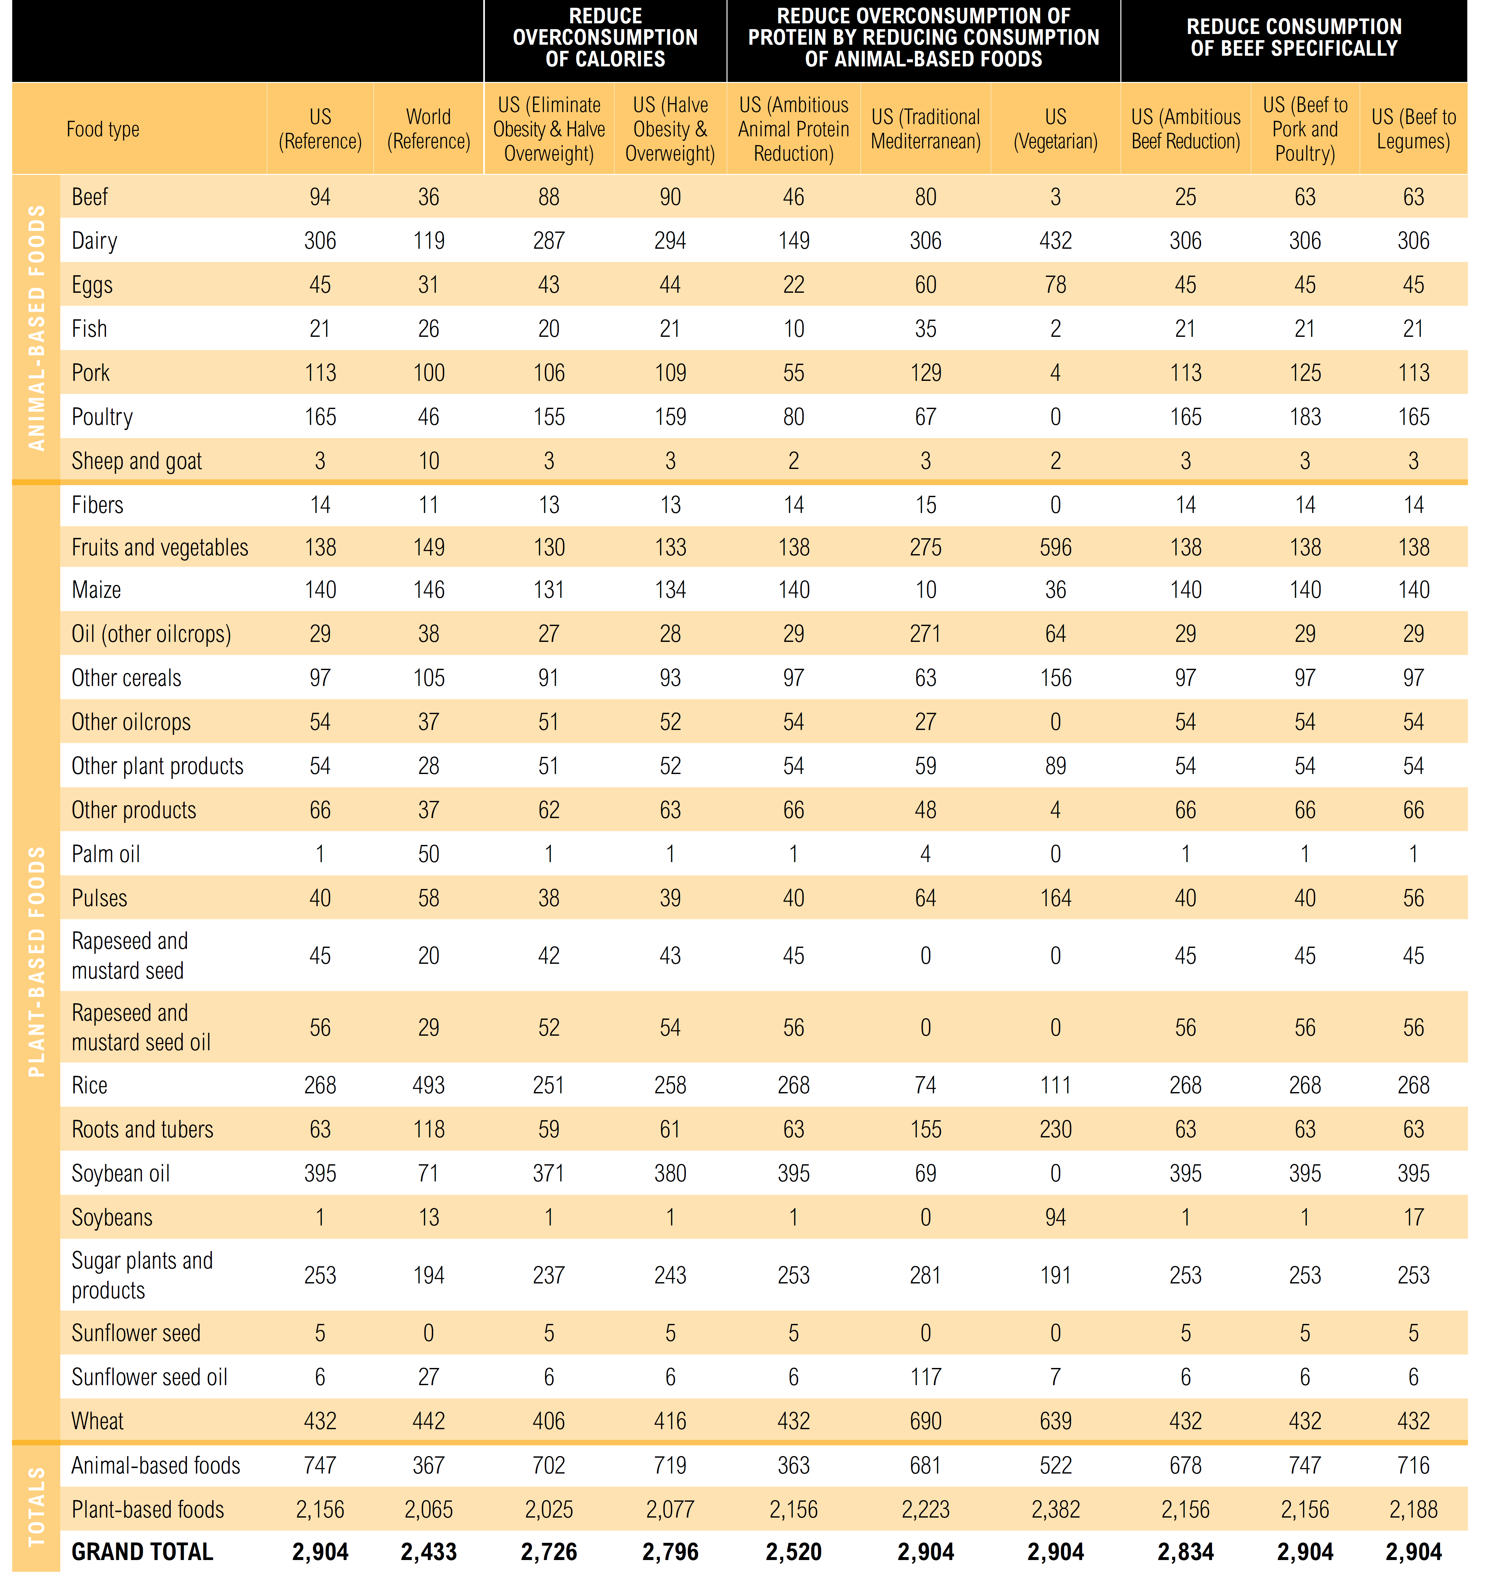
...
 | PasMeat | 2.86
 | CropMeat
 | Dairy
 | Eggs
 | Pulses
 | Grains | 27.169421488
 | VegFruits
 | OtherCrops
...
0.15625

