Table 1
IDTA 02002-1-0 Submodel for Contact Information
2022-05-24
S P E C I F I C A T I O N
Submodel Template of the Asset Administration Shell


Imprint
Publisher Industrial Digital Twin Association Lyoner Strasse 18 60528 Frankfurt am Main Germany https://www.industrialdigitaltwin.org/ Version history
2022-05-24 | 1st Version | Release of the Submodel template
Contents
1 General 7 1.1 About this document 7 1.2 Scope of the Submodel 7 1.3 Relevant standards and sources of concepts for the Submodel template 7 2 Information set for Submodel Contact Information 9 3 Submodel and collections 10 3.1 Properties of the Submodel “ContactInformations” 10 3.2 Properties of the SMC “ContactInformation” 11 3.3 Properties of the SMC “Phone” 14 3.4 Properties of the SMC “Fax” 15 3.5 Properties of the SMC “Email” 16 3.6 Properties of the SMC “IPCommunication” 17 4 Usage as SubmodelElementCollection 18 Annex A. Explanations on used table formats 19 1. General
Figures
Figure 1: UML-Diagram for Submodel "ContactInformations" 10
Tables
Table 1 List of examplary standards defining interoperable properties 7 Table 2: Properties of Submodel "ContactInformations" 10 Table 3: Properties of SMC "ContactInformation" 11 Table 4: Properties of SMC "Phone" 14 Table 5: Properties of SMC "Fax" 15 Table 6: Properties of SMC "Email" 16 Table 7: Properties of SMC "IPCommunication" 17
Foreword
We would like to thank Univ.-Prof. Dr.-Ing. Alexander Fay, Alaettin Dogan and Yuanheng Zhang of the department Mechanical and Civil Engineering at the Helmut Schmidt University / University of the Federal Armed Forces Hamburg and the working group “Contact Information” for their contribution to the document as well as the successful leading of discussions throughout the project.

Table 3
3 Submodel and collections
3.1 Properties of the Submodel “ContactInformations” Figure 1 shows the UML-diagram defining the relevant properties which need to be set. Table 2 describes the details of the Submodel structure combined with examples. Figure 1: UML-Diagram for Submodel "ContactInformations"

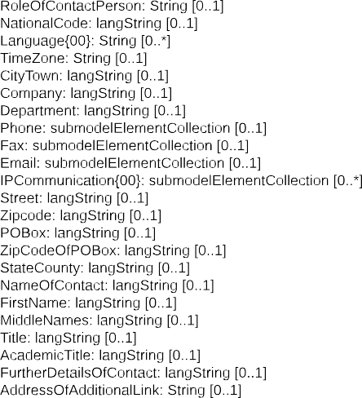
Table 2: Properties of Submodel "ContactInformations"

idShort: | ContactInformations Note: the above idShort shall always be as stated.
Class: | Submodel
semanticId: | [IRI] https://admin-shell.io/zvei/nameplate/1/0/ContactInformations
Parent: | Asset Adminsitration Shell with asset, which is a 3rd party article
Explanation: | The Submodel “ContactInformations” is the collection for various contact information.
[SME type] | semanticId = [idType]value | [valueType] | card.
idShort | Description@en | example
[SubmodelElem entCollection] ContactInformati on{00} | [IRI] https://admin- shell.io/zvei/nameplate/1/0/ContactInformations/ ContactInformation The SMC “ContactInformation” contains information on how to contact the manufacturer or an authorised service provider, e.g. when a maintenance service is required | n/a | [1..*]

