Table 1
IDTA 02003-1-2 Generic Frame for Technical Data for Industrial Equipment in Manufacturing
2022-08-04
S P E C I F I C A T I O N
Submodel Template of the Asset Administration Shell


Imprint
Publisher Industrial Digital Twin Association Lyoner Strasse 18 60528 Frankfurt am Main Germany https://www.industrialdigitaltwin.org/ Version history
Date | Version | Comment
2020-11-24 | 1.0 | Used for development only. No official version published.
2020-11-24 | 1.1 | This version is the first version officially published by ZVEI and Plattform Industrie 4.0. It is succeeding the version 1.0.
2022-08-04 | 1.2 | Release of the official Submodel template published by IDTA.
Contents
1 General 6 1.1 About this document 6 1.2 Scope of the Submodel 6 1.3 Relevant standards for the Submodel template 6 1.3.1 Meta model 6 1.3.2 Concept repositories 6 2 Submodel for description by Technical Data of Industrial Equipment 7 2.1 Approach 7 2.2 Attributes of the Submodel instance 10 2.3 SubmodelElements of General Information 11 2.4 SubmodelElements of Product Classifications 12 2.5 SubmodelElements of Technical Properties 14 2.6 Display names for sections and properties with no semanticID available 16 2.7 SubmodelElements of Further Information 17 Annex A. Explanations on used table formats
Figures
Figure 1 – Information structuring of the Submodel template 8 Figure 2 – Screen shot of the AASX Package Explorer with Submodel "TechnicalData" of an example asset, featuring multiple technical properties and visualization of the Submodel information via a specific plug-in "Technical Data Viewer" 9
Tables
Table 1: Attributes of the Submodel instance 10 Table 2: SubmodelElements of General Information 11 Table 3: SubmodelElements of Product Classifications 12 Table 4: SubmodelElements of Product Classifications 13 Table 5: SubmodelElements of Technical Properties 15 Table 6: Display names for sections and properties with no semanticID available 16 Table 7: SubmodelElements of Further Information 17
1 General
1.1 About this document This document is a part of a specification series. Each part specifies the contents of a Submodel template for the Asset Administration Shell (AAS). The AAS is described in [1], [2], [3] and [6]. First exemplary Submodel contents were described in [4], while the actual format of this document was derived by the "Administration Shell in Practice" [5]. The format aims to be very concise, giving only minimal necessary information for applying a Submodel template, while leaving deeper descriptions and specification of concepts, structures and mapping to the respective documents [1] to [6]. Common terms and abbreviations can be found in [8]. The target group of the specification are developers and editors of technical documentation and manufacturer information, which are describing assets in smart manufacturing by means of the Asset Administration Shell (AAS) and therefore need to create a Submodel instance with a hierarchy of SubmodelElements. This document especially details on the question, which SubmodelElements with which semantic identification shall be used for this purpose.
1.2 Scope of the Submodel This Submodel template aims at interoperable provision of technical data describing the asset of the respective Asset Administration Shell. Central element is the provision of properties [7], ideally interoperable by the means of dictionaries such as ECLASS and IEC CDD (Common data dictionary). The intended use-case is, that a manufacturer of industrial equipment describes technical data of assets (type or instance), which are provided to the market. This description is achieved by the means of technical data (properties), which are interoperable and unambiguously understood by the other market participants, such as system integrators or operators of industrial equipment. These properties are selected for human comprehension and are not necessarily representing a full class definition within a classification system. For providing individual industrial equipments to the market, also a supplier is covered by the use-case (for this purpose seen as functioning as manufacturer). This Submodel template specifies a basic set of SubmodelElements to provide the necessary information for this use case.
1.3 Relevant standards for the Submodel template
1.3.1 Meta model This document currently targets meta model version V3.0RC01. Submodels and SubmodelElementCollections are used frequently as means of hierarchical structuring SubmodelElements.
1.3.2 Concept repositories So called concept repositories or (property) dictionaries are used identify information elements (see Terms and Definitions of [6]). Such property dictionaries include: • ECLASS, see: https://www.eclasscontent.com/ • IEC CDD, see: https://cdd.iec.ch/cdd/iec61987/iec61987.nsf and https://cdd.iec.ch/cdd/iec62683/cdddev.nsf
2 Submodel for description by Technical Data of Industrial Equipment
2.1 Approach A Submodel according to this Submodel template specification consists of four areas (see Figure 1), represented by four SubmodelElementCollections: • The General Information section contains information which gives minimal information about the provider of the industrial equipment and the equipment itself. The aim of the provided information is to allow recognizing, if the provided technical data fits to the particular asset. A minimal set of information is given to allow a value chain partner to order or re-order the industrial equipment from the manufacturer or a supplier. For further identification or managing ordering processes, suitable Submodels for Identification, Nameplate and business contact points shall be consulted.
• The Product classification sections treats the described asset (industrial equipment) as commercial product, which is brought into the market by the manufacturer. For the asset, a product classification is given. Multiple product classifications can be stated. The hereby provided information targets the product classification only, the provided information does not automatically imply, that certain sets of properties need to be given, that a completeness or coherency of these sets of properties exists, or that these are to be arranged in a specific structure.
• The Technical Properties section contains individual SubmodelElements detailing on technical data. Technical data may be comprised of information expressed via properties or by providing additional files containing information about the asset or any other kind of provision of information about technical data of the asset. For the structuring of these SubmodelElements, main and subsections can be defined. However, these sections serve mainly the purpose to structure the information for human readability. Ideally, the information provided by the SubmodelElements shall stand for itself and shall be unambiguously identified by the semanticIds of the SubmodelElements. In any case, the SubmodelElements can be structured according to domains, aspects, groups or blocks described by the used property dictionary, such as ECLASS or IEC CDD. This structure is therefore domain specific and shall be defined by domain specific specifications, but will serve as sections for the technical properties, as well.
• The section for Further Information holds additional information, such as textual statements by the manufacturer and date of validity.

Table 2
SMT TechnicalData «SMC» GeneralInformation +ManufacturerName : string +ManufacturerLogo : File +ManufacturerProductDesignation : MLP +ManufacturerPartNumber : string +ManufacturerOrderCode : string +ProductImage : File
GeneralInformatio | ProductClassificationItem «SMC» «SMC» ProductClassificationItem n ProductClassifications +ProductClassificationSystem : string +ProductClassificationItem : SMC +ClassificationSystemVersion : string
ProductClassifications +ProductClassId : string TechnicalProperties
 |  | «SMC» | «SMC» MainSection Su «SMC» n MainSection SubSection bSectio +SubSection : SMC
FurtherInformation |  | TechnicalProperties +{arbitrary} : MLP +{arbitrary} : string +MainSection : SMC +SubSection : SMC

 |  |  | SubSection
 |  |  |  | «SMC»
 |  | «SMC» FurtherInformation
 |  | +TextStatement : MLP +ValidDate : date
«Submodel» TechnicalData
SubSection
+GeneralInformation : SMC +ProductClassifications : SMC +TechnicalProperties : SMC +FurtherInformation : SMC
Figure 1 – Information structuring of the Submodel template
If possible, the Submodel utilizes the AAS provisions for multiple-language support. Specifically, the AAS LangStringSet data structure is used for accessing the description of SubmodelElements, the short und preferred names of ConceptDescriptions and the values of MultiLanguageProperties. By such provisions, the same technical data entities can be provided for multiple language domains required by multiple target markets of the industrial equipments and therefore fosters cross-relationships between these language domains for engineering and analytics. Figure 2 shows, how such information might be rendered in a user application.
Figure 2 – Screen shot of the AASX Package Explorer with Submodel "TechnicalData" of an example asset1, featuring multiple technical properties and visualization of the Submodel information via a specific plug-in "Technical Data Viewer"
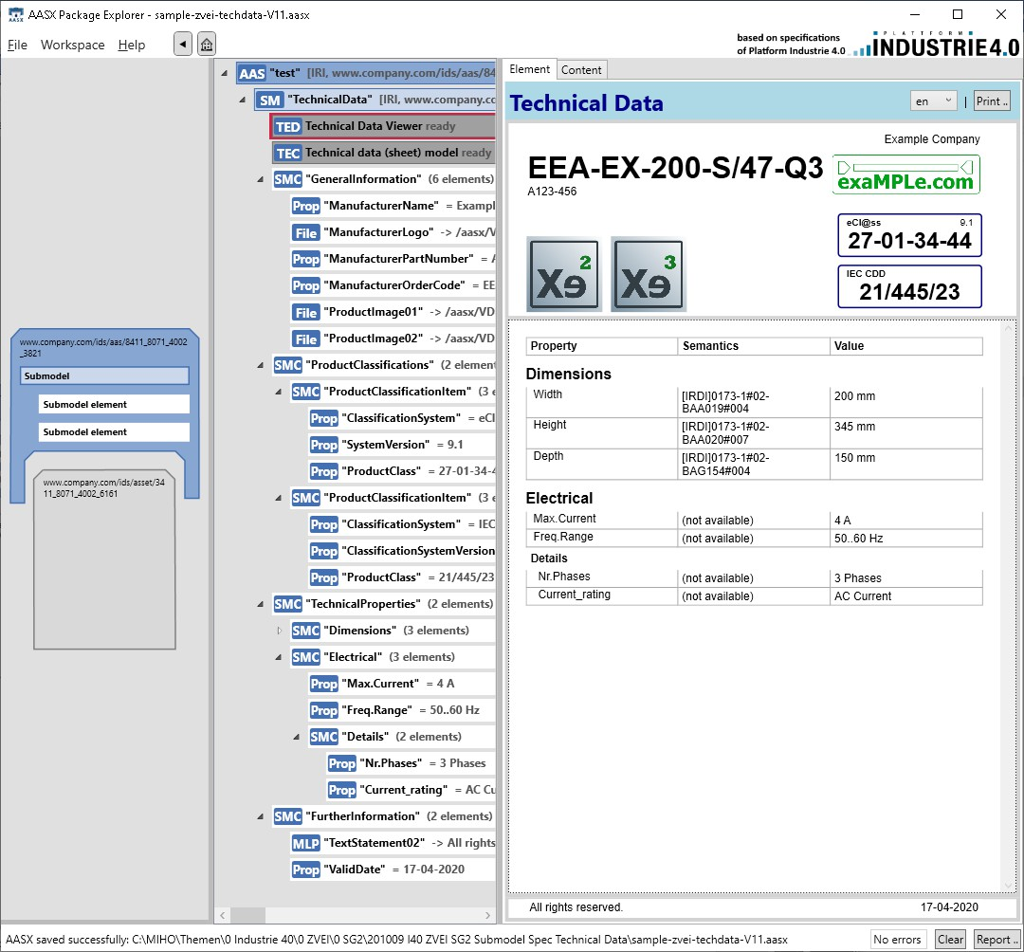
1 The classification of this example asset does not exist by intention

2.2 Attributes of the Submodel instance For the Submodel instance, these important attributes need to be set:

