Table 1
IDTA 02007-1-0 Nameplate for Software in Manufacturing August 2023
S P E C I F I C A T I O N
Submodel Template of the Asset Administration Shell

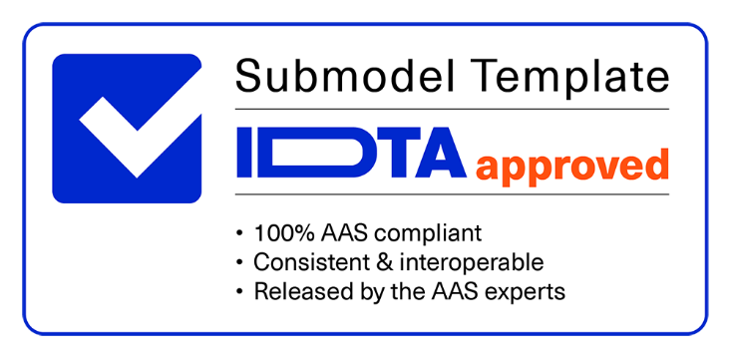

Imprint
Publisher Industrial Digital Twin Association Lyoner Strasse 18 60528 Frankfurt am Main Germany https://www.industrialdigitaltwin.org/ Version history
Date | Version | Comment
2023-04-08 | 1.0 | Release of the official Submodel template published by IDTA.
Contents
1 General 6 1.1 About this document 6 1.2 Scope of the Submodel 6 1.3 Relevant standards for the Submodel Template 8 2 Submodel for identification of Software in Industrial Applications 9 2.1 Approach 9 2.2 Properties of the SMC “SoftwareNameplateType” 10 2.3 Properties of the SMC “SoftwareNameplateInstance” 13 2.4 Properties of the SMC “InstalledModules” 15 2.5 Properties of the SMC “ConfigurationPaths” 16 2.6 Properties of the SMC “ConfigurationPath” 17 2.7 Properties of the SMC “Contact” 17 2.8 Display names for sections and properties with no semanticId available 18 Annex A. Explanations on used table formats 19 1. General
Figures
Figure 1: Software in manufacturing and the nameplate for software 6 Figure 2: Software as an Asset 7 Figure 3: Software as integral part of a composite component (e.g. machine) 7 Figure 4: UML-Diagram of the Submodel Template “SoftwareNameplate” 9 Figure 5: UML-Diagram of the SMC “SoftwareNameplateType” 10 Figure 6: UML-Diagram of the SMC “SoftwareNameplateInstance”. 13
Tables
Table 1: Properties of the Submodel Template “SoftwareNameplate” 9 Table 2: Properties of the SMC “SoftwareNameplateType” 10 Table 3: Properties of the SMC “SoftwareNameplateInstance” 13 Table 4: Properties of the SMC “InstalledModules” 15 Table 5: Properties of the SMC “ConfigurationPaths” 16 Table 6: Properties of the SMC “ConfigurationPath” 17 Table 7: Display names for sections and properties with no semanticId available 18
1 General
1.1 About this document This document is a part of a specification series. Each part specifies the contents of a Submodel template for the Asset Administration Shell (AAS). The AAS is described in [1], [2], [3] and [6]. First exemplary Submodel contents were described in [4], while the actual format of this document was derived by the "Administration Shell in Practice" [5]. The format aims to be very concise, giving only minimal necessary information for applying a Submodel Template, while leaving deeper descriptions and specification of concepts, structures and mapping to the respective documents [1] to [6]. Common terms and abbreviations can be found in [8]. The target group of the specification are developers and editors of technical documentation and manufacturer information, which are describing Assets in smart manufacturing by means of the Asset Administration Shell (AAS) and therefore need to create a Submodel instance with a hierarchy of SubmodelElements. This document especially details on the question, which SubmodelElements with which semantic identification shall be used for this purpose.
1.2 Scope of the Submodel Software becomes more and more an essential part in manufacturing value networks, in smart manufacturing, and in smart products. For an effective and efficient use and management of such software, it is necessary to gather relevant information in a uniform representation. Use cases like updates, patch management, license management, audits, etc. rely on information regarding identification, sources and features of software (Figure 1). This information shall be provided in a consistent manner in form of a “nameplate for software”, derived and specialized from a common digital nameplate as defined in [9].
Figure 1: Software in manufacturing and the nameplate for software The nameplate for software applies to stand-alone software Assets (Figure 2), as well as to software as integral part of a physical Asset, e.g. firmware or application software of a machine, modelled as a composite component using hierarchies according to [11] (Figure 3).
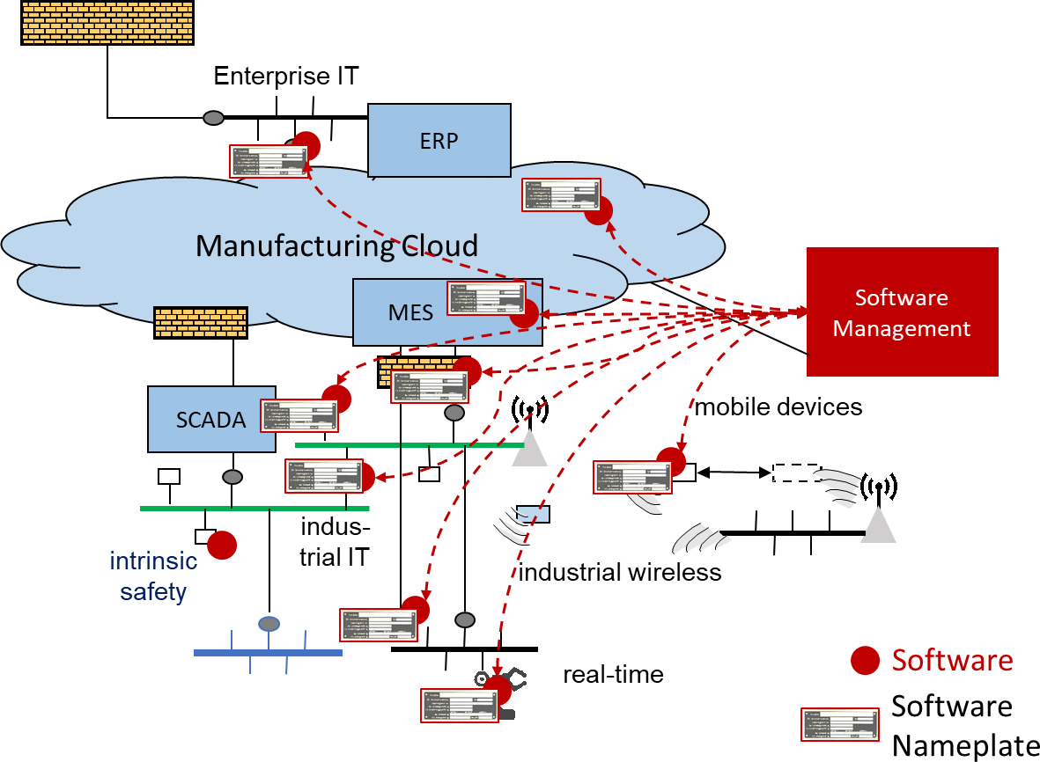
Figure 2: Software as an Asset
Figure 3: Software as integral part of a composite component (e.g. machine) This Submodel Template aims at interoperable provision of software nameplate data describing the asset of the respective Asset Administration Shell. Central element is the provision of properties [7], ideally interoperable by the means of dictionaries such as ECLASS and IEC CDD (Common data dictionary). The intended use-case is, that a manufacturer of industrial equipment describes Assets (type or instance), which are provided to the market, by the means of software nameplate data (properties), which are interoperable and unambiguously understood by the other market participants, such as system integrators or operators of industrial equipment. For providing individual industrial equipment to the market, also a supplier is covered by the use-case (for this purpose seen as functioning as manufacturer).
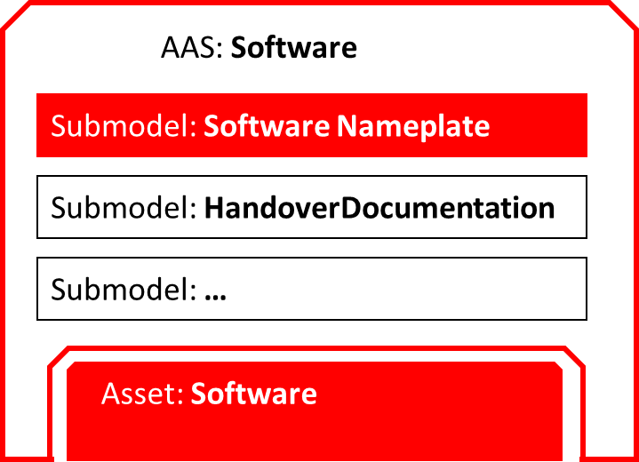
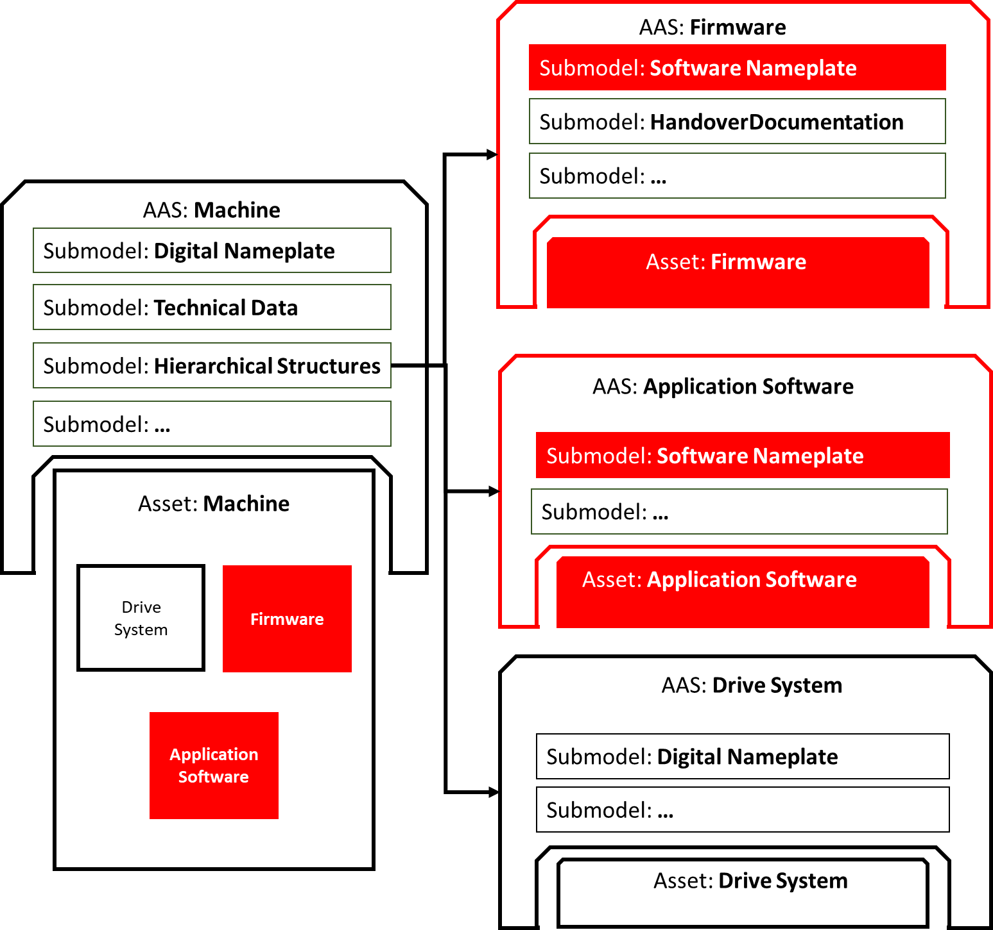
This Submodel Template specifies two basic sets of SubmodelElements in order to describe the necessary information according to this use-case. 1.3 Relevant standards for the Submodel Template According to [3], interoperable properties might be defined by standards, consortium specifcations or manufacturer specifications. For the former two cases, so called dictionaries, repositories or classification systems exist in the market. In the further document, these entities are summarized by "property dictionaries" (see Terms and Definitions of [6]). Such property dictionaries include: • ECLASS, see: https://www.eclasscontent.com/ • IEC CDD, see: https://cdd.iec.ch/cdd/iec61987/iec61987.nsf and https://cdd.iec.ch/cdd/iec62683/cdddev.nsf

Table 3
2.2 Properties of the SMC “SoftwareNameplateType” Figure 5 shows the UML-diagram of the SMC “SoftwareNameplateType”, defining the relevant properties which need to be set to describe a type of software. The properties in red color are re-used from the Submodel “Digital Nameplate” [9].
Figure 5: UML-Diagram of the SMC “SoftwareNameplateType”. Table 2 describes the details of the Submodel structure combined with examples. Table 2: Properties of the SMC “SoftwareNameplateType”
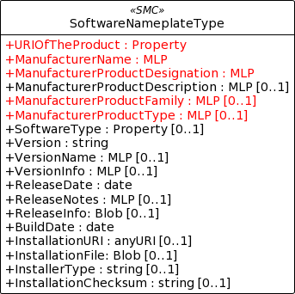
idShort: | SoftwareNameplate_Type Note: The above idShort shall always be as stated.
Class: | SubmodelElementCollection
semanticId: | [IRI] https://admin-shell.io/idta/SoftwareNameplate/1/0/SoftwareNameplateType
Parent: | SoftwareNameplate
Explanation: | SMC containing the nameplate information for a type of a software Asset.
[SME type] | semanticId = [idType]value | [valueType] | card.
idShort | Description@en | example
[Property] URIOfTheProdu ct | [IRDI] 0173-1#02-AAY811#001 | string | [1]
 | Unique global identification of the product using a universal resource identifier (URI) | ZVEI.I40.ITinAutomation.Dem oSW_123456
[MLP] ManufacturerNa me | [IRDI] 0173-1#02-AAO677#002 | langString | [1]
 | Legally valid designation of the natural or judicial person which is directly responsible for the design, production, packaging and labeling of a product in respect to its being brought into circulation | ZVEI AK IT in Automation
[MLP] ManufacturerPro ductDesignation | [IRDI] 0173-1#02-AAW338#001 | langString | [1]
 | The name of the product, provided by the manufacturer | My Software Package for Demonstration
[MLP] ManufacturerPro ductDescription | [IRI] https://admin- shell.io/idta/SoftwareNameplate/1/0/SoftwareNameplate/ SoftwareNameplateType/ManufacturerProductDescription | langString | [0..1]
 | Description of the product, it's technical features and implementation if needed (long text) | A first software installation to be used for demo purpose only.
[MLP] ManufacturerPro ductFamily | [IRDI] 0173-1#02-AAU731#001 | langString | [0..1]
 | 2nd level of a 3 level manufacturer specific product hierarchy | Demo Products for IT in Automation
[MLP] ManufacturerPro ductType | [IRDI] 0173-1#02-AAO057#002 | langString | [0..1]
 | Characteristic to differentiate between different products of a product family or special variants | DP-AKIT-A
[Property] SoftwareType | [IRI] https://admin- shell.io/idta/SoftwareNameplate/1/0/SoftwareNameplate/Sof twareNameplateType/SoftwareType | string | [0..1]
 | The type of the software (category, e.g. Runtime, Application, Firmeware, Driver, etc.) | PLC Runtime
[Property] Version | [IRI] https://admin- shell.io/idta/SoftwareNameplate/1/0/SoftwareNameplate/Sof twareNameplateType/Version | string | [1]
 | The complete version information consisting of Major Version, Minor Version, Revision and Build Number | 0.9.1.0
[MLP] VersionName | [IRI] https://admin- shell.io/idta/SoftwareNameplate/1/0/SoftwareNameplate/Sof twareNameplateType/VersionName | langString | [0..1]
 | The name this particular version is given | R2021 beta
[MLP] VersionInfo | [IRI] https://admin- shell.io/idta/SoftwareNameplate/1/0/SoftwareNameplate/Sof twareNameplateType/VersionInfo | langString | [0..1]
 | Provides a textual description of most relevant characteristics of the version of the software | Please do not install in productive environments!
[Property] ReleaseDate | [IRI] https://admin- shell.io/idta/SoftwareNameplate/1/0/SoftwareNameplate/Sof twareNameplateType/ReleaseDate | date | [1]
 | The moment in time, when this version of the software was made publicly available | 20220207
[MLP] ReleaseNotes | [[IRI] https://admin- shell.io/idta/SoftwareNameplate/1/0/SoftwareNameplate/Sof twareNameplateType/ReleaseNotes | langString | [0..1]
 | Contains information about this release | This release requires special configuration.
[Property] BuildDate | [IRI] https://admin- shell.io/idta/SoftwareNameplate/1/0/SoftwareNameplate/Sof twareNameplateType/BuildDate | date | [1]
 | The moment in time, when this particular build of software was created | 20201119
[Property] InstallationURI | [IRI] https://admin- shell.io/idta/SoftwareNameplate/1/0/SoftwareNameplate/Sof twareNameplateType/InstallationURI | anyURI | [0..1]
 | Indicates the resource, where the software is being provided by the manufacturer | https://tud.de/inf/pk/demo- sw/download/DemoFirmware _09.zip
[Property] InstallationFile | [IRI] https://admin- shell.io/idta/SoftwareNameplate/1/0/SoftwareNameplate/Sof twareNameplateType/InstallationFile | Blob [0..1] | [0..1]
 | Contains the installation code as BLOB.
[Property] InstallerType | [IRI] https://admin- shell.io/idta/SoftwareNameplate/1/0/SoftwareNameplate/Sof twareNameplateType/InstallerType | string | [0..1]
 | Indicates the type of installation package | MSI
[Property] InstallationChec ksum | [IRI] https://admin- shell.io/idta/SoftwareNameplate/1/0/SoftwareNameplate/Sof twareNameplateType/InstallationChecksum | string | [0..1]
 | Provides the checksum for the software available at InstallationURI | 0x2783

