Table 1
IDTA 02011-1-0 Hierarchical Structures enabling Bills of Material
April 2023
S P E C I F I C A T I O N
Submodel Template of the Asset Administration Shell

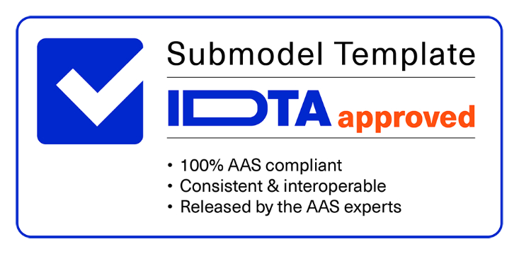

Imprint
Publisher Industrial Digital Twin Association Lyoner Strasse 18 60528 Frankfurt am Main Germany https://www.industrialdigitaltwin.org/ Version history
Date | Version | Comments
2023-04-17 | 1.0 | Release of the official Submodel template published by IDTA.
Contents
1 General 6 1.1 About this document 6 1.2 Scope of the Submodel 6 1.3 Not in Scope 6 1.4 Relevant standards for the Submodel Template 7 1.5 Use cases, requirements and design decisions 7 1.5.1 Design Decisions 7 1.6 Further standardization & outlook 11 1.6.1 Level of Detail 12 2 Submodel hierarchical structures enabling Bills of Material 13 2.1 Approach 13 2.2 Attributes of the Submodel 14 2.3 SubmodelElements of EntryNode 15 2.4 SubmodelElements of Node 17 Annex A. Explanations on used table formats
Figures
Figure 1: Hierarchy modelling archetypes 9 Figure 2: Level of Detail 0, logical modelling 12 Figure 3: Level of Detail 1, modelling of physical connections 12 Figure 4: Level of Detail 2, modelling of physical connections and anchor points 12 Figure 5: Submodel class diagram 13
Tables
Table 1: Use cases, requirements and design decisions 7 Table 2: Implications of modelling types 10 Table 3: Attribute of the Submodel 14 Table 4: SubmodelElements of EntryNode 15 Table 5: SubmodelElements of Node 17
1 General
1.1 About this document This document is a part of a specification series. Each part specifies the contents of a Submodel Template for the Asset Administration Shell (AAS). The AAS is described in [1], [2], [3] and [6]. First exemplary Submodel contents were described in [4], while the actual format of this document was derived by the "Administration Shell in Practice" [5]. The format aims to be very concise, giving only minimal necessary information for applying a Submodel Template, while leaving deeper descriptions and specification of concepts, structures and mapping to the respective documents [1] to [6]. The target group of the specification are developers and editors of technical documentation and manufacturer information, which are describing assets in smart manufacturing by means of the Asset Administration Shell (AAS) and therefore need to create a Submodel instance with a hierarchy of SubmodelElements. This document especially details on the question, which SubmodelElements with which semantic identification shall be used for this purpose.
1.2 Scope of the Submodel This Submodel Template aims to provide hierarchical structures applicable to industrial equipment in an interoperable manner. For this primarily Entities and Relationship Elements of the AAS Metamodel are used. This industrial equipment, for example production lines, modules and sub systems, are provided by partners in the value chain, such as suppliers, equipment manufacturers and systems integrators and used in specific applications by industrial operators and end users, both in factory as also process automation. Industrial equipment can be composed of subsystems down to material and component level, can include produced products and can be described on type or instance level. The AAS contains Submodels that cover aspects of the assets among their life cycle. Already in the design phase, assets are composed and aggregated into newly created hierarchical structures. Typically, assets have their own AAS (Entity with entityType “SelfManagedEntity"), but it is possible that an Asset has no AAS and is represented by a co-managed Entity. Since nesting of AAS and Submodels is forbidden by the metamodel, this Submodel is intended to provide a description of the internal structure of an asset. It shall allow the consumer of an AAS to identify assets and their corresponding entities and find their respective AAS if they exist. The Submodel serves as an index, pointing to Assets (described as co- or self-managed entities) and AAS in a distributed network capable of transcending the limits of a single organization. Instances of this Submodel Template shall be the authoritative source for hierarchical structures within an AAS during all lifecycle phases. Complementing information about each asset and their own lifecycle phase is enabled to be discoverable into the n-th level of the hierarchy and across the whole supply chain depending on the design of the Submodel Instance.
1.3 Not in Scope This Submodel only defines the structure for a generic asset hierarchy. Modeling specific types of assets is not in the scope of this base standard, neither is the differentiation toward different aspects of an asset (mechanical BoM, electrical BoM) or its lifecycle phases (engineering BoM, manufacturing BoM). This Submodel Template is designed to be extensible by future versions of this, or similar Submodel Templates, e.g., version 1.1, 1.2, ….
1.4 Relevant standards for the Submodel Template This Submodel Template for the Asset Administration Shell is specified as a Submodel according to [6]. It is designed to enable the interaction with distributed AAS as specified by [7]. Modeling the hierarchical structure of physical assets has been in scope of several industrial standards. AutomationML allows for the modelling of hierarchical structures via its “InternalElement”-mechanism. OPC UA has a variety of hierarchical references, e.g., the “HasComponent” ReferenceType is commonly used to denote a composition structure of assets, see chapter 14 of [11]. ECLASS has published a guide for expert groups on composition [8]. Many of the ontologies for manufacturing (mostly published in an academic context) also contain methods of nesting assets [9][10]. Up until V3RC01 of the metamodel, an Asset was assumed to link to a Submodel that includes a set of Entity SubmodelElements that serve as a billOfMaterial. However, there was never a standard detailing the structure of the Submodel – neither in the Specification of the Asset Administration Shell - Part 1: Metamodel [6] nor in a standardized Submodel Template. The possibility to leverage the RelationshipElement (and AnnotatedRelationshipElement) for this purpose realized neither as it is standardized only as metamodel-elements. Thus, the metamodel offers no mechanism to model hierarchy of assets.

Table 2
1.5 Use cases, requirements and design decisions Table 1: Use cases, requirements and design decisions
Use Case | Explanation
Traceability | An OEM assembles a product from suppliers’ subproducts. In order to preserve the data that spawns from processes at (sub-)suppliers, each part should be appended with an AAS. Upon assembly, the assets are aggregated physically, consequently the AAS must be merged as well. This enables the OEM to identify, locate and access the AAS of all delivered products that may contain data on i.e., the source of quality deviations, carbon footprint and arbitrary other data stored in the AAS of the subsystem.
Machine/Plant Design | In order to model the inherent hierarchy of a plant in the process industry, a planner uses this Submodel to integrate the data of supplied or self-designed subsystems.
Delivery of subsystems | In order to integrate potential subsystems into another system, the subsystem creator can model the subsystem in this Submodel, including its subcomponents. The modeled subsystem can be used to complete a system structure by a system engineer in a second step.
Production Order | In loosely coupled value chains, participants continuously monitor the market for suppliers, strengthening resilience and flexibility. Automating this search requires a common interface for a production order including a formal description of all incoming components’ hierarchy.
1.5.1 Design Decisions As stated in Use-Case “Traceability”, Submodels built from this Template shall enable a data consumer to access data about an assembled asset that is stored in potentially distributed systems. As specified in the Specification of the Asset Administration Shell - Part 2: Application Programming Interfaces [7], Submodels and AAS can run on separate systems. The identity of Assets, AAS and Submodels must be discoverable via AAS mechanisms, e.g., a Registry. Only with this precondition can the references set by the Entity SubmodelElements be resolved in a distributed environment. For self-contained environments, e.g., an AASX file, the references noted in the Entities can be discovered via local methods.
1.5.1.1 Co-managed and Self-managed Entities The Submodel utilizes the Entity SubmodelElement for each asset represented inside the hierarchical structure. Assets represented by Self-managed Entities have their own AAS. Co-managed Entities have no own AAS. Algorithms consuming the Submodel built in accordance with this Template will have to use the attribute entityType as differentiation.
1.5.1.2 Distributed and Centralized AAS AAS and their Submodels can be distributed in different forms. The first form is a file-based approach where one or more AAS are serialized. The second form is a distributed format where one or more AAS servers may exist, hosting a variable number of AAS. The Assets described in the AAS can form a functional unit. To allow access to the distributed information in the second approach, relations between the Assets have to be modeled in the AAS. In this Submodel only logical relations are defined to allow the modeling of hierarchical structures.
1.5.1.3 Allowed modelling variants This Submodel Template allow to model a hierarchy with different archetypes, see Figure 1 for a graphical representation: • Full: This Submodel Template allows to model a full hierarchy (including sub assets) in a single Submodel as illustrated by the “Full” view below. This is useful if Entities representing Co-Managed Entities have to be expressed, as Co-Managed-Entities typically do not have an Asset Administration Shell of their own. In addition, full modeling also allows a version status to be kept centrally. • One Down: The One Down archetype is useful for subsystem or component manufactures. For any given Asset in the hierarchy tree, an AAS corresponding to the Asset shall exists. The AAS shall contain a Submodel expressing the one down excerpt view starting with the Asset of the AAS. This type allows the modelling of a consistent stand-alone hierarchy in the engineering-phase of the subsystem. The integration is done by adding the subsystem in a top-level system via the given rules of this Submodel Template, e.g., with the HasPart Relation. • One Up: The One Up relationship is suitable for describing the installation location of an asset. This enables the asset to provide information without external asset administration shells (e.g., in offline scenarios). In addition, the installation location can already be determined when the parent asset and its AAS are still in the planning stage. The three archetypes may serve different Use-Cases and thus can be selected as needed.
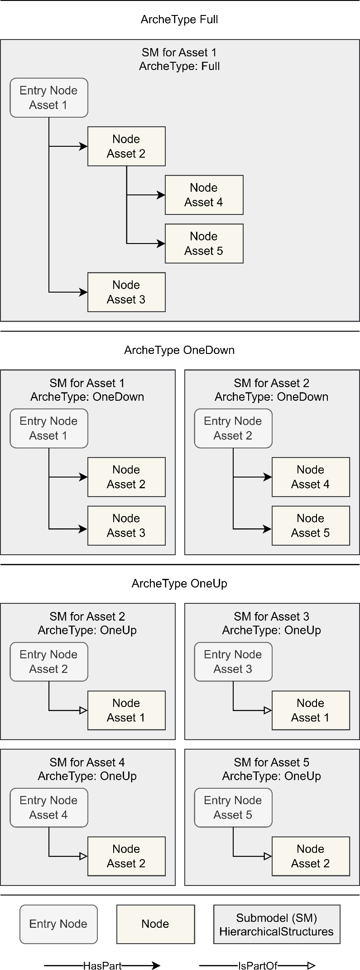
Figure 1: Hierarchy modelling archetypes

1.5.1.4 Implications of modelling types When choosing the archetype(s), the characteristics of the use cases and the implications of the modelling must be considered. The table lists some of these implications. Table 2: Implications of modelling types

