First Time Program
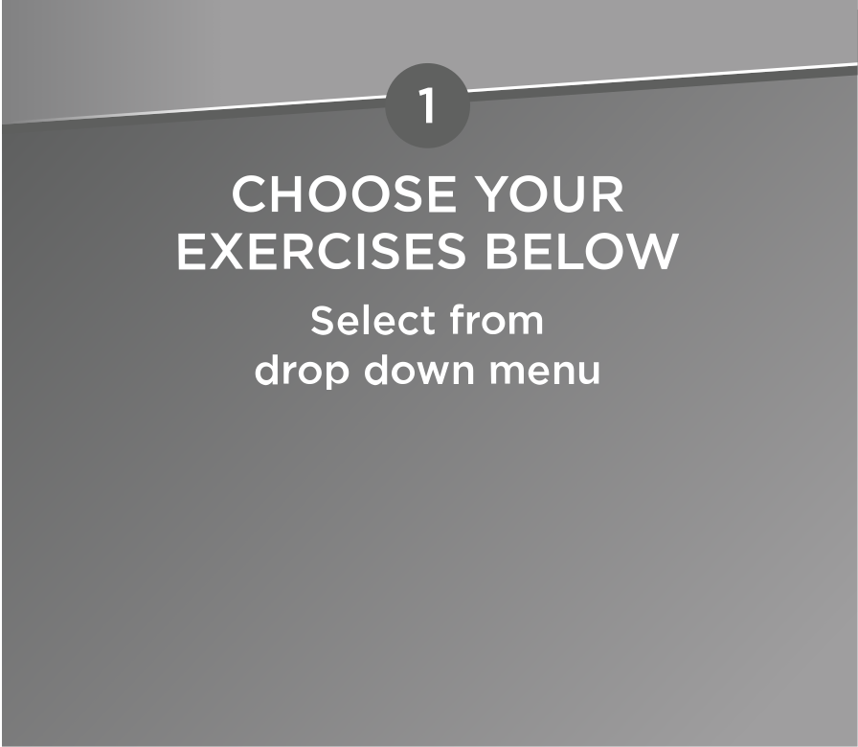
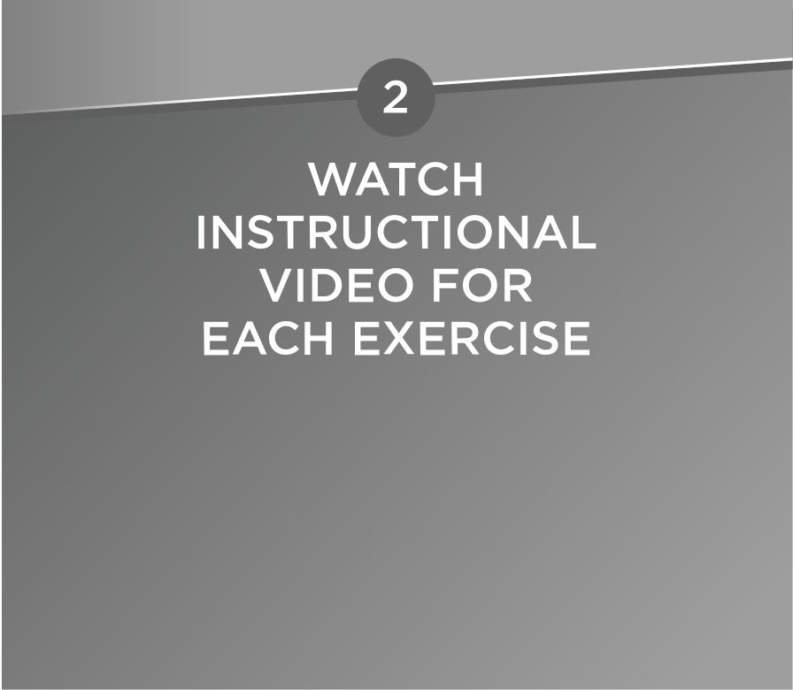
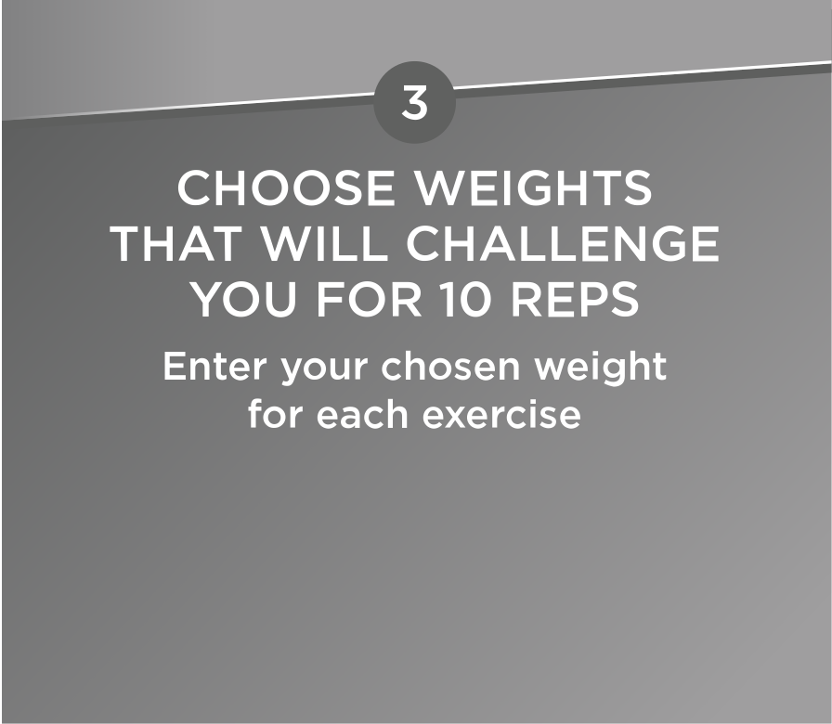
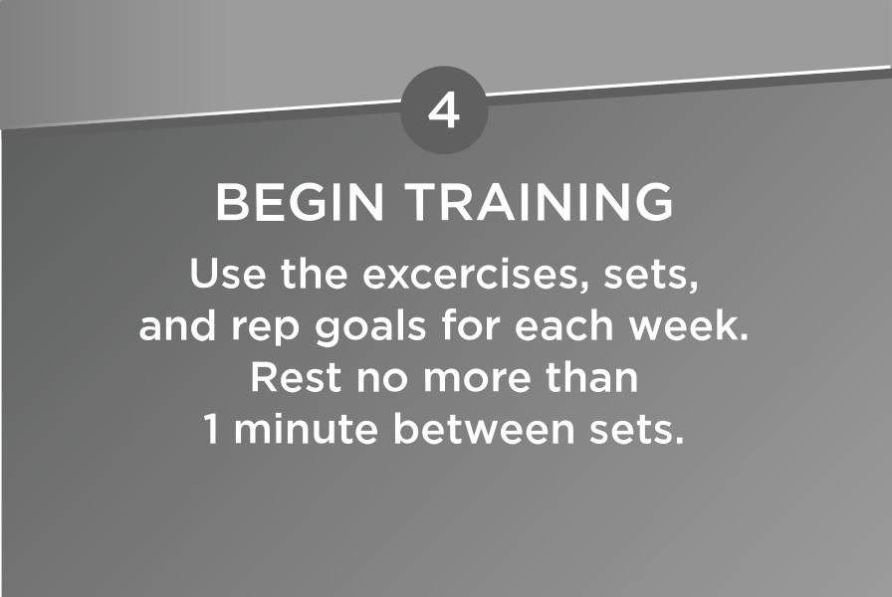
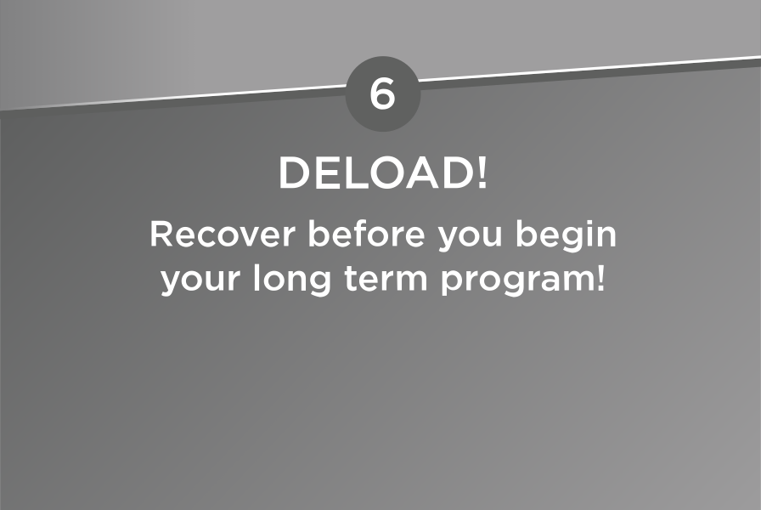

 |  |  |  | Exercise | Sets | Weight | Rep Goal | Rep Results | Exercise | Sets | Weight | Rep Goal | Rep Results | Exercise | Sets | Weight | Rep Goal | Rep Results | Exercise | Sets | Weight | Rep Goal | Rep Results | Exercise | Set | Weight | Rep Goal
Whole Body | Day 1 Exercises: | Instructional Video | 10 Reps | Day 1 Exercises: |  |  |  |  | Day 1 Exercises: |  |  |  |  | Day 1 Exercises: |  |  |  |  | Day 1 Exercises: |  |  |  |  | Day 1 Exercises:
Incline Push |  | {< Select Exercise} |  | 0 | 2 | 0 | 2/fail |  | 0 | 3 | 0 | 2/fail |  | 0 | 3 | 0 | 2/fail |  | 0 | 3 | 0 | 2/fail |  | 0 | 2 | 0 | Half the reps you did in Week 1
Quads |  | {< Select Exercise} |  | 0 | 2 | 0 | 2/fail |  | 0 | 3 | 0 | 2/fail |  | 0 | 3 | 0 | 2/fail |  | 0 | 3 | 0 | 2/fail |  | 0 | 2 | 0 | Half the reps you did in Week 1
Horizontal Pull |  | {< Select Exercise} |  | 0 | 2 | 0 | 2/fail |  | 0 | 3 | 0 | 2/fail |  | 0 | 3 | 0 | 2/fail |  | 0 | 3 | 0 | 2/fail |  | 0 | 2 | 0 | Half the reps you did in Week 1
Side Delts |  | {< Select Exercise} |  | 0 | 3 | 0 | 2/fail |  | 0 | 4 | 0 | 2/fail |  | 0 | 4 | 0 | 2/fail |  | 0 | 4 | 0 | 2/fail |  | 0 | 2 | 0 | Half the reps you did in Week 1
Biceps |  | {< Select Exercise} |  | 0 | 3 | 0 | 2/fail |  | 0 | 4 | 0 | 2/fail |  | 0 | 4 | 0 | 2/fail |  | 0 | 4 | 0 | 2/fail |  | 0 | 2 | 0 | Half the reps you did in Week 1
Abs |  | {< Select Exercise} |  | 0 | 2 | 0 | 2/fail |  | 0 | 3 | 0 | 2/fail |  | 0 | 3 | 0 | 2/fail |  | 0 | 3 | 0 | 2/fail |  | 0 | 2 | 0 | Half the reps you did in Week 1

 |  |  |  | Exercise | Sets | Weight | Rep Goal | Rep Results | Exercise | Sets | Weight | Rep Goal | Rep Results | Exercise | Sets | Weight | Rep Goal | Rep Results | Exercise | Sets | Weight | Reps | Rep Results | Exercise | Sets | Weight | Rep Goal
Whole Body | Day 2 Exercises: | Instructional Video | 10 Reps | Day 2 Exercises: |  |  |  |  | Day 2 Exercises: |  |  |  |  | Day 2 Exercises: |  |  |  |  | Day 2 Exercises: |  |  |  |  | Day 2 Exercises:
Vertical Pull |  | {< Select Exercise} |  | 0 | 2 | 0 | 2/fail |  | 0 | 3 | 0 | 2/fail |  | 0 | 3 | 0 | 2/fail |  | 0 | 3 | 0 | 2/fail |  | 0 | 2 | 0 | Half the reps you did in Week 1
Horizontal Push |  | {< Select Exercise} |  | 0 | 2 | 0 | 2/fail |  | 0 | 3 | 0 | 2/fail |  | 0 | 3 | 0 | 2/fail |  | 0 | 3 | 0 | 2/fail |  | 0 | 2 | 0 | Half the reps you did in Week 1
Glutes |  | {< Select Exercise} |  | 0 | 2 | 0 | 2/fail |  | 0 | 3 | 0 | 2/fail |  | 0 | 3 | 0 | 2/fail |  | 0 | 3 | 0 | 2/fail |  | 0 | 2 | 0 | Half the reps you did in Week 1
Triceps |  | {< Select Exercise} |  | 0 | 3 | 0 | 2/fail |  | 0 | 4 | 0 | 2/fail |  | 0 | 4 | 0 | 2/fail |  | 0 | 4 | 0 | 2/fail |  | 0 | 2 | 0 | Half the reps you did in Week 1
Side Delts |  | {< Select Exercise} |  | 0 | 3 | 0 | 2/fail |  | 0 | 4 | 0 | 2/fail |  | 0 | 4 | 0 | 2/fail |  | 0 | 4 | 0 | 2/fail |  | 0 | 2 | 0 | Half the reps you did in Week 1
Abs |  | {< Select Exercise} |  | 0 | 2 | 0 | 2/fail |  | 0 | 3 | 0 | 2/fail |  | 0 | 3 | 0 | 2/fail |  | 0 | 3 | 0 | 2/fail |  | 0 | 2 | 0 | Half the reps you did in Week 1

 |  |  |  | Exercise | Sets | Weight | Rep Goal | Rep Results | Exercise | Sets | Weight | Rep Goal | Rep Results | Exercise | Sets | Weight | Rep Goal | Rep Results | Exercise | Sets | Weight | Reps | Rep Results | Exercise | Sets | Weight | Rep Goal
Whole Body | Day 3 Exercises: | Instructional Video | 10 Reps | Day 3 Exercises: |  |  |  |  | Day 3 Exercises: |  |  |  |  | Day 3 Exercises: |  |  |  |  | Day 3 Exercises: |  |  |  |  | Day 3 Exercises:
Quads |  | {< Select Exercise} |  | 0 | 2 | 0 | 2/fail |  | 0 | 3 | 0 | 2/fail |  | 0 | 3 | 0 | 2/fail |  | 0 | 3 | 0 | 2/fail |  | 0 | 2 | 0 | Half the reps you did in Week 1
Hamstrings Hip Hinge |  | {< Select Exercise} |  | 0 | 2 | 0 | 2/fail |  | 0 | 3 | 0 | 2/fail |  | 0 | 3 | 0 | 2/fail |  | 0 | 3 | 0 | 2/fail |  | 0 | 2 | 0 | Half the reps you did in Week 1
Horizontal Pull |  | {< Select Exercise} |  | 0 | 2 | 0 | 2/fail |  | 0 | 3 | 0 | 2/fail |  | 0 | 3 | 0 | 2/fail |  | 0 | 3 | 0 | 2/fail |  | 0 | 2 | 0 | Half the reps you did in Week 1
Biceps |  | {< Select Exercise} |  | 0 | 3 | 0 | 2/fail |  | 0 | 4 | 0 | 2/fail |  | 0 | 4 | 0 | 2/fail |  | 0 | 4 | 0 | 2/fail |  | 0 | 2 | 0 | Half the reps you did in Week 1
Side Delts |  | {< Select Exercise} |  | 0 | 3 | 0 | 2/fail |  | 0 | 4 | 0 | 2/fail |  | 0 | 4 | 0 | 2/fail |  | 0 | 4 | 0 | 2/fail |  | 0 | 2 | 0 | Half the reps you did in Week 1
Abs |  | {< Select Exercise} |  | 0 | 2 | 0 | 2/fail |  | 0 | 3 | 0 | 2/fail |  | 0 | 3 | 0 | 2/fail |  | 0 | 3 | 0 | 2/fail |  | 0 | 2 | 0 | Half the reps you did in Week 1

2/fail = Stop 2 reps before failure (see next)
Failure = The point at which you're unable to do any more reps (with that given weight)
Reps = Rep (repetition) is one complete motion of an exercise.
Sets = A group of consecutive repetitions. If you do 10 reps, rest for a minute, then do another 10 reps, you've done 2 sets.

