Sheet1
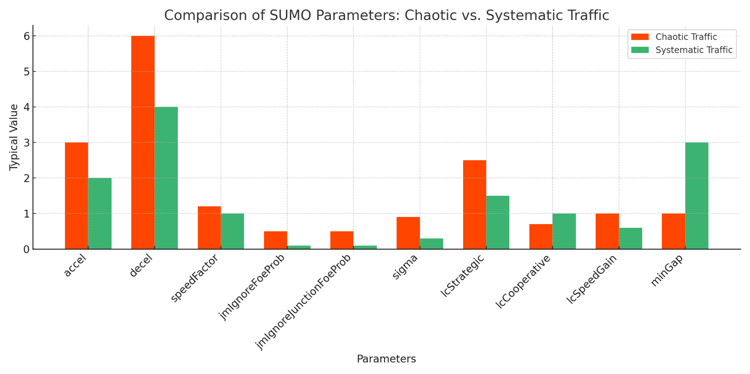
Parameter | Description | Chaotic Traffic (e.g. Dhaka) | Systematic Traffic | Depends On
accel | How quickly a vehicle can speed up. | Higher value (e.g. 2.5–3.0) | Moderate value (e.g. 1.0–2.0) | Driver aggressiveness, vehicle type (bike, car, etc.)
decel | How quickly a vehicle can stop. | Higher value (e.g. 4.0–6.0) | Moderate value (e.g. 2.0–4.0) | Traffic density, driver reaction time
speedFactor | Desired speed as a % of max speed. | More variation (e.g. 0.8–1.2) | Closer to 1.0 (e.g. 0.95–1.05) | Road condition, enforcement, vehicle condition
jmIgnoreFoeProb | Chance of ignoring other vehicles at junctions. | Higher value (e.g. 0.3–0.5) | Very low value (e.g. 0.05–0.1) | Driver discipline, traffic control
jmIgnoreJunctionFoeProb | Chance of ignoring rules inside junctions. | Higher value (e.g. 0.3–0.5) | Very low value (e.g. 0.05–0.1) | Presence of traffic lights, law enforcement
sigma | Driver imperfection; randomness in behavior. | Higher (e.g. 0.6–0.9) | Lower (e.g. 0.1–0.3) | Human error, unpredictability
lcStrategic | Willingness to change lanes for reaching destination. | High (e.g. 1.5–2.5) | Moderate (e.g. 0.8–1.5) | Road structure, driver behavior
lcCooperative | Willingness to let others change lanes. | Low (e.g. 0.5–0.7) | Higher (e.g. 0.8–1.0) | Social behavior, training
lcSpeedGain | Lane change for overtaking or gaining speed. | High (e.g. 0.7–1.0) | Lower (e.g. 0.3–0.6) | Traffic congestion, impatience
minGap | Minimum safe distance to vehicle in front. | Small (e.g. 0.2–1.0) | Larger (e.g. 1.5–3.0) | Speed, braking ability, culture

