Notes
Layout Type | One tailor made javascript for each layout

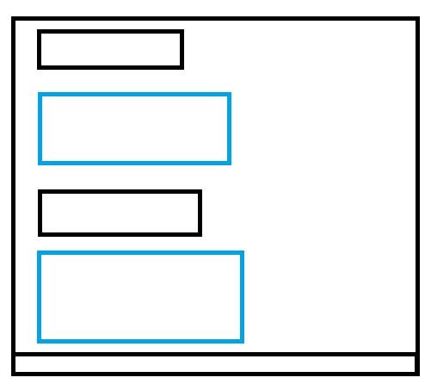
1

2

