Sheet1
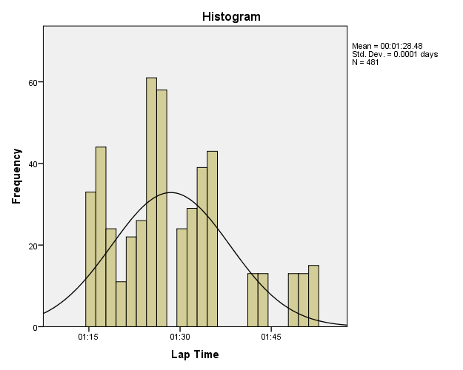
1,1

Notes
Output Created |  | 28-MAY-2016 19:46:19
Comments
Input | Active Dataset | DataSet1
 | Filter | <none>
 | Weight | <none>
 | Split File | <none>
 | N of Rows in Working Data File | 1110
Missing Value Handling | Definition of Missing | User-defined missing values are treated as missing.
 | Cases Used | Statistics are based on all cases with valid data.
Syntax |  | FREQUENCIES VARIABLES=VAR00002 /FORMAT=NOTABLE /HISTOGRAM NORMAL /ORDER=ANALYSIS.
Resources | Processor Time | 00:00:00.41
 | Elapsed Time | 00:00:00.32

Statistics
VAR00002
N | Valid | 1110
 | Missing | 0

1,0

Notes
Output Created |  | 28-MAY-2016 19:51:29
Comments
Input | Active Dataset | DataSet1
 | Filter | <none>
 | Weight | <none>
 | Split File | <none>
 | N of Rows in Working Data File | 982
Missing Value Handling | Definition of Missing | User-defined missing values are treated as missing.
 | Cases Used | Statistics are based on all cases with valid data.
Syntax |  | FREQUENCIES VARIABLES=VAR00003 /FORMAT=NOTABLE /HISTOGRAM NORMAL /ORDER=ANALYSIS.
Resources | Processor Time | 00:00:00.66
 | Elapsed Time | 00:00:00.23

Statistics
VAR00003
N | Valid | 982
 | Missing | 0

2,1

Notes
Output Created |  | 28-MAY-2016 20:11:12
Comments
Input | Active Dataset | DataSet1
 | Filter | <none>
 | Weight | <none>
 | Split File | <none>
 | N of Rows in Working Data File | 1071
Missing Value Handling | Definition of Missing | User-defined missing values are treated as missing.
 | Cases Used | Statistics are based on all cases with valid data.
Syntax |  | FREQUENCIES VARIABLES=VAR00004 /FORMAT=NOTABLE /HISTOGRAM NORMAL /ORDER=ANALYSIS.
Resources | Processor Time | 00:00:00.37
 | Elapsed Time | 00:00:00.20

Statistics
VAR00004
N | Valid | 1071
 | Missing | 0

Frequencies

Notes
Output Created |  | 28-MAY-2016 20:14:10
Comments
Input | Active Dataset | DataSet1
 | Filter | <none>
 | Weight | <none>
 | Split File | <none>
 | N of Rows in Working Data File | 1071
Missing Value Handling | Definition of Missing | User-defined missing values are treated as missing.
 | Cases Used | Statistics are based on all cases with valid data.
Syntax |  | FREQUENCIES VARIABLES=VAR00005 /FORMAT=NOTABLE /HISTOGRAM NORMAL /ORDER=ANALYSIS.
Resources | Processor Time | 00:00:00.27
 | Elapsed Time | 00:00:00.18

Statistics
VAR00005
N | Valid | 999
 | Missing | 72

Frequencies

Notes
Output Created |  | 28-MAY-2016 20:23:26
Comments
Input | Active Dataset | DataSet1
 | Filter | <none>
 | Weight | <none>
 | Split File | <none>
 | N of Rows in Working Data File | 1108
Missing Value Handling | Definition of Missing | User-defined missing values are treated as missing.
 | Cases Used | Statistics are based on all cases with valid data.
Syntax |  | FREQUENCIES VARIABLES=VAR00006 /FORMAT=NOTABLE /HISTOGRAM NORMAL /ORDER=ANALYSIS.
Resources | Processor Time | 00:00:00.34
 | Elapsed Time | 00:00:00.18

Statistics
VAR00006
N | Valid | 1108
 | Missing | 0

Frequencies

Notes
Output Created |  | 28-MAY-2016 20:25:15
Comments
Input | Active Dataset | DataSet1
 | Filter | <none>
 | Weight | <none>
 | Split File | <none>
 | N of Rows in Working Data File | 1108
Missing Value Handling | Definition of Missing | User-defined missing values are treated as missing.
 | Cases Used | Statistics are based on all cases with valid data.
Syntax |  | FREQUENCIES VARIABLES=VAR00007 /FORMAT=NOTABLE /HISTOGRAM NORMAL /ORDER=ANALYSIS.
Resources | Processor Time | 00:00:00.20
 | Elapsed Time | 00:00:00.17

Statistics
VAR00007
N | Valid | 983
 | Missing | 125

Frequencies

Notes
Output Created |  | 28-MAY-2016 20:33:22
Comments
Input | Active Dataset | DataSet1
 | Filter | <none>
 | Weight | <none>
 | Split File | <none>
 | N of Rows in Working Data File | 1108
Missing Value Handling | Definition of Missing | User-defined missing values are treated as missing.
 | Cases Used | Statistics are based on all cases with valid data.
Syntax |  | FREQUENCIES VARIABLES=VAR00008 /FORMAT=NOTABLE /HISTOGRAM NORMAL /ORDER=ANALYSIS.
Resources | Processor Time | 00:00:00.22
 | Elapsed Time | 00:00:00.16

Statistics
VAR00008
N | Valid | 526
 | Missing | 582

Frequencies

Notes
Output Created |  | 28-MAY-2016 20:35:08
Comments
Input | Active Dataset | DataSet1
 | Filter | <none>
 | Weight | <none>
 | Split File | <none>
 | N of Rows in Working Data File | 1108
Missing Value Handling | Definition of Missing | User-defined missing values are treated as missing.
 | Cases Used | Statistics are based on all cases with valid data.
Syntax |  | FREQUENCIES VARIABLES=VAR00009 /FORMAT=NOTABLE /HISTOGRAM NORMAL /ORDER=ANALYSIS.
Resources | Processor Time | 00:00:00.20
 | Elapsed Time | 00:00:00.16

Statistics
VAR00009
N | Valid | 481
 | Missing | 627

