pyAA+Rep+LogisticRegression
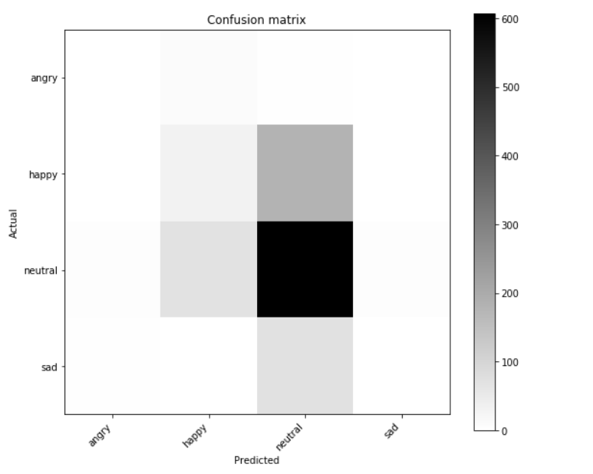
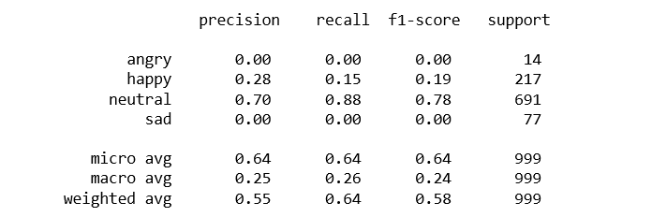
Results
Classifier Paramters : C=1e2, solver='lbfgs', multi_class='multinomial'

Confusion Matrix :

pyAA+Rep+DecisionTrees
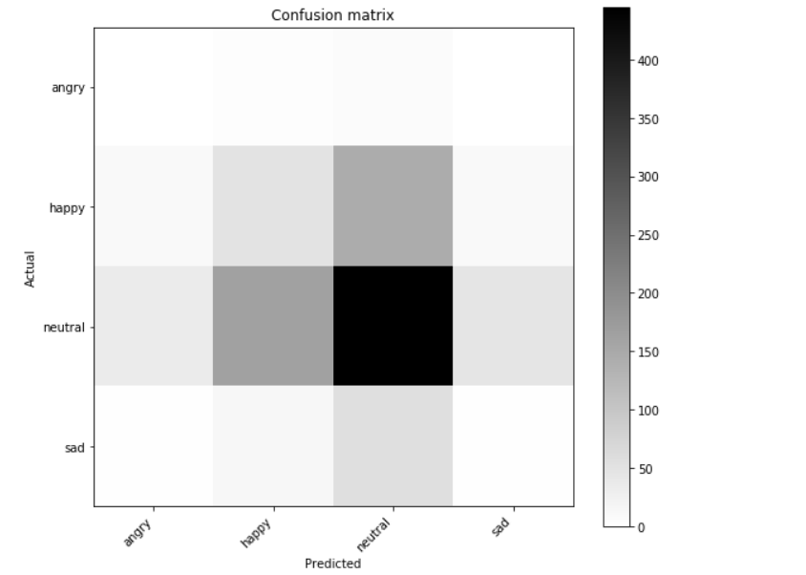
Model Parameters : None

Confusion Matrix:

pyAA+Rep+RandomForests
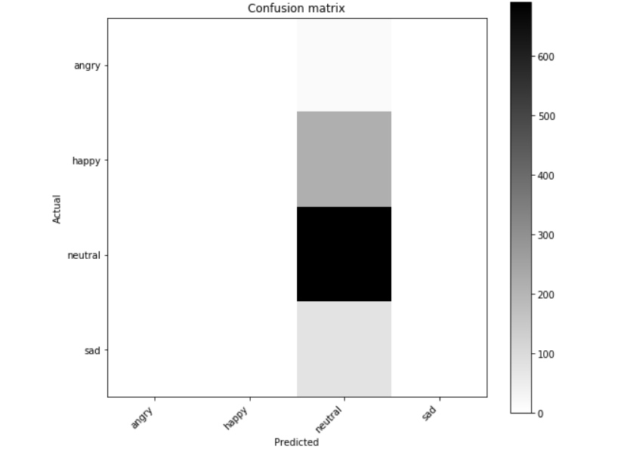
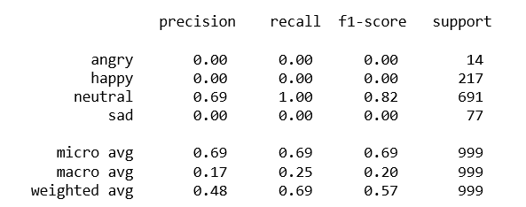
Model Parameters : n_estimators=1000,n_jobs=1, class_weight='balanced_subsample'

