Welcome
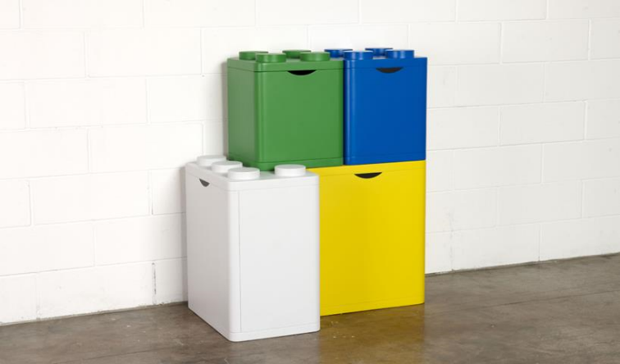
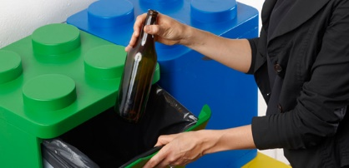
Bin Packing Problem

This application allows user to solve the bin packing problem using either the Next Fit, First Fit and First Decreasing algorithm.
In the beggining of the Next Fit algorithm, all bins are empty and it starts with placing the first object in to the first bin; then it tries placing next object to the first bin. If there is enough place in the first bin, it places the object in that bin. If there is no enough place in that bin, it opens a new bin and place the object in to the new bin. Next Fit algorithm gives the fastest output to user.
First Fit algorithm begins with all bins are empty and it starts with placing the first object in to the first bin; then it tries placing next objects to the first bin which has enough place. To do that it always start from first bin and search until it finds an available bin. First Fit algorithm gives a more efficient solution to user than Next Fit algorithm but in a slower way.
First Fit Decreasing algorithm reorders items in the decreasing order of weights. Then it uses first fit algorithm to place object in to the bins. First Fit Decreasing algorithm usually gives a more efficient solution to user than First Fit algorithm but in a slower way.

