Sheet1
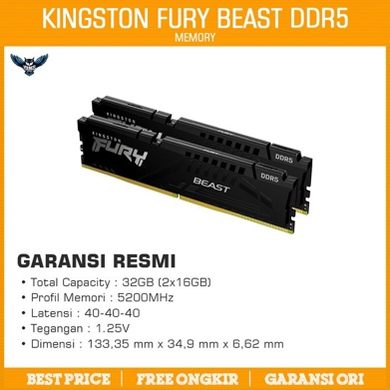
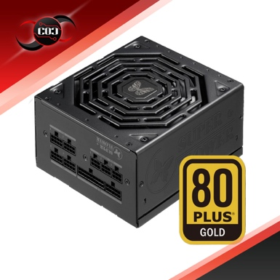
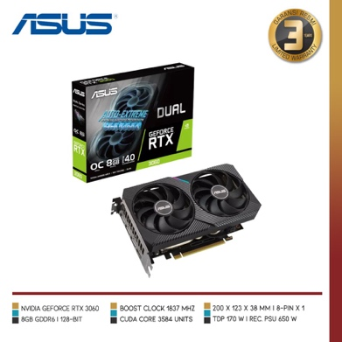
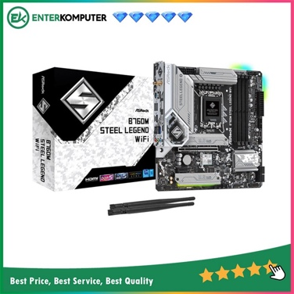
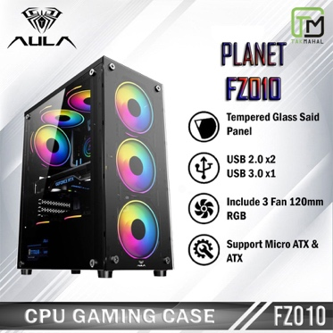
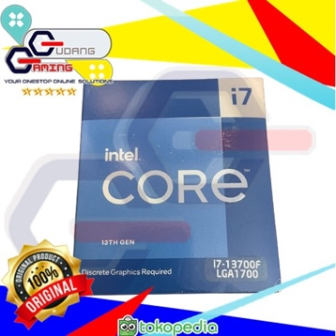
no | komponen
1 | mobo | ASRock B760M Steel Legend WIFI (LGA1700, B760, DDR5, USB3.2 Type-C) | Rp2.785.000
2 | prosesor | Processor Intel i7 13700F Gen 13th | Rp5.590.000
3 | vga | ASUS Dual GeForce RTX 3060 OC Edition 8GB GDDR6 | Rp4.359.000
4 | ram | KINGSTON FURY BEAST 32GB KIT 5200 (2x16GB) black pc 5200mhz | Rp1.866.000
5 | casing | Casing CPU PC Gaming AULA FZ010 Micro ATX/ATX + FAN RGB 3pcs - Case + Fan | Rp415.000
6 | psu | Super Flower Leadex III Gold 750W | Rp1.606.000

