Porsche
Link: https://newsroom.porsche.com/en/annual-sustainability-report/consolidated-financial-statements/consolidated-income-statement/
https://newsroom.porsche.com/assets/uploads/documents/Notes_to_the_consolidated_financial_statements_2025_Porsche_AG.pdf
 |  |  |  | Source | UoM |  | Const | 2025A
 | Income statement (P&L) |  |  |  | Source | UoM |  | 2025A

 |  |  | Revenue |  | Annual statement | mln EUR |  | 36,272

 |  |  | Cost of goods sold |  | Annual statement | mln EUR |  | (31,221)

 |  |  | Gross profit |  | Annual statement | mln EUR |  | 5,051

 |  |  | SGA |  | Annual statement | mln EUR |  | (4,694)

 |  |  | Other operating income/expense |  | Annual statement | mln EUR |  | 57

 |  |  | Gains/losses on equity-method invesments, net |  | Annual statement | mln EUR |  | (35)

 |  |  | Other financial income/expense, net |  | Annual statement | mln EUR |  | 47

 |  |  | EBIT |  | Annual statement | mln EUR |  | 426

 |  |  | Interest income |  | Annual statement | mln EUR |  | 19

 |  |  | Profit before income taxes |  | Annual statement | mln EUR |  | 445

 |  |  | Income taxes |  | Annual statement | mln EUR |  | (135)

 |  |  | Net profit |  | Annual statement | mln EUR |  | 310

 |  | EBITDA

 |  |  | EBIT (from the IS) |  | Link |  |  | 426
 |  |  | + Depreciation & Amortization |  | AS Note, page 351 (25) |  |  | 3,984

 |  |  | Non-operating items

 |  |  | (-)Other operating income |  | Annual statement |  |  | (1,460)
 |  |  | (+)Other operating expense |  | Annual statement |  |  | 1,403
 |  |  | (-)Other financial income/expenses |  | Annual statement |  |  | (47)
 |  |  | (-)Gains and losses on equity-method investments |  | Annual statement |  |  | 35

 |  |  | EBITDA |  | Calcs |  |  | 4,341

 |  | Net Profit

 |  |  | Net Profit |  | Link |  |  | 310
 |  |  | Revenue |  | Link |  |  | 36,272

 |  | Margins

 |  |  | EBITDA margin |  | Calcs |  |  | 12%
 |  |  | EBIT margin |  | Link |  |  | 1%

 | Balance Sheet (BS) |  |  |  | Source | UoM |  | 2025A

 |  |  | Total equity and liabilities |  | Annual statement | mln EUR |  | 52,715

 |  |  | Cash & Cash equivalents |  | Annual statement | mln EUR |  | 4,996

 |  | Equity |  |  | Source | UoM |  | 2025A

 |  | Equity attributable to shareholders of Porsche AG

 |  |  | Share capital |  | Annual statement | mln EUR |  | 911

 |  |  | Capital reserves |  | Annual statement | mln EUR |  | 3,822

 |  |  | Retained earnings |  | Annual statement | mln EUR |  | 16,886

 |  |  | Other reserves |  | Annual statement | mln EUR |  | 1,372

 |  |  | Treasury shares |  | Annual statement | mln EUR |  | -

 |  | Total equity to shareholders

 |  |  | Total equity to shareholders |  | Annual statement | mln EUR |  | 22,991

 |  | Non-controlling interest

 |  |  | Non-controlling interest |  | Annual statement | mln EUR |  | 130

 |  | Total Debt & Equity

 |  |  | Total equity |  | Annual statement | mln EUR |  | 23,121

 |  |  | Total Liabilities |  | Annual statement | mln EUR |  | 29,594
 |  |  | Of these, financial liabilities |  | AS Note 28, page 381 (55) | mln EUR |  | 11,431

 | Stock |  |  |  | Source | UoM

 |  |  | Price (31.12.2025) |  | https://ru.investing.com/equities/dr-ing-hc-f-porsche-prf | EUR |  | 45.62

 |  |  | Price (21.05.2026) |  | https://ru.investing.com/equities/dr-ing-hc-f-porsche-prf | EUR |  | 45.35

 |  |  | Average number of ordinary shares in circulation |  | AS Note 12, page 360 (34) | Number |  | 455,500,000

 |  |  | Average number of preferred shares in circulation |  | AS Note 12, page 360 (34) | Number |  | 455,500,000

 |  |  | Dividend per ordinary share |  | Annual statement | EUR |  | 2.30

 |  |  | Dividend per preferred share |  | Annual statement | EUR |  | 2.31

 |  |  | Market equity value |  | Calcs | EUR |  | € 41,313,850,000

 |  |  | EV - Enterprise Value |  | Calcs | EUR |  | € 47,878,850,000

 | Multiples |  |  |  | Source | UoM

 |  |  | P/E (21.05.2026) |  | Calcs | Number |  | 94.48

 |  |  | P/E (31.12.2025) |  | Calcs | Number |  | 95.04

 |  |  | Basic earnings per ordinary share |  | AS Note 12, page 360 (34) | EUR |  | 0.47

 |  |  | Basic earnings per preferred share |  | AS Note 12, page 360 (34) | EUR |  | 0.48

 |  |  | EV/EBITDA |  | Calcs | Number |  | 11.03

Note: Only Porsche AG preferred shares are publicly traded. Therefore, the preferred share price was used as a proxy to calculate total market equity value, including both ordinary and preferred shares. Preferred shares are therefore already included in Market Equity Value and are not added separately in EV. The P/E multiple was calculated using the preferred share price and earnings per preferred share.

Relative Valuation
Relative Valuation

 | As of 21.05.2026

 | Peer | EPS, € | Share Price, € | P/E | Weight
 | BMW | 11.89 | 74.11 | 6.23 | 60.0%
 | VW | 13.29 | 88.5 | 6.66 | 35.0%
 | Porsche | 0.48 | 45.35 | 94.48 | 5.0%
 | Weighted |  |  | 10.79

 | Peer | EV, mln € | EBITDA, mln € | EV/EBITDA | Weight
 | BMW | 139,306.39 | 25208 | 5.53 | 50.0%
 | VW | 285043.63 | 41128 | 6.93 | 30.0%
 | Porsche | 47878.85 | 4341 | 11.03 | 20.0%
 | Weighted |  |  | 7.05

 | As of 21.05.26 | Earnings per share, € | Implied Share Price, € | EBITDA, mln € | Implied EV, mln € | Implied Equity Value, mln € | Number of Shares Outstanding | Implied Share Price, €
 | Mercedes | 5.34 | 57.64 | 19204 | 135354.07 | 46596.07 | 962,903,703 | 48.39

The valuation is based on two relative valuation multiples: P/E and EV/EBITDA.
For the P/E approach, the highest weight was assigned to BMW, as it is the closest peer to Mercedes-Benz in terms of premium positioning, product portfolio and business model. Volkswagen was assigned a lower but still significant weight due to its scale and relevance as a major German automotive group, although its broader mass-market exposure makes it less directly comparable. Porsche received only a 5% weight in the P/E valuation because its P/E multiple is an outlier due to relatively low earnings per share.
For the EV/EBITDA approach, BMW also received the highest weight, but Porsche was assigned a higher weight than in the P/E approach. This is because EV/EBITDA is less affected by temporary fluctuations in net income and better captures operating business value. Porsche was therefore included with a 20% weight to reflect Mercedes-Benz’s premium and luxury positioning. At the same time, Volkswagen was kept at 30% as a broader industry benchmark.
The final valuation assigns 70% weight to EV/EBITDA and 30% to P/E. EV/EBITDA was given the higher weight because it is less sensitive to capital structure, tax effects and short-term earnings volatility. P/E was retained as a supplementary equity-based method. Based on these weights, the final implied Mercedes-Benz share price is €51.17, slightly above the current market price of €49.76, suggesting moderate undervaluation.
 | As of 21.05.26 | Implied Share Price, €
 | Mercedes | 51.17

 | Real price |  | 49.76
 | https://ru.investing.com/equities/daimler

COE
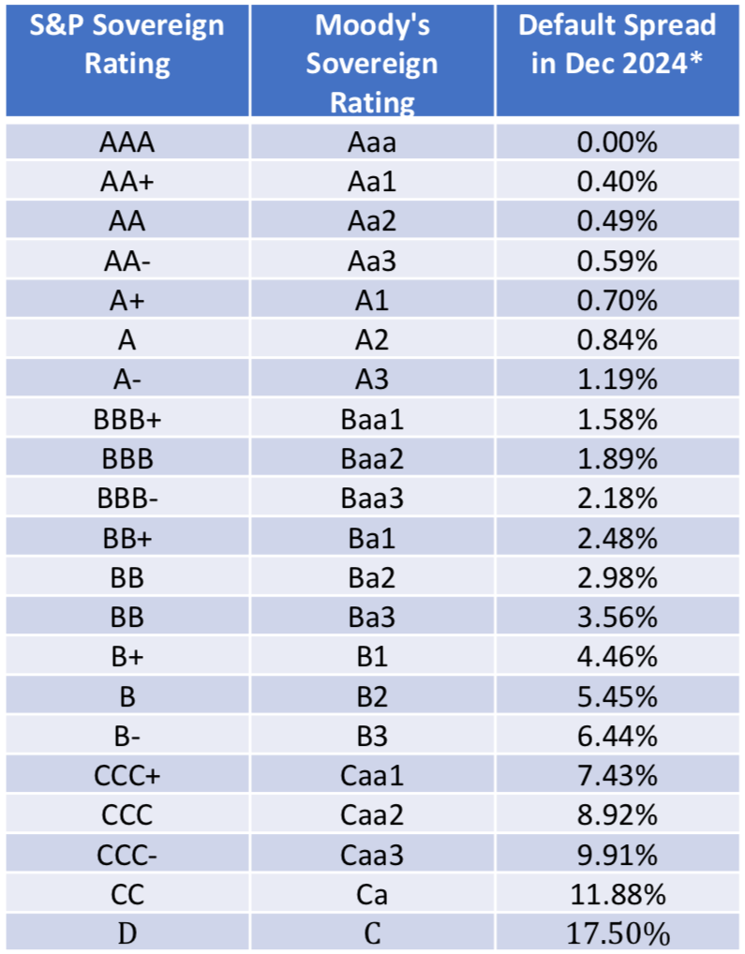
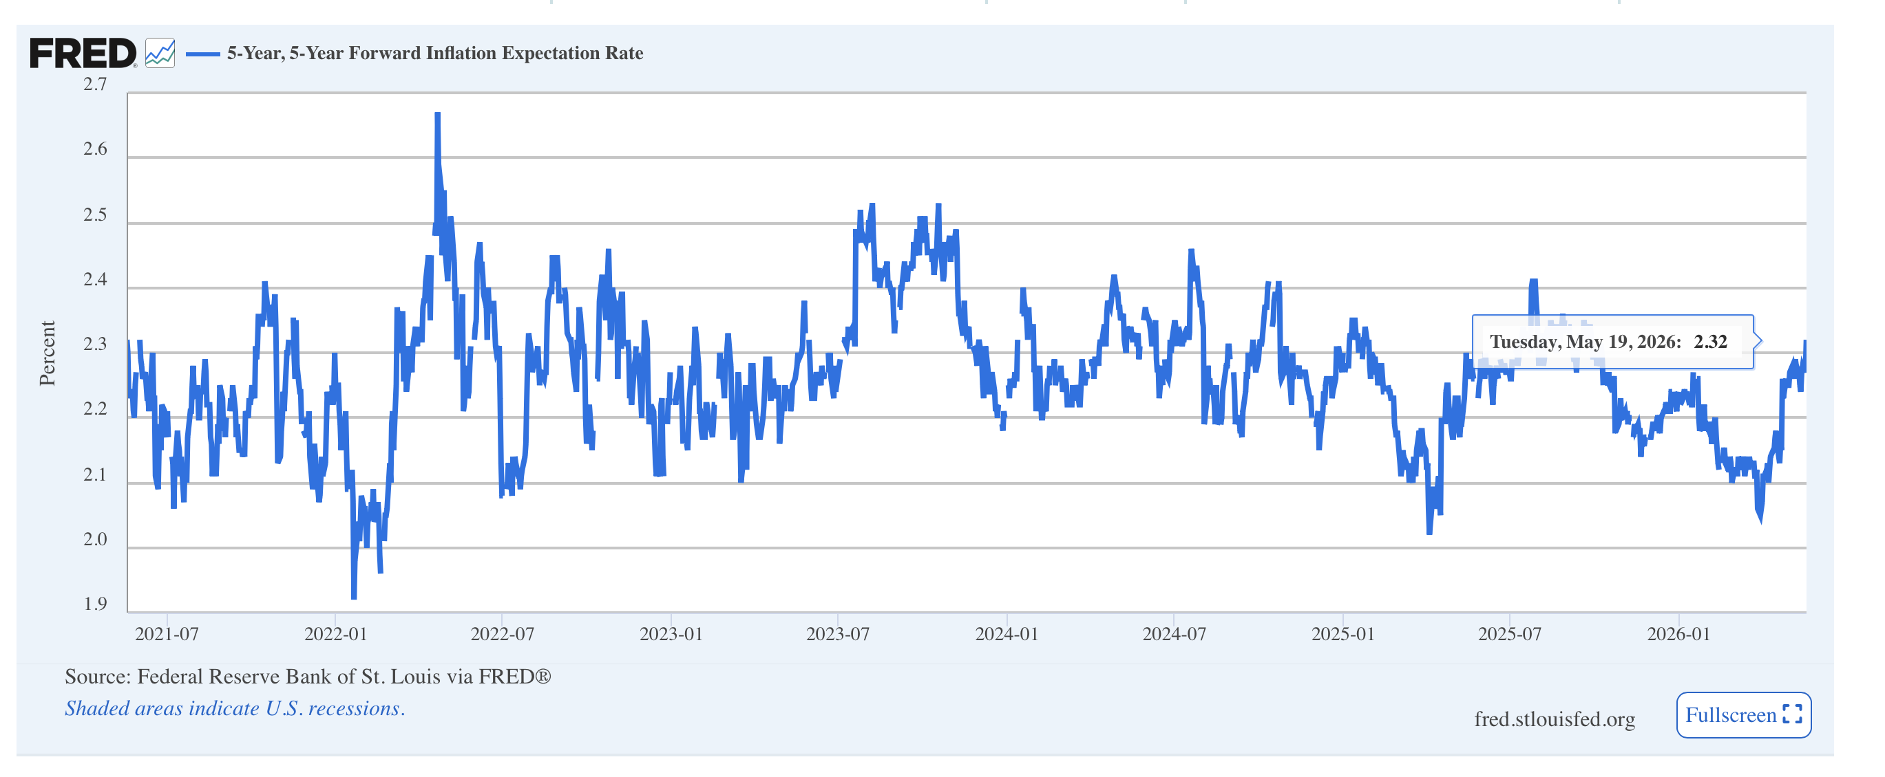
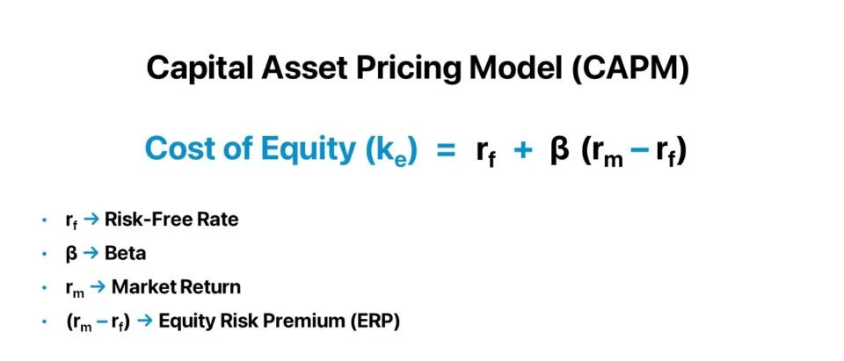
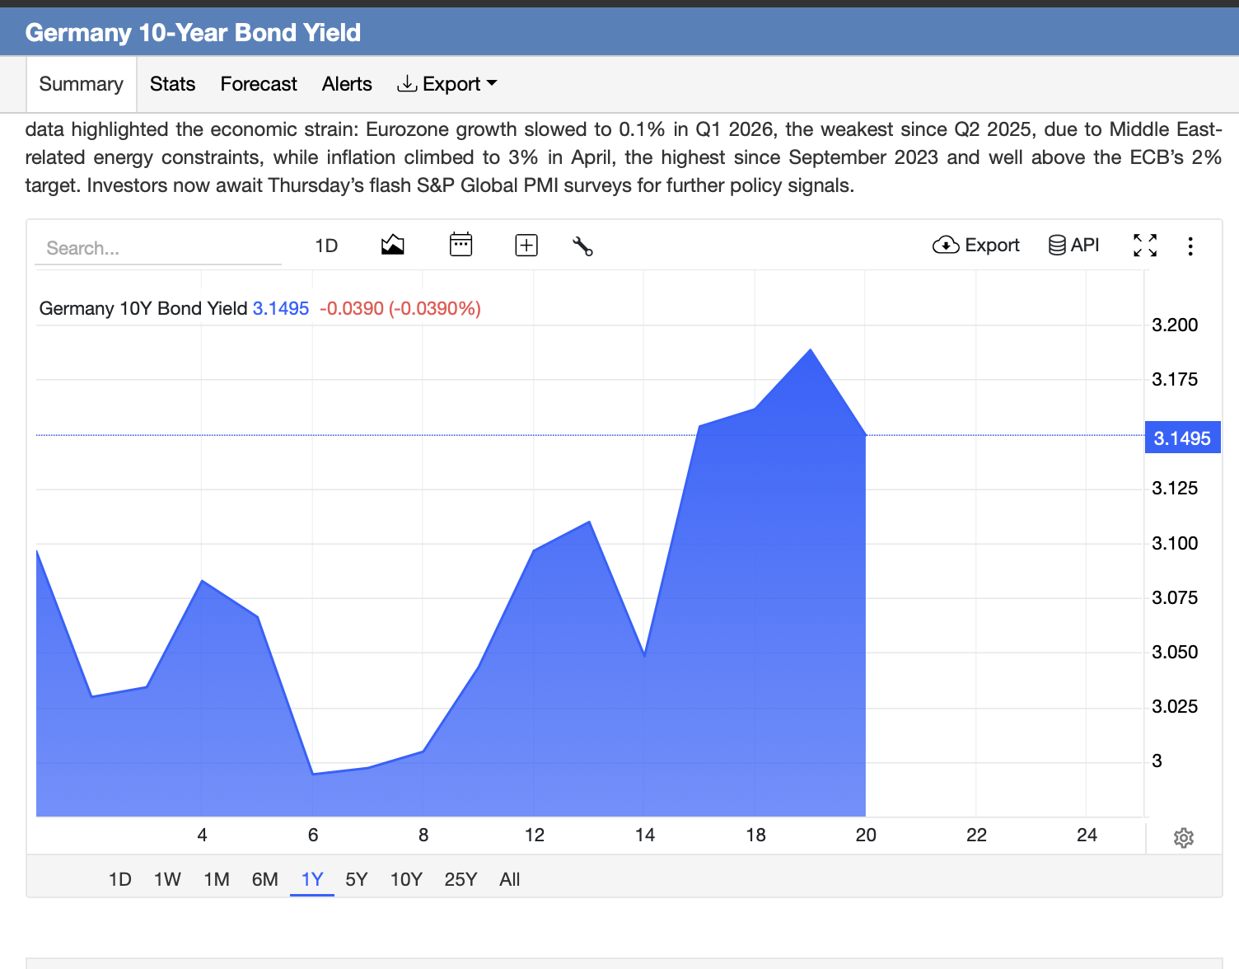
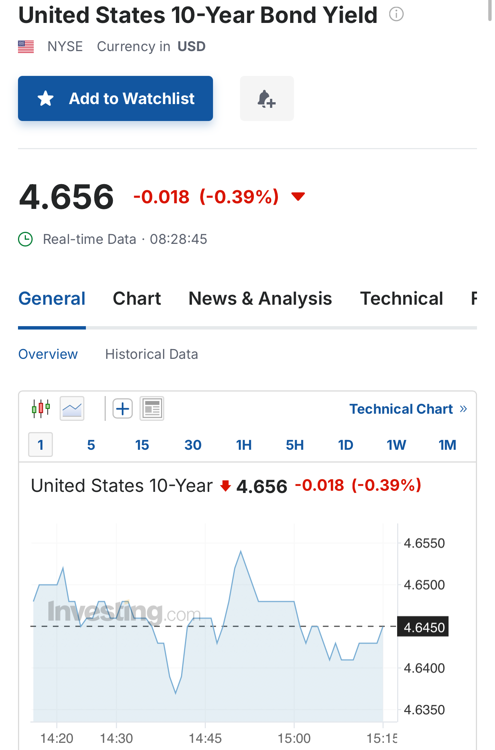
Rf | 3.15% | (Germany 10Y Bonds)
US 10Y Bonds | 4.66%
Default spread | 0.00%
Inflation premium | 0.00% |  | 4.66%
Ger Inflation | 2.00%
US Inflation target | 2.00%
Beta | 1.3458270549 | Illia's calculation |  | https://curvo.eu/backtest/en/compare-indexes/cac-40-vs-dax?currency=eur
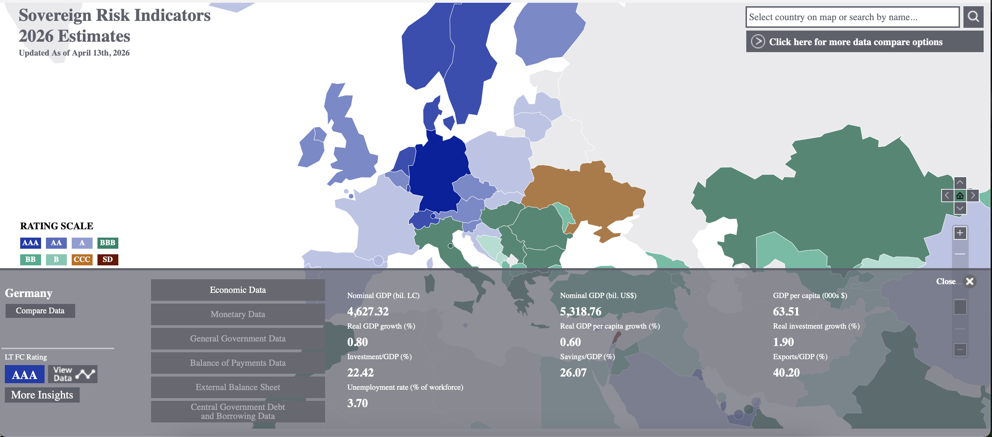
Rm | 8.60% | DAX 40 avr last 10y return

COE | 10.48%

COD
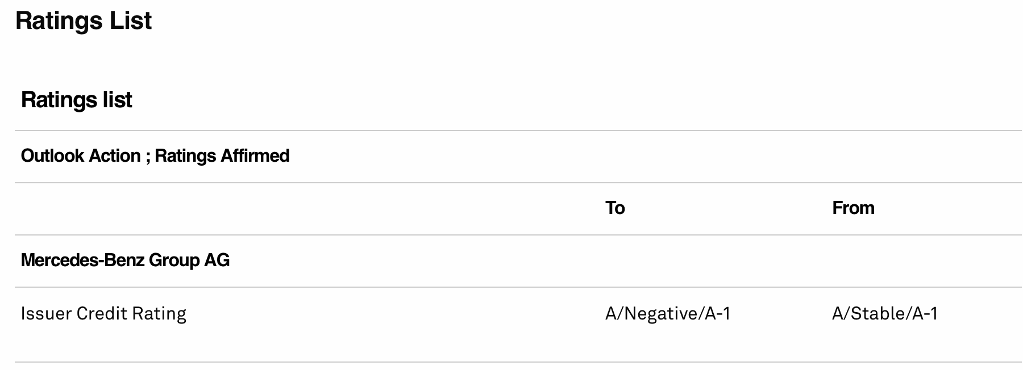
Based on credit rating: |  | Rf | 3.15%
 |  | Credit Spread | 0.72%
S&P Rating | A

Rd = Rf + Credit spread |  | COD | 3.87%

 |  |  |  | https://pages.stern.nyu.edu/~adamodar/New_Home_Page/datafile/ctryprem.html

WACC
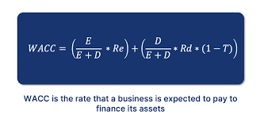
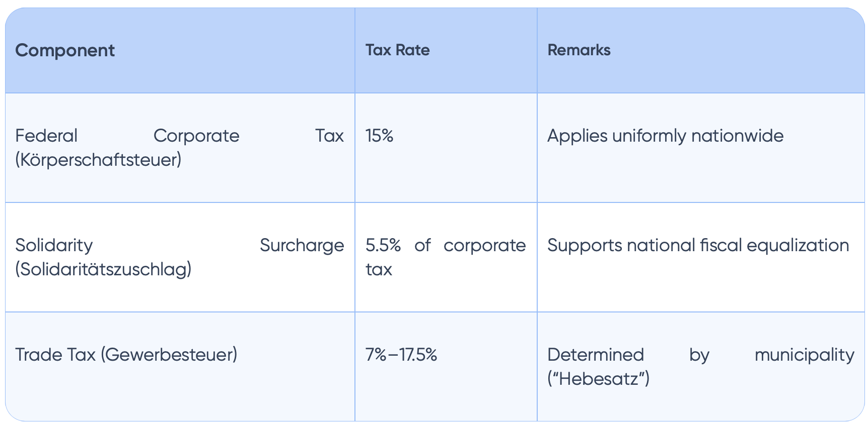
Equity | 94,263 | mln. EUR
Debt | 100,006 | mln. EUR
D+E | 194,269 | mln. EUR
COE | 10.48%
COD | 3.87%
EBT | 6,248 | mln. EUR | from PnL
T in EUR | 953 | mln. EUR
T in % | 15.25%
Inncome tax | 30%

WACC | 6.48%

Dividend Policy Summary
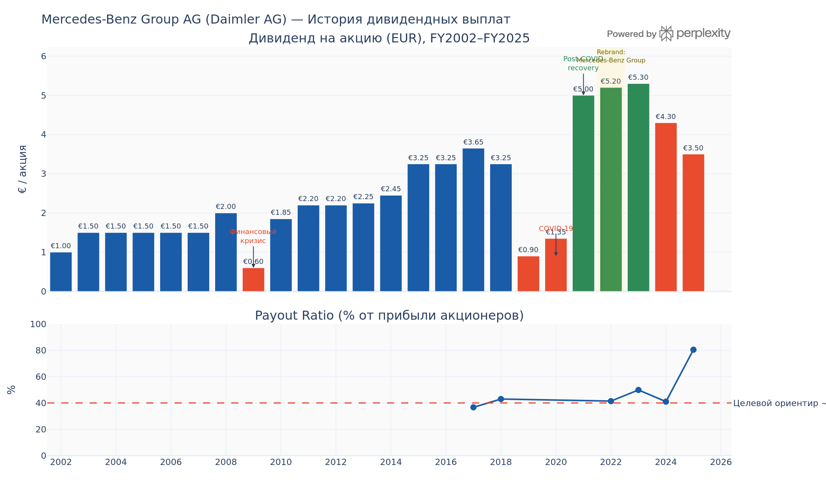
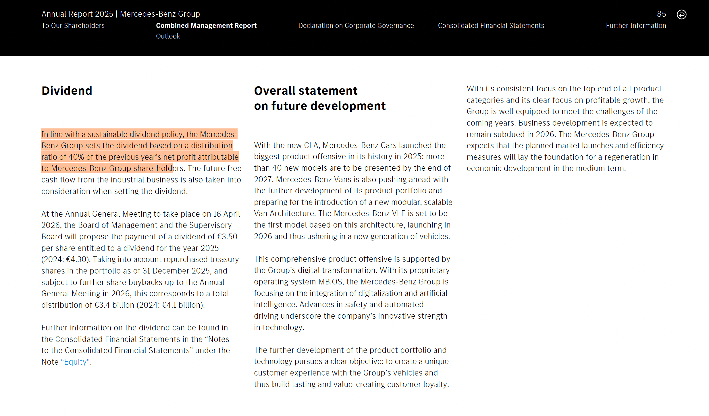
Financial Year | Dividend per Share (EUR) | YoY Change | Payout Ratio (%) | Target Payout Ratio (%) | Difference vs Target | Event / Note | Фаза I — «Эра Daimler-Chrysler / ранний Daimler» (2002–2010) В 2002–2008 годах дивиденд оставался стабильным в диапазоне €1,0–2,0/акц., фактически «замороженным» на €1,50 в 2003–2007 годах. Это классическая политика стабильного номинального дивиденда, характерная для крупных немецких промышленных концернов с более широким периметром бизнеса. В 2009 году, в разгар финансового кризиса, дивиденд рухнул с €2,00 до €0,60 — снижение на 70%. В 2010 году выплачен €1,85 — символичное восстановление на фоне быстрого возврата прибыльности. ​ Фаза II — «Рост и стабилизация» (2011–2018) В 2011–2018 годах дивиденд восстановился и рос в целом умеренно, достигнув €3,65 в 2017 году — исторического рекорда той эпохи. Payout ratio в этот период находился вблизи 35–45%, что ретроспективно совпадает с нынешним целевым ориентиром ~40%. Политика оставалась предсказуемой и последовательной: дивиденды либо росли, либо оставались на прежнем уровне. ​ Фаза III — «COVID и коллапс» (2019–2020) Это наиболее показательный кризисный эпизод в новейшей истории. Дивиденд за FY2018 был снижен до €3,25. За FY2019 компания первоначально объявила €3,25, однако в апреле 2020 года, в самый острый момент пандемии, выплата была отменена — беспрецедентное решение. Вместо него в июле 2020 года выплачен уменьшенный дивиденд €0,90/акц. — официальный дивиденд за FY2019. За FY2020 выплачено €1,35. Фаза IV — «Рекордная прибыль и рекордные дивиденды» (2021–2023) Выделение Daimler Truck в декабре 2021 года и концентрация бизнеса на люксовом сегменте дали взрывной рост рентабельности. Net income по итогам FY2021 составила €23,4 млрд. Дивиденд за FY2021 был установлен на уровне €5,00/акц. — рост +270%. Несмотря на то что payout ratio при этом составил лишь ~12% (прибыль была исключительно высокой в том числе за счёт разовых эффектов), менеджмент принял решение направить значительный объём прибыли в buyback, а не завышать дивиденд. В 2022–2023 годах дивиденд достиг пика на уровне €5,20 и €5,30 соо | Mercedes-Benz Group AG (Frankfurt: MBG) придерживается официально задокументированной гибкой дивидендной политики с целевым ориентиром ~40% от чистой прибыли, атрибутируемой акционерам. Политика дополнена систематическими программами выкупа акций, превращая совокупные акционерные выплаты (TSR) в один из ключевых KPI менеджмента. За последние 23 года компания прошла через три ощутимых дивидендных цикла, отражающих глубину и природу кризисов: в 2009 году (финансовый кризис), в 2019–2020 годах (COVID) и в текущем цикле 2024–2025 годов (снижение прибыли под давлением тарифов, конкуренции Китая и цикличности спроса). Начиная с 2022 года, Mercedes-Benz систематически дополняет дивиденды масштабными программами обратного выкупа акций. Все выкупленные акции аннулируются, что увеличивает EPS для оставшихся акционеров. В 2025 году совокупный total shareholder return превысил 20%, несмотря на падение прибыли на 48,8%. Это достигнуто за счёт сочетания дивиденда €4,1 млрд (FY2024, выплачен в 2025) и активного buyback
2002 | €1.00 |  |  | 40
2003 | €1.50 | 50.0% |  | 40
2004 | €1.50 | 0.0% |  | 40
2005 | €1.50 | 0.0% |  | 40
2006 | €1.50 | 0.0% |  | 40
2007 | €1.50 | 0.0% |  | 40
2008 | €2.00 | 33.3% |  | 40
2009 | €0.60 | -70.0% |  | 40 |  | Financial crisis
2010 | €1.85 | 208.3% |  | 40
2011 | €2.20 | 18.9% |  | 40
2012 | €2.20 | 0.0% |  | 40
2013 | €2.25 | 2.3% |  | 40
2014 | €2.45 | 8.9% |  | 40
2015 | €3.25 | 32.7% |  | 40
2016 | €3.25 | 0.0% |  | 40
2017 | €3.65 | 12.3% | 37 | 40 | -3
2018 | €3.25 | -11.0% | 43 | 40 | 3
2019 | €0.90 | -72.3% |  | 40 |  | COVID-19 / weak year
2020 | €1.35 | 50.0% |  | 40 |  | COVID-19
2021 | €5.00 | 270.4% |  | 40 |  | Post-COVID recovery
2022 | €5.20 | 4.0% | 42 | 40 | 2 | Rebrand: Mercedes-Benz Group
2023 | €5.30 | 1.9% | 50 | 40 | 10
2024 | €4.30 | -18.9% | 41 | 40 | 1
2025 | €3.50 | -18.6% | 80 | 40 | 40 | paid in April 2026

Technical Page for DPS
Mercedes-Benz Group AG — Dividend History

Metric | Value | Financial Year | Dividend per Share (EUR) | Payout Ratio (%) | Target Payout Ratio (%)
Latest FY in chart | 2025 | 2002 | €1.00 |  | 40
Latest dividend per share | €3.50 | 2003 | €1.50 |  | 40
Max dividend per share | €5.30 | 2004 | €1.50 |  | 40
Min dividend per share | €0.60 | 2005 | €1.50 |  | 40
Average dividend per share | €2.54 | 2006 | €1.50 |  | 40
 |  | 2007 | €1.50 |  | 40
 |  | 2008 | €2.00 |  | 40
 |  | 2009 | €0.60 |  | 40
 |  | 2010 | €1.85 |  | 40
 |  | 2011 | €2.20 |  | 40
 |  | 2012 | €2.20 |  | 40
Dividend per Share (EUR), FY2002–FY2025
 |  | 2013 | €2.25 |  | 40
 |  | 2014 | €2.45 |  | 40
 |  | 2015 | €3.25 |  | 40
 |  | 2016 | €3.25 |  | 40
 |  | 2017 | €3.65 | 37 | 40
 |  | 2018 | €3.25 | 43 | 40
 |  | 2019 | €0.90 |  | 40
 |  | 2020 | €1.35 |  | 40
 |  | 2021 | €5.00 |  | 40
 |  | 2022 | €5.20 | 42 | 40
 |  | 2023 | €5.30 | 50 | 40
 |  | 2024 | €4.30 | 41 | 40
 |  | 2025 | €3.50 | 80 | 40

Payout Ratio vs 40% Target
 | Dividend per Share (EUR) | Payout Ratio (%) | Target Payout Ratio (%)
2002 | €1.00 |  | 40
2003 | €1.50 |  | 40
2004 | €1.50 |  | 40
2005 | €1.50 |  | 40
2006 | €1.50 |  | 40
2007 | €1.50 |  | 40
2008 | €2.00 |  | 40
2009 | €0.60 |  | 40
2010 | €1.85 |  | 40
2011 | €2.20 |  | 40
2012 | €2.20 |  | 40
2013 | €2.25 |  | 40
2014 | €2.45 |  | 40
2015 | €3.25 |  | 40
2016 | €3.25 |  | 40
2017 | €3.65 | 37 | 40
2018 | €3.25 | 43 | 40
2019 | €0.90 |  | 40
2020 | €1.35 |  | 40
2021 | €5.00 |  | 40
2022 | €5.20 | 42 | 40
2023 | €5.30 | 50 | 40
2024 | €4.30 | 41 | 40
2025 | €3.50 | 80 | 40

