Campaign Tracking
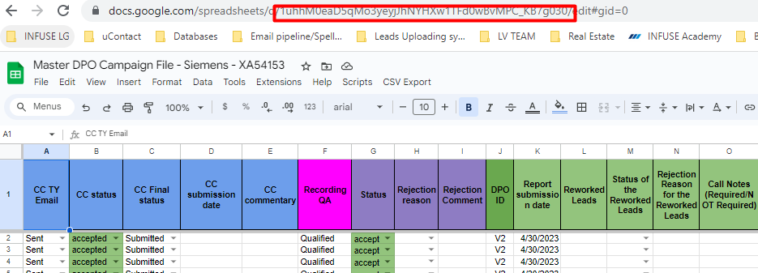
DPO Delivery Tracking - TAB: Campaign tracking
Column | INPUT | Сomments | Automation
Client Name | Insert manually | Taken from CC DPO/Canada campaign request | YES
CID | Insert manually | Taken from CC DPO/Canada campaign request | YES
Master ID | Insert manually | See screenshot - Master ID - a piece of link that helps us to pull data per campaign from Master DPO Gsheet to DPO Delivery Tracking Gsheet
DPO Goal | Insert manually | Taken from CC DPO/Canada campaign request | MUST BE EDITABLE
Delivered | Formula based | Pulls data from tab ALL STATS (Column G) file DPO Delivery Tracking | YES
Accepted | Formula based | Pulls data from tab ALL STATS (Column H) file DPO Delivery Tracking | YES
Rejected | Formula based | Pulls data from tab ALL STATS (Column I) file DPO Delivery Tracking | YES
Pending | Formula based | Pulls data from tab ALL STATS (Column K) file DPO Delivery Tracking | YES
Left | Formula based | Formula Goal minus Accepted | YES
Status | Insert manually | We update it internally (5 statuses: Live, Closed, Pre, Canceled, Paused) | MUST BE EDITABLE
Start Date | Insert manually | The day DPO/EM request received from CC by the DPO department | YES
Deadline | Insert manually | Taken from CC DPO/Canada campaign request | MUST BE EDITABLE
Comment | Insert manually | For internal use - any comments related to the campaign, this cell must be editable | MUST BE EDITABLE
% Time passed | Formula based | Formula Networking days [Goal, Start Date, Deadline columns involved] | YES
% Accepted | Formula based | Columns Accepted divided DPO Goal | YES
% Rejected | Formula based | Columns Rejected divided Delivered | YES
% Delivered | Formula based | Columns Delivered divided DPO Goal | YES
Pacing | Formula based | Calculates either the campaign behind the pacing or on track in reference to DPO Goal, Accepted, Pending, | YES
Campaign Type | Insert manually | Taken from CC DPO/Canada campaign request | YES
Assigned | Insert manually | We update it internally - 3 statuses (No, Yes, Partially) | YES
# vendors | Formula based | Pulls data from tab DeliveryTracking (Coumn E - CID as unique value) file DPO Delivery Tracking | YES
Unallocated | Formula based | Pulls data from tab ALL STATS (Column N) file DPO Delivery Tracking | YES
Assigned date | Insert manually | We update it internally once the campaign is assigned to the responsible team/vendor | YES
Responsible CC | Insert manually | Taken from CC DPO/Canada campaign request | MUST BE EDITABLE
Responsible LD | Insert manually | We update it internally | MUST BE EDITABLE

Master Gsheet
Master tab
Column | Сomments
CC TY Email | Do we need it? Not all CCs fill it out
CC status | Data pulled from the Leads tool; if CC provides status manually, but it differs from the one on tool, then it will be changed to the one on Leads tool the next time we run the script - better to be fixed?
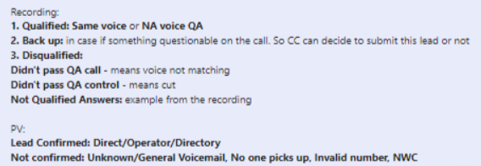
CC Final status | Data pulled from the Leads tool; if CC provides status manually, but it differs from the one on tool, then it will be changed to the one on Leads tool the next time we run the script - better to be fixed?
CC submission date | Do we need it? Not all CCs fill it out
CC commentary | Data pulled from the Leads tool; if CC provides comment manually, but it differs from the one on tool, then it will be changed to the one on Leads tool the next time we run the script - better to be fixed?
Recording QA | QA puts here disposition and comment
Status | We update it internally (4 statuses: accepted, rejected, pending, returns) - dropdown list
Rejection reason | We update it internally (16 reasons: Bounced,Title, Industry, Size, Revenue, GEO, Company Limit, NWC, Duplicate, Recording Failure, Unsubscribed, in Suppression, not in NAC, n/a CQ, Invalid ph number, Other) - dropdown list
Rejection Comment | Rejection reason explanation
DPO ID | Pulled from Lead Source File, tab "Remote", column D
Report submission date | Pulled from Lead Source File, tab "Remote", column E
Reworked Leads | Pulled from Lead Source File, tab "Remote", column F
Status of the Reworked Leads | We update it internally (4 statuses: accepted, rejected, pending, returns) - dropdown list
Rejection Reason for the Reworked Leads | Rejection reason explanation
Call Notes (Required/NOT Required) | Pulled from Lead Source File, tab "Remote", column I
Prooflink | Pulled from Lead Source File, tab "Remote", column J
Recording link | Pulled from Lead Source File, tab "Remote", column K
Notification status | Added automatically after the script "Send New Leads Notification" ran
Category | Choosed from a dropdown list, based on values in column D in tab "Stats" on Master
Columns T+ | Leads data pulled from the Remote (Lead Source File), the number of columns should be editable as the number of CQs may differ

Settings tab
Column | Сomments
New leads subject line | SL of the email that will be sent once new leads are added on Master file and script "Send New Leads Notification" ran. Format: DPO/EM_New_Leads_Were_Added_[client]_[CID]
Reworked leads subject line | SL of the email that will be sent once the reworked leads are added on Master file (column L on Master) and script "Send Reworked Leads Notification" ran. Format: DPO/EM_Reworked_Leads_Were_Added_[client]_[CID]
New Leads notification emails | The list of email addresses of people who will receive the new leads notification: lead.delivery@infusemedia.com, zvyagina@infusemedia.com, kresalo@infuseua.com, i.stepanova@infuseua.com, r.diaho@infusemedia.com, a.howard@infusemedia.com, [CC email address], [CC TL email address]
Reworked Leads notification emails | The list of email addresses of people who will receive the reworked leads notification: lead.delivery@infusemedia.com, zvyagina@infusemedia.com, kresalo@infuseua.com, r.diaho@infusemedia.com, [CC email address], [CC TL email address]
Vendor management team emails | lead.delivery@infusemedia.com, zvyagina@infusemedia.com
СС emails | List of people who will receive the reminder if leads are without statsues for too long, basically just CC email address
СС reminder subject line | SL of the email that CC receives once the script "Send reminders to CC" ran. Format: DPO/EM leads not checked - XA54425

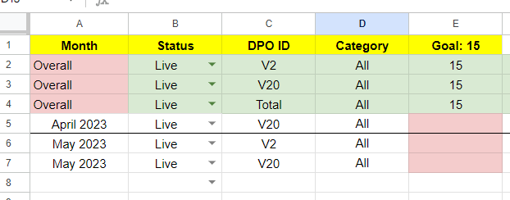
Stats tab
Column | Сomments
Month | The upper "pink" part is always "Overall", the white part is added manually when creating Master and filling all fields out
Status | We update it internally (6 statuses: Cancelled, Closed, EXCLUDE, Live, Paused, Pre) - dropdown list
DPO ID | Vendor's ID (who works on the campaign)
Category | GEO or any other category for the goal breakdown
Goal: # | The 1st row is counted automatically - the SUM of all "Total" goals (if more than one category); the "green" fields are filling out by lead delivery member. Goal for each vendor and category
Delivered: # | Calculated based on Master columns J "DPO ID" and S "Category"; the number of leads delivered by a patriculat vendor for a particular category; the lower part has the same logic, but also added a timeframe condition - the number of leads delivered in the mentioned month.
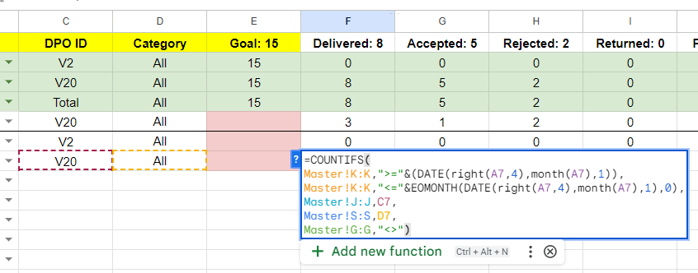
Accepted: # | Calculated based on Master columns J "DPO ID", S "Category" And G "Status"; the number of leads accepted for a patriculat vendor on a particular category; the lower part has the same logic, but also added a timeframe condition - the number of leads accepted in the mentioned month.
Rejected: # | Calculated based on Master columns J "DPO ID", S "Category" And G "Status"; the number of leads rejected for a patriculat vendor on a particular category; the lower part has the same logic, but also added a timeframe condition - the number of leads rejected in the mentioned month.
Returned: # | Calculated based on Master columns J "DPO ID", S "Category" And G "Status"; the number of leads returned for a patriculat vendor on a particular category; the lower part has the same logic, but also added a timeframe condition - the number of leads returned in the mentioned month.
Pending: # | Calculated based on Master columns J "DPO ID", S "Category" And G "Status"; the number of leads still being pending for a patriculat vendor on a particular category; the lower part has the same logic, but also added a timeframe condition - the number of leads pending in the mentioned month.
Pending QA: # | Calculated based on Master columns J "DPO ID", S "Category" And F "Recording QA"; the number of leads that do not have any QA comment for a patriculat vendor on a particular category; the lower part has the same logic, but also added a timeframe condition - the number of pending QA leads in the mentioned month.
Left: # | Goal (column E) minu Accepted (column G)
Unallocated: # | Calculated baced on Stats columns E "Goal', D "Category", C "DPO ID", basically total goal minus the allocated amount
Left To Generate: # | Do we need it?
Type | We update it internally (9 types: Email Marketing, Appointment Setting, BANT, CALL Back, Soft BANT, MQL, SQL, Webinar, Survey), also need to add "LIVE event"

