Sheet2
1 | 3 | 40 | 286 | 4.39 | 3.12 | 48000
2 | 3 | 40 | 76 | 1.45 | 1.41 | 96000 |  |  |  | understand why such low errors
3 | 3 | 40 | 52 | 1.88 | 1.65 | 96000 |  |  |  | understand why such high errors
4 | 3 | 40 | 2298 | 0.43 | 1.08 | 96000
5 | 3 | 40 | 1712 | 0.67 | 1.11 | 96000
6 | 3 | 40 | 362 | 0.79 | 1.05 | 96000
7 | 3 | 40 | 321 | 1.06 | 1.13 | 96000
8 | 3 | 40 | 133 | 0.37 | 0.49 | 96000
9 | 3 | 40 | 110 | 0.86 | 0.79 | 96000
10 | 3 | 40 | 164 | 0.75 | 5.65 | 96000
 |  |  |  | rt target | rt generated

 |  |  |  |  |  |  |  | number | Error | RT target | RT generated | Sample Rate
 |  |  |  |  |  |  |  | 3 | 52 | 1.88 | 1.65 | 96000
 |  |  |  |  |  |  |  | 2 | 76 | 1.45 | 1.41 | 96000
 |  |  |  | SAMPLERATE? | RT60? |  |  | 9 | 110 | 0.86 | 0.79 | 96000
 |  |  |  |  |  |  | what??? | 8 | 133 | 0.37 | 0.49 | 96000
 |  |  |  |  |  |  |  | 10 | 164 | 0.75 | 5.65 | 96000
 |  |  |  |  |  |  |  | 1 | 286 | 4.39 | 3.12 | 48000
 |  |  |  |  |  |  |  | 7 | 321 | 1.06 | 1.13 | 96000
 |  |  |  |  |  |  |  | 6 | 362 | 0.79 | 1.05 | 96000
 |  |  |  |  |  |  |  | 5 | 1712 | 0.67 | 1.11 | 96000
 |  |  |  |  |  |  |  | 4 | 2298 | 0.43 | 1.08 | 96000

 | 'falkland_tennis_court_omni.wav' |  |  |  | 'gen_falkland_tennis_court_omni'
 | 'middle_tunnel_1way_mono.wav' |  |  |  | 'gen_middle_tunnel_1way_mono'
 | 'middle_tunnel_4way_mono.wav' |  |  |  | 'gen_middle_tunnel_4way_mono'
 | 'mine_site1_1way_mono.wav' |  |  |  | 'gen_mine_site1_1way_mono'
 | 'mine_site1_2way_mono.wav' |  |  |  | 'gen_mine_site1_2way_mono'
 | 'mine_site2_1way_mono.wav' |  |  |  | 'gen_mine_site2_1way_mono'
 | 'mine_site2_2way_mono.wav' |  |  |  | 'gen_mine_site2_2way_mono'
 | 'tunnel_entrance_a_1way_mono.wav' |  |  |  | 'gen_tunnel_entrance_a_1way_mono'
 | 'tunnel_entrance_a_4way_mono.wav' |  |  |  | 'gen_tunnel_entrance_a_4way_mono'
 | 'tunnel_entrance_b_1way_mono.wav' |  |  |  | 'gen_tunnel_entrance_b_1way_mono' |  |  |  |  | the initial spectrum is like if it was the double of what it's supposed to be…
 |  |  |  |  |  |  |  |  | 1 | could it be because the first frame isn't accurate enougth?
 |  |  |  |  |  |  |  |  |  | Or do I do a step twice?
 |  |  |  |  |  |  |  |  | 2 | Are the other spectrums as inacurate?

 |  |  |  |  |  |  |  | try to to those steps and divide per 2 the sample rate and see if it matches better!! |  |  |  |  | <= it shows something
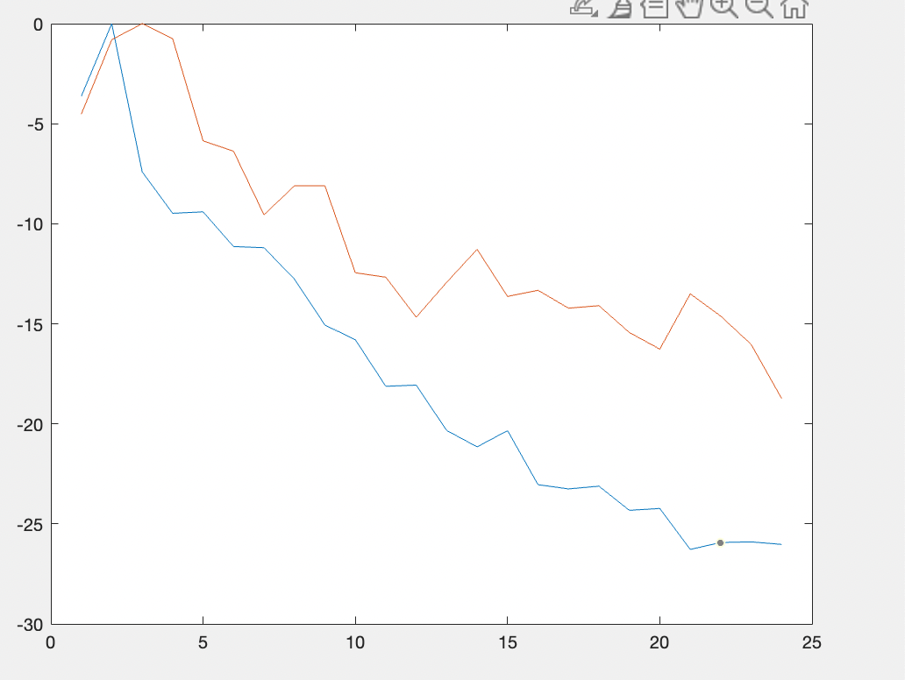

 |  |  |  |  |  |  |  |  |  | zAbsorption = zSOS(absorptionGEQ(t_target_t60, delays, MeasuresStruct.SAMPLE_RATE),'isDiagonal',true);

 |  |  |  |  |  |  |  |  |  | % power correction filter
 |  |  |  |  |  |  |  |  |  | powerCorrectionSOS = designGEQ(t_initial_spectrum_values, MeasuresStruct.SAMPLE_RATE);
 |  |  |  |  |  |  |  |  |  | outputFilters = zSOS(permute(powerCorrectionSOS,[3 4 1 2]) .* output_gain);

 |  |  |  |  |  |  |  |  |  | irTimeDomain = dss2impz(length(MeasuresStruct.SIGNAL), delays, feedback_matrix, input_gain', outputFilters, direct, 'absorptionFilters', zAbsorption);

Sheet3
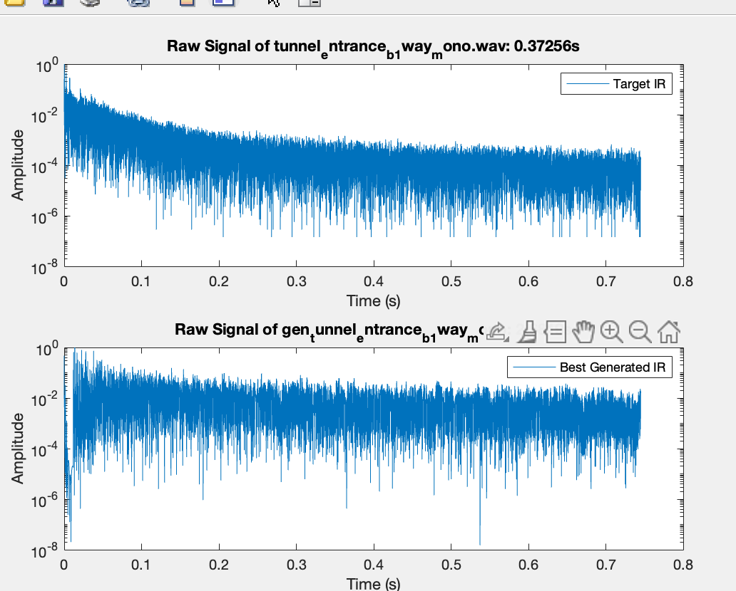
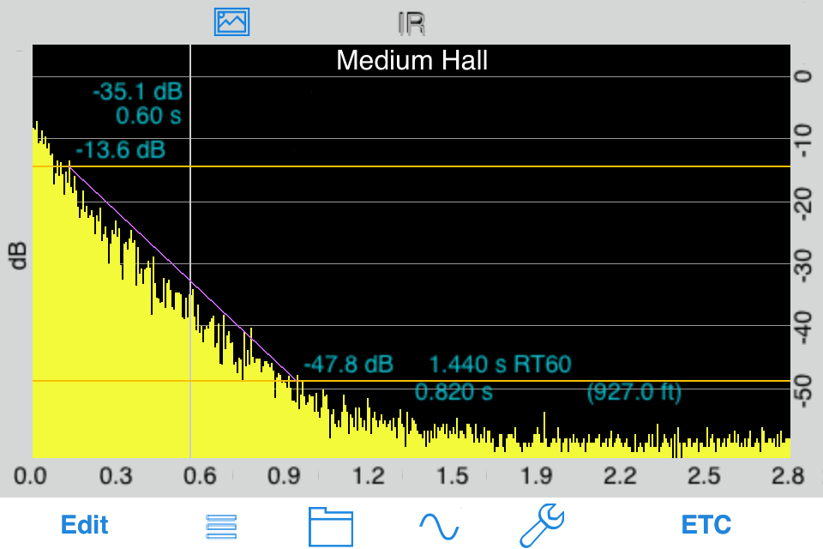

 |  |  |  |  | There is a problem about the overall decay
 |  |  |  |  | that overall decay is a low frequency….
 |  |  |  |  | so something is wrong in the bottom of the spectrum
 |  |  |  |  | so let's add extra bands for analysis

 |  |  | OctaveCenterFreqs_for_power

 |  |  |  | 48000
3.4396170528 | 0.29073003902 | 1.953125
1.6898741743 | 0.59176003469 | 3.90625 | 5.0092687765 |  |  | see the curve and impulse response at different key frequencies (1k, 2k, 4k etc…) + global like above
1.1200841923 | 0.89279003035 | 7.8125 | 5.4881999347
0.83764719824 | 1.193820026 | 15.625 | 7.6473882441
0.66896343145 | 1.4948500217 | 31.25 | 11.770395544
0.55683007236 | 1.7958800173 | 62.5 | 19.153023497
0.47689218602 | 2.096910013 | 125 | 32.303820574
0.41702461128 | 2.3979400087 | 250 | 55.869799832
0.37051171313 | 2.6989700043 | 500 | 98.442040552
0.33333333333 | 3 | 1000 | 175.96126162
0.30293575075 | 3.3010299957 | 2000 | 318.13454204
0.27761891873 | 3.6020599913 | 4000 | 580.55466949
0.25620726228 | 3.903089987 | 8000 | 1067.652362
0.23786190787 | 4.2041199827 | 16000 | 1976.2766806

Sheet4
g_t60 | 2.661375 | 0.31058333333 | 0.7420625 | 0.92758333333 | 0.40902083333 | 0.484625 | 0.82925 | 0.91827083333 | 0.28802083333 | 0.388375 | 0.25241666667 | 0.32245833333 | 0.23404166667 | 0.4195625 | 0.34652083333 | 0.55797916667 | 0.72641666667 | 0.87785416667 | 2.7673333333 | 2.0537083333
t_t-60 | 4.3946666667 | 0.33335416667 | 1.4475416667 | 1.8834375 | 0.43070833333 | 0.67135416667 | 0.79272916667 | 1.0603125 | 0.36620833333 | 0.862 | 0.745125 | 1.809375 | 0.89666666667 | 1.7351041667 | 1.0390208333 | 1.6697916667 | 1.3036458333 | 1.5633333333 | 3.647375 | 3.5835208333
Reverberation Time -60dB | 1.7332916667 | 0.022770833333 | 0.70547916667 | 0.95585416667 | 0.0216875 | 0.18672916667 | 0.036520833333 | 0.14204166667 | 0.0781875 | 0.473625 | 0.49270833333 | 1.4869166667 | 0.662625 | 1.3155416667 | 0.6925 | 1.1118125 | 0.57722916667 | 0.68547916667 | 0.88004166667 | 1.5298125

t_c80 | 5.7768141068 | 27.39087565 | 9.1627415244 | 5.7869400276 | 22.429106492 | 18.527361771 | 14.003436879 | 11.004332238 | 23.625537366 | 17.568536109 | 23.319578252 | 17.778424155 | 22.001683566 | 15.042972343 | 14.660437794 | 10.144773392 | 9.3652850462 | 4.5083415097 | 6.6266132808 | 2.4241043795
g_c80 | -0.93977955976 | 18.74893637 | 6.8307464454 | 5.9532482711 | 15.319192341 | 12.94857343 | 6.5076446275 | 4.2189044658 | 15.448684678 | 14.887571159 | 20.895522751 | 16.084419175 | 17.24967824 | 11.143015178 | 15.463923389 | 8.5849646652 | 8.2128973845 | 4.9538964909 | 2.3424946225 | 1.3266159052
Clarity 80 ms | 6.7165936666 | 8.6419392801 | 2.3319950789 | 0.16630824356 | 7.1099141511 | 5.5787883416 | 7.4957922516 | 6.7854277725 | 8.1768526885 | 2.6809649508 | 2.4240555016 | 1.6940049794 | 4.7520053259 | 3.8999571656 | 0.8034855949 | 1.5598087267 | 1.1523876617 | 0.44555498114 | 4.2841186584 | 1.0974884743

g_br | 4.0399917673 | 2.4402266177 | -0.021869289181 | 1.7317088066 | 2.1235363703 | 2.9874711942 | 3.1632838662 | 3.1469237852 | 4.2070808872 | 3.5463409683 | -0.35202390072 | 0.21201506003 | -1.8222320913 | 0.18618468831 | -1.0543830882 | -4.6334731158 | 1.3840432425 | 0.52854991901 | -0.088805844175 | 1.9994280474
t_br | 3.4747527819 | -6.2031384495 | -0.40406845988 | 4.1684460412 | 2.7992379985 | 3.9164326651 | 0.57609770736 | 3.2425838543 | -3.8659679751 | 3.8822367496 | -3.5958854392 | 2.9851522724 | -3.3570738527 | 3.6228436944 | -1.7469210764 | 4.2173367153 | -0.17345586156 | 5.961656292 | -0.23280277588 | 3.5734827875
Bass Ratio | 0.56523898534 | 8.6433650672 | 0.3821991707 | 2.4367372346 | 0.67570162829 | 0.92896147087 | 2.5871861589 | 0.095660069056 | 8.0730488622 | 0.33589578129 | 3.2438615385 | 2.7731372124 | 1.5348417613 | 3.4366590061 | 0.69253798816 | 8.8508098311 | 1.5574991041 | 5.433106373 | 0.1439969317 | 1.5740547401

t_edt | 0.1804375 | 0.0020520833333 | 0.082822916667 | 0.12590625 | 0.026927083333 | 0.033291666667 | 0.0364375 | 0.061947916667 | 0.0088125 | 0.035166666667 | 0.0093333333333 | 0.03340625 | 0.018145833333 | 0.03921875 | 0.043979166667 | 0.07253125 | 0.084614583333 | 0.14544791667 | 0.14483333333 | 0.24153125
g_edt | 0.34114583333 | 0.020197916667 | 0.1008125 | 0.119625 | 0.042635416667 | 0.064135416667 | 0.10832291667 | 0.096375 | 0.047927083333 | 0.0503125 | 0.036395833333 | 0.04653125 | 0.0463125 | 0.064354166667 | 0.046 | 0.085645833333 | 0.087635416667 | 0.13005208333 | 0.20833333333 | 0.23816666667
Early Decay Time | 0.16070833333 | 0.018145833333 | 0.017989583333 | 0.00628125 | 0.015708333333 | 0.03084375 | 0.071885416667 | 0.034427083333 | 0.039114583333 | 0.015145833333 | 0.0270625 | 0.013125 | 0.028166666667 | 0.025135416667 | 0.0020208333333 | 0.013114583333 | 0.0030208333333 | 0.015395833333 | 0.0635 | 0.0033645833333

