ReviewReport
Title | Path | Reference Image | Classification | Comments
Vehicle | sldemo_autotrans/Vehicle | 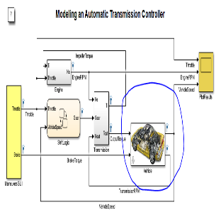 | Info | Change the vehicle image
TransmissionGear Wiring | sldemo_autotrans/Transmission/TransmissionRatio | 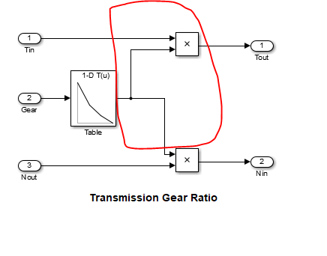 | Warning | Wirng can be improved.

