Intro
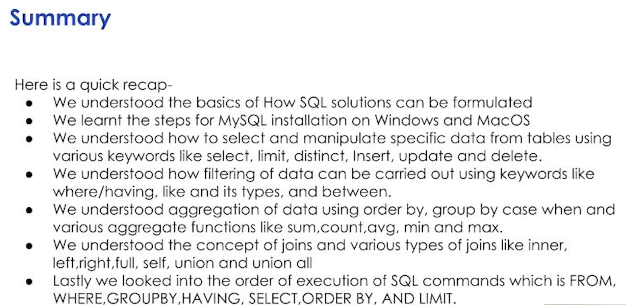
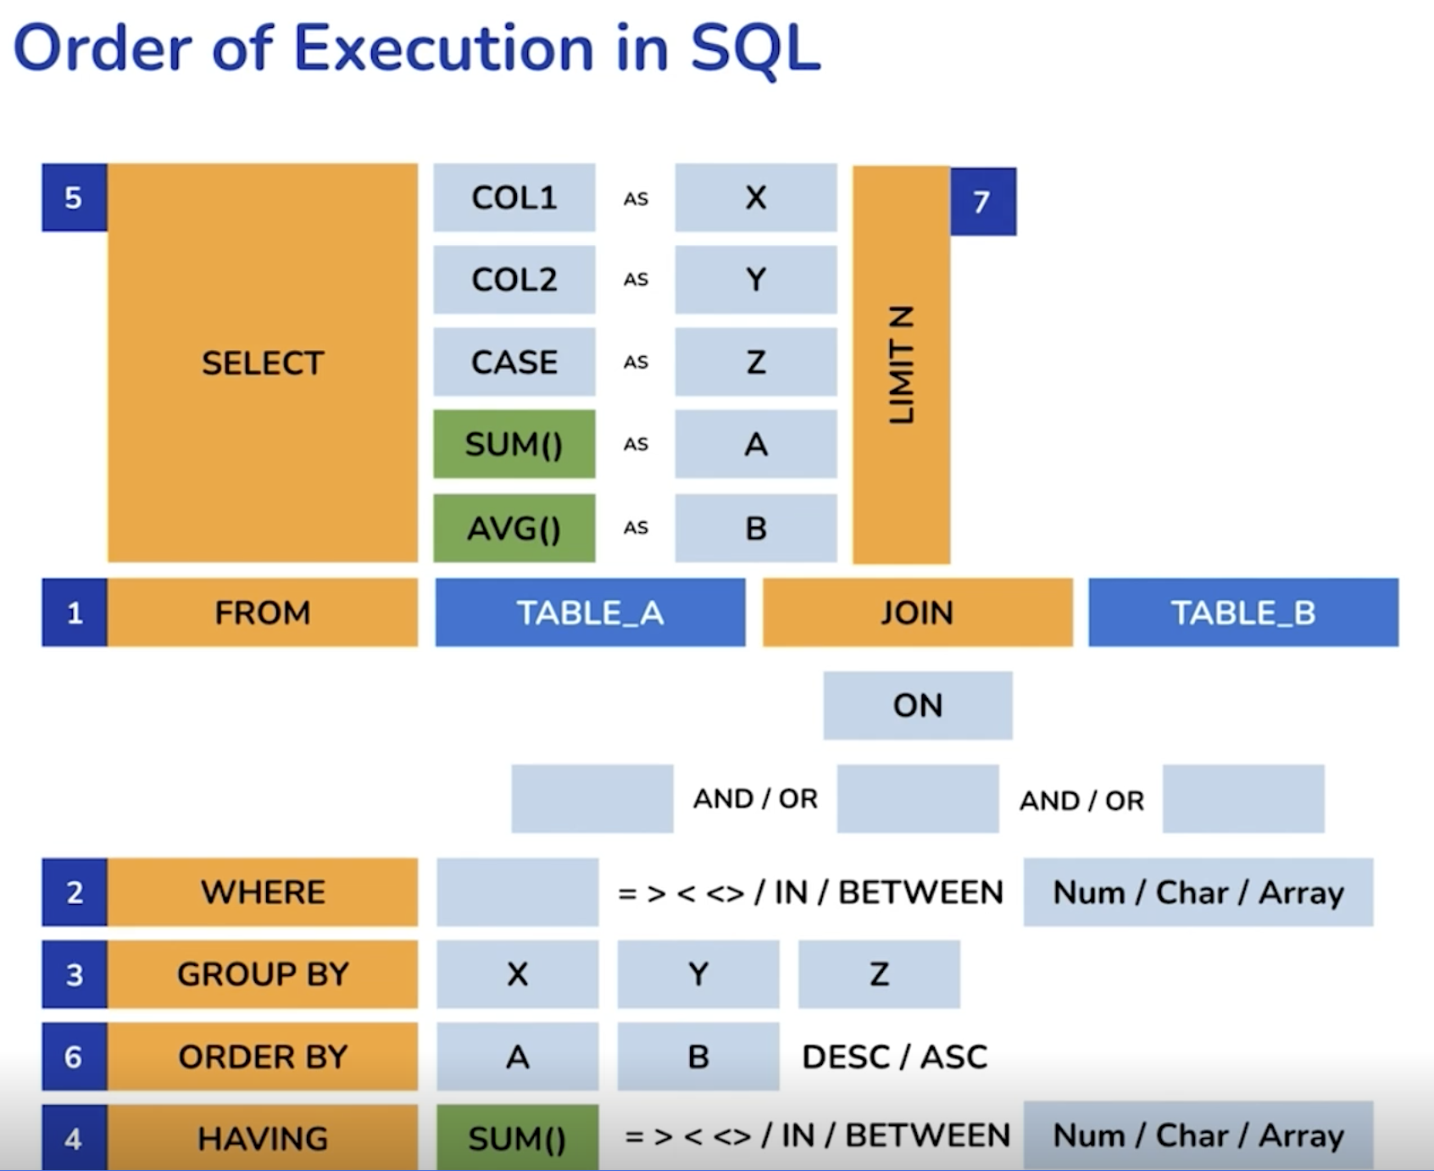

Dump the data into the instance.
Under scheems is where the tables are

Functiuons:
SELECT * | is a function that selecelcts all
FROM | where the data is coming from
 |  | ScheemaName.TableName
LIMIT | saves time if data is too large

Data types:
intPK | intiger primary key; use to uniqely identify a table; column used to refrence when joining and merging tables
CK | composite key; name+lastname+dob

varchar(50) | variable character; not a fixed length but up to 50
varchar(30) | variable character; not fixed length but up to 30; saves time and storage
 |  | same as object or string in Python
char(1) | fixed character; fixed length here 1 for "M" and "F"

int | integer
bigint | large integer (ex: ohone numbers)
date | times
decimal(12.2) | decimal number(sig figs[total number of digits]:decimal places)
decimal(10.4)

Sheet7
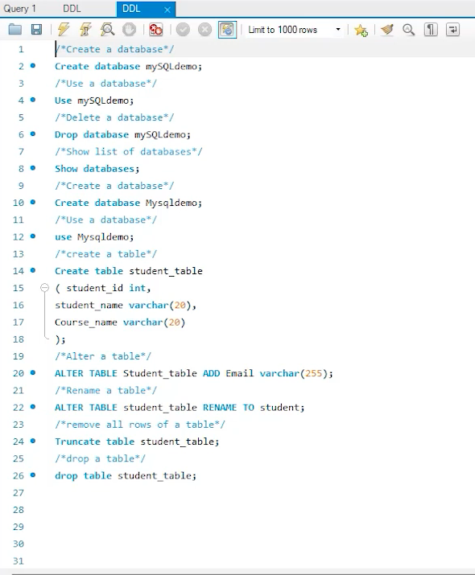
Data Definition Language (DDL)
Defines schema of database
Describing, creating, and modifying structure of database

Fetching
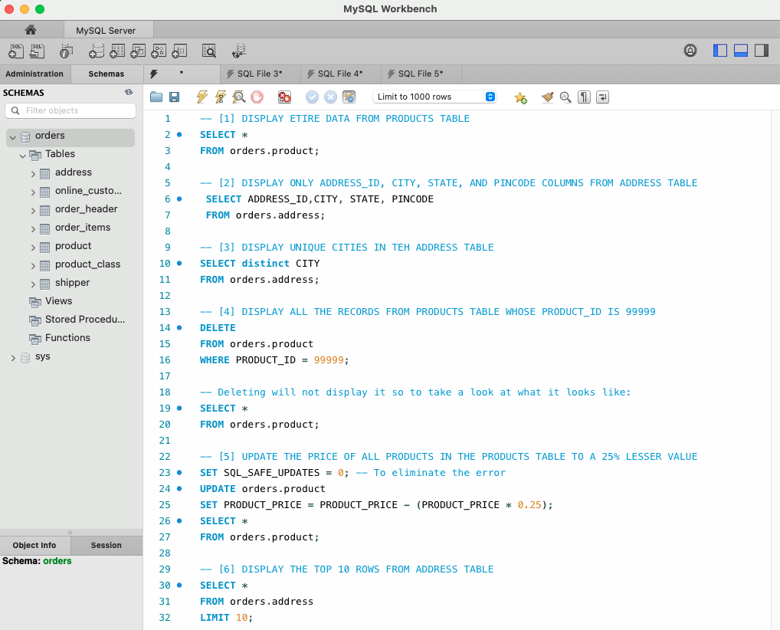
 |  |  | TEST
 |  |  | A | B | C | D
 |  |  | A1 | B1 | USA | 10
 |  |  | A2 | B1 | INDIA | 20
 |  |  | A3 | B2 | GERMANY | 30
 |  |  | A4 | B2 | INDONESIA | 40

COMMAND | DESCRIPTION | QUERY | RESULT OF THE QUERY
SELECT* | Retreive all columns from a table | Hover Mouse to see query | A | B | C | D
 |  |  | A1 | B1 | USA | 10
 |  |  | A2 | B1 | INDIA | 20
 |  |  | A3 | B2 | GERMANY | 30
 |  |  | A4 | B2 | INDONESIA | 40

SELECT * LIMIT 2 | Retreive all columns from a table; only 2 rows | Hover Mouse to see query | A | B | C | D
 |  |  | A1 | B1 | USA | 10
 |  |  | A2 | B2 | INDIA | 20

SELECT <columns> | Retreive specific columns from a table | Hover Mouse to see query | A | B
 |  |  | A1 | B1
 |  |  | A2 | B1
 |  |  | A3 | B2
 |  |  | A4 | B2

SELECT DISTINCT | Retreive unique rows of column(s) from a table | Hover Mouse to see query | B
 |  |  | B1
 |  |  | B2

INSERT | Put new values to the table | Hover Mouse to see query | A | B | C | D
 |  |  | A1 | B1 | USA | 10
 |  |  | A2 | B1 | INDIA | 20
 |  |  | A3 | B2 | GERMANY | 30
 |  |  | A4 | B2 | INDONESIA | 40
 |  |  | A5 | B2 | UK | 25

UPDATE | Update one or more values in the table | Hover Mouse to see query | A | B | C | D
 |  |  | A1 | B1 | USA | 5
 |  |  | A2 | B1 | INDIA | 15
 |  |  | A3 | B2 | GERMANY | 25
 |  |  | A4 | B2 | INDONESIA | 35
 |  |  | A5 | B2 | UK | 20

DELETE | Delete one record from table at a time | Hover Mouse to see query | A | B | C | D
 |  |  | A1 | B1 | USA | 5
 |  |  | A2 | B1 | INDIA | 15
 |  |  | A3 | B2 | GERMANY | 25
 |  |  | A4 | B2 | INDONESIA | 35
 |  |  | A5 | B2 | UK | 20

Filtering
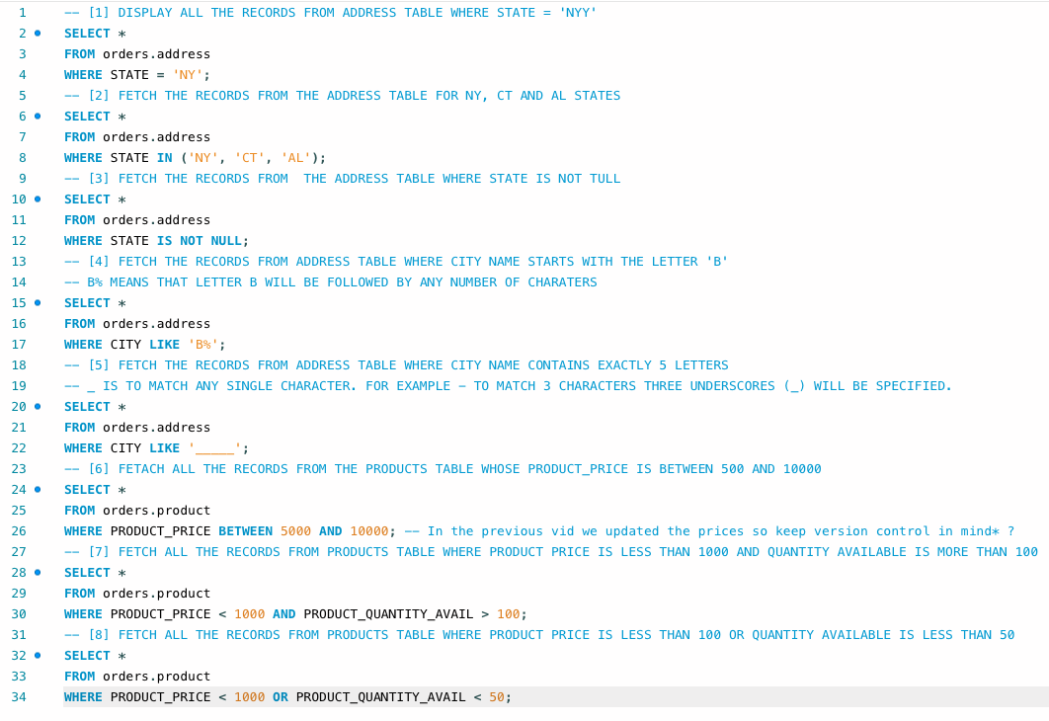
 |  |  | TEST
 |  |  | A | B | C | D
 |  |  | A1 | B1 | USA | 5
 |  |  | A2 | B1 | INDIA | 15
 |  |  | A4 | B2 | INDONESIA | 35
 |  |  | A5 | B2 | UK | 20

COMMAND | DESCRIPTION | QUERY | RESULT OF THE QUERY
WHERE | Fetch data based on a condition | Hover Mouse to see query | A | B | C | D
 |  |  | A4 | B2 | INDONESIA | 35
 |  |  | A5 | B2 | UK | 20

IN | Allows to specify multiple conditions inside a where clause | Hover Mouse to see query | A | B | C | D
 |  |  | A1 | B1 | USA | 5
 |  |  | A5 | B2 | UK | 20

LIKE% | Search for a specific patterns with a where clause. % to match zero, one, or more characters. | Hover Mouse to see query | A | B | C | D
 |  |  | A2 | B1 | INDIA | 15
 |  |  | A4 | B2 | INDONESIA | 35

LIKE_ | Search for a specific number characters using '_'. To find a value with 3 characters use '___' | Hover Mouse to see query | A | B | C | D
 |  |  | A1 | B1 | USA | 5

BETWEEN | Fetch the data within specific range (inclusive) | Hover Mouse to see query | A | B | C | D
 |  |  | A2 | B1 | INDIA | 15
 |  |  | A4 | B2 | INDONESIA | 35
 |  |  | A5 | B2 | UK | 20

AND | Fetch the record(s) if all the conditions specified by AND are True | Hover Mouse to see query | A | B | C | D
 |  |  | A4 | B2 | INDONESIA | 35
 |  |  | A5 | B2 | UK | 20

OR | Fetch the record(s) if at least one of the conditions specified by OR is/are True | Hover Mouse to see query | A | B | C | D
 |  |  | A2 | B1 | INDIA | 15
 |  |  | A4 | B2 | INDONESIA | 35
 |  |  | A5 | B2 | UK | 20

NOT | Fetch the record if the condition is NOT True | Hover Mouse to see query | A | B | C | D
 |  |  | A1 | B1 | USA | 5
 |  |  | A2 | B1 | INDIA | 15

Aggregating
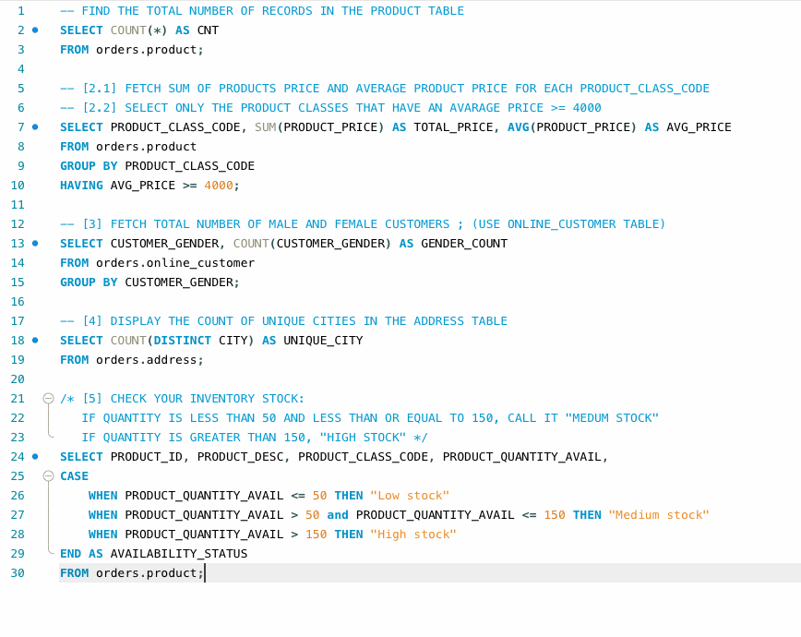
 |  |  | TEST
 |  |  | A | B | C | D
 |  |  | A1 | B1 | USA | 5
 |  |  | A2 | B1 | INDIA | 15
 |  |  | A4 | B2 | INDONESIA | 35
 | AS is used as a renaming tool, like an alies |  | A5 | B2 | UK | 20

COMMAND | DESCRIPTION | QUERY | RESULT OF THE QUERY
SUM() + GROUP BY | Calculate the sum of all selected columns. Works on numeric columns only | Hover Mouse to see query | B | D_TOTAL
 |  |  | B1 | 20
 |  |  | B2 | 55

AVG() + GROUP BY | Calculate average or mean of the selected numeric column | Hover Mouse to see query | B | D_AVERAGE
 |  |  | B1 | 10
 |  |  | B2 | 27.5

MIN() + GROUP BY | Calculate the MIN value of the selected numeric column | Hover Mouse to see query | B | D_MIN
 |  |  | B1 | 5
 |  |  | B2 | 20

MAX() + GROUP BY | Calculate the MAX value of the selected numeric column | Hover Mouse to see query | B | D_MAX
 |  |  | B1 | 15
 |  |  | B2 | 35

COUNT(*) | Count all the rows in the table | Hover Mouse to see query | CNT
 |  |  | 4

COUNT(DISTINCT) | Counts the distinct entries in a column | Hover Mouse to see query | CNT
 |  |  | 2

COUNT() + GROUP BY | Calculate the number of rows in the database table. It works on both numeric and non-numeric column(s) | Hover Mouse to see query | B | B_COUNT
 |  |  | B1 | 2
 |  |  | B2 | 2

ORDER BY | Sort the data in either ascending or descending order | Hover Mouse to see query | A | B | C | D
 |  |  | A4 | B2 | INDONESIA | 35
 |  |  | A5 | B2 | UK | 20
 |  |  | A2 | B1 | INDIA | 15
 |  |  | A1 | B1 | USA | 5

CASE WHEN | Returns the value when a specific condition is met. It works similar to an if else statement in Python. | Hover Mouse to see query | A | B | C | D | CATEGORY
 |  |  | A1 | B1 | USA | 5 | Category 1
 |  |  | A2 | B1 | INDIA | 15 | Category 1
 |  |  | A4 | B2 | INDONESIA | 35 | Category 3
 |  |  | A5 | B2 | UK | 20 | Category 2

Joining Tables
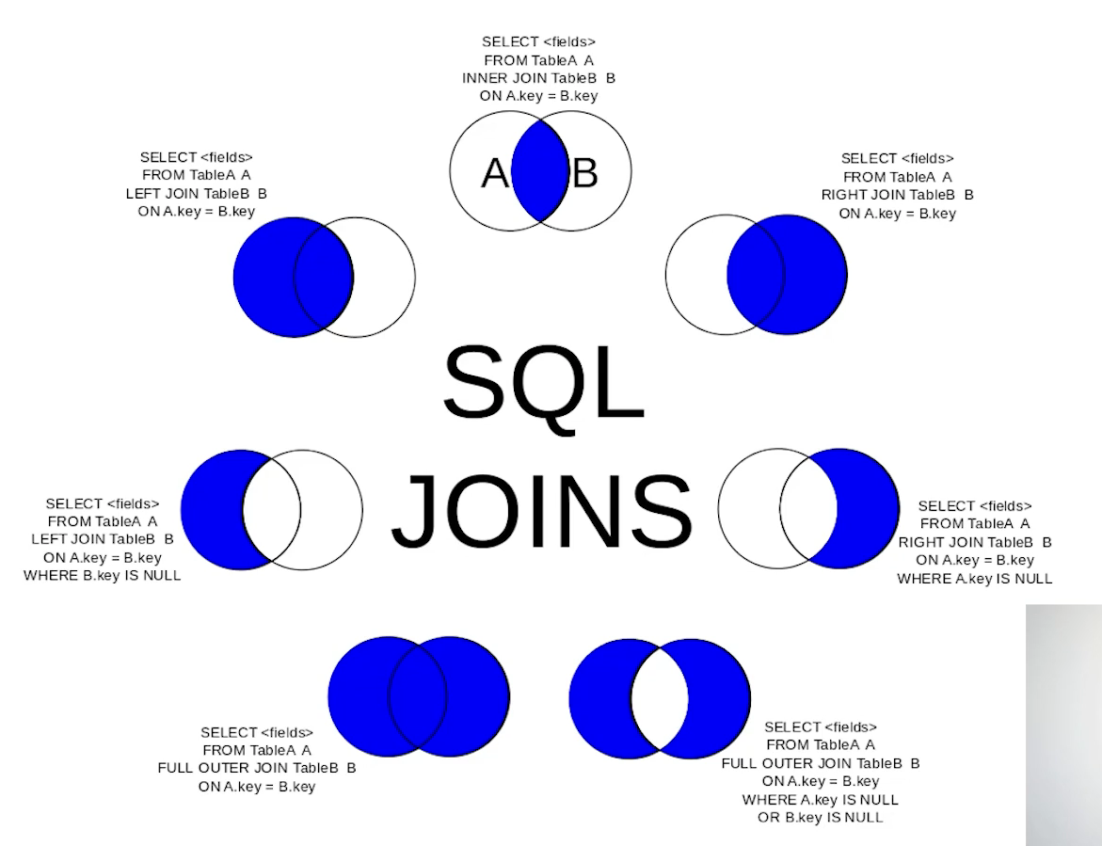
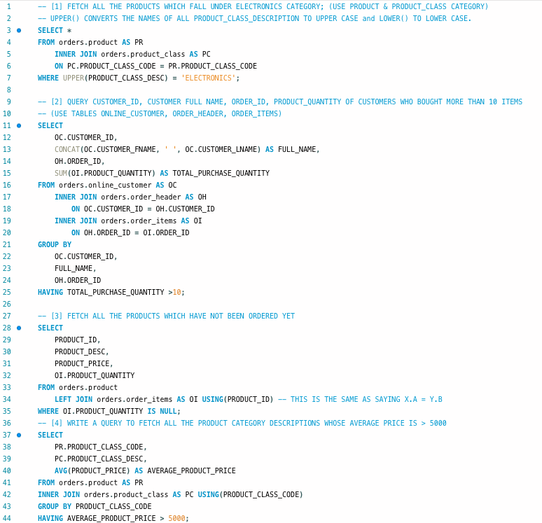
 |  | Table name: | X |  |  |  | Y
 |  |  | A | B | C |  | P | Q | R
 |  |  | A1 | 100 | 10 |  | A1 | 100 | 10
 |  |  | A2 | 200 | 20 |  | A2 | 200 | 20
 |  |  | A3 | 300 | 30 |  | A3 | 300 | 30
 |  |  | A4 | 400 | 40 |  | A5 | 400 | 40

COMMAND | DESCRIPTION | QUERY | RESULT OF THE QUERY
INNER JOIN | Used to fetch common records from two tables using a column present in both the tables | Hover Mouse to see query | X.A | X.B | X.C | Y.P | Y.Q | Y.R
 |  |  | A1 | 100 | 10 | A1 | 100 | 10
 |  |  | A2 | 200 | 20 | A2 | 200 | 20
 |  |  | A3 | 300 | 30 | A3 | 300 | 30

LEFT JOIN | Used to fetch all the records from the left table even if there are no match in the right table | Hover Mouse to see query | X.A | X.B | X.C | Y.P | Y.Q | Y.R
 |  |  | A1 | 100 | 10 | A1 | 100 | 10
 |  |  | A2 | 200 | 20 | A2 | 200 | 20
 |  |  | A3 | 300 | 30 | A3 | 300 | 30
 |  |  | A4 | 400 | 40 | NULL | NULL | NULL

RIGHT JOIN | Used to fetch all the records from the RIGHT table even if there are no match in the right table | Hover Mouse to see query | X.A | X.B | X.C | Y.P | Y.Q | Y.R
 |  |  | A1 | 100 | 10 | A1 | 100 | 10
 |  |  | A2 | 200 | 20 | A2 | 200 | 20
 |  |  | A3 | 300 | 30 | A3 | 300 | 30
 |  |  | NULL | NULL | NULL | A5 | 400 | 40

UNION ALL | Fetches all the records in the two tables. The tables are put on top of each other and the column names are got from the top table. | Hover Mouse to see query | A | B | C
 |  |  | A1 | 100 | 10
 |  |  | A2 | 200 | 20
 |  |  | A3 | 300 | 30
 |  |  | A4 | 400 | 40
 |  |  | A1 | 100 | 10
 | UNION ALL vs. UNION ? |  | A2 | 200 | 20
 |  |  | A3 | 300 | 30
 |  |  | A5 | 400 | 40

UNION | Works the same as UNION ALL, but fetches only the distinct records. | Hover Mouse to see query | A | B | C
 |  |  | A1 | 100 | 10
 |  |  | A2 | 200 | 20
 |  |  | A3 | 300 | 30
 |  |  | A4 | 400 | 40
 |  |  | A5 | 400 | 40

FULL JOIN | When you want all the matching recording in each table along with all the columns. Full join using UNION. | Hover Mouse to see query | X.A | X.B | X.C | Y.P | Y.Q | Y.R
 |  |  | A1 | 100 | 10 | A1 | 100 | 10
 |  |  | A2 | 200 | 20 | A2 | 200 | 20
 |  |  | A3 | 300 | 30 | A3 | 300 | 30
 |  |  | A4 | 400 | 40 | NULL | NULL | NULL
 |  |  | A1 | 100 | 10 | A1 | 100 | 10
 |  |  | A2 | 200 | 20 | A2 | 200 | 20
 |  |  | A3 | 300 | 30 | A3 | 300 | 30
 |  |  | NULL | NULL | NULL | A5 | 400 | 40

CROSS JOIN | Returns the catesian product of the rows of tables in the join. Ex: If X has 4 rows and Y has 4 rows, then the join returns 4*4 = 16 rows. | Hover Mouse to see query | X.A | X.B | X.C | Y.P | Y.Q | Y.R
 |  |  | A1 | 100 | 10 | A1 | 100 | 10
 |  |  | A1 | 100 | 10 | A2 | 200 | 20
 |  |  | A1 | 100 | 10 | A3 | 300 | 30
 |  |  | A1 | 100 | 10 | A5 | 400 | 40
 |  |  | A2 | 200 | 20 | A1 | 100 | 10
 |  |  | A2 | 200 | 20 | A2 | 200 | 20
 |  |  | A2 | 200 | 20 | A3 | 300 | 30
 |  |  | A2 | 200 | 20 | A5 | 400 | 40
 |  |  | A3 | 300 | 30 | A1 | 100 | 10
 |  |  | A3 | 300 | 30 | A2 | 200 | 20
 |  |  | A3 | 300 | 30 | A3 | 300 | 30
 |  |  | A3 | 300 | 30 | A5 | 400 | 40
 |  |  | A4 | 400 | 40 | A1 | 100 | 10
 |  |  | A4 | 400 | 40 | A2 | 200 | 20
 |  |  | A4 | 400 | 40 | A3 | 300 | 30
 |  |  | A4 | 400 | 40 | A5 | 400 | 40

SELF JOIN | It is used to join a table to itself. Generally used for comparing the rows with the same table. | Hover Mouse to see query | T1.A | T1.B | T1.C | T1.A | T2.B | T2.C
 |  |  | A1 | 100 | 10 | A1 | 100 | 10
 |  |  | A2 | 200 | 20 | A2 | 200 | 20
 |  |  | A3 | 300 | 30 | A3 | 300 | 30
 |  |  | A4 | 400 | 40 | A4 | 400 | 40

