Key
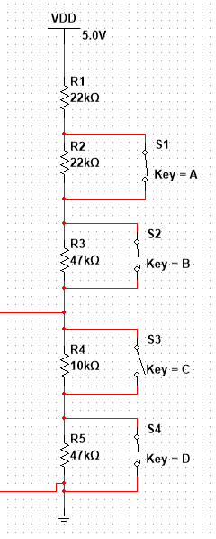
 |  |  | mVolt | Adc | Fix R1 | 22 | Kohm |  | 10
 |  |  | 3300 | 4096 | R2 | 22 | Kohm |  | 22
 |  |  |  |  | R3 | 47 | Kohm |  | 39
 |  |  |  |  | R4 | 10 | Kohm |  | 10
 |  |  |  |  | R5 | 47 | Kohm |  | 47
 |  |  |  |  | Fix R6 | 0 | Kohm |  | 0

 |  |  |  |  |  |  |  | *
 |  |  |  |  |  |  | 22 | 22
 |  |  |  |  |  |  | 22 | 22
 |  |  |  |  |  |  | 39 | 47
 |  |  | mVolt | Diff | Measured |  | 10 | 10
S1 S3 S4 | 0 | adc | 0 | 0 |  |  | 47 | 47
S2 S3 S4 | 0 | adc | 0 | 0
S3 S4 | 0 | adc | 0 | 0
S4 | 406 | adc | 327 | 406 | 98
S1 S4 | 518 | adc | 418 | 113 | 126
S2 S4 | 759 | adc | 611 | 240 | 186
S3 | 1395 | adc | 1124 | 636 | 346
def | 1578 | adc | 1271 | 182 | 392
S1 S2 S4 | 1280 | adc | 1031 | -298 | 312
S1 S3 | 1660 | adc | 1337 | 380 | 412
S1 | 1853 | adc | 1493 | 193 | 460
S1 S2 | 2955 | adc | 2381 | 1102 | 735
S2 S3 | 2116 | adc | 1704 | -840 | 527
S2 | 2312 | adc | 1862 | 196 | 576
S1 S2 S3 | 2790 | adc | 2248 | 478 | 693

