Key
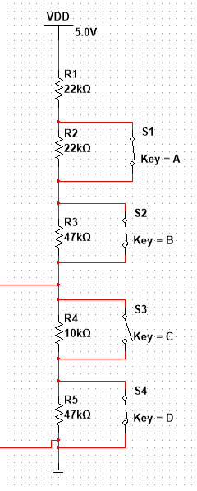
 |  |  | mVolt | Adc | Fix R1 | 22 | Kohm |  | 10
 |  |  | 5000 | 1024 | R2 | 22 | Kohm |  | 22
 |  |  |  |  | R3 | 47 | Kohm |  | 39
 |  |  |  |  | R4 | 10 | Kohm |  | 10
 |  |  |  |  | R5 | 47 | Kohm |  | 47
 |  |  |  |  | Fix R6 | 0 | Kohm |  | 0

 |  |  |  |  |  |  |  | *
 |  |  |  |  |  |  | 22 | 22
 |  |  |  |  |  |  | 22 | 22
 |  |  |  |  |  |  | 39 | 47
 |  |  | mVolt | Diff | Measured |  | 10 | 10
S1 S3 S4 | 0 | adc | 0 | 0 |  |  | 47 | 47
S2 S3 S4 | 0 | adc | 0 | 0
S3 S4 | 0 | adc | 0 | 0
S4 | 101 | adc | 495 | 101 | 98
S1 S4 | 130 | adc | 633 | 28 | 126
S2 S4 | 190 | adc | 926 | 60 | 186
S3 | 349 | adc | 1703 | 159 | 346
def | 394 | adc | 1926 | 46 | 392
S1 S2 S4 | 320 | adc | 1563 | -74 | 312
S1 S3 | 415 | adc | 2026 | 95 | 412
S1 | 463 | adc | 2262 | 48 | 460
S1 S2 | 739 | adc | 3608 | 276 | 735
S2 S3 | 529 | adc | 2582 | -210 | 527
S2 | 578 | adc | 2822 | 49 | 576
S1 S2 S3 | 698 | adc | 3406 | 120 | 693

