Key
 |  |  |  |  |  |  | Pullup | 47.0 | Kohm
 | 22 | 10 | 2.2 |  | mVolt | mVolt | Fix R1 | 2.2 | Kohm | 10
 | 22 | 10 | 2.2 |  | 5000 | 3300 | R2 | 2.2 | Kohm | 22
 | 47 | 10 | 4.7 |  |  |  | R3 | 4.7 | Kohm | 39 | #REF! | 0.38513513514 | #REF!
 | 10 | 10 | 1.0 |  |  |  | R4 | 1.0 | Kohm | 10 | 5000 | 0.38513513514 | 1925.6756757 | 1.2412121212 | 2390.1719902
 | 47 | 10 | 4.7 |  |  |  | R5 | 4.7 | Kohm | 47
 | 0 | 10 | 0.0 |  |  |  | Fix R6 | 0.0 | Kohm | 0
 |  |  |  |  |  |  |  | 14.8 |  | 128
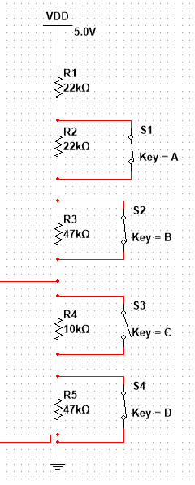
 |  |  |  | mVolt | mVolt | Diff | Measured
S1 S3 S4 | 0 | 4096 | 3300.0 |  | 0 | 0
S2 S3 S4 | 0 | 4096 | 3300.0 |  | 0 | 0 |  |  |  |  | adc
S3 S4 | 0 | 4096 | 3300.0 |  | 0 | 0 |  |  |  |  | 4096 | 3300
S4 | 327 | 4096 | 3300.0 |  | 495 | 327 | 98 |  |  |  |  | 1925 | 2389.3333333
S1 S4 | 418 | 4096 | 3300.0 |  | 633 | 91 | 126
S2 S4 | 611 | 4096 | 3300.0 |  | 926 | 193 | 186
S3 | 1124 | 4096 | 3300.0 |  | 1703 | 513 | 346 |  |  |  | 4096 | 3300
def | 1271 | 4096 | 3300.0 | 1.2412121212 | 1578 | 147 | 392 |  |  |  |  | 1
S1 S2 S4 | 1031 | 4096 | 3300.0 |  | 1563 | -240 | 312
S1 S3 | 1337 | 4096 | 3300.0 |  | 2026 | 306 | 412
S1 | 1493 | 4096 | 3300.0 |  | 2262 | 156 | 460
S1 S2 | 2381 | 4096 | 3300.0 |  | 3608 | 888 | 735
S2 S3 | 1704 | 4096 | 3300.0 |  | 2582 | -677 | 527
S2 | 1862 | 4096 | 3300.0 |  | 2822 | 158 | 576
S1 S2 S3 | 2248 | 4096 | 3300.0 |  | 3406 | 385 | 693

