ICBM
 | See yellow model output, change RED params below, check model structure lower right (v1.2)
Per month | Input, i | ky | ko | Humific. quotient, h |  |  | Ext. influence, re | Y0 | O0

 | driving | 0.253387 | 0.009469 |  | 0.170 |  | 1.050 | 3.067 | 40.243

 | Y(t) | O(t) | Ctot | Measured
1956 | 3.0670110761 | 40.242988924 | 43.31 | 43.3152
1957 | 2.3505448363 | 39.966026587 | 42.316571423
1958 | 1.801448019 | 39.663498699 | 41.464946718
1959 | 1.3806224477 | 39.342270487 | 40.722892934
1960 | 1.0581034384 | 39.007594596 | 40.065698034
1961 | 0.81092617914 | 38.663487886 | 39.474414065
1962 | 0.62149053123 | 38.313020201 | 38.934510733
1963 | 0.47630781981 | 37.958535683 | 38.434843503
1964 | 0.36504037923 | 37.601822381 | 37.96686276
1965 | 0.27976546453 | 37.244242243 | 37.524007707
1966 | 0.21441111613 | 36.886830737 | 37.101241853
1967 | 0.16432380887 | 36.530373201 | 36.69469701 | 37.27071977
1968 | 0.12593709994 | 36.175463356 | 36.301400456
1969 | 0.096517682074 | 35.822548148 | 35.91906583
1970 | 0.073970759667 | 35.471962118 | 35.545932877
1971 | 0.056690889878 | 35.123953734 | 35.180644624
1972 | 0.043447667831 | 34.778705582 | 34.82215325
1973 | 0.033298116222 | 34.436349832 | 34.469647949
1974 | 0.025519541078 | 34.096980092 | 34.122499633 | 35.783519643
1975 | 0.01955807267 | 33.760660489 | 33.780218562 | 34.591772885
1976 | 0.014989227486 | 33.427432639 | 33.442421866
1977 | 0.011487683087 | 33.097320971 | 33.108808654 | 34.577208738
1978 | 0.0088041136764 | 32.770336824 | 32.779140938
1979 | 0.0067474369758 | 32.446481572 | 32.453229009 | 34.85625368
1980 | 0.0051712083028 | 32.125749027 | 32.130920235
1981 | 0.0039631930475 | 31.808127277 | 31.81209047
1982 | 0.0030373750605 | 31.493600092 | 31.496637467
1983 | 0.0023278319143 | 31.182148008 | 31.18447584 | 32.483863124
1984 | 0.0017840409278 | 30.873749145 | 30.875533186
1985 | 0.0013672817236 | 30.568379846 | 30.569747128 | 30.282118952
1986 | 0.0010478791617 | 30.266015158 | 30.267063038
1987 | 0.00080309033497 | 29.966629202 | 29.967432292 | 29.832897139
1988 | 0.00061548517207 | 29.670195456 | 29.670810941
1989 | 0.00047170533693 | 29.376686973 | 29.377158679 | 29.529682369
1990 | 0.00036151305504 | 29.086076544 | 29.086438057
1991 | 0.00027706213759 | 28.798336825 | 28.798613887 | 29.483645842
1992 | 0.00021233929734 | 28.513440433 | 28.513652772
1993 | 0.00016273597536 | 28.231360016 | 28.231522752 | 30.017513824
1994 | 0.00012472019079 | 27.952068315 | 27.952193035
1995 | 9.5585047839E-05 | 27.675538196 | 27.675633781 | 26.792940654
1996 | 7.3255992577E-05 | 27.401742691 | 27.401815947
1997 | 5.6143095282E-05 | 27.130655014 | 27.130711157 | 28.171763037
1998 | 4.3027840276E-05 | 26.862248582 | 26.86229161
1999 | 3.2976362089E-05 | 26.596497027 | 26.596530003 | 28.108180551
2000 | 2.5272950017E-05 | 26.333374205 | 26.333399478
2001 | 1.9369086282E-05 | 26.072854201 | 26.072873571 | 26.649056143
2002 | 1.4844389085E-05 | 25.814911338 | 25.814926183
2003 | 1.1376679525E-05 | 25.559520173 | 25.55953155
2004 | 8.719040997E-06 | 25.306655504 | 25.306664223
2005 | 6.6822376197E-06 | 25.056292367 | 25.056299049 | 25.994636843
...
year | Input | Y(t) | O(t) | Ctot | Measured | News simulation
1956 | 0 | 3.0670110761 | 40.242988924 | 43.31 | 43.3152 | 43.3152
1957 | 0 | 2.3505448363 | 39.966026587 | 42.316571423 |  | 42.430484084
1958 | 0 | 1.801448019 | 39.663498699 | 41.464946718 |  | 41.52322733
1959 | 0 | 1.3806224477 | 39.342270487 | 40.722892934 |  | 40.703724471
1960 | 0 | 1.0581034384 | 39.007594596 | 40.065698034 |  | 40.2100913
1961 | 0 | 0.81092617914 | 38.663487886 | 39.474414065 |  | 39.578341155
1962 | 0 | 0.62149053123 | 38.313020201 | 38.934510733 |  | 38.907993364 |  | #REF!
1963 | 0 | 0.47630781981 | 37.958535683 | 38.434843503 |  | 38.456795768
1964 | 0 | 0.36504037923 | 37.601822381 | 37.96686276 |  | 37.982851231
1965 | 0 | 0.27976546453 | 37.244242243 | 37.524007707 |  | 37.607519591
1966 | 0 | 0.21441111613 | 36.886830737 | 37.101241853 |  | 37.216004235
1967 | 0 | 0.16432380887 | 36.530373201 | 36.69469701 | 37.27071977 | 36.887964703
1968 | 0 | 0.12593709994 | 36.175463356 | 36.301400456 |  | 36.499267403
1969 | 0 | 0.096517682074 | 35.822548148 | 35.91906583 |  | 36.156853066
1970 | 0 | 0.073970759667 | 35.471962118 | 35.545932877 |  | 35.849561546
1971 | 0 | 0.056690889878 | 35.123953734 | 35.180644624 |  | 35.546860994
1972 | 0 | 0.043447667831 | 34.778705582 | 34.82215325 |  | 35.2447972
1973 | 0 | 0.033298116222 | 34.436349832 | 34.469647949 |  | 34.928685929
1974 | 0 | 0.025519541078 | 34.096980092 | 34.122499633 | 35.783519643 | 34.590566896
1975 | 0 | 0.01955807267 | 33.760660489 | 33.780218562 | 34.591772885 | 34.26156158
1976 | 0 | 0.014989227486 | 33.427432639 | 33.442421866 |  | 33.893327456
1977 | 0 | 0.011487683087 | 33.097320971 | 33.108808654 | 34.577208738 | 33.655183965
1978 | 0 | 0.0088041136764 | 32.770336824 | 32.779140938 |  | 33.371231217
1979 | 0 | 0.0067474369758 | 32.446481572 | 32.453229009 | 34.85625368 | 33.057686053
1980 | 0 | 0.0051712083028 | 32.125749027 | 32.130920235 |  | 32.700539776
1981 | 0 | 0.0039631930475 | 31.808127277 | 31.81209047 |  | 32.371946875
1982 | 0 | 0.0030373750605 | 31.493600092 | 31.496637467 |  | 32.062799439
1983 | 0 | 0.0023278319143 | 31.182148008 | 31.18447584 | 32.483863124 | 31.769781881
1984 | 0 | 0.0017840409278 | 30.873749145 | 30.875533186 |  | 31.450382656
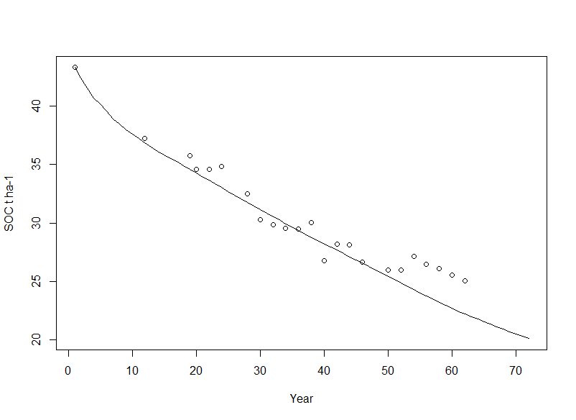
1985 | 0 | 0.0013672817236 | 30.568379846 | 30.569747128 | 30.282118952 | 31.123241214
1986 | 0 | 0.0010478791617 | 30.266015158 | 30.267063038 |  | 30.847430683
1987 | 0 | 0.00080309033497 | 29.966629202 | 29.967432292 | 29.832897139 | 30.536445394
1988 | 0 | 0.00061548517207 | 29.670195456 | 29.670810941 |  | 30.264355685
1989 | 0 | 0.00047170533693 | 29.376686973 | 29.377158679 | 29.529682369 | 29.943077761
1990 | 0 | 0.00036151305504 | 29.086076544 | 29.086438057 |  | 29.667723689
1991 | 0 | 0.00027706213759 | 28.798336825 | 28.798613887 | 29.483645842 | 29.356900191
1992 | 0 | 0.00021233929734 | 28.513440433 | 28.513652772 |  | 29.030647299
1993 | 0 | 0.00016273597536 | 28.231360016 | 28.231522752 | 30.017513824 | 28.726192815
1994 | 0 | 0.00012472019079 | 27.952068315 | 27.952193035 |  | 28.470035358
1995 | 0 | 9.5585047839E-05 | 27.675538196 | 27.675633781 | 26.792940654 | 28.197248974
1996 | 0 | 7.3255992577E-05 | 27.401742691 | 27.401815947 |  | 27.944032031
1997 | 0 | 5.6143095282E-05 | 27.130655014 | 27.130711157 | 28.171763037 | 27.713862129
1998 | 0 | 4.3027840276E-05 | 26.862248582 | 26.86229161 |  | 27.399490308
1999 | 0 | 3.2976362089E-05 | 26.596497027 | 26.596530003 | 28.108180551 | 27.108006114
2000 | 0 | 2.5272950017E-05 | 26.333374205 | 26.333399478 |  | 26.86696172
2001 | 0 | 1.9369086282E-05 | 26.072854201 | 26.072873571 | 26.649056143 | 26.582391974
2002 | 0 | 1.4844389085E-05 | 25.814911338 | 25.814926183 |  | 26.279095108
2003 | 0 | 1.1376679525E-05 | 25.559520173 | 25.55953155 |  | 26.006679763
2004 | 0 | 8.719040997E-06 | 25.306655504 | 25.306664223 |  | 25.731393489
2005 | 0 | 6.6822376197E-06 | 25.056292367 | 25.056299049 | 25.994636843 | 25.431313713
2006 | 0 | 5.121239781E-06 | 24.808406039 | 24.80841116 |  | 25.146523213
2007 | 0 | 3.9248973753E-06 | 24.562972035 | 24.56297596 | 25.972207435 | 24.84053996
2008 | 0 | 3.0080254128E-06 | 24.319966108 | 24.319969116 |  | 24.560059253
2009 | 0 | 2.3053384634E-06 | 24.079364249 | 24.079366554 | 27.151541009 | 24.292778875
2010 | 0 | 1.7668020384E-06 | 23.841142681 | 23.841144447 |  | 24.025083934
2011 | 0 | 1.3540699088E-06 | 23.605277862 | 23.605279216 | 26.449848454 | 23.768401938
2012 | 0 | 1.0377536804E-06 | 23.371746481 | 23.371747519 |  | 23.493306679
2013 | 0 | 7.9533020725E-07 | 23.140525458 | 23.140526254 | 26.082692769 | 23.200939037
2014 | 0 | 6.095378417E-07 | 22.911591938 | 22.911592548 |  | 22.961960789
2015 | 0 | 4.6714732707E-07 | 22.684923293 | 22.684923761 | 25.547114884 | 22.687779414
2016 | 0 | 3.5801981479E-07 | 22.460497118 | 22.460497476 |  | 22.429182787
2017 | 0 | 2.7438493245E-07 | 22.238291229 | 22.238291503 | 25.034595626 | 22.192970161
2018 | 0 | 2.1028749819E-07 | 22.01828366 | 22.018283871 |  | 21.981674345
2019 | 0 | 1.6116348482E-07 | 21.800452666 | 21.800452827 |  | 21.763959817
 |  |  |  |  |  | 21.548401622
 |  |  |  |  |  | 21.334978401
 |  |  |  |  |  | 21.123669006
 |  |  |  |  |  | 20.9144525
 |  |  |  |  |  | 20.707308153
 |  |  |  |  |  | 20.502215442
 |  |  |  |  |  | 20.299154046
 |  |  |  |  |  | 20.098103844

