1. Title Page
[Instacart Grocery Basket Analysis]

Project Name: Instacart Grocery Basket Analysis
Date: 25/12/2023
Analyst Name: Ilona Lazoryshyna

Contents:
Population Flow
Consistency checks
Wrangling steps
Column derivations
Visualizations
Recommendations

Data Citation: “The Instacart Online Grocery Shopping Dataset 2017”, Accessed from www.instacart.com/datasets/grocery-shopping-2017 via Kaggle on 25/12/2023 .
The columns 'prices' and 'products' and the customer data were added to the original data set for learning purposes of the Career Foundry course.

2. Population Flow
Title page

Population flow

Exclusion flag
Condition: max_order < 5,
Obervations to be removed: Removed customers who have made less than 5 orders - 1,440,341 rows.
Final total count of order_products_all: 30964518 rows and 38 columns.

Orders_products_combined
Orders_products_merged
Orders_products_all

Total: 32434489rows and 11 columns
Total: 32404859 rows and 15 columns
Total: 32404859 rows and 34 columns

1.) The grey boxes in the first row of the population flow represent the original data sets as they were when you downloaded them. In the Total fields you need to add the count of the rows when you imported the data set into Jupyter.
2.) The second row of boxes (coloured) represents the data sets after you manipulated them, e.g., removed missing values and duplicates. In the Total fields you need to add the count of the rows after conducting these operations. This offers a visual oveview of how the data flows throughout the data consistency checks.
3.) The third row, where also the arrows are coloured, represents the merges you performed between the datasets. In the Total fields you need to add the count of the rows in the merged datasets, so that you end up with the final dataset (in the red box). Keep in mind the final dataset should be without exclusions (based on the exclusion flag).

3. Consistency checks
 |  |  |  | Title page
Consistency checks

Dataset | Missing values | Missing values treatment | Duplicates
orders | 206,309 missing values from days_since_prior_order | The values remain in the dataset since the 'order_number' of each of these customers is 1. | No duplicates found
products | 16 missing values from products_name | The rows with missing values were removed. | 5 duplicates were found and removed.
orders_products_prior | 5,127 NaN Values from prices | Values were marked as prices from 14,900 to 99,999. So they were converted to NaN to prevent unreasonable outliers in the analysis. | No duplicates found
customers | First_name had 11259 missing values | No action required | No duplicates found

4. Wrangling steps
 |  |  |  | Title page
Wrangling steps

Columns dropped | Columns renamed | Columns' type changed | Comment/Reason
unnamed: 0 |  |  | removed as it was unnecessary
unnamed: 0.1 |  |  | removed as it was unnecessary
_merge |  |  | removed as it was unnecessary
 | order_dow |  | changed to day_of_the_week
 | order_hour_of_day |  | changed to order_hour
 | State |  | changed to state
 | First name |  | changed to first_name
 | Surnam |  | changed to last_name
 | Gender |  | changed to gender
 | Age |  | changed to age
 |  | user_id | changed to string

5. Column derivations
 |  |  |  | Title page

Column derivations and aggregations

In this tab you should add tables below that the frequences of flags/label variables that you produced after deriving them. NB: don't do this for continuous variables, only for flags.
Dataset | New column | Column/s it was derived from | Conditions
ords_prods_merged | price_range | prices | def price_label(row): if row['prices'] <= 5: return 'Low-range product' elif (row['prices'] > 5) and (row['prices'] <= 15): return 'Mid-range product' elif row['prices'] > 15: return 'High range' else: return 'Not enough data'
ords_prods_merged | price_range_loc | prices | df.loc[df['prices'] > 15, 'price_range_loc'] = 'High-range product'df.loc[(df['prices'] <= 15) & (df['prices'] > 5), 'price_range_loc'] = 'Mid-range product'df.loc[df['prices'] <= 5, 'price_range_loc'] = 'Low-range product'
ords_prods_merged | busiest_day | orders_day_of_week | result = [] for value in ords_prods_merge["orders_day_of_week"]: if value == 0: result.append("Busiest day") elif value == 4: result.append("Least busy") else: result.append("Regularly busy")
ords_prods_merged | busiest_days | orders_day_of_week | result_2 = [] for value in ords_prods_merge["orders_day_of_week"]: if value == 0 or value == 1: result_2.append("Busiest days") elif value == 4 or value == 3: result_2.append("Slowest days") else: result_2.append("Regularly busy")
ords_prods_merged | busiest_period_of_day | order_hour | result_3 = [] for value in ords_prods_merge["order_hour"]: if value in [10, 11, 14, 15, 13, 12, 16, 9]: result_3.append("Most orders") elif value in [23, 6, 0, 1, 5, 2, 4, 3]: result_3.append("Fewest orders") else: result_3.append("Average orders")
ords_prods_merged | loyalty_flag | max_order | ords_prods_merge.loc[ords_prods_merge['max_order'] > 40, 'loyalty_flag'] = 'Loyal customer'ords_prods_merge.loc[(ords_prods_merge['max_order'] <= 40) & (ords_prods_merge['max_order'] > 10), 'loyalty_flag'] = 'Regular customer'ords_prods_merge.loc[ords_prods_merge['max_order'] <= 10, 'loyalty_flag'] = 'New customer'
ords_prods_merged | spending flag | user_id', 'prices' | ords_prods_merge.loc[ords_prods_merge['avg_price'] < 10, 'spending flag'] = 'Low spender'ords_prods_merge.loc[ords_prods_merge['avg_price'] >= 10, 'spending flag'] = 'High spender'
ords_prods_merged | frequency flag | user_id', 'days_since_prior_order' | ords_prods_merge.loc[ords_prods_merge['median_order_frequency'] > 20, 'frequency flag'] = 'Non-frequent customer' ords_prods_merge.loc[(ords_prods_merge['median_order_frequency'] > 10) & (ords_prods_merge['median_order_frequency'] <= 20), 'frequency flag'] = 'Regular customer' ords_prods_merge.loc[ords_prods_merge['median_order_frequency'] <= 10, 'frequency flag'] = 'Frequent customer'
ords_prods_cust | region | state | region_mapping = { 'Northeast': ['Connecticut', 'Maine', 'Massachusetts', 'New Hampshire', 'Rhode Island', 'Vermont', 'New Jersey', 'New York', 'Pennsylvania'], 'Midwest': ['Illinois', 'Indiana', 'Iowa', 'Kansas', 'Michigan', 'Minnesota', 'Missouri', 'Nebraska', 'North Dakota', 'Ohio', 'South Dakota', 'Wisconsin'], 'South': ['Alabama', 'Arkansas', 'Delaware', 'Florida', 'Georgia', 'Kentucky', 'Louisiana', 'Maryland', 'Mississippi', 'North Carolina', 'Oklahoma', 'South Carolina', 'Tennessee', 'Texas', 'Virginia', 'West Virginia', 'District of Columbia'], 'West': ['Alaska', 'Arizona', 'California', 'Colorado', 'Hawaii', 'Idaho', 'Montana', 'Nevada', 'New Mexico', 'Oregon', 'Utah', 'Washington', 'Wyoming'] }
ords_prods_cust_excluded | age_group | age | ords_prods_cust_excluded.loc[(ords_prods_cust_excluded['age'] >= 18) & (ords_prods_cust_excluded['age'] < 28), 'age_group'] = '18_27'ords_prods_cust_excluded.loc[(ords_prods_cust_excluded['age'] >= 28) & (ords_prods_cust_excluded['age'] < 38), 'age_group'] = '28_37'ords_prods_cust_excluded.loc[(ords_prods_cust_excluded['age'] >= 38) & (ords_prods_cust_excluded['age'] < 48), 'age_group'] = '38_47'ords_prods_cust_excluded.loc[(ords_prods_cust_excluded['age'] >= 48) & (ords_prods_cust_excluded['age'] < 58), 'age_group'] = '48_57'ords_prods_cust_excluded.loc[(ords_prods_cust_excluded['age'] >= 58) & (ords_prods_cust_excluded['age'] < 68), 'age_group'] = '58_67'ords_prods_cust_excluded.loc[ords_prods_cust_excluded['age'] >= 68, 'age_group'] = '68_over'
ords_prods_cust_excluded | income_group | income | ords_prods_cust_excluded.loc[(ords_prods_cust_excluded['income'] >67292) & (ords_prods_cust_excluded['income'] <128102), 'income_group'] = 'Avg_income'ords_prods_cust_excluded.loc[(ords_prods_cust_excluded['income'] <= 67292), 'income_group'] = 'Lowest_income'ords_prods_cust_excluded.loc[(ords_prods_cust_excluded['income'] >=128102), 'income_group'] = 'Highest_income'
ords_prods_cust_excluded | family_status | fam_status, n_dependants | ords_prods_cust_excluded.loc[(ords_prods_cust_excluded['fam_status'] == 'married') & (ords_prods_cust_excluded['n_dependants'] == 0), 'family_status'] = 'Married_no_kids' ords_prods_cust_excluded.loc[(ords_prods_cust_excluded['fam_status'] =='married') & (ords_prods_cust_excluded['n_dependants'] >= 1), 'family_status'] = 'Married_kids' ords_prods_cust_excluded.loc[(ords_prods_cust_excluded['fam_status'] == 'single') &(ords_prods_cust_excluded ['n_dependants'] == 0), 'family_status'] = 'Single_no_kids' ords_prods_cust_excluded.loc[(ords_prods_cust_excluded['fam_status'] == 'single') &(ords_prods_cust_excluded ['n_dependants'] >= 1), 'family_stat ords_prods_cust_excluded.loc[(ords_prods_cust_excluded['fam_status'] == 'divorced/widowed') &( ords_prods_cust_excluded['n_dependants'] == 0), 'family_status ords_prods_cust_excluded.loc[(ords_prods_cust_excluded['fam_status'] == 'divorced/widowed') &(ords_prods_cust_excluded ['n_dependants'] >= 1), 'family_status'] = 'Divorced/widowed_kids' ords_prods_cust_excluded.loc[(ords_prods_cust_excluded['fam_status'] == 'living with parents and siblings') &(ords_prods_cust_excluded ['n_dependants'] == 0), 'family_status'] = 'Living with family_no_kids' ords_prods_cust_excluded.loc[(ords_prods_cust_excluded['fam_status'] == 'living with parents and siblings') &(ords_prods_cust_excluded ['n_dependants'] >= 1), 'family_status'] = 'Living with family_kids'

6. Visualizations
 |  |  |  |  |  | Title page

Visualisations

In this tab you should include all the visualtions from Exercises 4.9 and 4.10, alongside the questions from the project brief that they answer. Include any commentary on the relationship between different variables.

Key Question 1

Order Hour of Day

Orders Day of Week

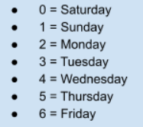

Frequency

 |  |  |  |  |  | 1. Peak hours: 10am - 4pm
 | The chart shows that the busiest days of the week are Saturday and Sunday. |  |  |  |  | 2. Minimum amount of orders are between 12am to 6am.

Key Question 2

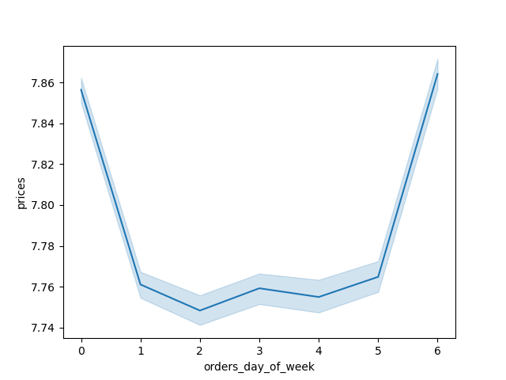
Prices of Orders Day of Week
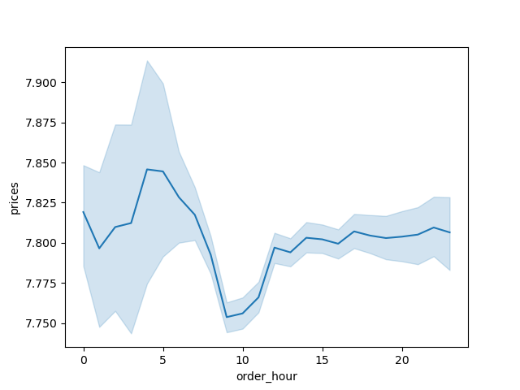
Prices of Orders Hour of Day

 |  | This chart shows that cheaper items are bought during the week, |  |  |  | 1. Expenses are the highest at 4am.
 |  | while higher-priced items are purchased on the weekends. |  |  |  | 2. The lowest expenses are at 9am.

Key Question 3


Frequency of Prices

 |  |  |  |  | The chart shows that the products of high prices( above 15) have less order frequency.

Price

Key Question 4

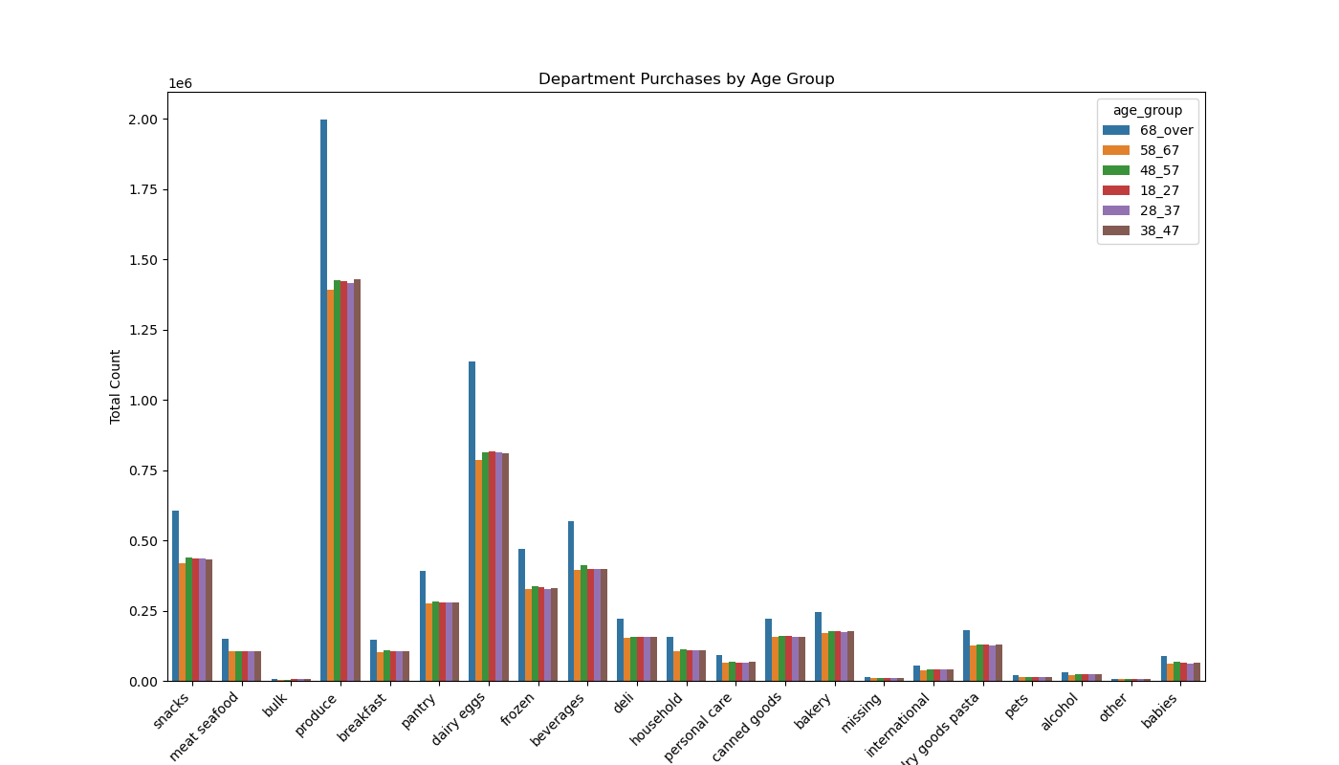
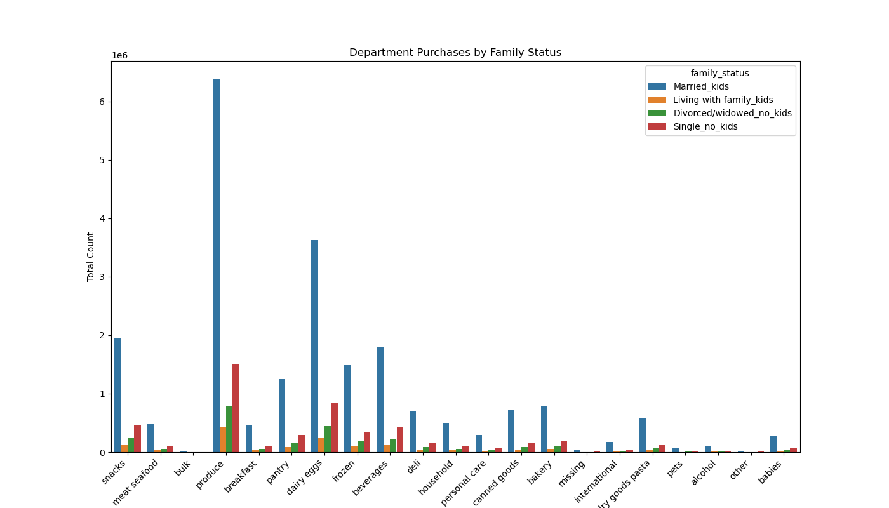

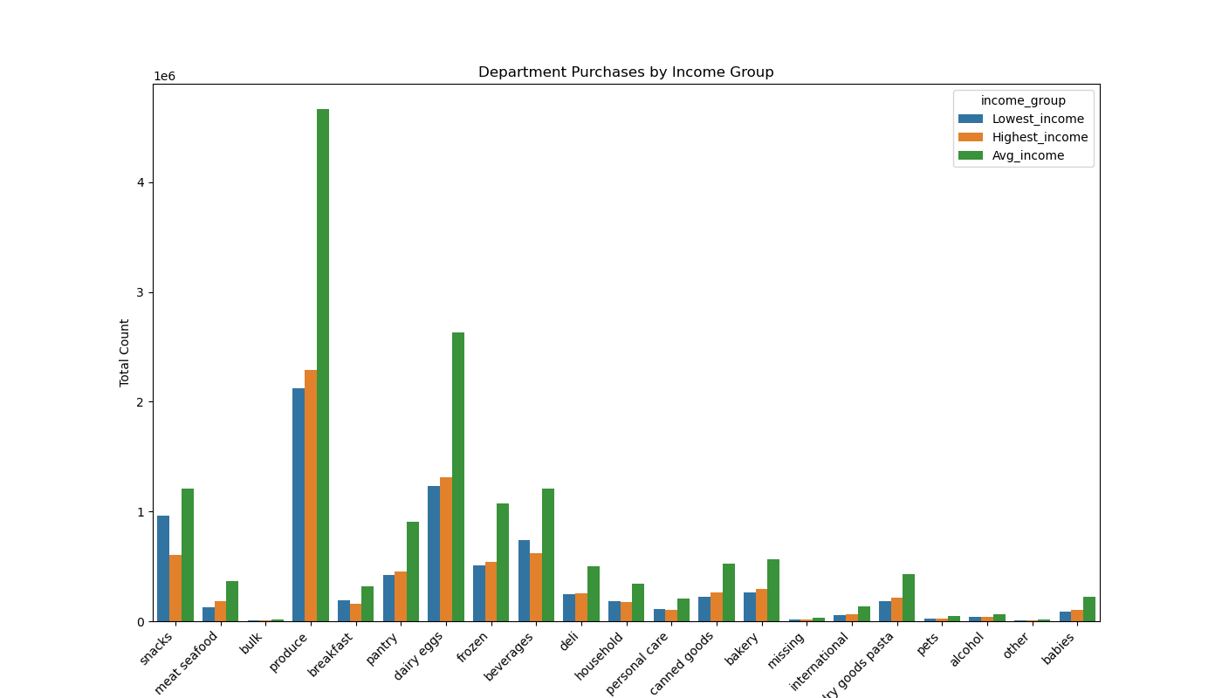
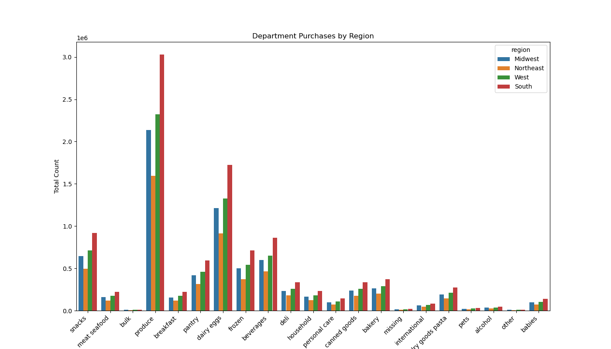

 |  |  |  | Produce, dairy eggs, snacks and beverages are the top selling departments.

 | Key Question 5

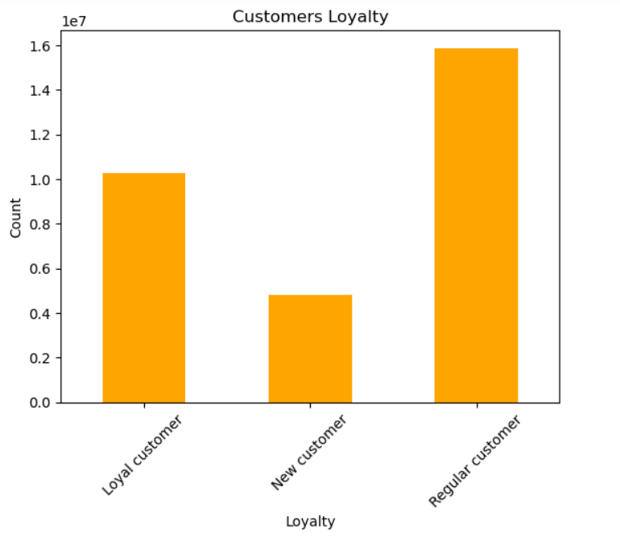

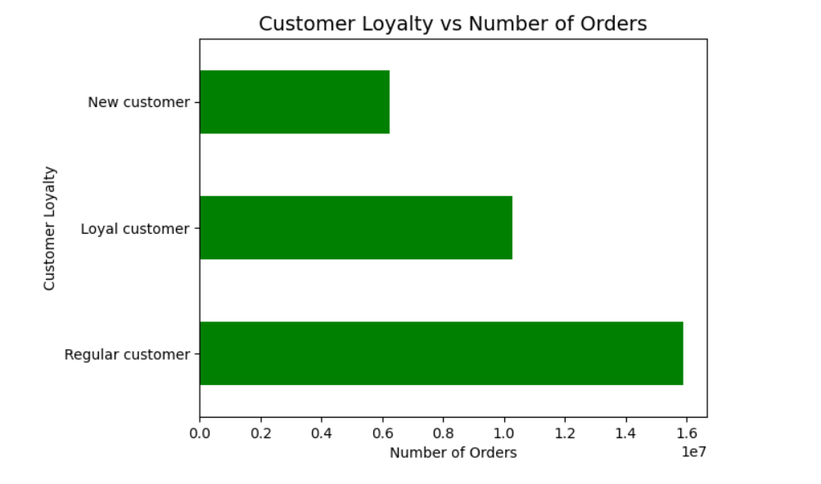

 |  |  | The chart shows that there is no higher frequency of orders among loyal users.

 | Key Question 6

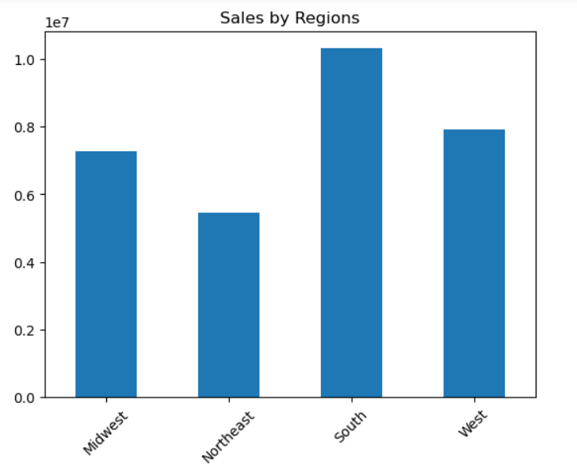
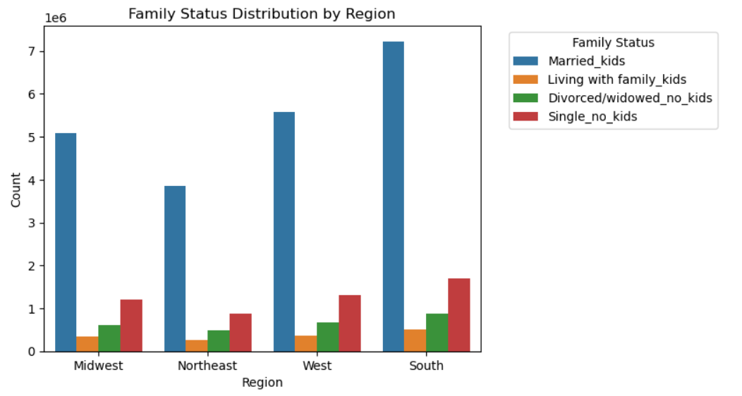

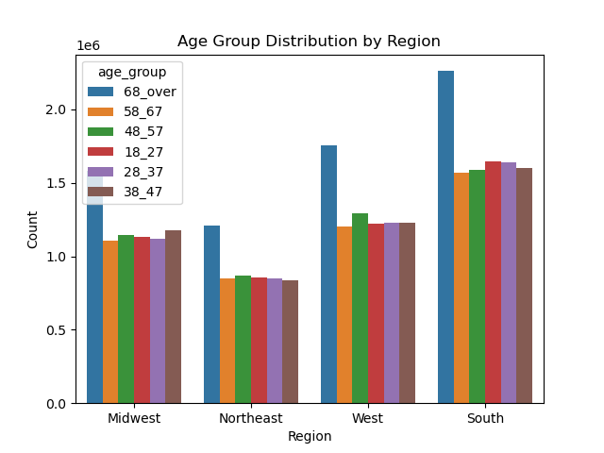

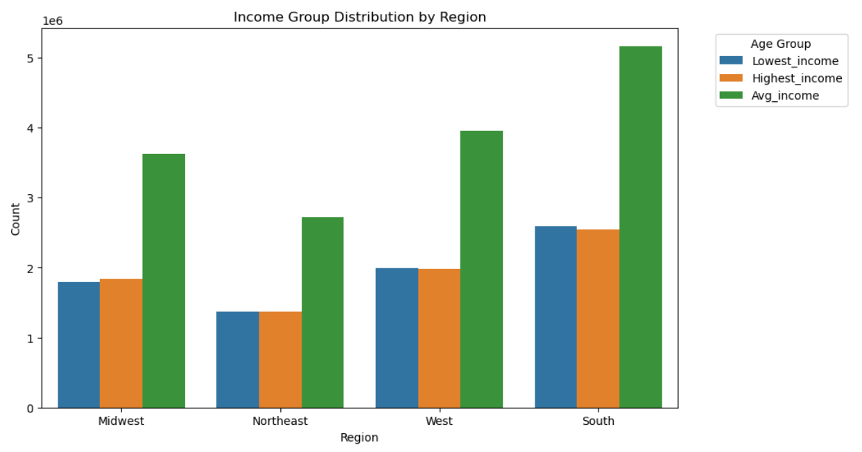

 | Key Question 7

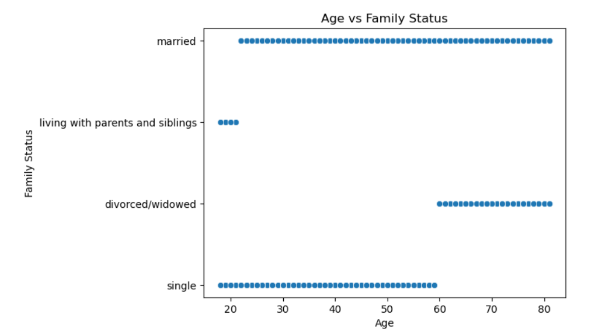

 |  |  |  |  |  | This shows us that the majority of people are married, while there's a distinct cut-off for other family statuses.
 |  |  |  |  |  | Only people under 21 are living at home or with siblings, and divorcees/widows are under the age of 60.

 | Key Question 8

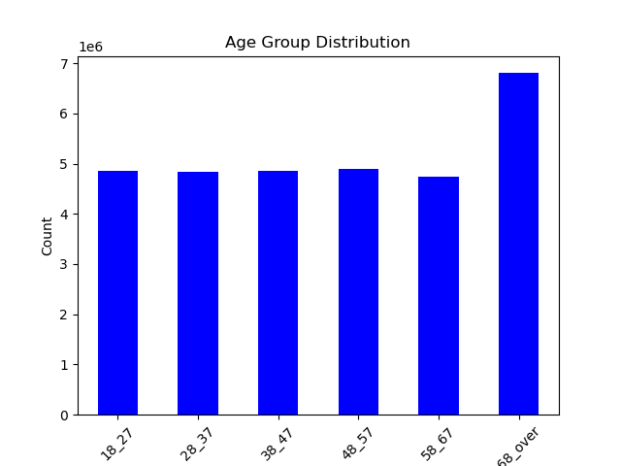
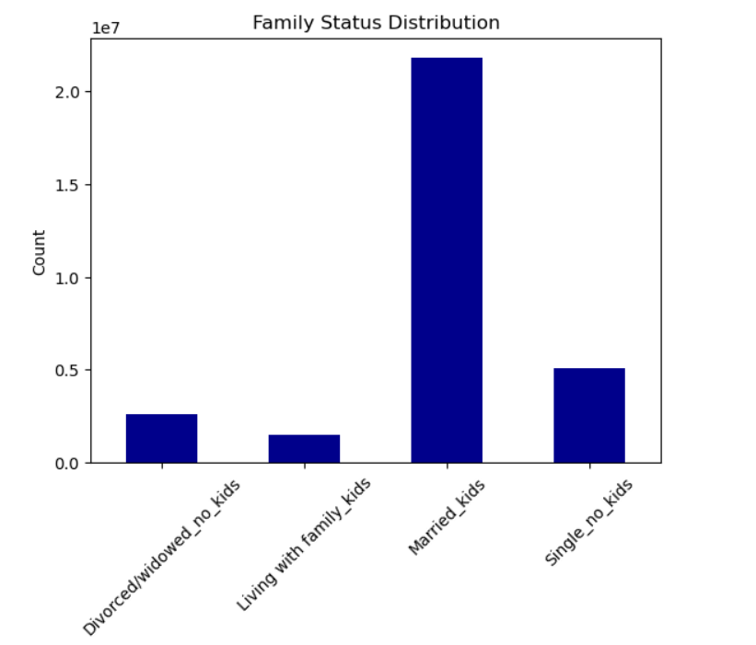


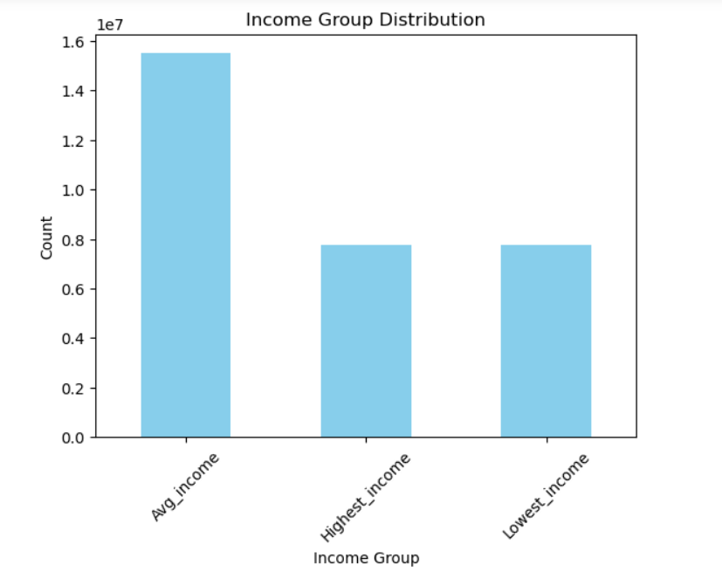

 |  |  |  |  |  | 1. Customers till the age of 40 have a maximum income of 400,000.
 |  |  |  |  |  | 2. Customers above 40 earn up to 600,000.

7. Recommendations
 |  |  |  | Title page

Recommendations

In this tab you should include any recommendations you would made to Instcart in terms of their marketing strategy based on the questions posed in the brief. Every key question has been covered in the Tasks of the Exercises - here you need to add an item - a visualisation or table/crosstable that is showing the answer in the data, acompanied by a comment from you. Please, list the questions below and add the answer underneath.

 | Question |  | Answer
1 | The sales team needs to know what the busiest days of the week and hours of the day are (i.e., the days and times with the most orders) in order to schedule ads at times when there are fewer orders. | The busiest days of the week are Saturday and Sunday. Peak hours: 10am - 4pm. Tuesdays and Wednesdays are the slowest days, especially in the early morning from midnight to 6 am.
2 | They also want to know whether there are particular times of the day when people spend the most money, as this might inform the type of products they advertise at these times. | The cheaper items are bought during the week, while higher-priced items are purchased on the weekends. Expenses are the highest at 4am. The lowest expenses are at 9am.
3 | Instacart has a lot of products with different price tags. Marketing and sales want to use simpler price range groupings to help direct their efforts. | The products of high prices( above 15) have less order frequency.
4 | Are there certain types of products that are more popular than others? The marketing and sales teams want to know which departments have the highest frequency of product orders. | Produce, dairy eggs, snacks and beverages are the top selling departments.
5 | The marketing and sales teams are particularly interested in the different types of customers in their system and how their ordering behaviors differ. For example: ○ What’s the distribution among users in regards to their brand loyalty (i.e., how often do they return to Instacart)? Are there differences in ordering habits based on a customer’s loyalty status? | The Loyalty_flag serves as a metric to identify 'brand loyal consumers' based on their order history. Those with 40 orders or more are categorized as loyal customers, while individuals with fewer than 40 but more than 10 orders fall into the regular customers segment. Customers with fewer than 10 orders are considered new to the platform. On average, consumers with mid-range order counts tend to order Instacart more frequently.But there is no higher frequency of orders among loyal customers.
6 | Are there differences in ordering habits based on a customer’s region? | The South and West regions have the most sales for all user groups, while the Midwest and Northeast regions have fewer sales.
7 | Is there a connection between age and family status in terms of ordering habits? | The majority of people are married, while there's a distinct cut-off for other family statuses. Only people under 21 are living at home or with siblings, and divorcees/widows are under the age of 60.
8 | What different classifications does the demographic information suggest? Age? Income? Certain types of goods? Family status? | Customers till the age of 40 have a maximum income of 400,000. Customers above 40 earn up to 600,000. Also we can suggest that the customer of Instacard is married with kids, 65+ years old person with average income.

