PC2
Step | Origin | Destination | Data | Sample | File size | Comments
before mission |  |  | no communication

before spraying |  |  | no communication

spraying phase |  |  | no communication

after mission
 | connector | ARA | Polling every couple of seconds | If not exists(mission_data) continue; else receive_mission_data;
 | ARA | connector | mission start/stop, robot ID, covered area, sprayed fluid, context/target [json] | {"start_time_ms": 1746773216805, "end_time_ms": 1746784879000, "robot_id": "erxbot-XXXX","covered_area_m2": 83945.99,"sprayed_fluid_l": 41.79406,"context_eppo": "SOLTU" ,"target_eppo": "WEED"} | 1kB (if time series included, then of order MB) | Do we need to transmit the calculated duration ? Do we need to transmit the name of the farmer or field? Do we need to transmit the travelled distance ? Do we need to transmit a position of the field (GPS coords of field center e.g.) ? Do we need to transmit the time series or only the computed application map? Other parameters ?
 |  |  | Liquid application [image/png] | 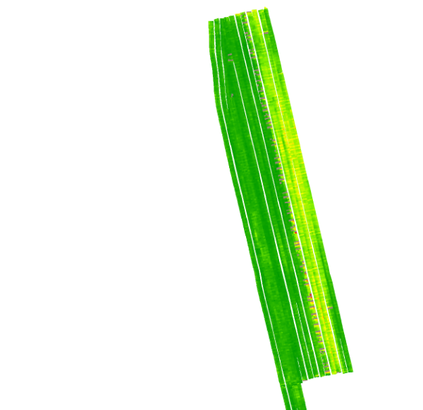 | <100kB
 |  |  | Avoid (crop) and target (weed) density heatmap [image/png] | 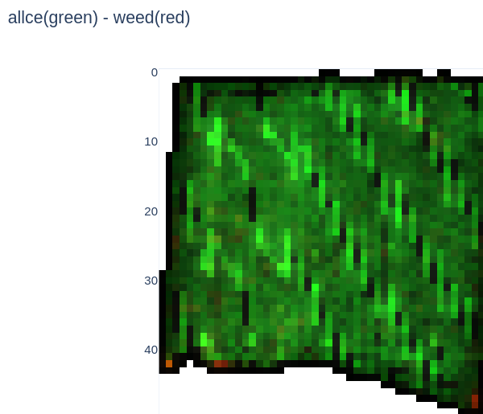 | <100kB

