Sheet2
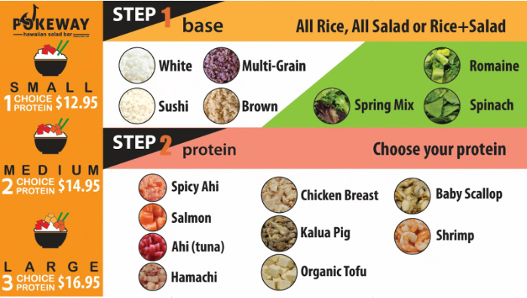
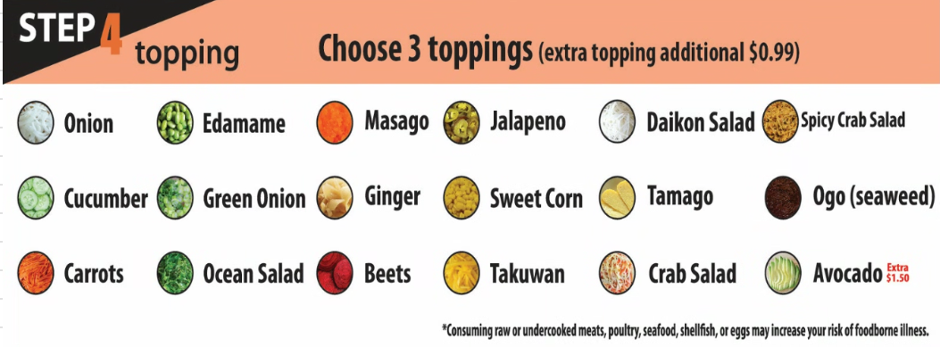
Category | Name | Price
SMALL | 1 CHOICE PROTEIN | 12.95
MEDIUM | 2 CHOICE PROTEIN | 14.95
LARGE | 3 CHOICE PROTEIN | 16.95

Category | Name
STEP 1 base | All Rice, All Salad or Rice+Salad
STEP 2 protein | Choose your protein
STEP 3 sauce | Choose a sauce (sauces can be mixed)
STEP 4 topping | Chhose 3 opttings (extra topping additional $0.99)

Step Group | Name |  | catetory_id | description | price
STEP 1 base | White |  | 1 | White | 0
STEP 1 base | Sushi |  | 1 | Sushi | 0
STEP 1 base | Multi-Grain |  | 1 | Multi-Grain | 0
STEP 1 base | Brown |  | 1 | Brown | 0
STEP 1 base | Spring Mix |  | 1 | Spring Mix | 0
STEP 1 base | Romaine |  | 1 | Romaine | 0
STEP 1 base | Spinach |  | 1 | Spinach | 0
STEP 2 protein | Spicy Ahi |  | 2 | Spicy Ahi | 0
STEP 2 protein | Salmon |  | 2 | Salmon | 0
STEP 2 protein | Ahi (tuna) |  | 2 | Ahi (tuna) | 0
STEP 2 protein | Hamachi |  | 2 | Hamachi | 0
STEP 2 protein | Chicken Breast |  | 2 | Chicken Breast | 0
STEP 2 protein | Kalua Pig |  | 2 | Kalua Pig | 0
STEP 2 protein | Organic Tofu |  | 2 | Organic Tofu | 0
STEP 2 protein | Baby Scallop |  | 2 | Baby Scallop | 0
STEP 2 protein | Shrimp |  | 2 | Shrimp | 0
STEP 3 sauce | Spicy Mayo 🌶️🌶️ |  | 3 | Spicy Mayo 🌶️🌶️ | 0
STEP 3 sauce | Creamy Sesame |  | 3 | Creamy Sesame | 0
STEP 3 sauce | Wasabi Aioli 🌶️ |  | 3 | Wasabi Aioli 🌶️ | 0
STEP 3 sauce | Dynamite 🌶️ |  | 3 | Dynamite 🌶️ | 0
STEP 3 sauce | Korean Temper 🌶️ |  | 3 | Korean Temper 🌶️ | 0
STEP 3 sauce | Shoyu |  | 3 | Shoyu | 0
STEP 3 sauce | Yuzu Wasabi |  | 3 | Yuzu Wasabi | 0
STEP 4 topping | Onion |  | 4 | Onion | 0
STEP 4 topping | Cucumber |  | 4 | Cucumber | 0
STEP 4 topping | Carrots |  | 4 | Carrots | 0
STEP 4 topping | Edamame |  | 4 | Edamame | 0
STEP 4 topping | Green Onion |  | 4 | Green Onion | 0
STEP 4 topping | Ocean Salad |  | 4 | Ocean Salad | 0
STEP 4 topping | Masago |  | 4 | Masago | 0
STEP 4 topping | Ginger |  | 4 | Ginger | 0
STEP 4 topping | Beets |  | 4 | Beets | 0
STEP 4 topping | Jalapeno |  | 4 | Jalapeno | 0
STEP 4 topping | Sweet Corn |  | 4 | Sweet Corn | 0

STEP 4 topping | Takuwan |  | 4 | Takuwan | 0
STEP 4 topping | Daikon Salad |  | 4 | Daikon Salad | 0
STEP 4 topping | Tamago |  | 4 | Tamago | 0
STEP 4 topping | Crab Salad |  | 4 | Crab Salad | 0
STEP 4 topping | Spicy Crab Salad |  | 4 | Spicy Crab Salad | 0
STEP 4 topping | Ogo Seaweed |  | 4 | Ogo Seaweed | 0
STEP 4 topping | Avocado (extra $1.50) |  | 4 | Avocado | 150

Category | Name | Price
SIDE | ADD Miso Soup | 0.99
DRINK | Ume iced tea (Season special) | 3.99
DRINK | Orange juice | 2.89
DRINK | Apple juice | 2.89
DRINK | Cranberry juice | 2.89
DRINK | Green tea bottle | 2.89
DRINK | Monster energy | 2.89
DRINK | Perrier water | 2.89
DRINK | Arizona iced tea | 1.69
DRINK | Oolong tea | 1.49
DRINK | Bottled water | 0.99
DRINK | Canned Soda | 0.99

