DFM template
 NEXTPCB DFA report
Project Number： |  | Prepared by: |  |  |  |  | Date: 20250724
Item | Problem description 问题描述 | Reference location 影响位置 | MPN 物料名称 | Impact 影响 | Image 图片 | NextPCB Suggestion 建议 | Customer feedback 客户反馈 | Severity 严重度 | Status 状态
1 | The NC drill file is missing. | NC drill file | / | The holes can't be made. | 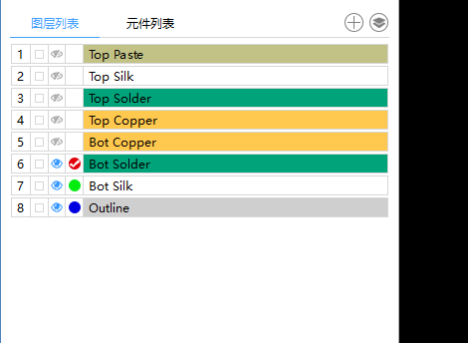 | Please add the NC drill file into the Gerber. | Added | High
2 | The middle pad of U4 is missing. | U4 | / | The middle of U4 can't be soldered. | 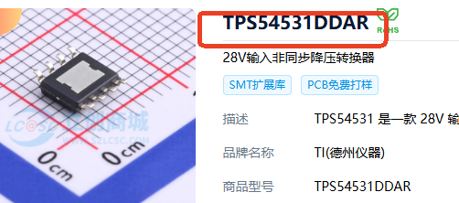 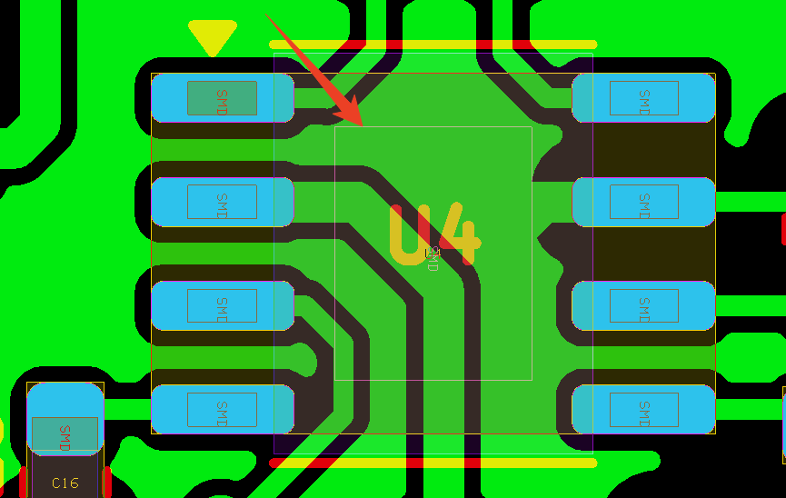 | Please add the middle pad. | Fixed | Middle
3 | Does the soldering direction shown in the attach picture correct? | SW2,SW3 | / | The silk is not clear. | 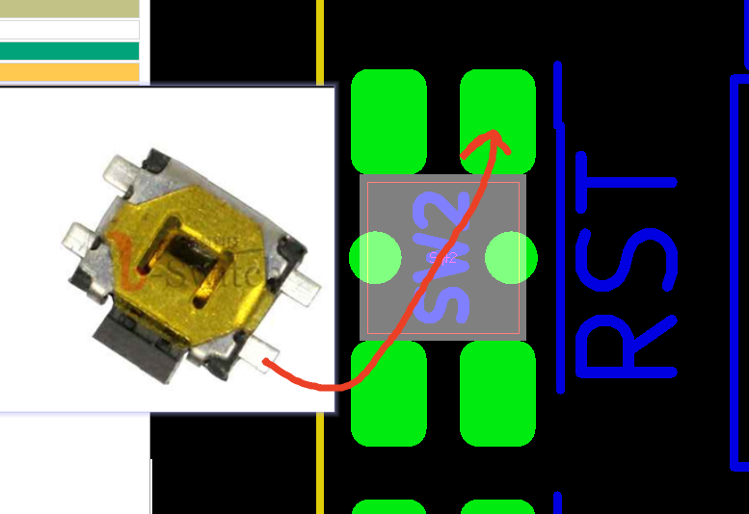 | Please confirm. | 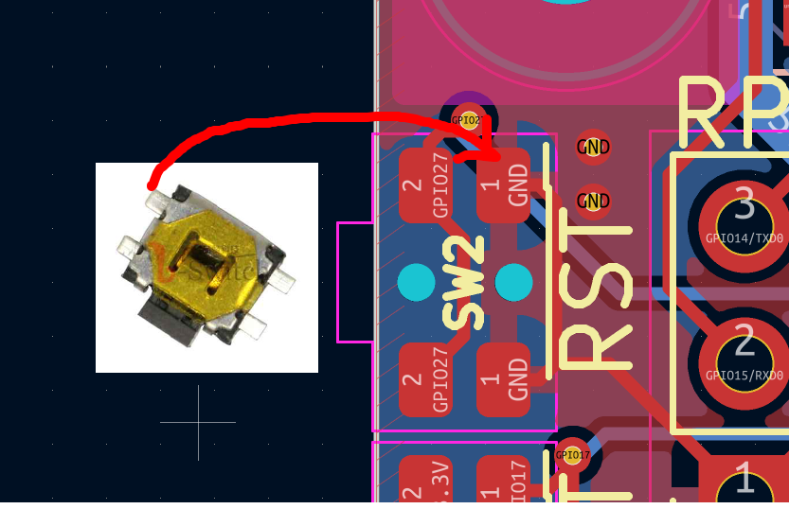 | Middle

