Cover
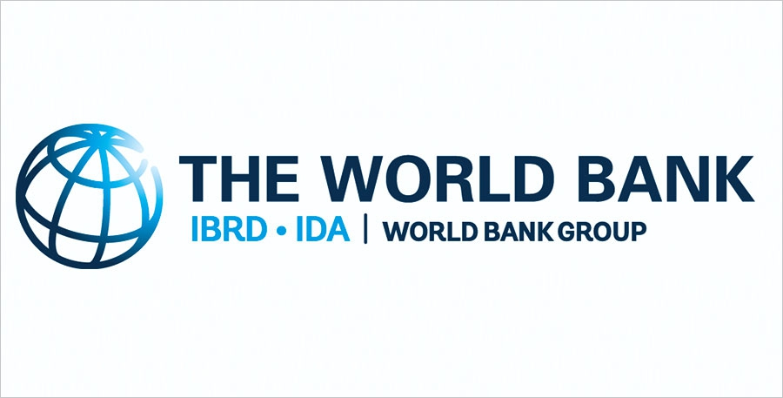

The Human Capital Project: Overall Context
Investments in human capital are central to development, delivering substantial economic benefits in the long term. However, the benefits of these investments often take time to materialize and their benefits to society are not always visible, leading to underinvestment in human capital. The World Bank has launched a Human Capital Project (HCP) — a program of advocacy, measurement, and analytical work to raise awareness and increase demand for interventions to build human capital. The HCP has three components: (i) a cross-country metric—the Human Capital Index (HCI), (ii) a program of measurement and research to inform policy action, and (iii) a program of support for country strategies to accelerate investment in human capital.

For more information on the Human Capital Project, please visit www.worldbank.org/humancapitalproject.

Contents
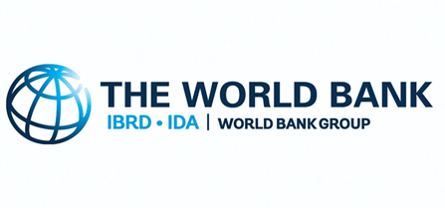
Human Capital Index and Components

Date file created: | October 2018

 | Contents (click on hyperlink to get to specific sheet)
 | Notes
 | HCI - MaleFemale
 | HCI - Male
 | HCI - Female
 | HCI - Sample Calculation

