Vac Hesap
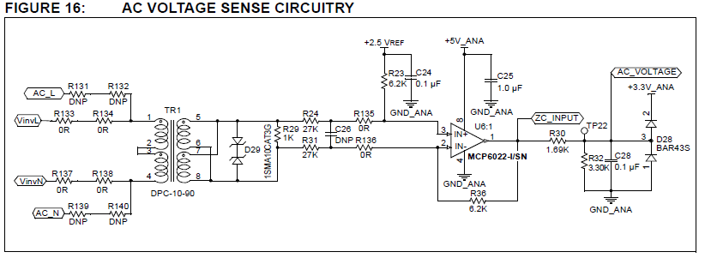

 |  |  |  | 10bit
Vgrid | Vgrid_pk | NTR1 | AC_VOLTAGE | ADC | Bin | Q Bit sola kaydir | Fixed Point Deger | Kesirli | FixPoint Sağlaması
230 | 325.26911935 | 46 | 2.7271138383 | 845 | 00000011 01001101 | 00110100 11010000 | 13520 | 0.8251953125 | 13520 | Q14
230 | 325.26911935 | 46 | 2.7271138383 | 845 | 00000011 01001101 | 01101001 10100000 | 27040 | 1.650390625 | 27040 | Q15 | ***yazılımdaki haatalı durum…..

inverterOutputVoltage = (ADCBUF7 << 5) - referenceVoltage; |  |  |  |  |  | Q15 |  | Q15 |  | Q14
 |  |  |  |  |  |  |  | 2,5V çıkar | Kesirli
230 | 325.26911935 | 46 | 2.7271138383 | 845 | 00000011 01001101 | 01101001 10100000 | 27040 | 10657 | 0.32522583008 | 5328.5

AC Akım
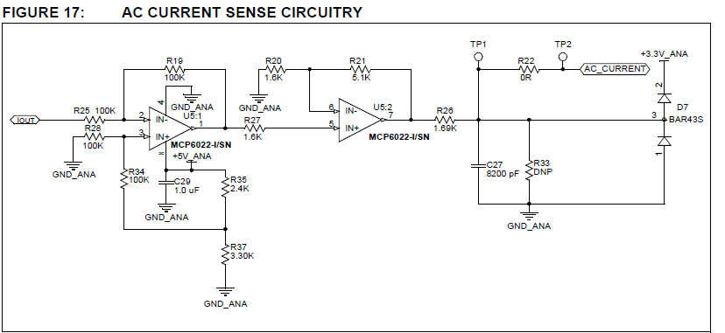

 |  |  |  |  |  |  |  |  |  |  | VADC |  |  | Q15
 |  |  |  |  |  |  | I(A) | Vout | Vout-2,5 | V_ACS712 | AC_CURRENT | ADC | Binary | 5 Bit sola kaydir | Fixed Point Deger | Kesirli
 |  |  |  |  |  |  | 2.13 | 2894.05 | 394.05 | 2.89405 | 0.0028761513158 | 0 | 00000000 00000000 | 00000000 00000000 | 0 | 0
 |  |  |  |  |  | 0 | 0 | 2500 | 0 | 2.5 | 1.6529605263 | 512 | 00000010 00000000 | 01000000 00000000 | 16384 | 0.5
 |  |  |  |  |  |  | -2.13 | 2105.95 | -394.05 | 2.10595 | 3.3030449013 | 1024 | 00000100 00000000 | 10000000 00000000 | 32768 | 1

 |  |  |  |  |  |  | 0.84 | 2655.4 | 155.4 | 2.6554 | 1.0022230263 | 310 | 00000001 00110110 | 00100110 11000000 | 9920 | 0.302734375
 |  |  |  |  |  |  | -0.84 | 2344.6 | -155.4 | 2.3446 | 2.3036980263 | 714 | 00000010 11001010 | 01011001 01000000 | 22848 | 0.697265625

 |  |  | ACS712ELCTR-05B-T |  |  |  |  |  |  | Vadc=I*185*4,1875 |  |  | Q15
 |  |  | Vout= | 2,5V (+-)185mv/1A |  |  | I | mV/A | Kazanç | Vac_current | ADC | Bin | 5 Bit sola kaydir | Fixed Point Deger | Kesirli | Sağlaması
 |  |  |  |  |  |  | 1.6 | 0.185 | 4.1875 | 1.2395 | 384 | 00000001 10000000 | 00110000 00000000 | 12288 | 0.375 | 12288
 |  |  | I(A) | Vout | Vout-2,5 |  | 1.3 | 0.185 | 4.1875 | 1.00709375 | 312 | 00000001 00111000 | 00100111 00000000 | 9984 | 0.3046875 | 9984
 |  |  | 2.14 | 2895.9 | 395.9
 |  |  | -2.14 | 2104.1 | -395.9

 |  |  |  |  |  |  | // Inverter Output Current Max Rating
 |  |  |  |  |  |  | #define INVERTER_OUTPUTCURRENT_MAX 13000
Pout | Vac | Iac | Iac_peak |  |  |  |  |  |  |  | // At 210Vac full load, expected peak inverter output current ~1.6A.
215 | 230 | 0.9347826087 | 1.3 |  |  |  |  |  |  |  | // This current * gain of 185mV/A * gain of U5, measured by the ADC
100 | 85 | 1.1764705882 | 1.6 |  |  |  |  |  |  |  | // and converted to Q15. Subtract off the offset

