Sheet1
 |  | Optimizer MPP Working Point Calculator

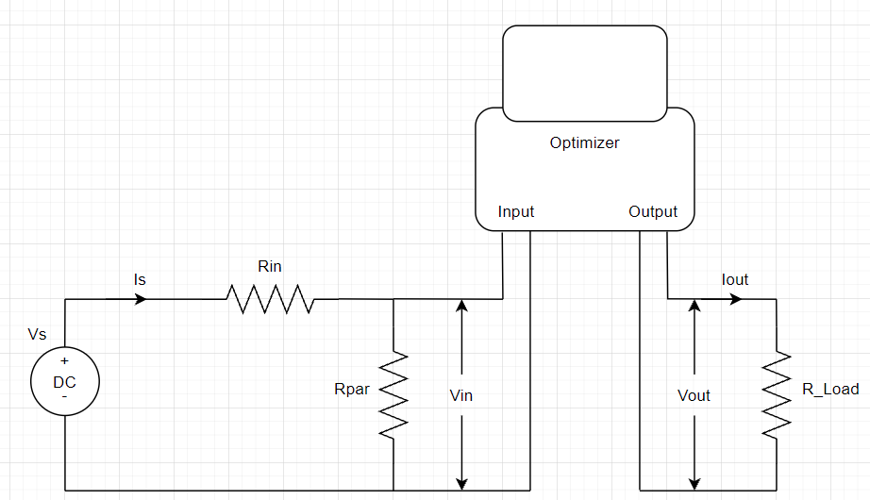
Vs | 60 | Volt
Is | 7 | Amper
Rin | 1 | Ohm
Rpar | 100 | Ohm
R_load | 2 | Ohm

Ps | 420 | Watt
Vin | 53.6 | Volt
Pin | 343.04 | Watt
Eff | 0.97

Boost |  | Buck
Vout | 25.80 | Vout | 25.80
DC Boost | -1.08 | DC Buck | 0.48
Iout | 12.90 | Iout | 12.90
Pout | 332.75 | Pout | 332.75

 |  |  | User Input
 |  |  | Calculation
 |  |  | Active Mode
 |  |  | SAS Value

