Sheet1
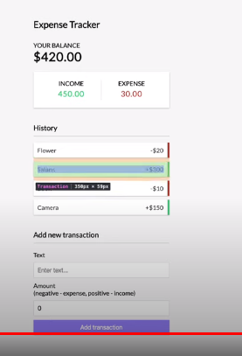
setup Boiler plate | Inprocess
Add Expense tracker form
Add Expense list
Add comepont that count total eexpense

