X-ray tube output
X-ray tube output (6.3)

Note: If Unfors Xi dose meter is used for this test, data can be automatically written to this protocol (Xi Data sheet). In that case Air kerma reproducibility, and Half value layer are automatically filled out as well.
The use of Xi is optional.

Material:
 |  | Dose meter calibrated for the correct beam quality.

Instructions:
 |  | General test instructions
 |  | - Use the AWS with manual exposure parameters for all measurements.
 |  | - Compression paddle must be present for all measurements
 |  | - Compression paddle shall always be positioned at least 9 cm above the patient support.
 |  | - X-ray tube must be warm before measurements (If not warm make 3 exposures, using 35kV max mAs).
 |  | NOTE: When making many exposures in a row; wait 1 min between successive scans.

 |  | Instructions for Unfors Xi
 | 1 | Press on
 | 2 | Verify values:
 |  | Trig delay | 0 ms
 |  | kVp delay | 1000 ms
 |  | calc. delay | 0.5 s
 | 3 | Press select when "Mammography" is displayed
 | 4 | Press select when "W/Al" is displayed
 | 5 | Start XiView
 | 6 | Select this excel Workbook from the dropdownlist (A) in Figure 3 and then select the Xi Data Worksheet from droplist (B), see Figure 3 and Figure 4.
 | 7 | Verify that the choosen column and row is B and 2 respectively when you start, see (C) in Figure 3.
 | 8 | Press start
Figure 2
Figure 1
Figure 3
A
B
C
D
Figure 4
Test procedure and test data:

 | Subtest ID | Action by tester |  |  |  |  | Measured and calculated data
 | Change to low collimator
 | 1 | Open the AEC status window in the ST Note the reported ESAK (mGy/mAs) in the protocol.

 |  |  |  |  |  |  |  |  |  |  | ESAK [mGy/mAs]
 |  |  |  |  |  |  |  |  |  | 26 kV
 |  |  |  |  |  |  |  |  |  | 29 kV
 |  |  |  |  |  |  |  |  |  | 32 kV
 |  |  |  |  |  |  |  |  |  | 35 kV
 |  |  |  |  |  |  |  |  |  | 38 kV

 | 2 | Position the Xi detector 6 cm from the chest wall and laterally centered using the positioning jigg. (The height of the detector above the object table when using the jigg is 14 mm)
 |  |  |  |  |  |  | Height (mm):
 |  |  |  |  |  |  | Height correction factor: |  |  |  | ---
 | 3 | Use 26 kV and measure the air kerma three times with different mAs.
 |  |  |  |  |  |  |  | mAs values | Used mAs | Measured air kerma (mGy) | Corrected air kerma (mGy) | Tube output (mGy/mAs)
 |  |  |  |  |  |  |  | Min |  | 0.000 | #VALUE! | #VALUE!
 |  |  |  |  |  |  |  | Intermediate |  | 0.000 | #VALUE! | #VALUE!
 |  |  |  |  |  |  |  | Max |  | 0.000 | #VALUE! | #VALUE!

 | 4 | Use 29 kV and measure the air kerma three times with different mAs.
 |  |  |  |  |  |  |  | mAs values | Used mAs | Measured air kerma (mGy) | Corrected air kerma (mGy) | Tube output (mGy/mAs)
 |  |  |  |  |  |  |  | Min |  | 0.000 | #VALUE! | #VALUE!
 |  |  |  |  |  |  |  | Intermediate |  | 0.000 | #VALUE! | #VALUE!
 |  |  |  |  |  |  |  | Max |  | 0.000 | #VALUE! | #VALUE!

 | 5 | Use 35 kV and measure the air kerma threetimes with different mAs.
 |  |  |  |  |  |  |  | mAs values | Used mAs | Measured air kerma (mGy) | Corrected air kerma (mGy) | Tube output (mGy/mAs)
 |  |  |  |  |  |  |  | Min |  | 0.000 | #VALUE! | #VALUE!
 |  |  |  |  |  |  |  | Intermediate |  | 0.000 | #VALUE! | #VALUE!
 |  |  |  |  |  |  |  | Max |  | 0.000 | #VALUE! | #VALUE!

 | 6 | Use 38 kV and measure the air kerma three times with different mAs.
 |  |  |  |  |  |  |  | mAs values | Used mAs | Measured air kerma (mGy) | Corrected air kerma (mGy) | Tube output (mGy/mAs)
 |  |  |  |  |  |  |  | Min |  | 0.000 | #VALUE! | #VALUE!
 |  |  |  |  |  |  |  | Intermediate |  | 0.000 | #VALUE! | #VALUE!
 |  |  |  |  |  |  |  | Max |  | 0.000 | #VALUE! | #VALUE!

 | 7 | Use 32 kV and measure the air kerma 6 times using the lowest available mAs. Then measure the air kerma once using an intermediate mAs-value. Then measure the air kerma 6 times with the highest available mAs.
 |  |  |  |  |  |  |  | mAs values | Used mAs | Measured air kerma (mGy) | Corrected air kerma (mGy) | Tube output (mGy/mAs)
 |  |  |  |  |  |  |  | Min |  | 0.000 | #VALUE! | #VALUE!
 |  |  |  |  |  |  |  | Min |  | 0.000 | #VALUE! | #VALUE!
 |  |  |  |  |  |  |  | Min |  | 0.000 | #VALUE! | #VALUE!
 |  |  |  |  |  |  |  | Min |  | 0.000 | #VALUE! | #VALUE!
 |  |  |  |  |  |  |  | Min |  | 0.000 | #VALUE! | #VALUE!
 |  |  |  |  |  |  |  | Min |  | 0.000 | #VALUE! | #VALUE!
 |  |  |  |  |  |  |  | Intermediate |  | 0.000 | #VALUE! | #VALUE!
 |  |  |  |  |  |  |  | Max |  | 0.000 | #VALUE! | #VALUE!
 |  |  |  |  |  |  |  | Max |  | 0.000 | #VALUE! | #VALUE!
 |  |  |  |  |  |  |  | Max |  | 0.000 | #VALUE! | #VALUE!
 |  |  |  |  |  |  |  | Max |  | 0.000 | #VALUE! | #VALUE!
 |  |  |  |  |  |  |  | Max |  | 0.000 | #VALUE! | #VALUE!
 |  |  |  |  |  |  |  | Max |  | 0.000 | #VALUE! | #VALUE!

 | Change to high collimator
 | 8 | Open the AEC status window in the ST Note the reported ESAK (mGy/mAs) in the protocol.

 |  |  |  |  |  |  |  |  |  |  | ESAK [mGy/mAs]
 |  |  |  |  |  |  |  |  |  | 26 kV
 |  |  |  |  |  |  |  |  |  | 29 kV
 |  |  |  |  |  |  |  |  |  | 32 kV
 |  |  |  |  |  |  |  |  |  | 35 kV
 |  |  |  |  |  |  |  |  |  | 38 kV

 | 9 | Use 26 kV and measure the air kerma three times with different mAs.
 |  |  |  |  |  |  |  | mAs values | Used mAs | Measured air kerma (mGy) | Corrected air kerma (mGy) | Tube output (mGy/mAs)
 |  |  |  |  |  |  |  | Min |  | 0.000 | #VALUE! | #VALUE!
 |  |  |  |  |  |  |  | Intermediate |  | 0.000 | #VALUE! | #VALUE!
 |  |  |  |  |  |  |  | Max |  | 0.000 | #VALUE! | #VALUE!

 | 10 | Use 29 kV and measure the air kerma three times with different mAs.
 |  |  |  |  |  |  |  | mAs values | Used mAs | Measured air kerma (mGy) | Corrected air kerma (mGy) | Tube output (mGy/mAs)
 |  |  |  |  |  |  |  | Min |  | 0.000 | #VALUE! | #VALUE!
 |  |  |  |  |  |  |  | Intermediate |  | 0.000 | #VALUE! | #VALUE!
 |  |  |  |  |  |  |  | Max |  | 0.000 | #VALUE! | #VALUE!

 | 11 | Use 32 kV and measure the air kerma three times with different mAs.
 |  |  |  |  |  |  |  | mAs values | Used mAs | Measured air kerma (mGy) | Corrected air kerma (mGy) | Tube output (mGy/mAs)
 |  |  |  |  |  |  |  | Min |  | 0.000 | #VALUE! | #VALUE!
 |  |  |  |  |  |  |  | Intermediate |  | 0.000 | #VALUE! | #VALUE!
 |  |  |  |  |  |  |  | Max |  | 0.000 | #VALUE! | #VALUE!

 | 12 | Use 35 kV and measure the air kerma threetimes with different mAs.
 |  |  |  |  |  |  |  | mAs values | Used mAs | Measured air kerma (mGy) | Corrected air kerma (mGy) | Tube output (mGy/mAs)
 |  |  |  |  |  |  |  | Min |  | 0.000 | #VALUE! | #VALUE!
 |  |  |  |  |  |  |  | Intermediate |  | 0.000 | #VALUE! | #VALUE!
 |  |  |  |  |  |  |  | Max |  | 0.000 | #VALUE! | #VALUE!

 | 13 | Use 38 kV and measure the air kerma three times with different mAs.
 |  |  |  |  |  |  |  | mAs values | Used mAs | Measured air kerma (mGy) | Corrected air kerma (mGy) | Tube output (mGy/mAs)
 |  |  |  |  |  |  |  | Min |  | 0.000 | #VALUE! | #VALUE!
 |  |  |  |  |  |  |  | Intermediate |  | 0.000 | #VALUE! | #VALUE!
 |  |  |  |  |  |  |  | Max |  | 0.000 | #VALUE! | #VALUE!

 | 14 | Make sure that the cells fetch the data from the correct cells in the Xi data sheet. Measurements not used (e.g. test or wrong exposures) should be removed from the Xi data sheet manually after all data is recorded. |  |  |  |  |  | N/A

Test result:
 |  |  | Low collimator |  |  |  |  | High collimator
 |  |  | Measured tube output (mGy/mAs): |  | Dev. from value in ST: |  |  |  | Measured tube output (mGy/mAs): | Dev. from value in ST:
 |  | 26 kV | #VALUE! |  | #VALUE! |  |  | 26 kV | #VALUE! | #VALUE!
 |  | 29 kV | #VALUE! |  | #VALUE! |  |  | 29 kV | #VALUE! | #VALUE!
 |  | 32 kV | #VALUE! |  | #VALUE! |  |  | 32 kV | #VALUE! | #VALUE!
 |  | 35 kV | #VALUE! |  | #VALUE! |  |  | 35 kV | #VALUE! | #VALUE!
 |  | 38 kV | #VALUE! |  | #VALUE! |  |  | 38 kV | #VALUE! | #VALUE!

 |  |  |  |  |  | Max abs. deviation from ST value: | #VALUE!

Expected result:
 |  | The measured values shall not differ by more than ±15% from the values estimated by the system.
 |  | The tube output at 32 kV shall be at least 0.11 mGy/mAs.

Outcome of control:
 |  |  |  | ---

Comments, additional information

Tube voltage
Tube voltage (7.2)

Note: If Unfors Xi dose meter is used for this test, data can be automatically written to this protocol (Xi Data sheet).
The use of Unfirs Xi is optional.

Material:
 | kVp-meter calibrated for the correct beam quality.

Instructions:
 |  | General test instructions
 |  | - Use the AWS with manual exposure parameters for all measurements.
 |  | - Compression paddle must be present for all measurements
 |  | - Compression paddle shall always be positioned at least 9 cm above the patient support.
 |  | - X-ray tube must be warm before measurements (If not warm make 3 exposures, using 35kV max mAs).
 |  | NOTE: When making many exposures in a row; wait 1 min between successive scans.

 |  | Instructions for Unfors Xi
 | 1 | Press on
 | 2 | Verify values:
 |  | Trig delay |  | 0 ms
 |  | kVp delay |  | 1000 ms
 |  | calc. delay |  | 0.5 s
 | 3 | Press select when "Mammography" is displayed
 | 4 | Press select when "W/Al" is displayed
 | 5 | Start XiView
 | 6 | Select this excel Workbook from the dropdownlist (A) in Figure 3 and then select the Xi Data Worksheet from droplist (B), see Figure 3 and Figure 4.
 | 7 | Verify that the choosen column and row is B and 45 respectively when you start, see (C) in Figure 3.
 | 8 | Press start

Figure 3
A
B
C
D
Figure 1

Figure 2
Figure 4

Test procedure and test data:

 | Subtest ID | Action by tester |  |  |  | Measured and calculated data
 | 1 | Position the Xi detector 6 cm from the chest wall and laterally centered using the positioning jigg. Place the Unfors Al filter on the compresson paddle. For the exposures below, ensure that Al filter covers the detector area of the Unfors Xi, see Figure 1 and Figure 2.

 | 2 | Use 26 kV. Make three exposures at about 12 mAs.
 |  |  |  |  |  |  |  |  | 0.00
 |  |  |  |  |  |  | Measured kV: |  | 0.00
 |  |  |  |  |  |  |  |  | 0.00
 | 3 | Use 29 kV. Make three exposures at about 12 mAs.
 |  |  |  |  |  |  |  |  | 0.00
 |  |  |  |  |  |  | Measured kV: |  | 0.00
 |  |  |  |  |  |  |  |  | 0.00
 | 4 | Use 32 kV. Make six exposures at about 12 mAs.
 |  |  |  |  |  |  |  |  | 0.00
 |  |  |  |  |  |  |  |  | 0.00
 |  |  |  |  |  |  | Measured kV: |  | 0.00
 |  |  |  |  |  |  |  |  | 0.00
 |  |  |  |  |  |  |  |  | 0.00
 |  |  |  |  |  |  |  |  | 0.00
 | 5 | Use 35 kV. Make three exposures at about 12 mAs.
 |  |  |  |  |  |  |  |  | 0.00
 |  |  |  |  |  |  | Measured kV: |  | 0.00
 |  |  |  |  |  |  |  |  | 0.00
 | 6 | Use 38 kV. Make three exposures at about 12 mAs.
 |  |  |  |  |  |  |  |  | 0.00
 |  |  |  |  |  |  | Measured kV: |  | 0.00
 |  |  |  |  |  |  |  |  | 0.00

Test result:
 |  |  |  | Accuracy |  | Reproducibility at 32 kV

 |  |  |  | Abs. (kV) | Rel.
 |  |  | 26 kV | 26.0 | 100.0% | Abs. | 0.00 | kV
 |  |  | 29 kV | 29.0 | 100.0% | Rel. | #DIV/0!
 |  |  | 32 kV | 32.0 | 100.0%
 |  |  | 35 kV | 35.0 | 100.0%
 |  |  | 38 kV | 38.0 | 100.0%

Expected result:
 |  | For all kV, accuracy better than 1 kV.
 |  | For all kV, reproducibility better than 0.5 kV.

Outcome of control:
 |  |  |  | ---

Comments, additional information

Detector linearity
Detector linearity (7.5)

Material:
 | DQC phantom

Instructions:
 | See QCP for instructions

Squared SNR - mAs linearity
Test data:

 | mAs | Used mAs | Background: m | Background: s | SNR2 | SNR2/mAs
 | min |  |  |  | --- | ---
 | ≈ 11 |  |  |  | --- | ---
 | ≈ 14 |  |  |  | --- | ---
 | ≈ 18 |  |  |  | --- | ---
 | ≈ 22 |  |  |  | --- | ---
 | ≈ 26 |  |  |  | --- | ---
 | max |  |  |  | --- | ---

Test result:
 |  |  | Rel std. dev. of SNR2/mAs: | ---
 |  |  | SNR2 - mAs correlation, R2: | ---

Expected result:
 | The squared correlation coefficient between mAs and SNR2 shall be at least 0.99

Outcome of control:
 |  |  |  | ---

Comments, additional information

Image and x-ray field
Image field and X-ray field agreement (7.6 & 7.7)
 |  |  |  |  |  |  |  | Difference between real and phantom |  |  | Difference between indicated and phantom
Material:
A
 | 1011954 Image Field Phantom
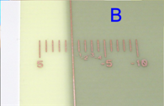
 | X-ray fluorescent paper

Part A: Agreement between real and indicated image field

Instructions:
 | Place image field phantom on patient support. Check that the phantom is aligned with the four corners (see Fig. 1). Acquire an image using image type Phantom. Read the 8 values in the displayed image (indiecated by A to the right). Round off to nearest 0.5 mm. For the stairs, give the lowest value for which you can still see the edge. Measure how much the painted image field differs from the phantom (indicated by B). Use 0.5 mm precision.

Test data and result:

 | Expected result | Actual result |  |  |  | Pass? | Comments
 |  |  | Diff. between real image field and edge of phantom (+ means that real image field is outside) Read this in image. | Diff. between indicated image field and edge of phantom (+ means indicated field is larger) Read this from breast support. | Diff. between indicated and real image field. (+ means indicated field is larger) |  |  |  |  | + means that indicated field is outside phantom
 |  |  |  |  |  |  |  |  |  | + means that real field is outside phantom

 |  |  | Do NOT fill out here but to the right |  |  |  |  |  |  |  |  | Phantom
 | Between 0 and 5 mm | Rear edge [mm]: | #DIV/0! | #DIV/0! | --- | ---- |  | Difference
 | Between 0 and 5 mm | Left edge [mm]: | #DIV/0! | #DIV/0! | --- | ---- |  | between
 | Between 0 and 5 mm | Front edge [mm]: | #DIV/0! | #DIV/0! | --- | ---- |  | indicated
 | Between 0 and 5 mm | Right edge [mm]: | #DIV/0! | #DIV/0! | --- | ---- |  | image
 | ≤ 5 mm | Missad tissue at chest wall [mm]: | --- |  |  | ---- |  | field

Outcome of Part A:
 |  |  |  | --- |  |  |  |  |  |  | Stairs |  | Stairs

Comments, additional information

Part B: Agreement between real image field and radiation field

Instructions:
 | Place the pieces of x-ray fluorescent paper parallel to the side and rear edges of the real image field edge (just measured in Part A) and 5 mm outward from the edge (see Fig. 2). Put a small strip of the intensifying screen in the middle of the field. (The strip in the center serves as a comparison source during exposure.) Turn off room lights. Select manual parameters of 35 kV and the maximal mAs. Make an exposure and observe the fluorescent material during the scan. Re-position the intensifying screen at the chest wall edge (see Fig. 3). Make a manual exposure at 35 kVp and the maximum mAs and observe the intensifying screen during the scan |  |  |  |  |  |  |  | 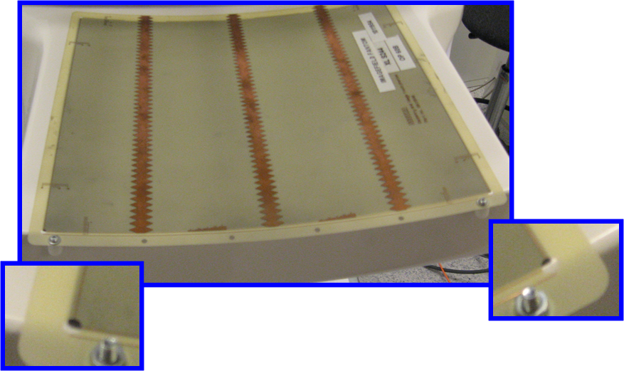
 |  |  |  |  |  |  |  |  |  |  | Figure 1
Test result:
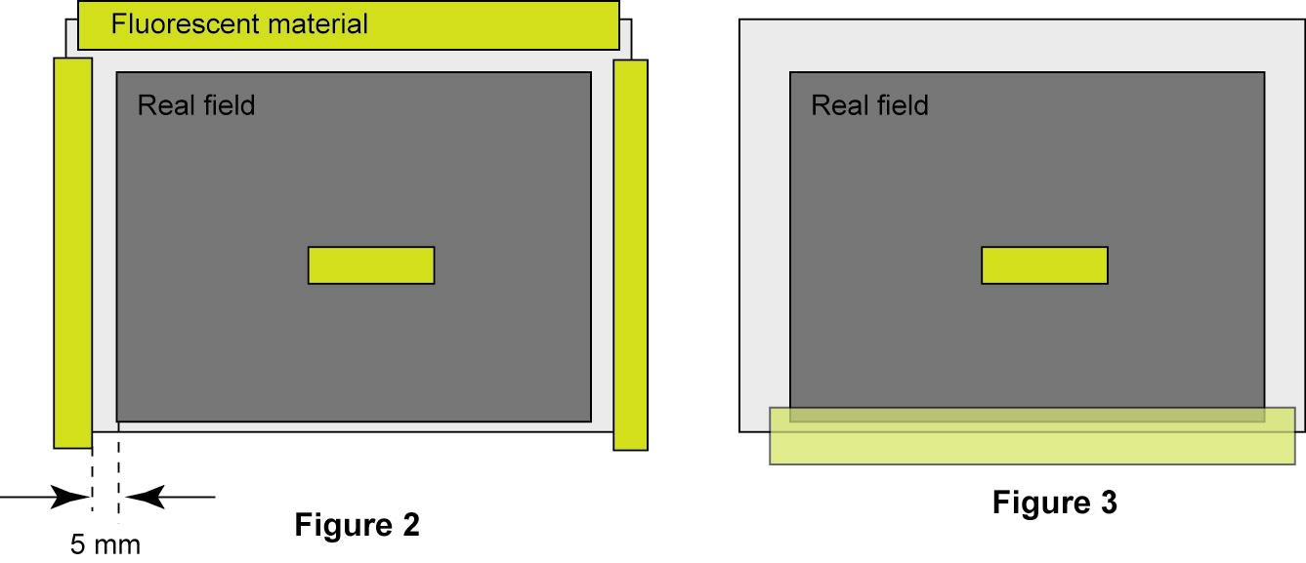
 | Does the screen glow? (yes / no)
 | Left:
 | Right:
 | Rear:

 | Is there radiation visible beyond the chest wall edge of the patient support? (yes / no)

Outcome of Part B:
 |  |  |  | ---

Comments, additional information

CDMAM tool
U
R
D
L
 | Tool for visual evaluation of CDMAM 3.4 images
Purpose
This document should aid and speed up the evaluation of CDMAM3.4 images.

Instructions
Study the CDMAM image on the diagnostic workstation. Make sure the viewing conditions are appropriate (e.g. light). The image should be rotated as shown in Fig. 1. Be sure to set the grey scale optimally. Zooming is allowed.
For each diameter that shall be evaluated, start with the thickest disc. Note in the "Protocol" sheet in which corner the disc is situated; "U" for up, "D" for down, "L" for left and "R" for right.
Continue with the next thinner disc, as shown by the red arrow in the figure.
Stop when you cannot determine the disc position.
When all diameters are done, the resulting contrast detail curve can be seen in the "Result" sheet.

 |  |  |  |  |  |  |  |  | Figure 1: Correct image rotation.

Fill out table below:

T (mm) | D=2.00 | D=1.60 | D=1.25 | D=1.00 | D=0.80 | D=0.63 | D=0.50 | D=0.40 | D=0.31 | D=0.25 | D=0.20 | D=0.16 | D=0.13 | D=0.10 | D=0.08 | D=0.06 | T (mm)
2.00 |  |  |  |  |  |  |  |  |  |  |  |  |  |  |  |  | 2.00
1.42 |  |  |  |  |  |  |  |  |  |  |  |  |  |  |  |  | 1.42
1.00 |  |  |  |  |  |  |  |  |  |  |  |  |  |  |  |  | 1.00
0.71 |  |  |  |  |  |  |  |  |  |  |  |  |  |  |  |  | 0.71
0.50 |  |  |  |  |  |  |  |  |  |  |  |  |  |  |  |  | 0.50
0.36 |  |  |  |  |  |  |  |  |  |  |  |  |  |  |  |  | 0.36
0.25 |  |  |  |  |  |  |  |  |  |  |  |  |  |  |  |  | 0.25
0.20 |  |  |  |  |  |  |  |  |  |  |  |  |  |  |  |  | 0.20
0.16 |  |  |  |  |  |  |  |  |  |  |  |  |  |  |  |  | 0.16
0.13 |  |  |  |  |  |  |  |  |  |  |  |  |  |  |  |  | 0.13
0.10 |  |  |  |  |  |  |  |  |  |  |  |  |  |  |  |  | 0.10
0.08 |  |  |  |  |  |  |  |  |  |  |  |  |  |  |  |  | 0.08
0.06 |  |  |  |  |  |  |  |  |  |  |  |  |  |  |  |  | 0.06
0.05 |  |  |  |  |  |  |  |  |  |  |  |  |  |  |  |  | 0.05
0.04 |  |  |  |  |  |  |  |  |  |  |  |  |  |  |  |  | 0.04
0.03 |  |  |  |  |  |  |  |  |  |  |  |  |  |  |  |  | 0.03

Results: |  | 1 = true, 0 = false

T (mm) | D=2.00 | D=1.60 | D=1.25 | D=1.00 | D=0.80 | D=0.63 | D=0.50 | D=0.40 | D=0.31 | D=0.25 | D=0.20 | D=0.16 | D=0.13 | D=0.10 | D=0.08 | D=0.06 | T (mm)
2.00 |  |  |  |  |  |  | - | - | - | - | - | - | - | - | - |  | 2.00
1.42 |  |  |  |  |  | - | - | - | - | - | - | - | - | - | - | - | 1.42
1.00 |  |  |  |  | - | - | - | - | - | - | - | - | - | - | - | - | 1.00
0.71 |  |  |  | - | - | - | - | - | - | - | - | - | - | - | - | - | 0.71
0.50 |  |  | - | - | - | - | - | - | - | - | - | - | - | - | - | - | 0.50
0.36 |  | - | - | - | - | - | - | - | - | - | - | - | - | - | - | - | 0.36
0.25 | - | - | - | - | - | - | - | - | - | - | - | - | - | - | - | - | 0.25
0.20 | - | - | - | - | - | - | - | - | - | - | - | - | - | - | - | - | 0.20
0.16 | - | - | - | - | - | - | - | - | - | - | - | - | - | - | - | - | 0.16
0.13 | - | - | - | - | - | - | - | - | - | - | - | - | - | - | - |  | 0.13
0.10 | - | - | - | - | - | - | - | - | - | - | - | - | - | - |  |  | 0.10
0.08 | - | - | - | - | - | - | - | - | - | - | - | - | - |  |  |  | 0.08
0.06 | - | - | - | - | - | - | - | - | - | - | - |  |  |  |  |  | 0.06
0.05 | - | - | - | - | - | - | - | - | - | - | - |  |  |  |  |  | 0.05
0.04 | - | - | - | - | - | - | - | - | - | - |  |  |  |  |  |  | 0.04
0.03 |  | - | - | - | - | - | - | - | - |  |  |  |  |  |  |  | 0.03

CDMAM truth
Truth
T (mm) | D=2.00 | D=1.60 | D=1.25 | D=1.00 | D=0.8 | D=0.63 | D=0.50 | D=0.40 | D=0.31 | D=0.25 | D=0.20 | D=0.16 | D=0.13 | D=0.10 | D=0.08 | D=0.06 | T (mm)
2.00 |  |  |  |  |  |  | U | L | U | L | D | L | L | D | U |  | 2.00
1.42 |  |  |  |  |  | L | D | D | L | L | D | R | U | R | R | D | 1.42
1.00 |  |  |  |  | L | D | L | L | R | D | R | L | D | D | R | R | 1.00
0.71 |  |  |  | U | R | U | R | U | U | D | R | U | U | R | D | U | 0.71
0.50 |  |  | U | D | R | U | L | L | R | R | D | D | L | D | L | U | 0.50
0.36 |  | D | D | L | U | L | R | R | D | R | R | U | R | R | L | D | 0.36
0.25 | R | L | R | R | U | D | U | D | U | D | U | D | U | U | R | U | 0.25
0.20 | U | U | R | U | D | R | U | D | R | L | U | D | D | R | R | U | 0.20
0.16 | L | L | D | R | U | L | R | L | U | L | R | U | R | U | U | D | 0.16
0.13 | U | R | L | L | D | D | L | D | U | R | D | U | D | L | R |  | 0.13
0.10 | R | R | D | U | L | L | U | R | D | R | U | D | D | U |  |  | 0.10
0.08 | D | U | D | R | U | U | D | R | L | L | D | L | U |  |  |  | 0.08
0.06 | L | R | L | D | L | D | D | U | D | U | R | D |  |  |  |  | 0.06
0.05 | U | U | L | R | R | L | U | L | L | D | L |  |  |  |  |  | 0.05
0.04 | R | L | R | D | L | U | D | L | R | U |  |  |  |  |  |  | 0.04
0.03 |  | L | L | U | L | D | L | U | R |  |  |  |  |  |  |  | 0.03

