Arkusz1
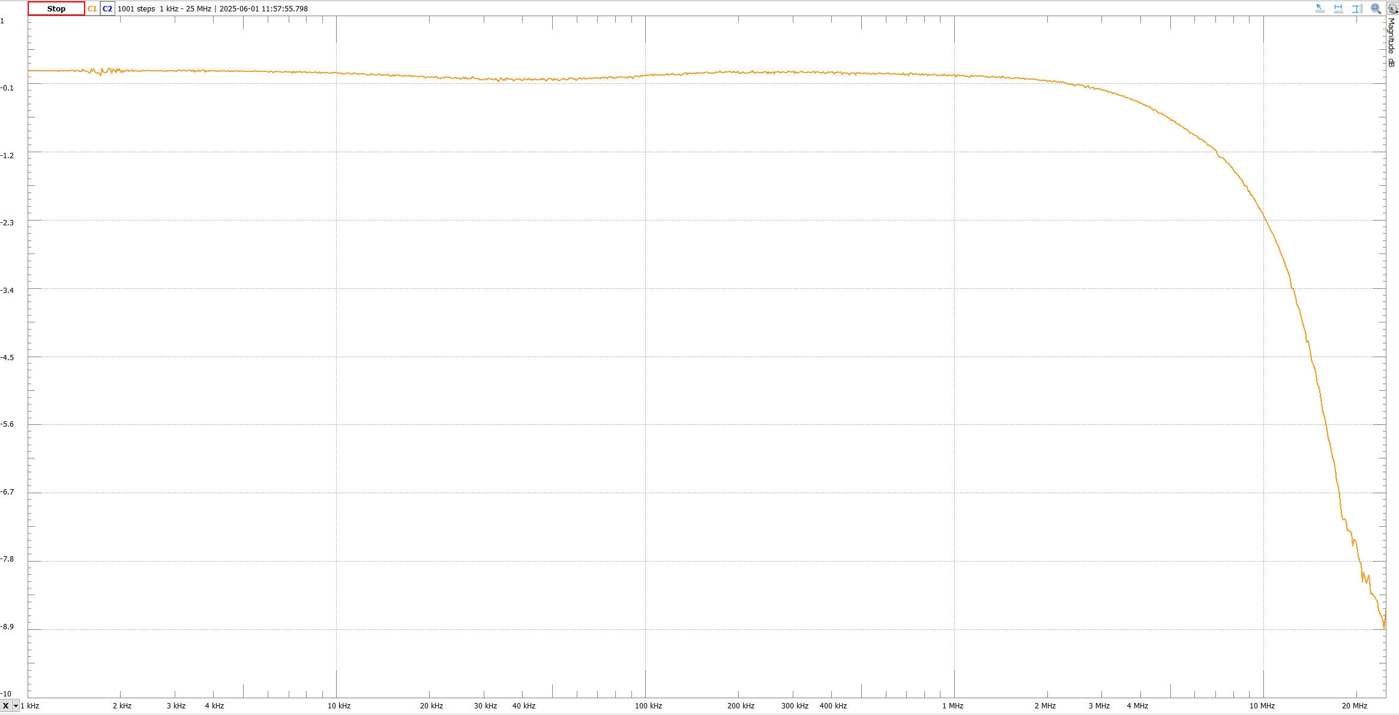
1 | Bode plot of analog discovery
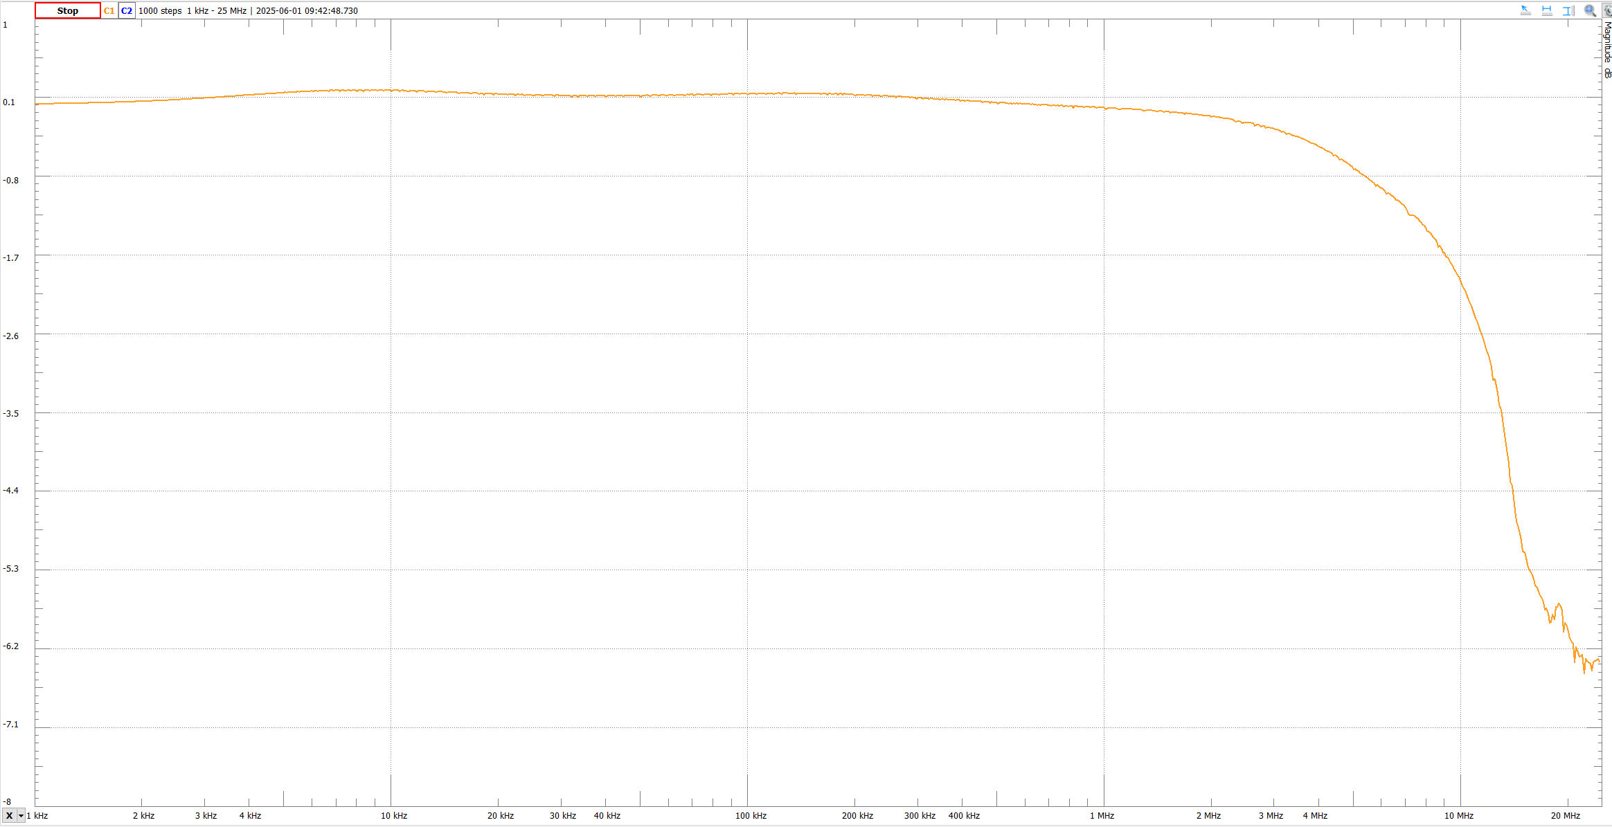

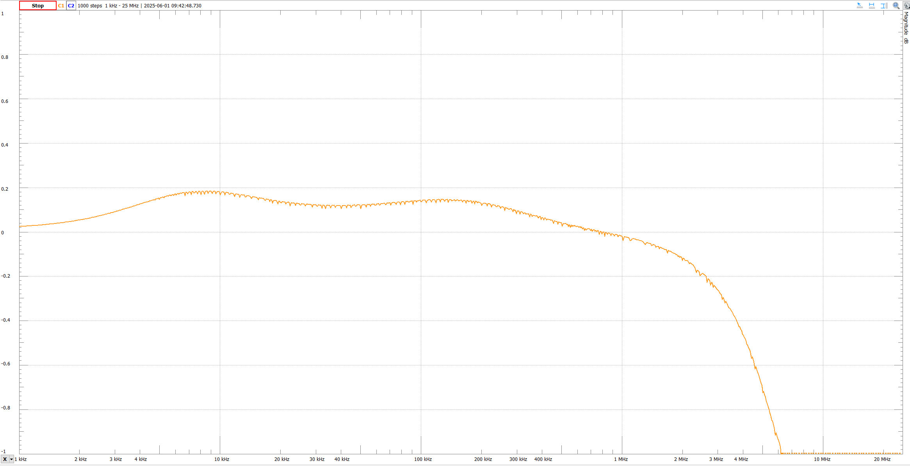

x100 before changes
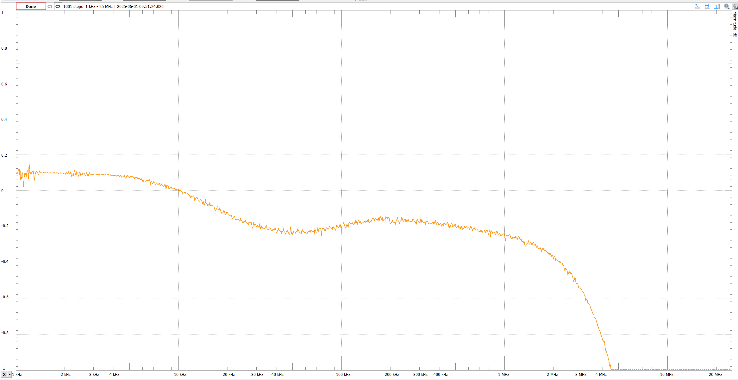

after fix:
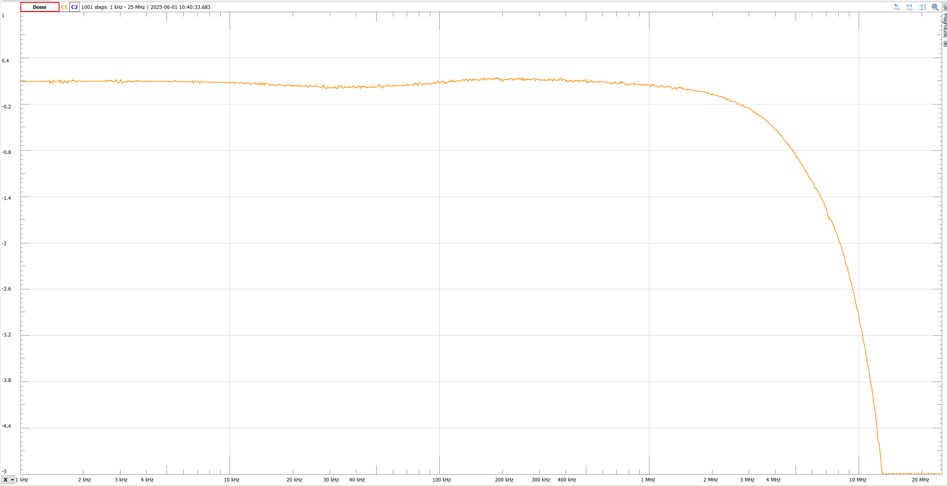

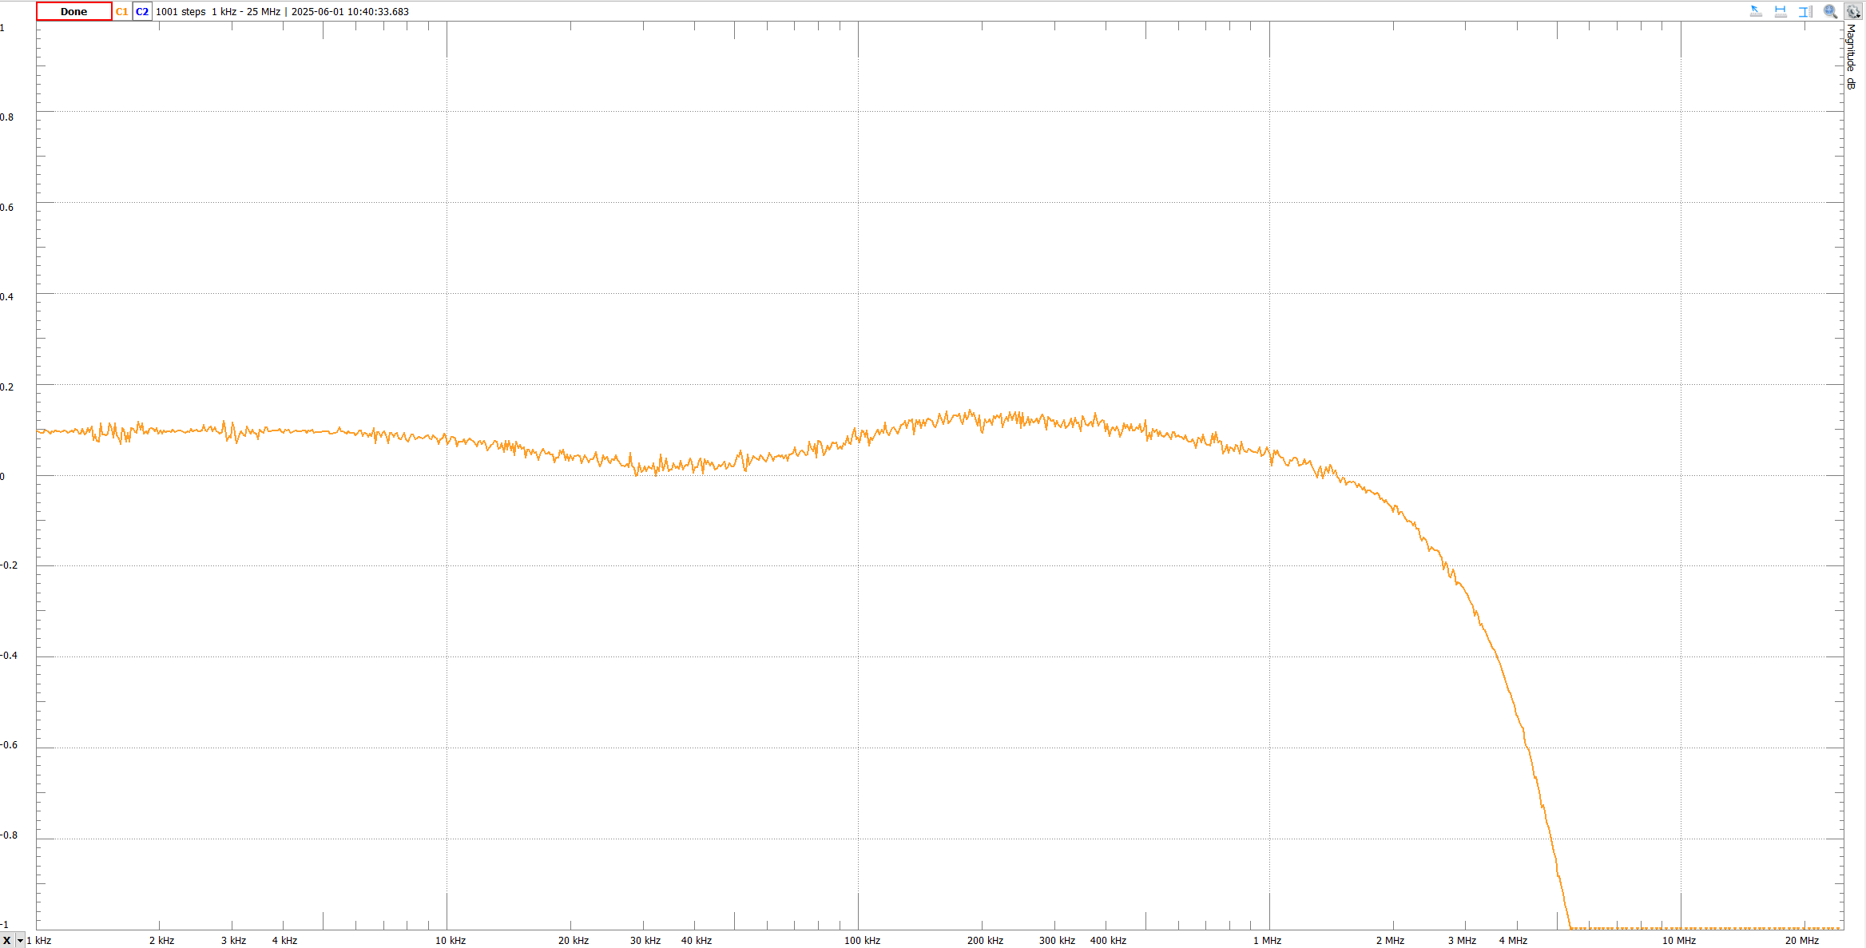

x10 P after fix
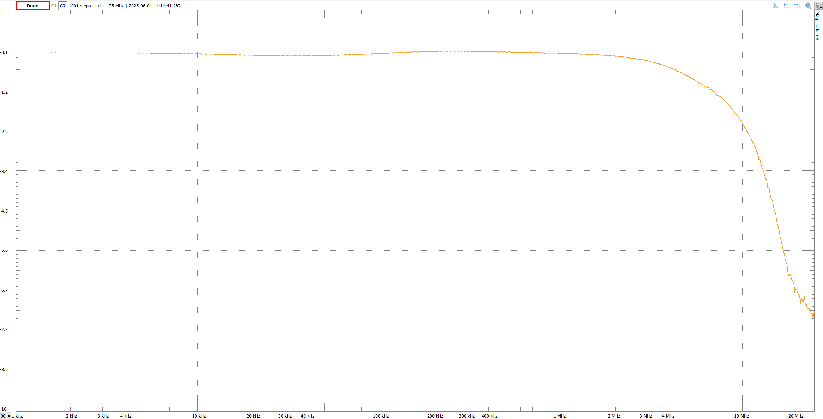

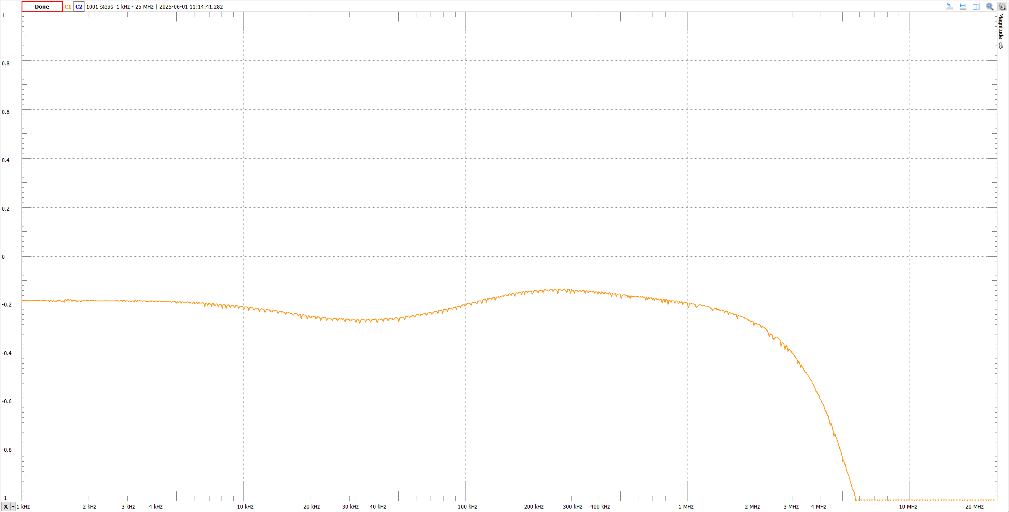

x10 N before
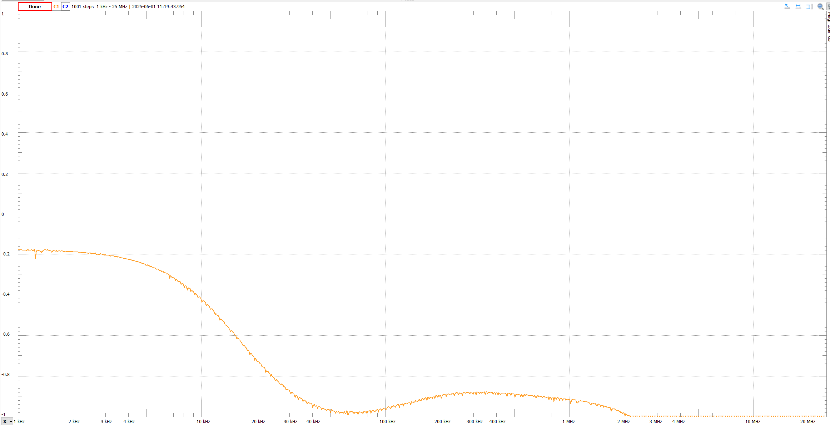

x10 N after
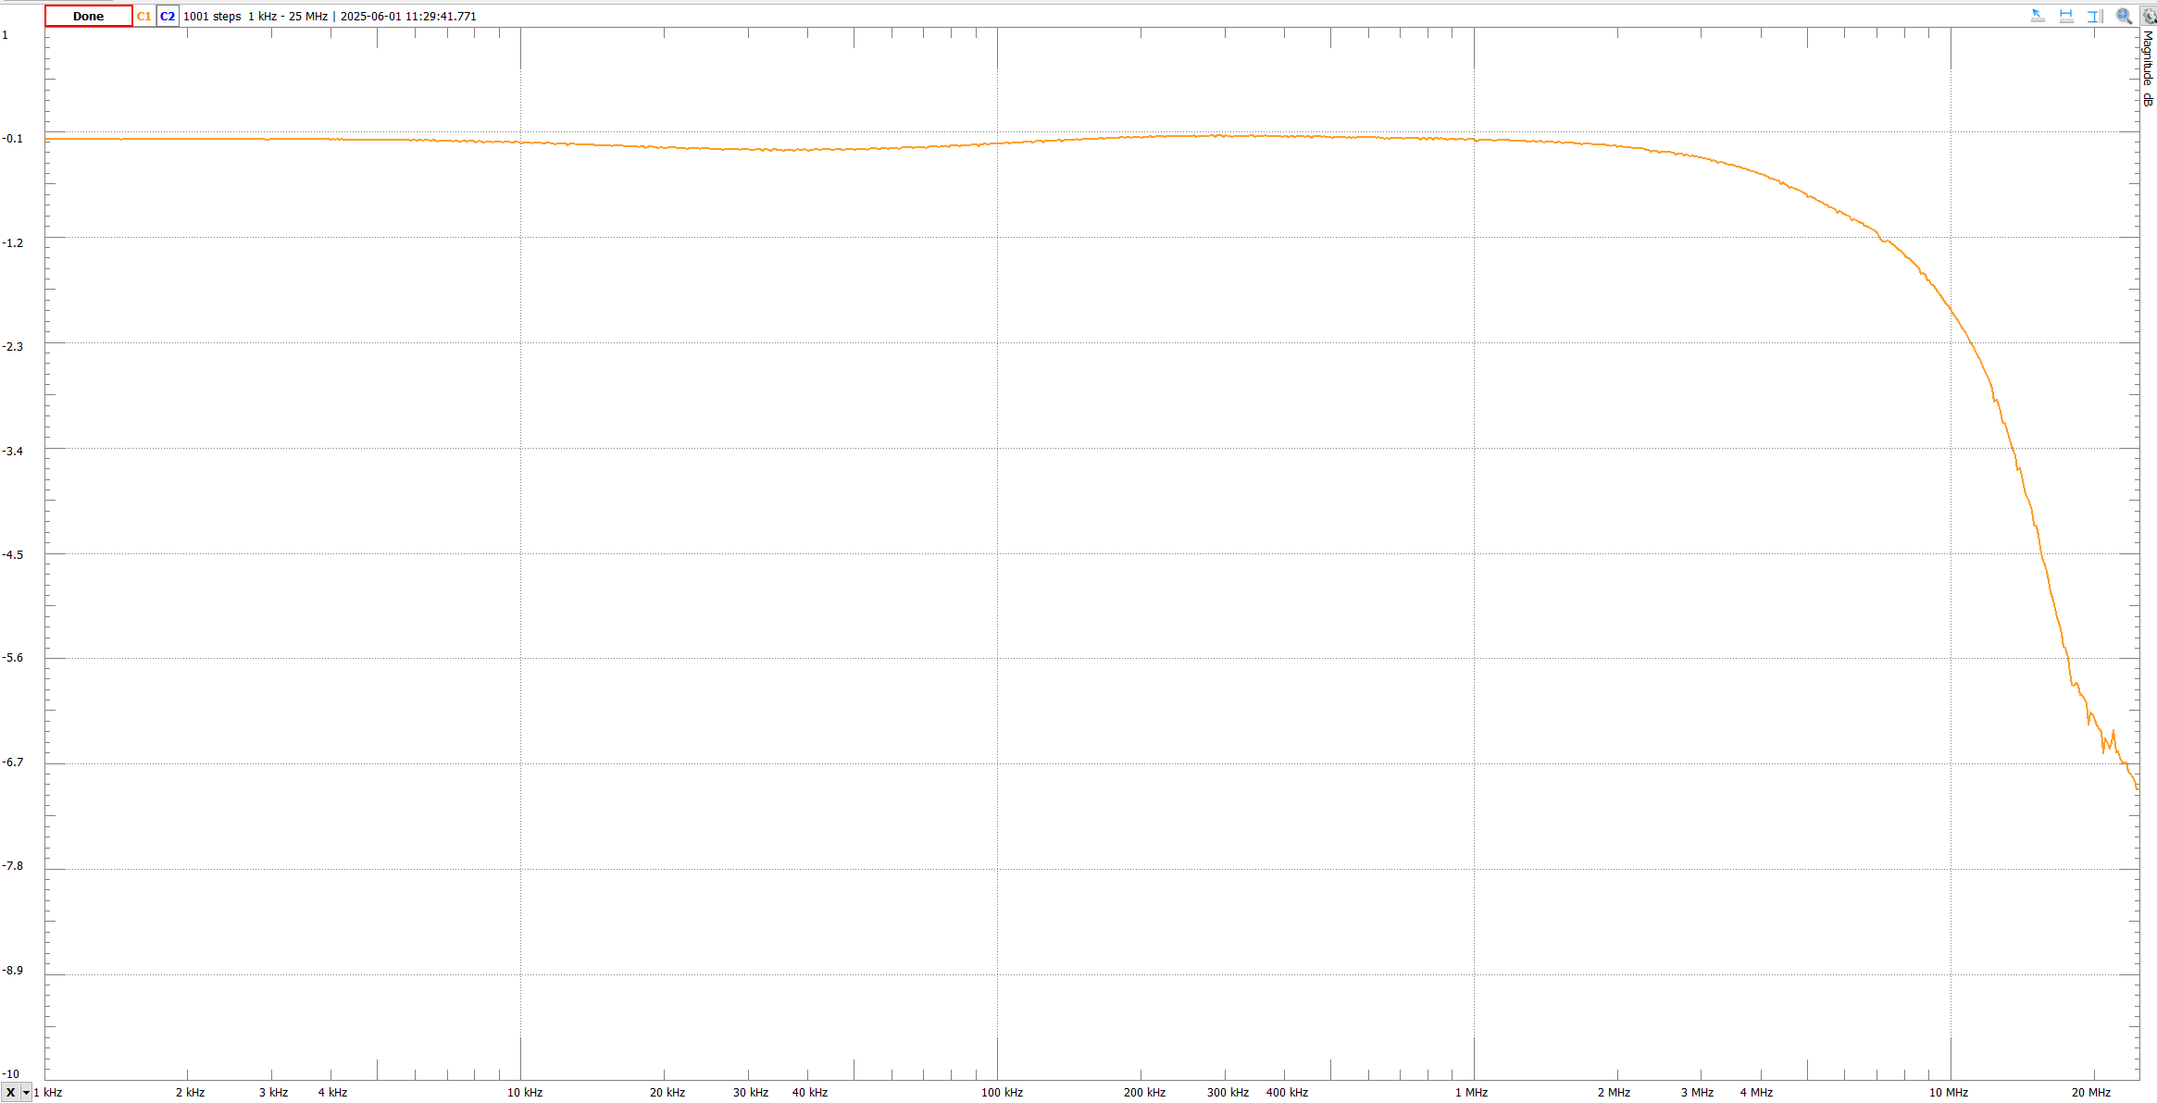

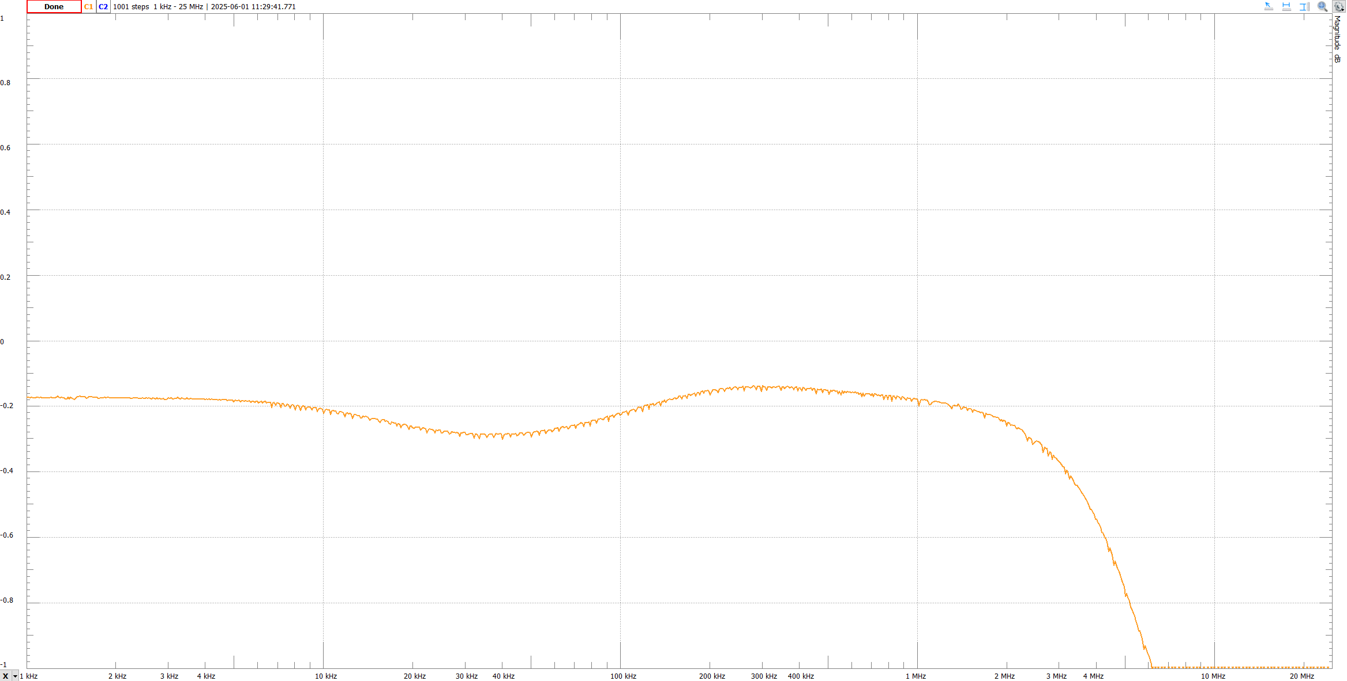

x100 N fixed

Arkusz2
f | M |  | M
Hz | dB |  | dB
1000 | 0.025306520491 | 1000 | 0.098708176525 | 0.073401656034
1010.178079 | 0.025308859688 | 1010.178079 | 0.096928502448 | 0.071619642761
1020.4597512 | 0.025527534973 | 1020.4597512 | 0.094557320938 | 0.069029785965
1030.8460711 | 0.025811958747 | 1030.8460711 | 0.093515210963 | 0.067703252217
1041.3381038 | 0.025979515099 | 1041.3381038 | 0.092367421215 | 0.066387906116
1051.9369252 | 0.026275842288 | 1051.9369252 | 0.097623270314 | 0.071347428026
 | x
1000 | 0.073401656034
1010.178079 | 0.071619642761
1020.4597512 | 0.069029785965
1030.8460711 | 0.067703252217
1041.3381038 | 0.066387906116
1051.9369252 | 0.071347428026
1062.6436223 | 0.071359427649
1073.459293 | 0.069855878845
1084.3850464 | 0.063703728008
1095.422003 | 0.069072459308
1106.5712947 | 0.067043035617
1117.8340647 | 0.070962886427
1129.211468 | 0.069022422283
1140.7046715 | 0.068681625031
1152.3148537 | 0.066366193752
1164.0432053 | 0.068342895189
1175.8909289 | 0.068783305877
1187.8592396 | 0.066468331083
1199.9493648 | 0.06403065131
1212.1625441 | 0.065023331865
1224.5000302 | 0.06775526335
1236.9630882 | 0.063538849503
1249.5529962 | 0.070801736207
1262.2710452 | 0.066511389862
1275.1185396 | 0.059911191978
1288.0967967 | 0.059032564324
1301.2071476 | 0.070111298332
1314.4509367 | 0.057544635147
1327.8295221 | 0.060176740764
1341.3442758 | 0.07051344168
1354.9965838 | 0.060504985222
1368.787846 | 0.072503489779
1382.7194767 | 0.042961005748
1396.7929047 | 0.054430045914
1411.0095732 | 0.039803636919
1425.37094 | 0.036961282656
1439.878478 | 0.077735573913
1454.5336748 | 0.053184417452
1469.3380334 | 0.052682210802
1484.2930719 | 0.049830043204
1499.400324 | 0.052736050055
1514.6613388 | 0.075665645463
1530.0776815 | 0.062183026219
1545.650933 | 0.042726972965
1561.3826902 | 0.074485239111
1577.2745665 | 0.047744625557
1593.3281916 | 0.039921581073
1609.5452117 | 0.027332726143
1625.9272899 | 0.060656492016
1642.4761063 | 0.057374492285
...
1062.6436223 | 0.026406084964 | 1062.6436223 | 0.097765512613 | 0.071359427649
1073.459293 | 0.026502391245 | 1073.459293 | 0.09635827009 | 0.069855878845
1084.3850464 | 0.026905705268 | 1084.3850464 | 0.090609433277 | 0.063703728008
1095.422003 | 0.027265144791 | 1095.422003 | 0.096337604099 | 0.069072459308
1106.5712947 | 0.02749811082 | 1106.5712947 | 0.094541146438 | 0.067043035617
1117.8340647 | 0.027729064405 | 1117.8340647 | 0.098691950832 | 0.070962886427
1129.211468 | 0.027780981121 | 1129.211468 | 0.096803403404 | 0.069022422283
1140.7046715 | 0.028264509011 | 1140.7046715 | 0.096946134042 | 0.068681625031
1152.3148537 | 0.028752841178 | 1152.3148537 | 0.09511903493 | 0.066366193752
1164.0432053 | 0.029022804528 | 1164.0432053 | 0.097365699718 | 0.068342895189
1175.8909289 | 0.029374163554 | 1175.8909289 | 0.098157469431 | 0.068783305877
1187.8592396 | 0.029694180301 | 1187.8592396 | 0.096162511384 | 0.066468331083
1199.9493648 | 0.029732932666 | 1199.9493648 | 0.093763583977 | 0.06403065131
1212.1625441 | 0.03025497911 | 1212.1625441 | 0.095278310975 | 0.065023331865
1224.5000302 | 0.030510313792 | 1224.5000302 | 0.098265577142 | 0.06775526335
1236.9630882 | 0.030704030424 | 1236.9630882 | 0.094242879927 | 0.063538849503
1249.5529962 | 0.031250340004 | 1249.5529962 | 0.10205207621 | 0.070801736207
1262.2710452 | 0.03162356649 | 1262.2710452 | 0.098134956352 | 0.066511389862
1275.1185396 | 0.031866949228 | 1275.1185396 | 0.091778141205 | 0.059911191978
1288.0967967 | 0.032054719205 | 1288.0967967 | 0.091087283529 | 0.059032564324
1301.2071476 | 0.032451391459 | 1301.2071476 | 0.10256268979 | 0.070111298332
1314.4509367 | 0.032837526384 | 1314.4509367 | 0.090382161531 | 0.057544635147
1327.8295221 | 0.033311765269 | 1327.8295221 | 0.093488506033 | 0.060176740764
1341.3442758 | 0.033732138552 | 1341.3442758 | 0.10424558023 | 0.07051344168
1354.9965838 | 0.03421731576 | 1354.9965838 | 0.094722300982 | 0.060504985222
1368.787846 | 0.034317095216 | 1368.787846 | 0.106820585 | 0.072503489779
1382.7194767 | 0.035017284462 | 1382.7194767 | 0.07797829021 | 0.042961005748
1396.7929047 | 0.035100542337 | 1396.7929047 | 0.089530588251 | 0.054430045914
1411.0095732 | 0.035590653246 | 1411.0095732 | 0.075394290165 | 0.039803636919
1425.37094 | 0.036353033504 | 1425.37094 | 0.07331431616 | 0.036961282656
1439.878478 | 0.036461141215 | 1439.878478 | 0.11419671513 | 0.077735573913
1454.5336748 | 0.036915395143 | 1454.5336748 | 0.090099812595 | 0.053184417452
1469.3380334 | 0.036898898907 | 1469.3380334 | 0.089581109709 | 0.052682210802
1484.2930719 | 0.037645735742 | 1484.2930719 | 0.087475778947 | 0.049830043204
1499.400324 | 0.03825153458 | 1499.400324 | 0.090987584636 | 0.052736050055
1514.6613388 | 0.038386069647 | 1514.6613388 | 0.11405171511 | 0.075665645463
1530.0776815 | 0.039246009194 | 1530.0776815 | 0.10142903541 | 0.062183026219
1545.650933 | 0.039657518163 | 1545.650933 | 0.082384491127 | 0.042726972965
1561.3826902 | 0.040033090289 | 1561.3826902 | 0.1145183294 | 0.074485239111
1577.2745665 | 0.040428976228 | 1577.2745665 | 0.088173601785 | 0.047744625557
1593.3281916 | 0.040926485615 | 1593.3281916 | 0.080848066688 | 0.039921581073
1609.5452117 | 0.041404216583 | 1609.5452117 | 0.068736942726 | 0.027332726143
1625.9272899 | 0.042166074954 | 1625.9272899 | 0.10282256697 | 0.060656492016
1642.4761063 | 0.042253317127 | 1642.4761063 | 0.099627809413 | 0.057374492285
1659.1933577 | 0.042763259816 | 1659.1933577 | 0.074351509122 | 0.031588249306
1676.0807587 | 0.043438676134 | 1676.0807587 | 0.093681879295 | 0.05024320316
1693.140041 | 0.04427720973 | 1693.140041 | 0.073218172533 | 0.028940962803
1710.372954 | 0.044993417095 | 1710.372954 | 0.10444523571 | 0.059451818618
1727.781265 | 0.045495961585 | 1727.781265 | 0.1021097676 | 0.056613806013
1745.3667591 | 0.045274775708 | 1745.3667591 | 0.094548840385 | 0.049274064677
1763.1312398 | 0.046166349715 | 1763.1312398 | 0.092355093809 | 0.046188744094
1781.0765287 | 0.04670355778 | 1781.0765287 | 0.11790821733 | 0.071204659545
1799.2044663 | 0.04733853755 | 1799.2044663 | 0.099726926322 | 0.052388388773
1817.5169114 | 0.047850478416 | 1817.5169114 | 0.11422712585 | 0.066376647435
1836.015742 | 0.048774795725 | 1836.015742 | 0.090857981491 | 0.042083185767
1854.7028552 | 0.049361964495 | 1854.7028552 | 0.095967821748 | 0.046605857252
1873.5801673 | 0.050037621474 | 1873.5801673 | 0.092153782391 | 0.042116160917
1892.6496141 | 0.05054895122 | 1892.6496141 | 0.10132992357 | 0.050780972355
1911.9131513 | 0.051293008716 | 1911.9131513 | 0.10396355695 | 0.052670548237
1931.3727543 | 0.052016756437 | 1931.3727543 | 0.10210995682 | 0.050093200388
1951.0304187 | 0.053019855236 | 1951.0304187 | 0.096423076693 | 0.043403221457
1970.8881603 | 0.053591964632 | 1970.8881603 | 0.10337486618 | 0.049782901551
1990.9480156 | 0.054287270556 | 1990.9480156 | 0.090690551983 | 0.036403281427
2011.2120417 | 0.054919062984 | 2011.2120417 | 0.098849660788 | 0.043930597804
2031.6823167 | 0.055688142988 | 2031.6823167 | 0.091359842209 | 0.035671699221
2052.3609397 | 0.056312407349 | 2052.3609397 | 0.097564063793 | 0.041251656444
2073.2500314 | 0.057030330317 | 2073.2500314 | 0.094441060938 | 0.037410730621
2094.3517339 | 0.057878468408 | 2094.3517339 | 0.096651263382 | 0.038772794974
2115.6682112 | 0.058367592664 | 2115.6682112 | 0.096770512829 | 0.038402920164
2137.2016493 | 0.059075394301 | 2137.2016493 | 0.095433854108 | 0.036358459807
2158.9542564 | 0.059880428154 | 2158.9542564 | 0.099558606908 | 0.039678178755
2180.9282632 | 0.060506915817 | 2180.9282632 | 0.095052615805 | 0.034545699988
2203.1259233 | 0.061543205608 | 2203.1259233 | 0.096996311308 | 0.0354531057
2225.5495129 | 0.062274819391 | 2225.5495129 | 0.099071230905 | 0.036796411513
2248.2013315 | 0.062813614845 | 2248.2013315 | 0.098191033585 | 0.03537741874
2271.0837022 | 0.063674294373 | 2271.0837022 | 0.097029536846 | 0.033355242473
2294.1989714 | 0.065227912914 | 2294.1989714 | 0.095199233595 | 0.02997132068
2317.5495097 | 0.066042968069 | 2317.5495097 | 0.093388037917 | 0.027345069848
2341.1377115 | 0.066728706942 | 2341.1377115 | 0.097285068881 | 0.03055636194
2364.965996 | 0.067497383285 | 2364.965996 | 0.095490944797 | 0.027993561512
2389.0368066 | 0.068363057617 | 2389.0368066 | 0.10150537731 | 0.033142319696
2413.3526119 | 0.069121966884 | 2413.3526119 | 0.096186623913 | 0.027064657029
2437.9159053 | 0.070565207329 | 2437.9159053 | 0.099155710171 | 0.028590502843
2462.7292058 | 0.071651134027 | 2462.7292058 | 0.10091406859 | 0.02926293456
2487.7950581 | 0.072106936301 | 2487.7950581 | 0.095707788409 | 0.023600852107
2513.1160326 | 0.073018781202 | 2513.1160326 | 0.096152969179 | 0.023134187977
2538.694726 | 0.073736476367 | 2538.694726 | 0.099074273433 | 0.025337797066
2564.5337614 | 0.075415112093 | 2564.5337614 | 0.11135535162 | 0.035940239527
2590.6357885 | 0.076291771146 | 2590.6357885 | 0.097705298503 | 0.021413527357
2617.0034841 | 0.076782368272 | 2617.0034841 | 0.097422963146 | 0.020640594874
2643.6395521 | 0.077545147464 | 2643.6395521 | 0.10609084846 | 0.028545700995
2670.5467242 | 0.079360508605 | 2670.5467242 | 0.1063798672 | 0.0270193586
2697.7277596 | 0.080250444591 | 2697.7277596 | 0.095921287214 | 0.015670842623
2725.1854457 | 0.080805939924 | 2725.1854457 | 0.10571747365 | 0.024911533727
2752.9225984 | 0.081810541932 | 2752.9225984 | 0.096752756544 | 0.014942214612
2780.9420619 | 0.083510652118 | 2780.9420619 | 0.094485555736 | 0.010974903617
2809.2467098 | 0.084081612353 | 2809.2467098 | 0.091849384545 | 0.0077677721912
2837.8394446 | 0.085006215476 | 2837.8394446 | 0.094084168738 | 0.0090779532624
2866.7231985 | 0.086980529478 | 2866.7231985 | 0.11859057492 | 0.031610045445
2895.9009335 | 0.087573005722 | 2895.9009335 | 0.10190273463 | 0.014329728911
2925.3756419 | 0.088301348801 | 2925.3756419 | 0.075193254507 | -0.013108094294
2955.1503461 | 0.0901774143 | 2955.1503461 | 0.086894301261 | -0.0032831130394
2985.2280996 | 0.090998890648 | 2985.2280996 | 0.082917837452 | -0.0080810531961
3015.6119869 | 0.091742731531 | 3015.6119869 | 0.11556154958 | 0.023818818049
3046.3051238 | 0.093418042206 | 3046.3051238 | 0.10370451731 | 0.010286475102
3077.3106579 | 0.09476159756 | 3077.3106579 | 0.070442759974 | -0.024318837586
3108.6317687 | 0.09528809255 | 3108.6317687 | 0.079731925661 | -0.015556166889
3140.2716683 | 0.096979707422 | 3140.2716683 | 0.090912787641 | -0.0060669197812
3172.2336012 | 0.097759603248 | 3172.2336012 | 0.096578934002 | -0.0011806692463
3204.5208453 | 0.098540506157 | 3204.5208453 | 0.088305133375 | -0.010235372782
3237.1367114 | 0.1005953705 | 3237.1367114 | 0.086061391943 | -0.014533978558
3270.0845445 | 0.10124990013 | 3270.0845445 | 0.10783567141 | 0.0065857712776
3303.3677231 | 0.102964325 | 3303.3677231 | 0.096123182434 | -0.0068411425649
3336.9896606 | 0.10387893383 | 3336.9896606 | 0.091603347524 | -0.012275586305
3370.9538048 | 0.10462670993 | 3370.9538048 | 0.09936136154 | -0.0052653483907
3405.2636388 | 0.10660352648 | 3405.2636388 | 0.092275082857 | -0.014328443626
3439.922681 | 0.10730123738 | 3439.922681 | 0.090936738109 | -0.016364499267
3474.9344856 | 0.10907111384 | 3474.9344856 | 0.078876775527 | -0.030194338316
3510.3026431 | 0.10972217376 | 3510.3026431 | 0.099276707597 | -0.010445466162
3546.0307806 | 0.11095093865 | 3546.0307806 | 0.096144711812 | -0.014806226839
3582.1225618 | 0.11244606954 | 3582.1225618 | 0.092624490129 | -0.019821579415
3618.5816881 | 0.11304076066 | 3618.5816881 | 0.10468783552 | -0.0083529251326
3655.4118982 | 0.11491094263 | 3655.4118982 | 0.10571975935 | -0.0091911832878
3692.6169691 | 0.11557793179 | 3692.6169691 | 0.096061533977 | -0.019516397809
3730.2007161 | 0.11752666617 | 3730.2007161 | 0.096600304485 | -0.020926361684
3768.1669935 | 0.11826761433 | 3768.1669935 | 0.097901823496 | -0.020365790832
3806.5196947 | 0.12020780614 | 3806.5196947 | 0.098252941355 | -0.021954864787
3845.2627526 | 0.1209415406 | 3845.2627526 | 0.098937208233 | -0.022004332364
3884.4001405 | 0.12294983186 | 3884.4001405 | 0.097995204517 | -0.02495462734
3923.9358718 | 0.12362269118 | 3923.9358718 | 0.10117001972 | -0.022452671457
3963.8740009 | 0.12507950032 | 3963.8740009 | 0.096665042349 | -0.02841445797
4004.2186235 | 0.12597532074 | 4004.2186235 | 0.093039565815 | -0.032935754923
4044.9738767 | 0.12773898246 | 4044.9738767 | 0.10089718184 | -0.026841800621
4086.1439402 | 0.12845998706 | 4086.1439402 | 0.09801240484 | -0.030447582216
4127.7330358 | 0.13038932721 | 4127.7330358 | 0.1009091517 | -0.029480175506
4169.7454286 | 0.13087847294 | 4169.7454286 | 0.092840213717 | -0.03803825922
4212.1854267 | 0.13280804446 | 4212.1854267 | 0.094795636158 | -0.038012408303
4255.0573826 | 0.13332949554 | 4255.0573826 | 0.09655909343 | -0.036770402109
4298.3656926 | 0.13530287332 | 4298.3656926 | 0.098216460131 | -0.03708641319
4342.1147979 | 0.13580868074 | 4342.1147979 | 0.095825162378 | -0.039983518361
4386.3091852 | 0.13767177402 | 4386.3091852 | 0.09641594609 | -0.041255827926
4430.9533863 | 0.13719621526 | 4430.9533863 | 0.09625796595 | -0.040938249313
4476.0519797 | 0.1400303389 | 4476.0519797 | 0.097818280686 | -0.042212058215
4521.6095902 | 0.14092459693 | 4521.6095902 | 0.097705146316 | -0.043219450616
4567.6308896 | 0.14214422725 | 4567.6308896 | 0.092361551606 | -0.049782675642
4614.1205974 | 0.14375756393 | 4614.1205974 | 0.097727719255 | -0.046029844677
4661.0834811 | 0.14466575054 | 4661.0834811 | 0.09647705821 | -0.048188692326
4708.5243568 | 0.14649278584 | 4708.5243568 | 0.099787685586 | -0.046705100258
4756.4480894 | 0.14429111704 | 4756.4480894 | 0.092821964549 | -0.051469152489
4804.8595936 | 0.14879572592 | 4804.8595936 | 0.094753103513 | -0.054042622405
4853.7638339 | 0.14908999365 | 4853.7638339 | 0.09512336919 | -0.053966624458
4903.1658254 | 0.15035044246 | 4903.1658254 | 0.094885161017 | -0.055465281442
4953.0706343 | 0.1520009052 | 4953.0706343 | 0.095135273813 | -0.056865631384
5003.4833782 | 0.14824987817 | 5003.4833782 | 0.096397012695 | -0.051852865475
5054.4092271 | 0.15465451073 | 5054.4092271 | 0.096270701488 | -0.058383809241
5105.8534032 | 0.15432818858 | 5105.8534032 | 0.095929849214 | -0.058398339366
5157.8211823 | 0.15590032613 | 5157.8211823 | 0.096492902133 | -0.059407423994
5210.3178935 | 0.15787334513 | 5210.3178935 | 0.09175618489 | -0.066117160241
5263.3489204 | 0.15463984539 | 5263.3489204 | 0.091609911679 | -0.06302993371
5316.9197012 | 0.15971043296 | 5316.9197012 | 0.093546720804 | -0.066163712156
5371.0357297 | 0.16061605773 | 5371.0357297 | 0.093076001878 | -0.067540055853
5425.7025554 | 0.16121656852 | 5425.7025554 | 0.094354406621 | -0.066862161896
5480.9257844 | 0.16291106018 | 5480.9257844 | 0.10462330058 | -0.058287759603
5536.7110797 | 0.16239137098 | 5536.7110797 | 0.096469416196 | -0.065921954783
5593.0641622 | 0.16443119457 | 5593.0641622 | 0.096208674738 | -0.068222519829
5649.9908108 | 0.16594834911 | 5649.9908108 | 0.09483825623 | -0.071110092877
5707.4968634 | 0.16373288006 | 5707.4968634 | 0.090718805005 | -0.073014075057
5765.5882171 | 0.16724192855 | 5765.5882171 | 0.095698768687 | -0.071543159864
5824.2708291 | 0.16877660067 | 5824.2708291 | 0.093099678252 | -0.07567692242
5883.5507175 | 0.16501899727 | 5883.5507175 | 0.093394780013 | -0.071624217253
5943.4339612 | 0.1697595287 | 5943.4339612 | 0.092829788868 | -0.076929739835
6003.9267013 | 0.17125539572 | 6003.9267013 | 0.08795854453 | -0.083296851193
6065.0351413 | 0.16701518672 | 6065.0351413 | 0.091418812607 | -0.075596374117
6126.7655478 | 0.17246430417 | 6126.7655478 | 0.097945403923 | -0.074518900247
6189.1242512 | 0.17367743945 | 6189.1242512 | 0.098357890835 | -0.075319548619
6252.1176465 | 0.16974798428 | 6252.1176465 | 0.086899845637 | -0.082848138642
6315.7521935 | 0.1743718993 | 6315.7521935 | 0.092545461091 | -0.081826438209
6380.0344179 | 0.17575095948 | 6380.0344179 | 0.091694752803 | -0.084056206676
6444.970912 | 0.17296612037 | 6444.970912 | 0.083841795301 | -0.089124325071
6510.5683347 | 0.1764821951 | 6510.5683347 | 0.091589692164 | -0.084892502933
6576.8334133 | 0.17762152354 | 6576.8334133 | 0.086035873477 | -0.091585650066
6643.772943 | 0.17668179169 | 6643.772943 | 0.10355784187 | -0.073123949826
6711.3937885 | 0.16344298798 | 6711.3937885 | 0.070644748087 | -0.092798239896
6779.7028844 | 0.17889107751 | 6779.7028844 | 0.094682082327 | -0.08420899518
6848.7072356 | 0.17925700964 | 6848.7072356 | 0.094289750067 | -0.084967259575
6918.4139185 | 0.17178850152 | 6918.4139185 | 0.084406055406 | -0.087382446111
6988.8300816 | 0.17989022717 | 6988.8300816 | 0.093795081914 | -0.086095145255
7059.962946 | 0.18100685591 | 7059.962946 | 0.096594080903 | -0.084412775009
7131.8198062 | 0.178815775 | 7131.8198062 | 0.083903258157 | -0.094912516844
7204.4080313 | 0.16917768748 | 7204.4080313 | 0.069886255159 | -0.099291432316
7277.735065 | 0.18194965792 | 7277.735065 | 0.092204594714 | -0.089745063208
7351.8084271 | 0.18246120406 | 7351.8084271 | 0.092411093912 | -0.090050110152
7426.6357137 | 0.17585870752 | 7426.6357137 | 0.084786799414 | -0.091071908104
7502.2245983 | 0.17772813244 | 7502.2245983 | 0.091336459124 | -0.086391673321
7578.5828326 | 0.1833165659 | 7578.5828326 | 0.092657504822 | -0.090659061078
7655.718247 | 0.18281715021 | 7655.718247 | 0.080679283467 | -0.10213786674
7733.6387517 | 0.17145208466 | 7733.6387517 | 0.078142234707 | -0.09330984995
7812.3523375 | 0.18120259711 | 7812.3523375 | 0.085672532154 | -0.095530064958
7891.8670764 | 0.18428243131 | 7891.8670764 | 0.092789205427 | -0.091493225878
7972.1911225 | 0.18310468989 | 7972.1911225 | 0.07920149272 | -0.10390319717
8053.3327132 | 0.16942928657 | 8053.3327132 | 0.073844567648 | -0.095584718923
8135.3001694 | 0.18292160953 | 8135.3001694 | 0.082135232425 | -0.10078637711
8218.1018968 | 0.18504364955 | 8218.1018968 | 0.089888802398 | -0.095154847147
8301.7463867 | 0.18349197794 | 8301.7463867 | 0.089192551873 | -0.094299426069
8386.2422168 | 0.17030041712 | 8386.2422168 | 0.078806423154 | -0.091493993966
8471.5980522 | 0.18260968864 | 8471.5980522 | 0.080817825695 | -0.10179186295
8557.822646 | 0.18474707397 | 8557.822646 | 0.084408895709 | -0.10033817826
8644.9248406 | 0.18438986387 | 8644.9248406 | 0.081697170652 | -0.10269269322
8732.9135681 | 0.17462964871 | 8732.9135681 | 0.080573061128 | -0.094056587581
8821.7978519 | 0.18083163224 | 8821.7978519 | 0.081935794492 | -0.098895837745
8911.5868069 | 0.1840323474 | 8911.5868069 | 0.086647573976 | -0.097384773425
9002.289641 | 0.18434385078 | 9002.289641 | 0.087665594056 | -0.096678256721
9093.9156557 | 0.17955128435 | 9093.9156557 | 0.080570192332 | -0.098981092022
9186.4742472 | 0.1746523913 | 9186.4742472 | 0.079600405784 | -0.095051985517
9279.9749074 | 0.18330059773 | 9279.9749074 | 0.088310935155 | -0.094989662571
9374.4272246 | 0.18353970176 | 9374.4272246 | 0.082618872313 | -0.10092082944
9469.840885 | 0.18307906107 | 9469.840885 | 0.081000082745 | -0.10207897833
9566.2256732 | 0.17262916213 | 9566.2256732 | 0.069234580031 | -0.1033945821
9663.5914734 | 0.17913901449 | 9663.5914734 | 0.079177653979 | -0.099961360511
9761.9482703 | 0.18254341715 | 9761.9482703 | 0.079917590742 | -0.10262582641
9861.3061505 | 0.18186961 | 9861.3061505 | 0.092090825982 | -0.08977878402
9961.6753031 | 0.1802513146 | 9961.6753031 | 0.086434393741 | -0.093816920862
10063.066021 | 0.16713227823 | 10063.066021 | 0.06868681767 | -0.098445460559
10165.488701 | 0.17887735175 | 10165.488701 | 0.075177217635 | -0.10370013412
10268.953848 | 0.18073412572 | 10268.953848 | 0.085049826074 | -0.095684299649
10373.472071 | 0.18008539764 | 10373.472071 | 0.085035501089 | -0.095049896549
10479.054089 | 0.17915390139 | 10479.054089 | 0.080439219281 | -0.098714682114
10585.710728 | 0.16665022881 | 10585.710728 | 0.063033330818 | -0.10361689799
10693.452928 | 0.1765220994 | 10693.452928 | 0.074130929581 | -0.10239116982
10802.291736 | 0.17873294475 | 10802.291736 | 0.07330072825 | -0.1054322165
10912.238314 | 0.17774918329 | 10912.238314 | 0.073949464898 | -0.10379971839
11023.303937 | 0.17731999913 | 11023.303937 | 0.079635107687 | -0.097684891443
11135.499995 | 0.16994492814 | 11135.499995 | 0.069092451784 | -0.10085247636
11248.837993 | 0.16996711816 | 11248.837993 | 0.075828039426 | -0.094139078739
11363.329554 | 0.17533501058 | 11363.329554 | 0.080626544707 | -0.094708465875
11478.98642 | 0.17460346803 | 11478.98642 | 0.077298192491 | -0.097305275538
11595.82045 | 0.17451954161 | 11595.82045 | 0.075093580766 | -0.099425960839
11713.843626 | 0.1726568633 | 11713.843626 | 0.072457601249 | -0.10019926205
11833.068051 | 0.16016440572 | 11833.068051 | 0.063553034202 | -0.096611371515
11953.505952 | 0.17041254181 | 11953.505952 | 0.073134081356 | -0.097278460458
12075.169679 | 0.17203813863 | 12075.169679 | 0.075042976525 | -0.096995162101
12198.07171 | 0.17092103846 | 12198.07171 | 0.06805413373 | -0.10286690473
12322.224646 | 0.17069797513 | 12322.224646 | 0.074703018136 | -0.095994956994
12447.641222 | 0.16917088558 | 12447.641222 | 0.069203577632 | -0.099967307949
12574.334297 | 0.15613503979 | 12574.334297 | 0.054143901371 | -0.10199113842
12702.316864 | 0.16653792398 | 12702.316864 | 0.061784391948 | -0.10475353203
12831.602048 | 0.16826347435 | 12831.602048 | 0.067254787081 | -0.10100868727
12962.203107 | 0.1668369311 | 12962.203107 | 0.068828684422 | -0.098008246675
13094.133433 | 0.16652095893 | 13094.133433 | 0.074941323468 | -0.091579635459
13227.406557 | 0.1661083607 | 13227.406557 | 0.074087500335 | -0.092020860362
13362.036145 | 0.1588809793 | 13362.036145 | 0.057289570935 | -0.10159140836
13498.036004 | 0.15873145664 | 13498.036004 | 0.058989016503 | -0.099742440141
13635.42008 | 0.16416174485 | 13635.42008 | 0.070514572372 | -0.093647172476
13774.202462 | 0.16314047474 | 13774.202462 | 0.051558116479 | -0.11158235826
13914.397383 | 0.16247676513 | 13914.397383 | 0.075046522118 | -0.08743024301
14056.019218 | 0.16173214942 | 14056.019218 | 0.056196411368 | -0.10553573805
14199.082491 | 0.16065146058 | 14199.082491 | 0.075830800298 | -0.084820660282
14343.601874 | 0.15072579818 | 14343.601874 | 0.054259627159 | -0.096466171021
14489.592186 | 0.15597018743 | 14489.592186 | 0.068621822016 | -0.087348365413
14637.068399 | 0.15919427709 | 14637.068399 | 0.043923632412 | -0.11527064467
14786.045637 | 0.15768970354 | 14786.045637 | 0.072881810143 | -0.084807893397
14936.539177 | 0.15736384084 | 14936.539177 | 0.05896076962 | -0.098403071222
15088.564452 | 0.1566005358 | 15088.564452 | 0.066362426824 | -0.090238108973
15242.137052 | 0.15634844464 | 15242.137052 | 0.05795974696 | -0.098388697677
15397.272726 | 0.15083223619 | 15397.272726 | 0.06122438765 | -0.089607848545
15553.987384 | 0.14636455223 | 15553.987384 | 0.037996941818 | -0.10836761041
15712.297095 | 0.15418113902 | 15712.297095 | 0.057058203895 | -0.097122935127
15872.218096 | 0.1532487666 | 15872.218096 | 0.056759624379 | -0.096489142222
16033.766785 | 0.15229564071 | 16033.766785 | 0.046359470984 | -0.10593616973
16196.959729 | 0.15213470316 | 16196.959729 | 0.056537159521 | -0.095597543643
16361.813664 | 0.15113110853 | 16361.813664 | 0.049236192931 | -0.1018949156
16528.345495 | 0.15072151059 | 16528.345495 | 0.050474663887 | -0.10024684671
16696.5723 | 0.14365441959 | 16696.5723 | 0.03419455901 | -0.10945986058
16866.511331 | 0.14246725507 | 16866.511331 | 0.044794223956 | -0.097673031114
17038.180015 | 0.14888581719 | 17038.180015 | 0.053305243706 | -0.095580573488
17211.595957 | 0.14817393354 | 17211.595957 | 0.057193710313 | -0.090980223232
17386.776939 | 0.14701128083 | 17386.776939 | 0.048090095617 | -0.098921185212
17563.740927 | 0.14656774479 | 17563.740927 | 0.046910807521 | -0.099656937269
17742.506069 | 0.13712268445 | 17742.506069 | 0.050935511698 | -0.086187172753
17923.090697 | 0.14524367855 | 17923.090697 | 0.045856920759 | -0.099386757786
18105.513329 | 0.14381662911 | 18105.513329 | 0.045568114923 | -0.098248514182
18289.792673 | 0.13060372911 | 18289.792673 | 0.027714616864 | -0.10288911224
18475.947627 | 0.14089405529 | 18475.947627 | 0.038786018429 | -0.10210803686
18663.997281 | 0.14299138332 | 18663.997281 | 0.038227228327 | -0.10476415499
18853.960918 | 0.14186344053 | 18853.960918 | 0.054960390637 | -0.086903049889
19045.858021 | 0.14168088621 | 19045.858021 | 0.047588117309 | -0.094092768897
19239.708268 | 0.139269037 | 19239.708268 | 0.056470987093 | -0.082798049903
19435.531537 | 0.12656797397 | 19435.531537 | 0.033928527539 | -0.092639446429
19633.347912 | 0.13939918883 | 19633.347912 | 0.045521060222 | -0.093878128605
19833.177677 | 0.13906241011 | 19833.177677 | 0.031195630924 | -0.10786677918
20035.041325 | 0.13267010993 | 20035.041325 | 0.043669834258 | -0.089000275676
20238.959558 | 0.13147084319 | 20238.959558 | 0.032854034769 | -0.09861680842
20444.953286 | 0.13779795497 | 20444.953286 | 0.042856501788 | -0.094941453178
20653.043635 | 0.13636491448 | 20653.043635 | 0.041524196955 | -0.094840717526
20863.251943 | 0.1360531033 | 20863.251943 | 0.043674974771 | -0.092378128527
21075.599769 | 0.13593023031 | 21075.599769 | 0.041640699306 | -0.094289531003
21290.108887 | 0.12699266583 | 21290.108887 | 0.026231441673 | -0.10076122416
21506.801296 | 0.1313978506 | 21506.801296 | 0.035451503912 | -0.095946346692
21725.699218 | 0.13388678211 | 21725.699218 | 0.044254860913 | -0.089631921202
21946.8251 | 0.13452386036 | 21946.8251 | 0.035533915182 | -0.098989945177
22170.201618 | 0.13143892761 | 22170.201618 | 0.02827312573 | -0.10316580188
22395.851681 | 0.11831469752 | 22395.851681 | 0.035978889499 | -0.082335808024
22623.798427 | 0.13161035752 | 22623.798427 | 0.035548344289 | -0.09606201323
22854.065234 | 0.1323836882 | 22854.065234 | 0.039922744459 | -0.092460943742
23086.675714 | 0.13068320205 | 23086.675714 | 0.051010050697 | -0.07967315135
23321.653722 | 0.13128569332 | 23321.653722 | 0.032694508659 | -0.098591184656
23559.023355 | 0.12767109271 | 23559.023355 | 0.018460613194 | -0.10921047952
23798.808955 | 0.12002285042 | 23798.808955 | 0.026057417419 | -0.093965433005
24041.035111 | 0.12908071313 | 24041.035111 | 0.043726472173 | -0.085354240957
24285.726665 | 0.12937594191 | 24285.726665 | 0.035917069671 | -0.093458872235
24532.908708 | 0.12883934878 | 24532.908708 | 0.039508359963 | -0.089330988817
24782.60659 | 0.12823365459 | 24782.60659 | 0.029083441916 | -0.099150212675
25034.845916 | 0.12239274821 | 25034.845916 | 0.025747455426 | -0.096645292781
25289.652554 | 0.12071497023 | 25289.652554 | 0.034956220152 | -0.085758750074
25547.052635 | 0.12745680887 | 25547.052635 | 0.03421713599 | -0.093239672879
25807.072553 | 0.12692837767 | 25807.072553 | 0.043667642873 | -0.083260734801
26069.738975 | 0.12676959472 | 26069.738975 | 0.033332642514 | -0.093436952205
26335.078837 | 0.12670892592 | 26335.078837 | 0.029925941152 | -0.096782984768
26603.119348 | 0.11767522418 | 26603.119348 | 0.0210082314 | -0.096666992783
26873.887997 | 0.12223230278 | 26873.887997 | 0.020631849044 | -0.10160045373
27147.412551 | 0.12588571285 | 27147.412551 | 0.018652782084 | -0.10723293077
27423.721059 | 0.12504815656 | 27423.721059 | 0.024302947377 | -0.10074520919
27702.841857 | 0.12517591077 | 27702.841857 | 0.017949855454 | -0.10722605531
27984.803569 | 0.12466728324 | 27984.803569 | 0.048410396938 | -0.076256886298
28269.635109 | 0.12437852617 | 28269.635109 | 0.02189480511 | -0.10248372106
28557.365687 | 0.12046909295 | 28557.365687 | 0.016680140766 | -0.10378895218
28848.02481 | 0.1130215436 | 28848.02481 | -0.0018950539691 | -0.11491659757
29141.642284 | 0.12303781651 | 29141.642284 | 0.00023332940904 | -0.1228044871
29438.24822 | 0.12299757312 | 29438.24822 | 0.026047114534 | -0.096950458587
29737.873034 | 0.12232399059 | 29737.873034 | 0.0070399683714 | -0.11528402222
30040.547454 | 0.12285109433 | 30040.547454 | 0.011030804034 | -0.11182029029
30346.302518 | 0.11686903033 | 30346.302518 | 0.019840610582 | -0.097028419752
30655.16958 | 0.11545494266 | 30655.16958 | 0.008584437813 | -0.10687050484
30967.180317 | 0.12216415598 | 30967.180317 | 0.019564632719 | -0.10259952326
31282.366723 | 0.12128654589 | 31282.366723 | 0.016239235382 | -0.10504731051
31600.761121 | 0.12170563433 | 31600.761121 | 0.013466900632 | -0.1082387337
31922.396163 | 0.12087761806 | 31922.396163 | 0.025975971785 | -0.094901646271
32247.304831 | 0.10627494192 | 32247.304831 | -0.001123167283 | -0.1073981092
32575.520446 | 0.12087501514 | 32575.520446 | 0.017572440621 | -0.10330257452
32907.076665 | 0.12170990825 | 32907.076665 | 0.0092960471067 | -0.11241386115
33242.007489 | 0.1195251522 | 33242.007489 | 0.045813070403 | -0.073712081799
33580.347266 | 0.10524277044 | 33580.347266 | 0.010907285243 | -0.094335485197
33922.130691 | 0.11981534329 | 33922.130691 | 0.020247401741 | -0.099567941553
34267.392816 | 0.12046349074 | 34267.392816 | 0.036425314444 | -0.0840381763
34616.169045 | 0.11975144118 | 34616.169045 | 0.0096540367816 | -0.1100974044
34968.495147 | 0.12110531934 | 34968.495147 | 0.01251331538 | -0.10859200396
35324.407251 | 0.11728166566 | 35324.407251 | 0.012355755472 | -0.10492591019
35683.941857 | 0.10952541086 | 35683.941857 | 0.026431844205 | -0.083093566659
36047.135834 | 0.11936813772 | 36047.135834 | 0.016668043435 | -0.10270009429
36414.026429 | 0.12047333414 | 36414.026429 | 0.019299909246 | -0.1011734249
36784.651265 | 0.119871046 | 36784.651265 | 0.014558935849 | -0.10531211015
37159.048349 | 0.12068306052 | 37159.048349 | 0.031292657468 | -0.089390403052
37537.256077 | 0.11051475002 | 37537.256077 | 0.012609066847 | -0.09790568317
37919.313233 | 0.11739879682 | 37919.313233 | 0.01872234686 | -0.098676449955
38305.258997 | 0.12007529319 | 38305.258997 | 0.023393653177 | -0.096681640015
38695.132947 | 0.11978092887 | 38695.132947 | 0.020949206765 | -0.098831722104
39088.975065 | 0.11960907047 | 39088.975065 | 0.03701215383 | -0.08259691664
39486.82574 | 0.12014811808 | 39486.82574 | 0.02958535814 | -0.09056275994
39888.72577 | 0.11819957176 | 39888.72577 | 0.0055873116505 | -0.11261226011
40294.71637 | 0.10516994665 | 40294.71637 | 0.017671415548 | -0.087498531098
40704.839174 | 0.11935236664 | 40704.839174 | 0.017956946239 | -0.10139542041
41119.136241 | 0.11991911349 | 41119.136241 | 0.032191827078 | -0.087727286407
41537.650056 | 0.12024641528 | 41537.650056 | 0.037418694078 | -0.082827721206
41960.423538 | 0.12023281983 | 41960.423538 | 0.0042402418614 | -0.11599257797
42387.500041 | 0.11780874795 | 42387.500041 | 0.035361081693 | -0.082447666253
42818.923363 | 0.10935256722 | 42818.923363 | 0.02463523709 | -0.084717330129
43254.737746 | 0.12028414992 | 43254.737746 | 0.032042857409 | -0.088241292511
43694.987881 | 0.120616304 | 43694.987881 | 0.021618327839 | -0.098997976164
44139.718918 | 0.11986572712 | 44139.718918 | 0.028968911436 | -0.090896815686
44588.976462 | 0.12070955718 | 44588.976462 | 0.022925176189 | -0.097784380992
45042.806585 | 0.1110611994 | 45042.806585 | 0.012488277383 | -0.098572922013
45501.255826 | 0.11837021467 | 45501.255826 | 0.015266758404 | -0.10310345627
45964.3712 | 0.12160723287 | 45964.3712 | 0.023349644723 | -0.098257588151
46432.200199 | 0.12089098656 | 46432.200199 | 0.019628684974 | -0.10126230158
46904.790799 | 0.12210334596 | 46904.790799 | 0.022368519191 | -0.099734826767
47382.191463 | 0.11610634432 | 47382.191463 | 0.02899971562 | -0.087106628701
47864.451148 | 0.11690176951 | 47864.451148 | 0.014772219985 | -0.10212954952
48351.619311 | 0.12217030915 | 48351.619311 | 0.018230154042 | -0.10394015511
48843.74591 | 0.12206384645 | 48843.74591 | 0.026576028648 | -0.095487817798
49340.881412 | 0.1221952567 | 49340.881412 | 0.019735175842 | -0.10246008086
49843.076798 | 0.12118877828 | 49843.076798 | 0.019817057187 | -0.10137172109
50350.383569 | 0.10623228633 | 50350.383569 | 0.024344962416 | -0.08188732391
50862.853748 | 0.12097473131 | 50862.853748 | 0.044516419684 | -0.076458311623
51380.539889 | 0.12260576385 | 51380.539889 | 0.039563421608 | -0.083042342242
51903.495081 | 0.12263387278 | 51903.495081 | 0.054514664301 | -0.068119208476
52431.772952 | 0.12330399604 | 52431.772952 | 0.040698565579 | -0.082605430463
52965.427676 | 0.12141745875 | 52965.427676 | 0.011051847374 | -0.11036561137
53504.513981 | 0.11227258924 | 53504.513981 | 0.0091119806508 | -0.10316060859
54049.087148 | 0.1227170484 | 54049.087148 | 0.046428453867 | -0.076288594532
54599.203024 | 0.12461199299 | 54599.203024 | 0.022628760672 | -0.10198323232
55154.918023 | 0.12347293966 | 55154.918023 | 0.033487281358 | -0.089985658301
55716.289134 | 0.12511536445 | 55716.289134 | 0.041617675449 | -0.083497689003
56283.373923 | 0.11590457236 | 56283.373923 | 0.039456751196 | -0.076447821167
56856.230547 | 0.12287896316 | 56856.230547 | 0.037507257185 | -0.085371705972
57434.91775 | 0.12572786531 | 57434.91775 | 0.032611886467 | -0.093115978842
58019.494877 | 0.12528001771 | 58019.494877 | 0.043322092628 | -0.081957925078
58610.021877 | 0.12577618807 | 58610.021877 | 0.039571772485 | -0.086204415583
59206.559307 | 0.12109248938 | 59206.559307 | 0.03543877523 | -0.085653714146
59809.168342 | 0.12114362359 | 59809.168342 | 0.029494786381 | -0.091648837209
60417.910779 | 0.12684306646 | 60417.910779 | 0.036825997438 | -0.090017069024
61032.849045 | 0.1262539938 | 61032.849045 | 0.048841994787 | -0.077411999015
61654.046201 | 0.12770929252 | 61654.046201 | 0.040150759076 | -0.087558533448
62281.565951 | 0.12113790267 | 62281.565951 | 0.032290423698 | -0.08884747897
62915.472646 | 0.12263551109 | 62915.472646 | 0.041124537669 | -0.081510973425
63555.831294 | 0.12857475587 | 63555.831294 | 0.040598104001 | -0.087976651868
64202.707563 | 0.12870949766 | 64202.707563 | 0.044625810118 | -0.084083687545
64856.167789 | 0.12879752665 | 64856.167789 | 0.040786816866 | -0.088010709785
65516.278985 | 0.12920194321 | 65516.278985 | 0.044737450957 | -0.08446449225
66183.108845 | 0.12937250759 | 66183.108845 | 0.036410198988 | -0.092962308604
66856.725752 | 0.12231427139 | 66856.725752 | 0.043325121714 | -0.07898914968
67537.198786 | 0.12581964258 | 67537.198786 | 0.030758720578 | -0.095060922006
68224.597727 | 0.13111553431 | 68224.597727 | 0.046430138526 | -0.084685395786
68918.993069 | 0.13058679571 | 68918.993069 | 0.046192525952 | -0.084394269754
69620.456022 | 0.13148915784 | 69620.456022 | 0.049875043141 | -0.081614114702
70329.058519 | 0.13198361142 | 70329.058519 | 0.061403457453 | -0.070580153963
71044.87323 | 0.1218485873 | 71044.87323 | 0.046161359275 | -0.07568722803
71767.973558 | 0.1294035103 | 71767.973558 | 0.042999267874 | -0.086404242422
72498.433659 | 0.13280846696 | 72498.433659 | 0.052076041447 | -0.080732425512
73236.328441 | 0.13336380912 | 73236.328441 | 0.054833819345 | -0.078529989777
73981.733574 | 0.13361449996 | 73981.733574 | 0.050407514592 | -0.083206985367
74734.725499 | 0.1305304437 | 74734.725499 | 0.043573987124 | -0.086956456573
75495.381435 | 0.124571124 | 75495.381435 | 0.046396025347 | -0.078175098651
76263.779388 | 0.13398559558 | 76263.779388 | 0.074200042747 | -0.059785552832
77039.998156 | 0.13457385368 | 77039.998156 | 0.061128300151 | -0.073445553524
77824.117339 | 0.13446534446 | 77824.117339 | 0.052696828873 | -0.081768515584
78616.21735 | 0.13427113556 | 78616.21735 | 0.068491374325 | -0.065779761232
79416.379417 | 0.12235580272 | 79416.379417 | 0.038414295144 | -0.083941507578
80224.685597 | 0.13546039974 | 80224.685597 | 0.076169675872 | -0.059290723873
81041.21878 | 0.13634798692 | 81041.21878 | 0.074577807587 | -0.061770179334
81866.062703 | 0.13622512218 | 81866.062703 | 0.063783477311 | -0.072441644874
82699.301953 | 0.13583114111 | 82699.301953 | 0.0437651788 | -0.092065962311
83541.021977 | 0.12521423879 | 83541.021977 | 0.049616956936 | -0.075597281855
84391.309095 | 0.138202651 | 84391.309095 | 0.065385383037 | -0.07281726796
85250.250501 | 0.13758022859 | 85250.250501 | 0.056969364964 | -0.080610863627
86117.934281 | 0.13852198915 | 86117.934281 | 0.061194013521 | -0.07732797563
86994.449416 | 0.13475227213 | 86994.449416 | 0.072439050091 | -0.062313222043
87879.88579 | 0.1343879845 | 87879.88579 | 0.070437135198 | -0.063950849298
88774.334206 | 0.13929616396 | 88774.334206 | 0.072829022792 | -0.06646714117
89677.886388 | 0.13883475199 | 89677.886388 | 0.05856180899 | -0.080272943004
90590.634996 | 0.13968320233 | 90590.634996 | 0.063065522174 | -0.076617680155
91512.673631 | 0.12471957215 | 91512.673631 | 0.057197330233 | -0.067522241922
92444.096848 | 0.14036668946 | 92444.096848 | 0.070760775165 | -0.069605914298
93385.000164 | 0.14094800456 | 93385.000164 | 0.066880453499 | -0.074067551065
94335.480069 | 0.1413253608 | 94335.480069 | 0.085877664418 | -0.055447696379
95295.634033 | 0.13499328284 | 95295.634033 | 0.070462100883 | -0.064531181955
96265.56052 | 0.14030876375 | 96265.56052 | 0.067908461261 | -0.072400302485
97245.358995 | 0.14088093972 | 97245.358995 | 0.087224235208 | -0.053656704512
98235.129936 | 0.14219218507 | 98235.129936 | 0.10424312727 | -0.037949057808
99234.974844 | 0.14335680701 | 99234.974844 | 0.079522193321 | -0.06383461369
100244.99625 | 0.13762853864 | 100244.99625 | 0.082571279531 | -0.055057259111
101265.29774 | 0.13764586808 | 101265.29774 | 0.071699291525 | -0.065946576556
102295.98393 | 0.14414273603 | 102295.98393 | 0.09878277839 | -0.04535995764
103337.16054 | 0.14335860981 | 103337.16054 | 0.096558219685 | -0.046800390128
104388.93431 | 0.14356854231 | 104388.93431 | 0.084411514192 | -0.059157028114
105451.41313 | 0.14329124986 | 105451.41313 | 0.097954899616 | -0.045336350248
106524.70594 | 0.13228418799 | 106524.70594 | 0.065082887891 | -0.067201300095
107608.9228 | 0.13982278367 | 107608.9228 | 0.083327859578 | -0.056494924093
108704.17492 | 0.14403035835 | 108704.17492 | 0.077535189824 | -0.066495168522
109810.57459 | 0.14536561705 | 109810.57459 | 0.088478671622 | -0.056886945425
110928.23529 | 0.14575969069 | 110928.23529 | 0.094785962401 | -0.050973728291
112057.27163 | 0.14267631085 | 112057.27163 | 0.10021638594 | -0.042459924912
113197.79938 | 0.13547565254 | 113197.79938 | 0.089006635679 | -0.046469016856
114349.93552 | 0.14625893773 | 114349.93552 | 0.09964536036 | -0.04661357737
115513.79819 | 0.14548876656 | 115513.79819 | 0.092994024219 | -0.052494742343
116689.50675 | 0.14608530376 | 116689.50675 | 0.1159406459 | -0.030144657861
117877.18176 | 0.14473799905 | 117877.18176 | 0.094361654481 | -0.050376344565
119076.94503 | 0.13176328687 | 119076.94503 | 0.088087942036 | -0.043675344837
120288.91957 | 0.14642583879 | 120288.91957 | 0.096212225203 | -0.050213613589
121513.22969 | 0.14529116186 | 121513.22969 | 0.10406443199 | -0.041226729877
122750.00094 | 0.14792013096 | 122750.00094 | 0.10478393308 | -0.043136197875
123999.36014 | 0.14598609827 | 123999.36014 | 0.09738296255 | -0.048603135718
125261.43542 | 0.1345918456 | 125261.43542 | 0.091626728249 | -0.042965117348
126536.3562 | 0.14755104322 | 126536.3562 | 0.10084145315 | -0.046709590071
127824.25322 | 0.14700311326 | 127824.25322 | 0.11079249194 | -0.036210621329
129125.25856 | 0.14694574042 | 129125.25856 | 0.11153927709 | -0.035406463336
130439.50564 | 0.14354938849 | 130439.50564 | 0.11902402017 | -0.024525368323
131767.12922 | 0.13951129934 | 131767.12922 | 0.10437879037 | -0.035132508965
133108.26547 | 0.14621995472 | 133108.26547 | 0.1205678855 | -0.025652069216
134463.0519 | 0.14576564778 | 134463.0519 | 0.11933682646 | -0.02642882132
135831.62746 | 0.14698288276 | 135831.62746 | 0.12371996767 | -0.023262915087
137214.13249 | 0.13294357269 | 137214.13249 | 0.088888223705 | -0.044055348985
138610.70876 | 0.14611732874 | 138610.70876 | 0.12082912433 | -0.025288204418
140021.4995 | 0.1462070626 | 140021.4995 | 0.11245854266 | -0.033748519943
141446.64938 | 0.14599007183 | 141446.64938 | 0.12203018013 | -0.023959891702
142886.30454 | 0.13988919315 | 142886.30454 | 0.10408900983 | -0.035800183316
144340.61263 | 0.14252496427 | 144340.61263 | 0.12108447836 | -0.02144048591
145809.72278 | 0.14434753037 | 145809.72278 | 0.1095683983 | -0.034779132074
147293.78565 | 0.14580853515 | 147293.78565 | 0.12118138264 | -0.024627152504
148792.95343 | 0.14127437762 | 148792.95343 | 0.12539862226 | -0.015875755355
150307.37986 | 0.14174032807 | 150307.37986 | 0.12129776095 | -0.020442567116
151837.22024 | 0.14509305005 | 151837.22024 | 0.11868351288 | -0.026409537173
153382.63145 | 0.14395719788 | 153382.63145 | 0.10857663728 | -0.035380560603
154943.77198 | 0.14098048858 | 154943.77198 | 0.10535623747 | -0.035624251107
156520.80193 | 0.14188562653 | 156520.80193 | 0.11972230251 | -0.02216332402
158113.88301 | 0.1441183547 | 158113.88301 | 0.13470655557 | -0.0094117991242
159723.17859 | 0.14441604489 | 159723.17859 | 0.12558347086 | -0.018832574024
161348.85371 | 0.13520387953 | 161348.85371 | 0.11321685955 | -0.02198701998
162991.07509 | 0.14299399987 | 162991.07509 | 0.12624166331 | -0.01675233656
164650.01112 | 0.14293101892 | 164650.01112 | 0.14009304859 | -0.0028379703315
166325.83193 | 0.14277300972 | 166325.83193 | 0.11480916213 | -0.027963847586
168018.70938 | 0.12939681908 | 168018.70938 | 0.11963465701 | -0.0097621620711
169728.81707 | 0.14260690063 | 169728.81707 | 0.12650437442 | -0.016102526209
171456.33037 | 0.14141265417 | 171456.33037 | 0.13195079189 | -0.0094618622729
173201.42643 | 0.13641135329 | 173201.42643 | 0.13123106447 | -0.0051802888206
174964.28423 | 0.13823329596 | 174964.28423 | 0.12982113214 | -0.0084121638184
176745.08453 | 0.14065572516 | 176745.08453 | 0.13484883171 | -0.005806893446
178544.00995 | 0.14129781743 | 178544.00995 | 0.11970253804 | -0.021595279392
180361.24498 | 0.1302978608 | 180361.24498 | 0.11207013599 | -0.01822772481
182196.97597 | 0.13941184491 | 182196.97597 | 0.13634386349 | -0.0030679814101
184051.39118 | 0.13932142905 | 184051.39118 | 0.12356747289 | -0.015753956153
185924.68077 | 0.12615020137 | 185924.68077 | 0.12788071401 | 0.0017305126395
187817.03685 | 0.13879396041 | 187817.03685 | 0.14337851147 | 0.0045845510573
189728.65348 | 0.1364473826 | 189728.65348 | 0.1304527886 | -0.0059945939986
191659.72669 | 0.13150775618 | 191659.72669 | 0.13701970068 | 0.0055119444928
193610.45452 | 0.1346447984 | 193610.45452 | 0.12538905191 | -0.0092557464953
195581.03701 | 0.13356867806 | 195581.03701 | 0.10855877789 | -0.025009900166
197571.67625 | 0.13147841336 | 197571.67625 | 0.13173406306 | 0.00025564969977
199582.57637 | 0.13067657788 | 199582.57637 | 0.098973528605 | -0.031703049274
201613.94359 | 0.11901645012 | 201613.94359 | 0.093221180498 | -0.025795269623
203665.98622 | 0.12895270225 | 203665.98622 | 0.1234401461 | -0.0055125561517
205738.91471 | 0.12977460639 | 205738.91471 | 0.11667252944 | -0.013102076945
207832.94163 | 0.13077233624 | 207832.94163 | 0.11712833191 | -0.013644004332
209948.28171 | 0.12995534519 | 209948.28171 | 0.12345295673 | -0.0065023884621
212085.1519 | 0.12571058697 | 212085.1519 | 0.11073842003 | -0.014972166936
214243.77132 | 0.1179077988 | 214243.77132 | 0.12923227974 | 0.011324480942
216424.36134 | 0.12864709939 | 216424.36134 | 0.12409211772 | -0.0045549816668
218627.14558 | 0.12789812555 | 218627.14558 | 0.13124331228 | 0.0033451867293
220852.34992 | 0.12566297291 | 220852.34992 | 0.12638449493 | 0.00072152201871
223100.20258 | 0.12318843893 | 223100.20258 | 0.13572772283 | 0.012539283897
225370.93405 | 0.11314931032 | 225370.93405 | 0.10622836722 | -0.0069209430982
227664.77721 | 0.12144802323 | 227664.77721 | 0.11747468626 | -0.0039733369683
229981.96729 | 0.12227240452 | 229981.96729 | 0.12903598061 | 0.0067635760861
232322.74191 | 0.12199926831 | 232322.74191 | 0.1195758994 | -0.0024233689041
234687.34112 | 0.12038026471 | 234687.34112 | 0.1391441756 | 0.018763910885
237076.00741 | 0.11334035734 | 237076.00741 | 0.12077219531 | 0.0074318379683
239488.98573 | 0.11479391712 | 239488.98573 | 0.13158552832 | 0.016791611208
241926.52353 | 0.11903211923 | 241926.52353 | 0.13898330924 | 0.019951190019
244388.87079 | 0.11683605338 | 244388.87079 | 0.11495476527 | -0.001881288109
246876.28001 | 0.11558963461 | 246876.28001 | 0.13931677706 | 0.023727142446
249389.00628 | 0.10788335986 | 249389.00628 | 0.10335149727 | -0.0045318625911
251927.30727 | 0.11312801625 | 251927.30727 | 0.13748211692 | 0.024354100674
254491.4433 | 0.11454170615 | 254491.4433 | 0.10860732886 | -0.0059343772805
257081.6773 | 0.11201635643 | 257081.6773 | 0.11503134631 | 0.0030149898817
259698.27491 | 0.11111830516 | 259698.27491 | 0.12862836394 | 0.017510058775
262341.50445 | 0.096081244942 | 262341.50445 | 0.1110370086 | 0.014955763659
265011.637 | 0.11017727927 | 265011.637 | 0.12344787584 | 0.013270596576
267708.94636 | 0.10756592311 | 267708.94636 | 0.1157830754 | 0.0082171522938
270433.70915 | 0.1074740635 | 270433.70915 | 0.11898184536 | 0.01150778186
273186.2048 | 0.10426672467 | 273186.2048 | 0.12442546749 | 0.02015874282
275966.71556 | 0.10240674738 | 275966.71556 | 0.11425986827 | 0.011853120897
278775.52658 | 0.1049139022 | 278775.52658 | 0.12904177228 | 0.024127870074
281612.92589 | 0.10509941147 | 281612.92589 | 0.1341228217 | 0.029023410229
284479.20449 | 0.10185769954 | 284479.20449 | 0.12594546539 | 0.024087765848
287374.65629 | 0.091386417509 | 287374.65629 | 0.10094610951 | 0.009559692003
290299.57823 | 0.10155671223 | 290299.57823 | 0.12803859174 | 0.026481879513
293254.27026 | 0.097266088103 | 293254.27026 | 0.12500384158 | 0.027737753479
296239.03537 | 0.09837957851 | 296239.03537 | 0.11923646371 | 0.020856885202
299254.17966 | 0.082999572008 | 299254.17966 | 0.12179074983 | 0.038791177822
302300.01233 | 0.095470270926 | 302300.01233 | 0.10736932843 | 0.011899057502
305376.84572 | 0.095458514238 | 305376.84572 | 0.12000131988 | 0.024542805646
308484.99537 | 0.094478606432 | 308484.99537 | 0.1114363315 | 0.016957725072
311624.78001 | 0.080874368497 | 311624.78001 | 0.10563818805 | 0.024763819548
314796.52162 | 0.091145333932 | 314796.52162 | 0.11405137282 | 0.022906038886
318000.54547 | 0.090755186694 | 318000.54547 | 0.12147802712 | 0.03072284043
321237.18013 | 0.090162363964 | 321237.18013 | 0.10307735602 | 0.012914992061
324506.75751 | 0.082295103553 | 324506.75751 | 0.10831447182 | 0.02601936827
327809.61291 | 0.086593070547 | 327809.61291 | 0.11468738694 | 0.028094316393
331146.08503 | 0.086572927789 | 331146.08503 | 0.12423446505 | 0.037661537262
334516.51602 | 0.081147958875 | 334516.51602 | 0.10482672448 | 0.023678765604
337921.25154 | 0.083227116732 | 337921.25154 | 0.1259350717 | 0.042707954968
341360.64071 | 0.080701615846 | 341360.64071 | 0.11374208665 | 0.033040470799
344835.03626 | 0.081849197365 | 344835.03626 | 0.11564466788 | 0.033795470519
348344.79449 | 0.069012608019 | 348344.79449 | 0.096253612873 | 0.027241004854
351890.27531 | 0.081381130013 | 351890.27531 | 0.13003557716 | 0.048654447149
355471.84231 | 0.078495675811 | 355471.84231 | 0.12514267913 | 0.046647003318
359089.86279 | 0.070761815574 | 359089.86279 | 0.11297796684 | 0.042216151269
362744.70776 | 0.075789357485 | 362744.70776 | 0.10944137645 | 0.033652018969
366436.75204 | 0.073341253692 | 366436.75204 | 0.11499888655 | 0.041657632858
370166.37423 | 0.073992758102 | 370166.37423 | 0.11814810927 | 0.044155351166
373933.95681 | 0.071139769552 | 373933.95681 | 0.10740731228 | 0.036267542728
377739.88614 | 0.07360332155 | 377739.88614 | 0.13718910975 | 0.063585788202
381584.55253 | 0.069255097716 | 381584.55253 | 0.12318221853 | 0.053927120817
385468.35023 | 0.064080171869 | 385468.35023 | 0.1080745945 | 0.04399442263
389391.67753 | 0.068598810371 | 389391.67753 | 0.11566819522 | 0.047069384854
393354.93677 | 0.069536756985 | 393354.93677 | 0.12154418062 | 0.052007423631
397358.53437 | 0.056556463402 | 397358.53437 | 0.11871096589 | 0.062154502484
401402.88091 | 0.065262056369 | 401402.88091 | 0.096558519618 | 0.031296463249
405488.39112 | 0.065785156699 | 405488.39112 | 0.11181429064 | 0.046029133938
409615.48398 | 0.054730883198 | 409615.48398 | 0.085293048432 | 0.030562165234
413784.58271 | 0.062727353799 | 413784.58271 | 0.10077790322 | 0.038050549424
417996.11486 | 0.062409263141 | 417996.11486 | 0.10605439245 | 0.043645129309
422250.51232 | 0.054409129444 | 422250.51232 | 0.09801865043 | 0.043609520986
426548.21137 | 0.058745335514 | 426548.21137 | 0.10657855292 | 0.047833217407
430889.65274 | 0.058156242229 | 430889.65274 | 0.099298840219 | 0.041142597989
435275.28165 | 0.05578537139 | 435275.28165 | 0.084916675818 | 0.029131304428
439705.54783 | 0.055387797455 | 439705.54783 | 0.096830018949 | 0.041442221494
444180.90561 | 0.052118099505 | 444180.90561 | 0.11478521801 | 0.062667118503
448701.81394 | 0.054424191092 | 448701.81394 | 0.10391349856 | 0.049489307471
453268.73642 | 0.052375824108 | 453268.73642 | 0.10985929009 | 0.057483465986
457882.14141 | 0.037840305108 | 457882.14141 | 0.097684841056 | 0.059844535949
462542.50199 | 0.050375550598 | 462542.50199 | 0.11317263071 | 0.062797080108
467250.2961 | 0.048815949943 | 467250.2961 | 0.097646144876 | 0.048830194932
472006.0065 | 0.047601383303 | 472006.0065 | 0.098184092712 | 0.050582709409
476810.1209 | 0.047878443758 | 476810.1209 | 0.10483100025 | 0.056952556493
481663.13195 | 0.034903759945 | 481663.13195 | 0.10125868432 | 0.066354924378
486565.53734 | 0.045134844471 | 486565.53734 | 0.112889425 | 0.067754580528
491517.83979 | 0.043516609505 | 491517.83979 | 0.095436414492 | 0.051919804988
496520.54717 | 0.041279883887 | 496520.54717 | 0.09966380122 | 0.058383917333
501574.1725 | 0.042302161799 | 501574.1725 | 0.12139699055 | 0.079094828753
506679.23403 | 0.026447792304 | 506679.23403 | 0.074759848637 | 0.048312056333
511836.25527 | 0.039436443153 | 511836.25527 | 0.093820740192 | 0.054384297039
517045.76509 | 0.036994879116 | 517045.76509 | 0.078413536545 | 0.041418657429
522308.29771 | 0.038993077579 | 522308.29771 | 0.10211535011 | 0.063122272532
527624.3928 | 0.037851104687 | 527624.3928 | 0.094320811768 | 0.056469707081
532994.59553 | 0.033118725342 | 532994.59553 | 0.10001183091 | 0.066893105564
538419.4566 | 0.03461691427 | 538419.4566 | 0.085659805667 | 0.051042891397
543899.53234 | 0.024780764648 | 543899.53234 | 0.096988537123 | 0.072207772475
549435.38472 | 0.032794507009 | 549435.38472 | 0.087021535895 | 0.054227028887
555027.58144 | 0.021106437197 | 555027.58144 | 0.083524384431 | 0.062417947234
560676.69599 | 0.031778673688 | 560676.69599 | 0.088630104499 | 0.056851430811
566383.30766 | 0.025223362541 | 566383.30766 | 0.092613356567 | 0.067389994025
572148.00168 | 0.029360625329 | 572148.00168 | 0.086996700539 | 0.05763607521
577971.36922 | 0.026176197814 | 577971.36922 | 0.078369766178 | 0.052193568364
583854.00744 | 0.029845640991 | 583854.00744 | 0.095334973395 | 0.065489332404
589796.51963 | 0.025997959754 | 589796.51963 | 0.094603005746 | 0.068605045992
595799.51517 | 0.024233306985 | 595799.51517 | 0.084343019548 | 0.060109712563
601863.60967 | 0.025604522374 | 601863.60967 | 0.087488172717 | 0.061883650343
607989.42501 | 0.025157208729 | 607989.42501 | 0.084961371306 | 0.059804162577
614177.58938 | 0.021580888359 | 614177.58938 | 0.084016489971 | 0.062435601612
620428.73737 | 0.023814661583 | 620428.73737 | 0.078996481106 | 0.055181819524
626743.51004 | 0.019081957436 | 626743.51004 | 0.087568138098 | 0.068486180662
633122.55497 | 0.022604483686 | 633122.55497 | 0.077548903899 | 0.054944420214
639566.52632 | 0.014656949149 | 639566.52632 | 0.073922472436 | 0.059265523287
646076.08492 | 0.01913978822 | 646076.08492 | 0.074604080166 | 0.055464291946
652651.89832 | 0.0068066917738 | 652651.89832 | 0.078437318993 | 0.07163062722
659294.64087 | 0.016382119582 | 659294.64087 | 0.072574625705 | 0.056192506124
666004.99377 | 0.0087007292474 | 666004.99377 | 0.059955258675 | 0.051254529428
672783.64518 | 0.014924885775 | 672783.64518 | 0.083157144212 | 0.068232258437
679631.29024 | 0.013780475682 | 679631.29024 | 0.080376544188 | 0.066596068506
686548.63117 | 0.01612853356 | 686548.63117 | 0.071580301361 | 0.055451767801
693536.37734 | 0.013989024395 | 693536.37734 | 0.089513268741 | 0.075524244347
700595.24534 | 0.0074156723601 | 700595.24534 | 0.069513781913 | 0.062098109553
707725.95906 | 0.012250461739 | 707725.95906 | 0.066389209705 | 0.054138747967
714929.24975 | 0.0031449723752 | 714929.24975 | 0.067087861858 | 0.063942889483
722205.8561 | 0.009167217448 | 722205.8561 | 0.064670229134 | 0.055503011686
729556.52432 | 0.010946202248 | 729556.52432 | 0.090524956452 | 0.079578754205
736982.00822 | 0.0042672079569 | 736982.00822 | 0.071645574189 | 0.067378366232
744483.06929 | 0.007602044015 | 744483.06929 | 0.095225189042 | 0.087623145027
752060.47674 | 0.0013166320012 | 752060.47674 | 0.072497760804 | 0.071181128803
759715.00765 | 0.0068767490953 | 759715.00765 | 0.074991667095 | 0.068114918
767447.44698 | 0.0052689501346 | 767447.44698 | 0.07426344995 | 0.068994499815
775258.58768 | -0.0097993853791 | 775258.58768 | 0.048033847706 | 0.057833233085
783149.2308 | 0.003519103145 | 783149.2308 | 0.056361560632 | 0.052842457487
791120.1855 | 0.0015076813971 | 791120.1855 | 0.067292378634 | 0.065784697237
799172.26921 | -0.0096400953892 | 799172.26921 | 0.048308063944 | 0.057948159333
807306.30766 | -0.00025660379151 | 807306.30766 | 0.062321700652 | 0.062578304444
815523.13499 | 5.66E-05 | 815523.13499 | 0.057512235218 | 0.05745566495
823823.59385 | -0.019457612493 | 823823.59385 | 0.05246513816 | 0.071922750653
832208.53543 | -0.0015052815475 | 832208.53543 | 0.067164084232 | 0.06866936578
840678.8196 | -0.002365982042 | 840678.8196 | 0.065419802022 | 0.067785784064
849235.315 | -0.010190776927 | 849235.315 | 0.047148029284 | 0.057338806211
857878.89908 | -0.0042084802191 | 857878.89908 | 0.073165005863 | 0.077373486082
866610.45825 | -0.0046175222596 | 866610.45825 | 0.059240581387 | 0.063858103647
875430.88791 | -0.0057716945086 | 875430.88791 | 0.053244364524 | 0.059016059033
884341.09261 | -0.015096466622 | 884341.09261 | 0.051228221944 | 0.066324688566
893341.98607 | -0.0069716204953 | 893341.98607 | 0.057716102935 | 0.06468772343
902434.49133 | -0.0092181830443 | 902434.49133 | 0.057023565173 | 0.066241748217
911619.54083 | -0.010615151896 | 911619.54083 | 0.051815083164 | 0.06243023506
920898.07649 | -0.018374252022 | 920898.07649 | 0.051696278307 | 0.07007053033
930271.04982 | -0.010395960204 | 930271.04982 | 0.051143437422 | 0.061539397627
939739.42201 | -0.011342567178 | 939739.42201 | 0.049746199856 | 0.061088767034
949304.16404 | -0.011935179346 | 949304.16404 | 0.061837078831 | 0.073772258178
958966.25677 | -0.021679504927 | 958966.25677 | 0.042468404706 | 0.064147909633
968726.69104 | -0.016646907826 | 968726.69104 | 0.043497384976 | 0.060144292802
978586.46778 | -0.013755794876 | 978586.46778 | 0.047326358511 | 0.061082153388
988546.59811 | -0.016736129846 | 988546.59811 | 0.060739415349 | 0.077475545195
998608.10343 | -0.017691427536 | 998608.10343 | 0.052469293425 | 0.070160720961
1008772.0155 | -0.020980402848 | 1008772.0155 | 0.045110809509 | 0.066091212357
1019039.3768 | -0.038811842898 | 1019039.3768 | 0.021553987691 | 0.06036583059
1029411.24 | -0.020433838242 | 1029411.24 | 0.05394134627 | 0.074375184511
1039888.6689 | -0.020747421914 | 1039888.6689 | 0.046502649608 | 0.067250071522
1050472.7378 | -0.021952394409 | 1050472.7378 | 0.053971439309 | 0.075923833719
1061164.5323 | -0.023082269439 | 1061164.5323 | 0.044416677954 | 0.067498947393
1071965.1487 | -0.024236045595 | 1071965.1487 | 0.039011668346 | 0.063247713942
1082875.6946 | -0.024821763274 | 1082875.6946 | 0.037788387784 | 0.062610151058
1093897.2889 | -0.030027152966 | 1093897.2889 | 0.029756746269 | 0.059783899235
1105031.0619 | -0.038484753058 | 1105031.0619 | 0.0229807358 | 0.061465488858
1116278.1553 | -0.036500215104 | 1116278.1553 | 0.020989592095 | 0.057489807199
1127639.7225 | -0.031684337788 | 1127639.7225 | 0.033130402577 | 0.064814740365
1139116.9286 | -0.030166686861 | 1139116.9286 | 0.031246157357 | 0.061412844218
1150710.9506 | -0.030680223147 | 1150710.9506 | 0.03891001164 | 0.069590234787
1162422.9775 | -0.030926105079 | 1162422.9775 | 0.037821031686 | 0.068747136764
1174254.2104 | -0.031001171998 | 1174254.2104 | 0.034925260762 | 0.06592643276
1186205.8624 | -0.034305962972 | 1186205.8624 | 0.020821926593 | 0.055127889565
1198279.1594 | -0.034691276069 | 1198279.1594 | 0.023153234162 | 0.05784451023
1210475.3392 | -0.035233234572 | 1210475.3392 | 0.024974989074 | 0.060208223646
1222795.6528 | -0.036138315257 | 1222795.6528 | 0.035631750713 | 0.071770065969
1235241.3635 | -0.038246308873 | 1235241.3635 | 0.02449959424 | 0.062745903113
1247813.7476 | -0.038783049476 | 1247813.7476 | 0.028038979052 | 0.066822028528
1260514.0945 | -0.040044467456 | 1260514.0945 | 0.030858559139 | 0.070903026595
1273343.7064 | -0.0428005022 | 1273343.7064 | 0.020607005514 | 0.063407507713
1286303.8992 | -0.046492595939 | 1286303.8992 | 0.013676878542 | 0.060169474482
1299396.0019 | -0.051993189123 | 1299396.0019 | 0.0042079200345 | 0.056201109158
1312621.357 | -0.056701609645 | 1312621.357 | -0.0054820307593 | 0.051219578886
1325981.3208 | -0.050312835766 | 1325981.3208 | 0.011465346698 | 0.061778182464
1339477.2633 | -0.04785280826 | 1339477.2633 | 0.018588242717 | 0.066441050977
1353110.5687 | -0.049054643689 | 1353110.5687 | -0.0064852217202 | 0.042569421968
1366882.6349 | -0.050318166999 | 1366882.6349 | 0.0057134456164 | 0.056031612615
1380794.8742 | -0.051172307644 | 1380794.8742 | 0.01690284608 | 0.068075153724
1394848.7135 | -0.052047144978 | 1394848.7135 | 0.005246090803 | 0.057293235781
1409045.5938 | -0.06181144312 | 1409045.5938 | 0.022580069324 | 0.084391512444
1423386.9711 | -0.060183475837 | 1423386.9711 | 0.017299964011 | 0.077483439848
1437874.3161 | -0.056949617284 | 1437874.3161 | 0.0030958489749 | 0.060045466258
1452509.1144 | -0.058126591393 | 1452509.1144 | 0.01137783644 | 0.069504427832
1467292.8668 | -0.059082715007 | 1467292.8668 | -0.0035977160306 | 0.055484998976
1482227.0895 | -0.067820765881 | 1482227.0895 | -0.0078154004329 | 0.060005365449
1497313.3138 | -0.064437349769 | 1497313.3138 | -0.016017969758 | 0.048419380011
1512553.0869 | -0.064240334953 | 1512553.0869 | -0.0059409291378 | 0.058299405815
1527947.9717 | -0.065086587239 | 1527947.9717 | -0.0072611980905 | 0.057825389148
1543499.5468 | -0.075195599459 | 1543499.5468 | -0.020501166416 | 0.054694433044
1559209.407 | -0.068477654368 | 1559209.407 | -0.014946177367 | 0.053531477001
1575079.1634 | -0.070879386463 | 1575079.1634 | -0.01424919824 | 0.056630188223
1591110.4435 | -0.073410357176 | 1591110.4435 | -0.016248972023 | 0.057161385153
1607304.8912 | -0.074573227991 | 1607304.8912 | -0.013472388653 | 0.061100839338
1623664.1673 | -0.074891751425 | 1623664.1673 | -0.015764618134 | 0.059127133291
1640189.9494 | -0.079343167085 | 1640189.9494 | -0.026253981388 | 0.053089185697
1656883.9322 | -0.078709652751 | 1656883.9322 | -0.01973470329 | 0.058974949461
1673747.8277 | -0.079676839049 | 1673747.8277 | -0.023981339804 | 0.055695499245
1690783.3652 | -0.095516363209 | 1690783.3652 | -0.03215406164 | 0.063362301569
1707992.2918 | -0.082482912474 | 1707992.2918 | -0.025486912445 | 0.056996000029
1725376.3722 | -0.086879301178 | 1725376.3722 | -0.038159840768 | 0.04871946041
1742937.3891 | -0.08628007586 | 1742937.3891 | -0.033425782899 | 0.052854292962
1760677.1435 | -0.088083309459 | 1760677.1435 | -0.033409428215 | 0.054673881245
1778597.4544 | -0.090487663433 | 1778597.4544 | -0.036380366103 | 0.05410729733
1796700.1597 | -0.092480310719 | 1796700.1597 | -0.039081015491 | 0.053399295228
1814987.1158 | -0.095348018169 | 1814987.1158 | -0.042588500432 | 0.052759517737
1833460.198 | -0.096102950799 | 1833460.198 | -0.038047357799 | 0.058055593
1852121.3006 | -0.098576033202 | 1852121.3006 | -0.042968405221 | 0.055607627981
1870972.3375 | -0.10134966066 | 1870972.3375 | -0.052623324309 | 0.048726336347
1890015.2416 | -0.10236738283 | 1890015.2416 | -0.051655414571 | 0.050711968254
1909251.966 | -0.11001001545 | 1909251.966 | -0.059061968561 | 0.050948046885
1928684.4832 | -0.10722746367 | 1928684.4832 | -0.054033307229 | 0.053194156438
1948314.7861 | -0.11375963309 | 1948314.7861 | -0.060852157389 | 0.052907475698
1968144.8879 | -0.11061984269 | 1968144.8879 | -0.065085212221 | 0.045534630469
1988176.8219 | -0.11379343112 | 1988176.8219 | -0.070713464912 | 0.043079966206
2008412.6426 | -0.12795812763 | 2008412.6426 | -0.08102116432 | 0.046936963313
2028854.425 | -0.11799630301 | 2028854.425 | -0.067498158747 | 0.050498144268
2049504.2655 | -0.12142544321 | 2049504.2655 | -0.068520368696 | 0.052905074518
2070364.2818 | -0.12806454775 | 2070364.2818 | -0.085975671723 | 0.042088876028
2091436.6129 | -0.12741442069 | 2091436.6129 | -0.080469710545 | 0.046944710141
2112723.4198 | -0.12832348425 | 2112723.4198 | -0.081360179787 | 0.046963304466
2134226.8856 | -0.13074177811 | 2134226.8856 | -0.091589417233 | 0.039152360875
2155949.2153 | -0.13755595745 | 2155949.2153 | -0.096214574797 | 0.041341382657
2177892.6367 | -0.14222131352 | 2177892.6367 | -0.10271312446 | 0.039508189057
2200059.3999 | -0.13873184473 | 2200059.3999 | -0.09964016963 | 0.039091675098
2222451.7781 | -0.14241770037 | 2222451.7781 | -0.10319950602 | 0.039218194349
2245072.0678 | -0.14570804002 | 2245072.0678 | -0.11009967542 | 0.035608364602
2267922.5886 | -0.14802250392 | 2267922.5886 | -0.1044355573 | 0.043586946624
2291005.6837 | -0.15227258218 | 2291005.6837 | -0.11813615968 | 0.034136422502
2314323.7204 | -0.16046220277 | 2314323.7204 | -0.11832052737 | 0.042141675397
2337879.09 | -0.17128058025 | 2337879.09 | -0.13735284196 | 0.033927738291
2361674.2079 | -0.18266021751 | 2361674.2079 | -0.14433952038 | 0.038320697134
2385711.5145 | -0.17261332408 | 2385711.5145 | -0.13668018541 | 0.035933138673
2409993.4746 | -0.17489494414 | 2409993.4746 | -0.14282867554 | 0.032066268597
2434522.5785 | -0.17926472156 | 2434522.5785 | -0.15073799166 | 0.028526729906
2459301.3415 | -0.19621144346 | 2459301.3415 | -0.16754789562 | 0.02866354784
2484332.3047 | -0.19154773663 | 2484332.3047 | -0.15771642454 | 0.033831312088
2509618.0351 | -0.18754404111 | 2509618.0351 | -0.1617828479 | 0.025761193214
2535161.1255 | -0.18666805748 | 2535161.1255 | -0.16437393758 | 0.0222941199
2560964.1956 | -0.18898792621 | 2560964.1956 | -0.16420678148 | 0.024781144722
2587029.8914 | -0.19313195785 | 2587029.8914 | -0.16688798158 | 0.026243976272
2613360.8859 | -0.19699857297 | 2613360.8859 | -0.1764831431 | 0.02051542987
2639959.8793 | -0.20074801208 | 2639959.8793 | -0.18046938947 | 0.020278622613
2666829.5994 | -0.2270298524 | 2666829.5994 | -0.20732940845 | 0.019700443944
2693972.8016 | -0.20995921924 | 2693972.8016 | -0.19153036668 | 0.018428852552
2721392.2695 | -0.21369089958 | 2721392.2695 | -0.19908234612 | 0.01460855346
2749090.8148 | -0.21749969119 | 2749090.8148 | -0.22082564902 | -0.0033259578327
2777071.2782 | -0.23860927778 | 2777071.2782 | -0.224793586 | 0.013815691781
2805336.5289 | -0.22628965708 | 2805336.5289 | -0.20803921854 | 0.018250438536
2833889.4656 | -0.23107344391 | 2833889.4656 | -0.21580300224 | 0.01527044167
2862733.0163 | -0.24963710419 | 2862733.0163 | -0.23970510377 | 0.0099320004135
2891870.139 | -0.24089152529 | 2891870.139 | -0.23492770316 | 0.0059638221289
2921303.8216 | -0.24649286138 | 2921303.8216 | -0.23831122527 | 0.0081816361103
2951037.0825 | -0.25071079716 | 2951037.0825 | -0.24477551914 | 0.0059352780189
...

