Calculator_case_study
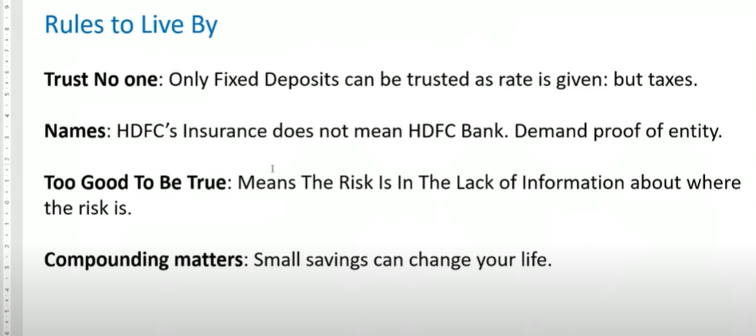
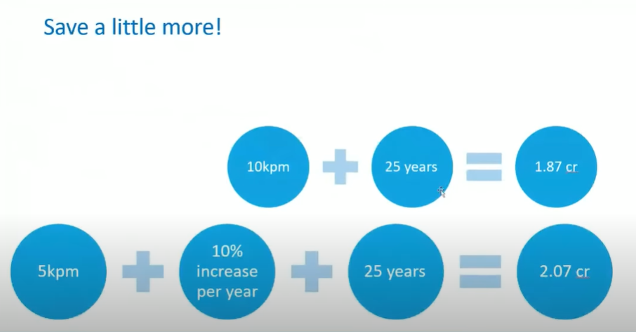
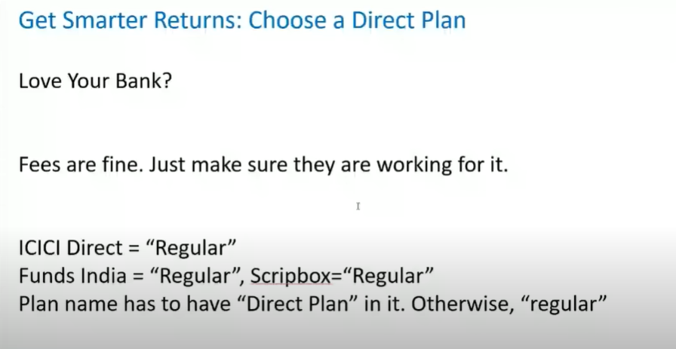
1 | ULIP /endowment
 | Future Value
 | Problem : | Pay rs. 1 Lakh per year for 10 years
 |  | don’t pay more
 |  | We pay back you 20 lakh in 15 year

 | Solution : | use future value formula , this will calculate the future value of investment

 | Amount payable every year |  |  |  | -100000 |  | pmt | negative because we are giving out money
 | number of years |  |  |  | 10 |  | nper
 | Intrest rate |  |  |  | 7.50% |  | rate | assumption
 | present value |  |  |  | 0 |  | pv

 | future value after 10 years |  |  |  | ₹ 1,414,708.75 |  | fv

 | present value after 10 years |  |  |  | ₹ -1,414,708.75 |  | pv | negative because we have not received money
 | payment per year |  |  |  | 0 |  | pmt | we do not make any payment for 5 years
 | Intersent rate |  |  |  | 7.50% |  | rate | assumption |  | Note we have to use %
 | number of years (waiting period) |  |  |  | 5 |  | nper | we have to wait 5 years to get our money

 | Future value of investment after 15 years |  |  |  | ₹ 2,030,997.37

2 | Rate

 | HDFC crest gaurantees 45 % absoulte resturn on whatever you invest today
 | they will return money in 5 years

 | absolute return |  |  |  | 45%
 | pv |  |  |  | -100 |  | assume we invest 100 rs yearly
 | fv |  |  |  | 145 |  | 45% of rs 100 is rs145
 | years |  |  |  | 5 |  | after 5 years HDFC will return 100 rs with interest ie. Rs 145
 | pmt |  |  |  | 0 |  | we do not have to pay anything regularly . It is one time investment

 | Rate per year |  |  |  | 8% |  | therefore HDFC will pay you 8% pe anum

 | Note we cannot get Rate of above Insurance prblem with rate since . Payment and initial investment varies during total tenure

3 | Rule fo 72

 | rate required to double money |  |  | 72 / time in year

 | rate to double money in 9 years |  |  | 8 | that is at 8 % annual interset rate we will double our money in 9 years

4 | bank Loan

 | you took 10 Lakh from bank , Bank says to pay 11K per month in 10 month , calcualate rate

 | Loan |  |  |  | 100000
 | period |  |  |  | 10
 | pay back monthly amount |  |  |  | 11000

 | total ammount I paid back |  |  |  | 110000
 | rate of interst per year |  |  |  | 10 | 10% per year

 | Note : 10 percent per year is wrong answer

 | let us use rate formula |  |  |  | 2% | per month |  | RATE( TIME , PAYMENT , -PV ,FV)
 |  |  |  |  | 21.258512288 | 21.26% per year

 | CALCULATION
 | Pay monthly EMI |  | 11000
 | Actually do it
 | assumed | Rate | 10% | Change values to find out actual interest |  |  |  | Actual | rate | 21.26%

 | Month | Outstanding | plus interset |  |  |  |  | Month | Outstanding | plus interset
 | 0 | ₹ 100,000.00 | ₹ 100,833.33 |  |  |  |  | 0 | ₹ 100,000.00 | ₹ 101,771.67
 | 1 | ₹ 89,833.33 | ₹ 90,581.94 |  |  |  |  | 1 | ₹ 90,771.67 | ₹ 92,379.84
 | 2 | ₹ 79,581.94 | ₹ 80,245.13 |  |  |  |  | 2 | ₹ 81,379.84 | ₹ 82,821.62
 | 3 | ₹ 69,245.13 | ₹ 69,822.17 |  |  |  |  | 3 | ₹ 71,821.62 | ₹ 73,094.06
 | 4 | ₹ 58,822.17 | ₹ 59,312.35 |  |  |  |  | 4 | ₹ 62,094.06 | ₹ 63,194.16
 | 5 | ₹ 48,312.35 | ₹ 48,714.96 |  |  |  |  | 5 | ₹ 52,194.16 | ₹ 53,118.86
 | 6 | ₹ 37,714.96 | ₹ 38,029.25 |  |  |  |  | 6 | ₹ 42,118.86 | ₹ 42,865.07
 | 7 | ₹ 27,029.25 | ₹ 27,254.49 |  |  |  |  | 7 | ₹ 31,865.07 | ₹ 32,429.61
 | 8 | ₹ 16,254.49 | ₹ 16,389.95 |  |  |  |  | 8 | ₹ 21,429.61 | ₹ 21,809.27
 | 9 | ₹ 5,389.95 | ₹ 5,434.86 |  |  |  |  | 9 | ₹ 10,809.27 | ₹ 11,000.78
 | 10 | -₹ 5,565.14 | -₹ 5,611.51 |  |  |  |  | 10 | ₹ 0.78 | ₹ 0.79

5 | Direct vs Regular plan |  |  | Note : ICICI Direct is a regualr plan . Therefore you should search for word "DIRECT PLAN"
Direct Plan has no commision
Regular plan is the one you take from agent like Bank /brooker / salesman
Direct plan is cheaper than regular plan
Regular plan charge you commision |  |  | generally from 0.5% to 1%

Interest received from |  |  | Regular | 12%
 |  |  | Direct | 13%

 | eg : you invest 10K per month for 10 years

 |  |  | time | 30 | years | Change values to see differnce in commison over years
 |  |  | money | 10000

 |  |  | regular | ₹ 28,959,922.12
 |  |  | direct | ₹ 35,183,905.81

 |  |  | commison paid in regular on 10 K per month for 10 years | ₹ 6,223,983.69

valueresearchonline.com

6 | Inflation
 |  | IN 20 years you will have 5 crore , how much that 5 cr buy you today

 | in |  | 20 | years
 | you will have |  | 50000000
 | inflation |  | 7%
 | how much 5 Cr buy you |  | ₹ 12,920,950.14
 | pv/fv |  |  | 25.84% | so we can ay that actual value of 5 cr is : its 25% i.e 1cr 30L
 | Note Infalation varies person to person

7 | Term Insurance

 | Monthly investment |  | 1500
 | time |  | 35 | years | change this to see absoulute return
 | fv |  | 20000000 |  | term cover
 | infaltion rate |  | 7%
 | pv |  | ₹ 1,640,200.68
 | pv/fv |  |  | 8.20%

8 | Saving / investing for furture

 | monthy investement |  | ₹ 5,000.00 |  | monthy investement |  | ₹ 5,000.00
 | time period |  | 35 | years | time period |  | 35 | years
 | rate |  | 12% |  | rate |  | 12%
 |  |  |  |  | INCREMENT INVESTMENT BY |  | 10%

 | fv |  | ₹ 25,899,809.79 |  | fv |  | ₹ 82,982,533.98

 | infaltion rate |  | 7% |  | infaltion rate |  | 7%

 | pv |  | ₹ 2,425,852.30 |  | pv |  | ₹ 7,772,388.02

 | pv/fv |  | 9.37% |  | pv/fv |  | 9.37%

 | Lets say you increment your investment by 10% every year , and compounding anually

 | Increment investment by |  | 10% | This make a lot of impact

 | year | invested per year | Corpus | Interset in money | Total |  | Increment in investment by | 10%
 | 0 | 0 | 0 | 0 | 0 |  | variance without increment in money | ₹ 57,082,724.19
 | 1 | ₹ 60,000.00 | ₹ 60,000.00 | ₹ 7,200.00 | ₹ 67,200.00 |  | variance without increment in percent | 320.40% | You get a 320% more value if you just increase 10% more
 | 2 | ₹ 66,000.00 | ₹ 133,200.00 | ₹ 15,984.00 | ₹ 149,184.00
 | 3 | ₹ 72,600.00 | ₹ 221,784.00 | ₹ 26,614.08 | ₹ 248,398.08
 | 4 | ₹ 79,860.00 | ₹ 328,258.08 | ₹ 39,390.97 | ₹ 367,649.05
 | 5 | ₹ 87,846.00 | ₹ 455,495.05 | ₹ 54,659.41 | ₹ 510,154.46
 | 6 | ₹ 96,630.60 | ₹ 606,785.06 | ₹ 72,814.21 | ₹ 679,599.26
 | 7 | ₹ 106,293.66 | ₹ 785,892.92 | ₹ 94,307.15 | ₹ 880,200.07
 | 8 | ₹ 116,923.03 | ₹ 997,123.10 | ₹ 119,654.77 | ₹ 1,116,777.87
 | 9 | ₹ 128,615.33 | ₹ 1,245,393.20 | ₹ 149,447.18 | ₹ 1,394,840.38
 | 10 | ₹ 141,476.86 | ₹ 1,536,317.24 | ₹ 184,358.07 | ₹ 1,720,675.31
 | 11 | ₹ 155,624.55 | ₹ 1,876,299.86 | ₹ 225,155.98 | ₹ 2,101,455.85
 | 12 | ₹ 171,187.00 | ₹ 2,272,642.85 | ₹ 272,717.14 | ₹ 2,545,359.99
 | 13 | ₹ 188,305.70 | ₹ 2,733,665.69 | ₹ 328,039.88 | ₹ 3,061,705.57
 | 14 | ₹ 207,136.27 | ₹ 3,268,841.85 | ₹ 392,261.02 | ₹ 3,661,102.87
 | 15 | ₹ 227,849.90 | ₹ 3,888,952.77 | ₹ 466,674.33 | ₹ 4,355,627.10
 | 16 | ₹ 250,634.89 | ₹ 4,606,261.99 | ₹ 552,751.44 | ₹ 5,159,013.43
 | 17 | ₹ 275,698.38 | ₹ 5,434,711.81 | ₹ 652,165.42 | ₹ 6,086,877.23
 | 18 | ₹ 303,268.22 | ₹ 6,390,145.44 | ₹ 766,817.45 | ₹ 7,156,962.90
 | 19 | ₹ 333,595.04 | ₹ 7,490,557.94 | ₹ 898,866.95 | ₹ 8,389,424.89
 | 20 | ₹ 366,954.54 | ₹ 8,756,379.43 | ₹ 1,050,765.53 | ₹ 9,807,144.96
 | 21 | ₹ 403,650.00 | ₹ 10,210,794.96 | ₹ 1,225,295.40 | ₹ 11,436,090.36
 | 22 | ₹ 444,015.00 | ₹ 11,880,105.35 | ₹ 1,425,612.64 | ₹ 13,305,717.99
 | 23 | ₹ 488,416.50 | ₹ 13,794,134.49 | ₹ 1,655,296.14 | ₹ 15,449,430.63
 | 24 | ₹ 537,258.15 | ₹ 15,986,688.78 | ₹ 1,918,402.65 | ₹ 17,905,091.43
 | 25 | ₹ 590,983.96 | ₹ 18,496,075.39 | ₹ 2,219,529.05 | ₹ 20,715,604.44
 | 26 | ₹ 650,082.36 | ₹ 21,365,686.79 | ₹ 2,563,882.42 | ₹ 23,929,569.21
 | 27 | ₹ 715,090.59 | ₹ 24,644,659.80 | ₹ 2,957,359.18 | ₹ 27,602,018.98
 | 28 | ₹ 786,599.65 | ₹ 28,388,618.63 | ₹ 3,406,634.24 | ₹ 31,795,252.86
 | 29 | ₹ 865,259.62 | ₹ 32,660,512.48 | ₹ 3,919,261.50 | ₹ 36,579,773.98
 | 30 | ₹ 951,785.58 | ₹ 37,531,559.56 | ₹ 4,503,787.15 | ₹ 42,035,346.70
 | 31 | ₹ 1,046,964.14 | ₹ 43,082,310.84 | ₹ 5,169,877.30 | ₹ 48,252,188.14
 | 32 | ₹ 1,151,660.55 | ₹ 49,403,848.69 | ₹ 5,928,461.84 | ₹ 55,332,310.53
 | 33 | ₹ 1,266,826.60 | ₹ 56,599,137.14 | ₹ 6,791,896.46 | ₹ 63,391,033.59
 | 34 | ₹ 1,393,509.27 | ₹ 64,784,542.86 | ₹ 7,774,145.14 | ₹ 72,558,688.00
 | 35 | ₹ 1,532,860.19 | ₹ 74,091,548.19 | ₹ 8,890,985.78 | ₹ 82,982,533.98

9 | what if I can Save what I spend carelessly
 | eg : I don’t smoke , what if I invest cost of 2 cigrette daily |  |  |  | 30 |  | infaltion rate every year | 7%
 | eg: I don't drink , what If I invest cost of 1/7 alchol bottle daily |  |  |  | 50 |  | time preiod | 35
 | eg : I don't drink tea and coffee , what if I save cost of 2 cups of tea daily |  |  |  | 30 |  | fv | ₹ 34,930,801
 | eg : I don't eat tobaaco/pan , what if I save cost for 2 pan daily |  |  |  | 40
 |  |  |  |  | 150 |  | pv | ₹ 3,271,721.46
 | what if I save daily |  | 150 | then yearly saving | 54750
 | inflation adjusted increment on investment |  |  |  | 30%
 | time period for investment |  |  |  | 20 |  | pv/fv | 9.37%
 | return on investment |  |  |  | 6%

 | year | invested per year | Corpus | Interset in money | Total
 | 0 | 0 | 0 | 0 | 0
 | 1 | ₹ 54,750.00 | ₹ 54,750.00 | ₹ 3,285.00 | ₹ 58,035
 | 2 | ₹ 71,175.00 | ₹ 129,210.00 | ₹ 7,752.60 | ₹ 136,963
 | 3 | ₹ 78,292.50 | ₹ 215,255.10 | ₹ 12,915.31 | ₹ 228,170
 | 4 | ₹ 86,121.75 | ₹ 314,292.16 | ₹ 18,857.53 | ₹ 333,150
 | 5 | ₹ 94,733.93 | ₹ 427,883.61 | ₹ 25,673.02 | ₹ 453,557
 | 6 | ₹ 104,207.32 | ₹ 557,763.94 | ₹ 33,465.84 | ₹ 591,230
 | 7 | ₹ 114,628.05 | ₹ 705,857.83 | ₹ 42,351.47 | ₹ 748,209
 | 8 | ₹ 126,090.85 | ₹ 874,300.15 | ₹ 52,458.01 | ₹ 926,758
 | 9 | ₹ 138,699.94 | ₹ 1,065,458.10 | ₹ 63,927.49 | ₹ 1,129,386
 | 10 | ₹ 152,569.93 | ₹ 1,281,955.52 | ₹ 76,917.33 | ₹ 1,358,873
 | 11 | ₹ 167,826.93 | ₹ 1,526,699.78 | ₹ 91,601.99 | ₹ 1,618,302
 | 12 | ₹ 184,609.62 | ₹ 1,802,911.39 | ₹ 108,174.68 | ₹ 1,911,086
 | 13 | ₹ 203,070.58 | ₹ 2,114,156.65 | ₹ 126,849.40 | ₹ 2,241,006
 | 14 | ₹ 223,377.64 | ₹ 2,464,383.69 | ₹ 147,863.02 | ₹ 2,612,247
 | 15 | ₹ 245,715.40 | ₹ 2,857,962.12 | ₹ 171,477.73 | ₹ 3,029,440
 | 16 | ₹ 270,286.94 | ₹ 3,299,726.79 | ₹ 197,983.61 | ₹ 3,497,710
 | 17 | ₹ 297,315.64 | ₹ 3,795,026.03 | ₹ 227,701.56 | ₹ 4,022,728
 | 18 | ₹ 327,047.20 | ₹ 4,349,774.80 | ₹ 260,986.49 | ₹ 4,610,761
 | 19 | ₹ 359,751.92 | ₹ 4,970,513.21 | ₹ 298,230.79 | ₹ 5,268,744
 | 20 | ₹ 395,727.11 | ₹ 5,664,471.12 | ₹ 339,868.27 | ₹ 6,004,339
 | 21 | ₹ 435,299.83 | ₹ 6,439,639.21 | ₹ 386,378.35 | ₹ 6,826,018
 | 22 | ₹ 478,829.81 | ₹ 7,304,847.37 | ₹ 438,290.84 | ₹ 7,743,138
 | 23 | ₹ 526,712.79 | ₹ 8,269,851.00 | ₹ 496,191.06 | ₹ 8,766,042
 | 24 | ₹ 579,384.07 | ₹ 9,345,426.13 | ₹ 560,725.57 | ₹ 9,906,152
 | 25 | ₹ 637,322.48 | ₹ 10,543,474.17 | ₹ 632,608.45 | ₹ 11,176,083
 | 26 | ₹ 701,054.72 | ₹ 11,877,137.35 | ₹ 712,628.24 | ₹ 12,589,766
 | 27 | ₹ 771,160.20 | ₹ 13,360,925.78 | ₹ 801,655.55 | ₹ 14,162,581
 | 28 | ₹ 848,276.22 | ₹ 15,010,857.55 | ₹ 900,651.45 | ₹ 15,911,509
 | 29 | ₹ 933,103.84 | ₹ 16,844,612.84 | ₹ 1,010,676.77 | ₹ 17,855,290
 | 30 | ₹ 1,026,414.22 | ₹ 18,881,703.83 | ₹ 1,132,902.23 | ₹ 20,014,606
 | 31 | ₹ 1,129,055.64 | ₹ 21,143,661.70 | ₹ 1,268,619.70 | ₹ 22,412,281
 | 32 | ₹ 1,241,961.21 | ₹ 23,654,242.61 | ₹ 1,419,254.56 | ₹ 25,073,497
 | 33 | ₹ 1,366,157.33 | ₹ 26,439,654.49 | ₹ 1,586,379.27 | ₹ 28,026,034
 | 34 | ₹ 1,502,773.06 | ₹ 29,528,806.82 | ₹ 1,771,728.41 | ₹ 31,300,535
 | 35 | ₹ 1,653,050.37 | ₹ 32,953,585.59 | ₹ 1,977,215.14 | ₹ 34,930,801 |  | 3 cr, 50lakh

10 | Money back Policy

 | every year you put |  | 20000
 | after 5 years |  | 25000
 | after 10 years |  | 25000
 | after 15 years |  | 25000
 | after 20 years |  | 165000
 | Bomus at 20th year |  | 200000

 |  | DATE | PAYMENT

 |  | 2016-01-01 | -20000
 |  | 2017-01-01 | -20000
 |  | 2018-01-01 | -20000
 |  | 2019-01-01 | -20000
 |  | 2020-01-01 | 5000
 |  | 2021-01-01 | -20000
 |  | 2022-01-01 | -20000
 |  | 2023-01-01 | -20000
 |  | 2024-01-01 | -20000
 |  | 2025-01-01 | 5000
 |  | 2026-01-01 | -20000
 |  | 2027-01-01 | -20000
 |  | 2028-01-01 | -20000
 |  | 2029-01-01 | -20000
 |  | 2030-01-01 | 5000
 |  | 2031-01-01 | -20000
 |  | 2032-01-01 | -20000
 |  | 2033-01-01 | -20000
 |  | 2034-01-01 | -20000
 |  | 2035-01-01 | 345000
 |  | 2036-01-01 | 1.215%

 | XIRR is good for year , not good for anything lesss than year

Notes :

