Sheet1
# | Product | Qty | Links
1 | 8GB Memory Card - Sandisk | 10
2 | 1 Channel 5V 10A Relay Module with Optocoupler | 10
3 | MQ135-Air Quality Gas Sensor Module | 10 | https://robocraze.com/products/mq-135-gas-sensor-module?variant=40192586449049&country=IN&currency=INR&utm_medium=product_sync&utm_source=google&utm_content=sag_organic&utm_campaign=sag_organic&srsltid=AfmBOopYrFi1EpnT4p1IZCZBNnYz5xFgQV8PVJMXR-kzRzsPW122wK1I77g&gclid=Cj0KCQjw4PPNBhD8ARIsAMo-iczax1esGoWOacnRsEqQy3xnxb5qe1ffUCTe_AQ1dVe1qTAFxwk-on0aAgupEALw_wcB | 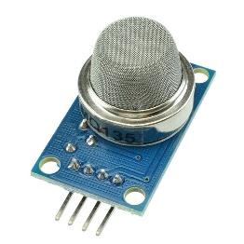
4 | Fire/Flame Sensor Module 1 Metre Range | 10 | https://robocraze.com/products/heat-flame-sensor?variant=40192688455833&country=IN&currency=INR&utm_medium=product_sync&utm_source=google&utm_content=sag_organic&utm_campaign=sag_organic&srsltid=AfmBOoqxcsRGzcKooFxDJgme6Gap0o-Jvbb-MCoWCpvtda2UPVV1-GPWon0&gclid=Cj0KCQjw4PPNBhD8ARIsAMo-icwXX0WcreFODYgUBz5WNjWybl9ChDnQTYdCu-uvQg4Ah9pyupHMmcQaAqGyEALw_wcB | 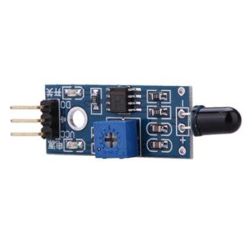
5 | Ultrasonic Distance Sensor Module HC-SR04 | 10 | https://robocraze.com/products/hc-sr-04-ultrasonic-sensor?_pos=1&_sid=8417cd5bb&_ss=r | 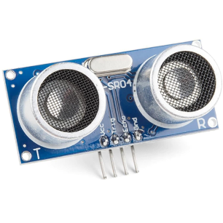
6 | IR Sensor Module | 10 | https://robocraze.com/products/ir-proximity-sensor-1?_pos=1&_sid=2f7cc3788&_ss=r | 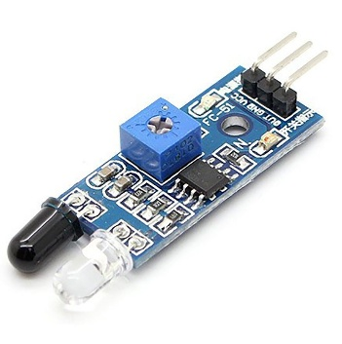
7 | DHT22 Temperature and Humidity Sensor Module | 10 | https://robocraze.com/products/dht22-humidity-and-temperature-sensor-module-am2302?_pos=1&_sid=a6aeab591&_ss=r | 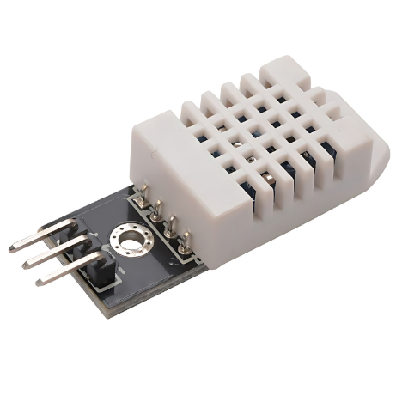
8 | MG995 Metal Gear Servo Motor-180 degrees Tower Pro | 10 | https://robocraze.com/products/mg996r-servo-motor?_pos=1&_sid=ac8a33cfc&_ss=r | 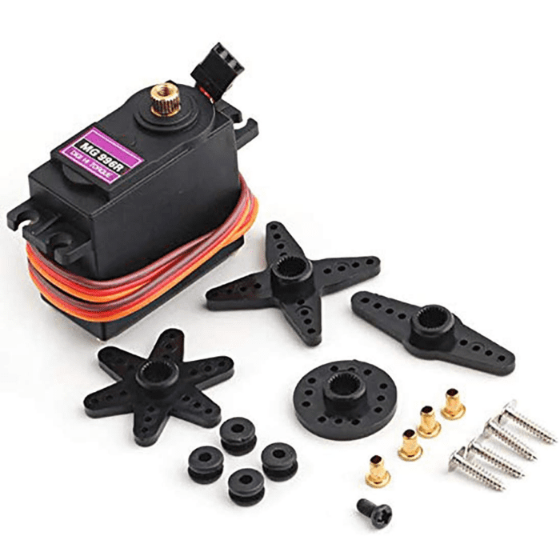
9 | DC 6-12V Mini Aquarium Water Pump R385 | 10 | https://robocraze.com/products/r385-dc-pump?_pos=1&_sid=0e4f8c386&_ss=r | 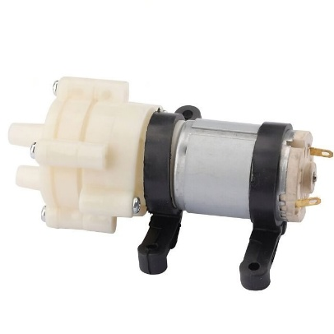
10 | RC522 RFID Reader Writer Module 13.56MHZ | 10 | https://robocraze.com/products/rfid-rc522-mfrc?utm_source=googleads&utm_medium=ppc&utm_campaign=23652927058&utm_content=_&utm_term=&campaignid=23652927058&adgroupid=&campaign=23652927058&gad_source=1&gad_campaignid=23648376458&gbraid=0AAAAADgHQvYilSFZbqpTb0ljSLewp0Srm&gclid=Cj0KCQjw4PPNBhD8ARIsAMo-iczB2JSrMawPs3SPxWQO_9J4KY_7VIBGy1ncxb0vkm1j1fXUifNhXzwaAvbpEALw_wcB | 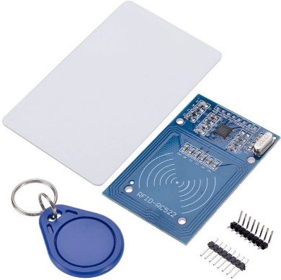
11 | Rain Drop Sensor Module | 10 | https://robocraze.com/products/rain-drop-sensor-module?_pos=1&_sid=c04d80750&_ss=r | 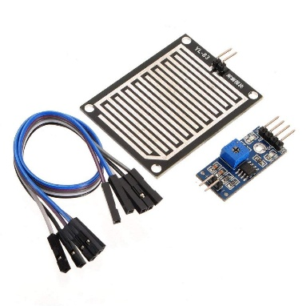
12 | Soil Moisture Sensor Module | 10 | https://robocraze.com/products/soil-moisture-sensor-module?_pos=1&_sid=ebe0fb54b&_ss=r | 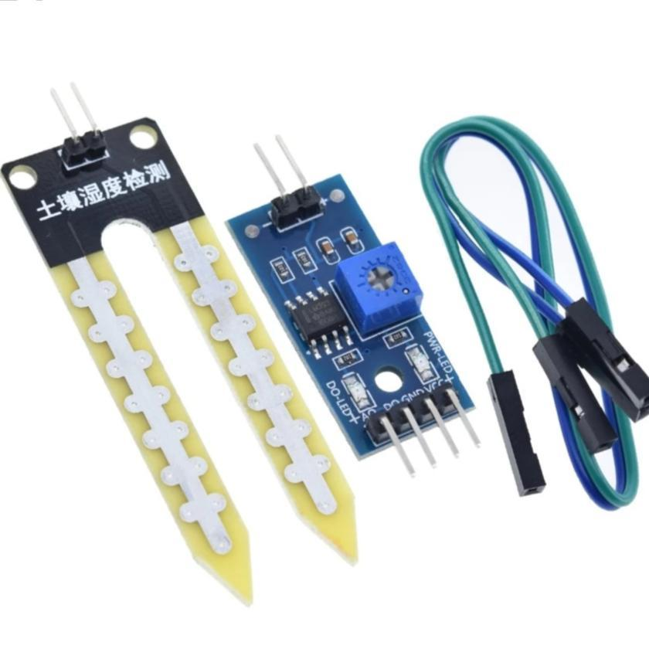
13 | DS18B20 Water Proof Digital Temperature Sensor Probe | 10 | https://robocraze.com/products/ds18b20-waterproof-digital-thermometer-sensor-probe?_pos=1&_sid=e7f291a4f&_ss=r | 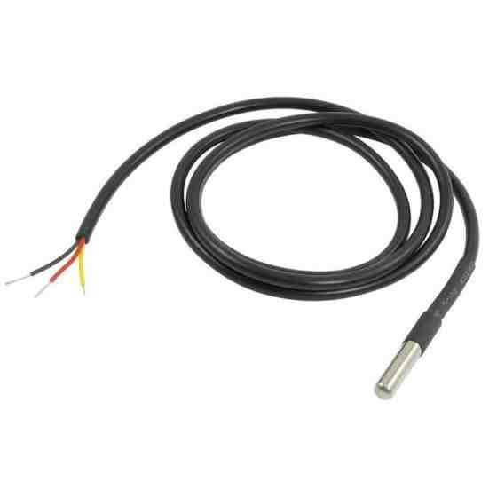
14 | 10K Ohm Linear Potentiometer - 15mm Plastic Shaft | 10 | https://robocraze.com/products/10k-pot-potentiometer-with-knob?variant=43776987463904&country=IN&currency=INR&utm_medium=product_sync&utm_source=google&utm_content=sag_organic&utm_campaign=sag_organic&campaignid=22271813913&adgroupid=&keyword=&device=c&gad_source=1&gad_campaignid=22271815110&gbraid=0AAAAADgHQvZVjye72o3aOzNhmHP10GVm8&gclid=Cj0KCQjw4PPNBhD8ARIsAMo-iczlYlAUM8RDOksUe9dcA5paFhYBY3t--z4A9AxDzQdYSVqs-IQXBd4aAtXfEALw_wcB | 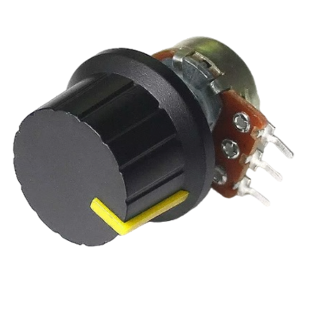
15 | 5mm RGB LED - Common Anode - Diffuse | 10 | https://robocraze.com/products/5mm-common-anode-rgb-led-4pin-pack-of-10?_pos=1&_sid=743d64ac6&_ss=r | 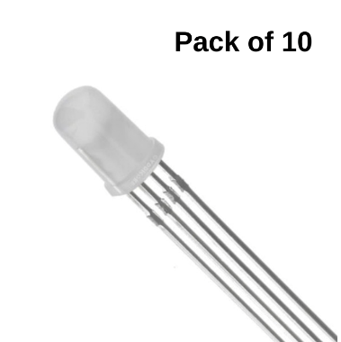
16 | PIR Motion Detector Sensor Module HC-SR501 | 10 | https://robocraze.com/products/hcsr501-pir-motion-sensor-passive-infrared-sensor?variant=40192379584665&country=IN&currency=INR&utm_medium=product_sync&utm_source=google&utm_content=sag_organic&utm_campaign=sag_organic&campaignid=20040135259&adgroupid=&keyword=&device=c&gad_source=1&gad_campaignid=20037396713&gbraid=0AAAAADgHQvYh0Ki6fDWEnExsfUrpsGiYV&gclid=Cj0KCQjw4PPNBhD8ARIsAMo-icwB5d4vHzqpP58DXB85I8oudVRgYnGVNQFDIp432C-gbVgkJgTocakaAvGYEALw_wcB | 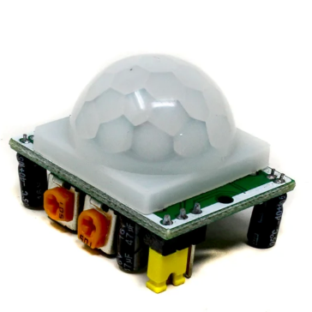
17 | Ublox NEO-6M GPS Module | 10 | https://robocraze.com/products/neo-6m-gps-module?_pos=1&_sid=06089cfca&_ss=r | 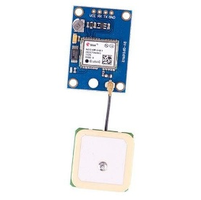
18 | LDR - 5mm Light Dependent Resistor | 10 | https://robocraze.com/products/5mm-ldr-light-dependent-resistor?_pos=2&_sid=535fe79ba&_ss=r | 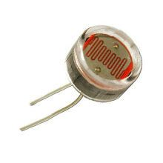
19 | 5V Coin Type Micro Vibration Motor | 50 |  | 