Add-in
Excel Gauge Chart Builder Add-in
 | Easily Create Beautiful Gauge Charts | Go to the Gauge Chart Template Worksheet >>>>>

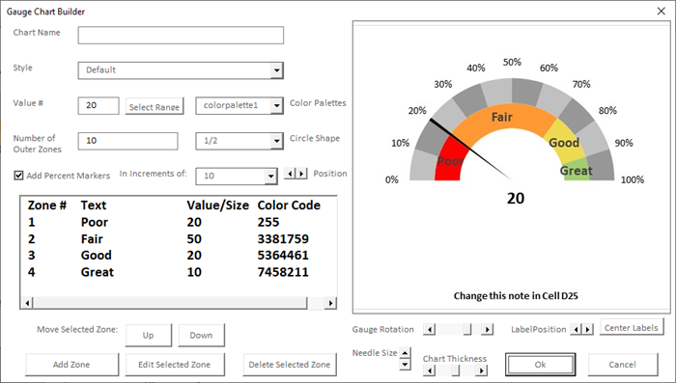

Learn More

 |  | Go to the Gauge Chart Template Worksheet >>>>>
 | Build Excel Gauge Charts in 3 Easy Steps

 | 1. Choose from 7 Distinct Gauge Chart Templates
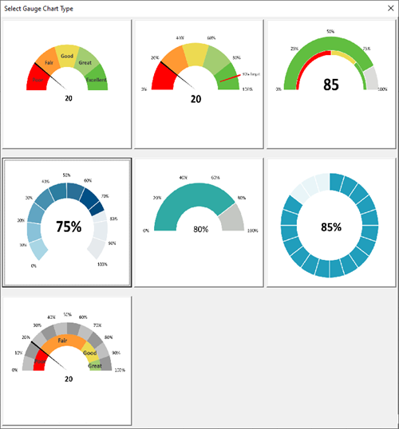

 | 2. Customize the Chart

 | 3. Insert the Chart and Edit if Necessary
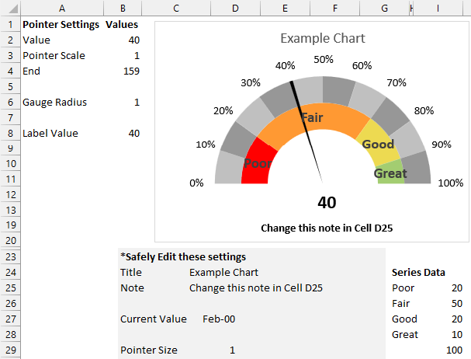

See Pricing

 |  | Go to the Gauge Chart Template Worksheet >>>>>

Template
Doughnut Chart |  | Pie Chart |  | Sales Report Data
Labels | Levels | Pointer Settings | Value | State | Revenue (in millions)
Poor | 25 | Value | 32 | Arizona | 32
Fair | 25 | Pointer | 1 | Texas | 68
Good | 25 | End | 167 | Wyoming | 34
32% of Total Market Turnover
 |  | Pointer
 | 25 | 32
 | 25 | 1
 | 25 | 167
 | 25
 | 100
Great | 25 |  |  | New York | 90
Excellent |  |  |  | Georgia | 77
Total | 100

Learn About the Gauge Chart Builder Add-in

