Keys for Contaminant Testing
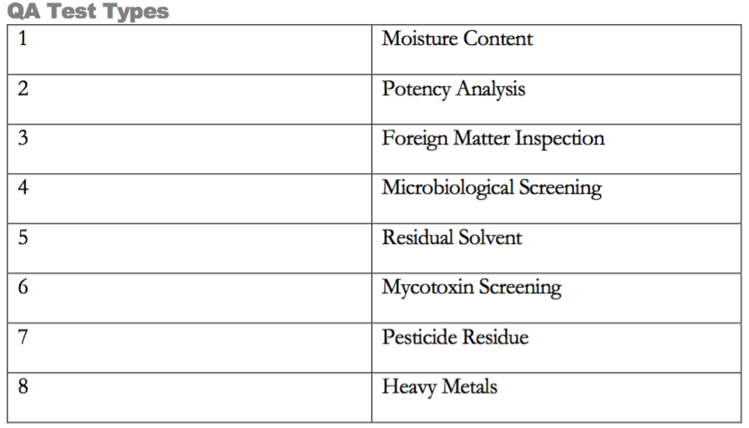
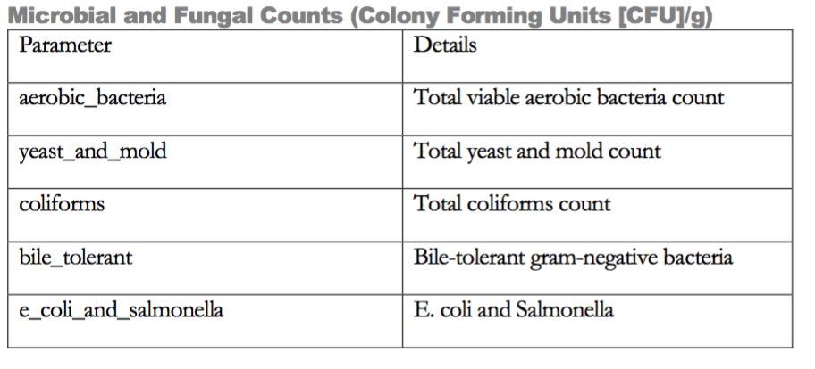
Lab Results Sample
col | notes
Result | unknown
InventoryID | inherited from the sample record in the inventory table*
InventoryParentID | inherited from the sample record in the inventory table*
ParentID | inherited from the sample record in the inventory table*
Deleted | Unknown if we ignore rows with deleted==1*

