BHE nodes
Well Location Calculation

Well Position X | 0 | m
Well Position Y | 0 | m
Borehole Radius | 0.15 | m

n nodes | 6
distance factor | 6.13
node distance | 0.92 | m
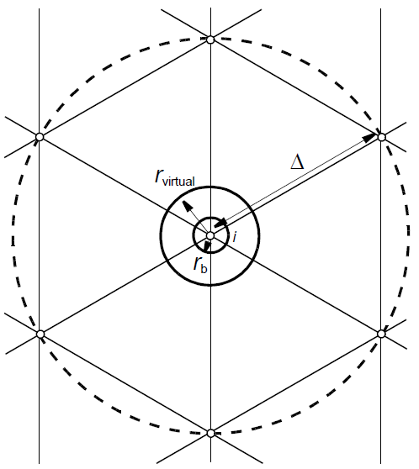
 |  | Data Table for 6 nodes

Center X | Center Y | ID | X | Y | comment
0 | 0 | 0 | 0.00000000 | 0.00000000
0 | 0 | 1 | -0.92005611 | 0.00000000
0 | 0 | 2 | -0.46002806 | 0.79679196
0 | 0 | 3 | 0.46002806 | 0.79679196
0 | 0 | 4 | 0.92005611 | 0.00000000
0 | 0 | 5 | 0.46002806 | -0.79679196
0 | 0 | 6 | -0.46002806 | -0.79679196
 |  | END

 |  | > export to pnt

sliceT
Slice | Tinit | Depth
1 | 15 | 0
2 | 134.13 | 870
3 | 144.61 | 970
4 | 155.09 | 1070
5 | 160.33 | 1120
6 | 258.31 | 3100

