Sheet1
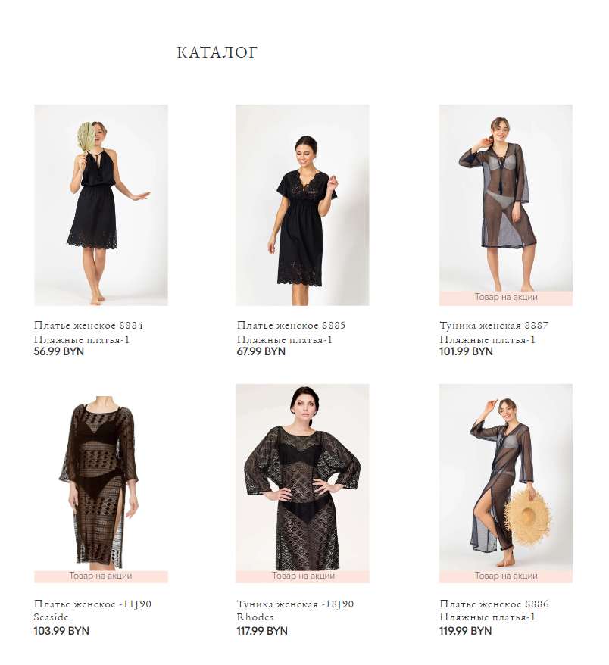
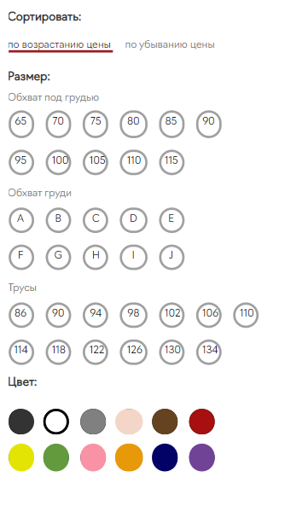
 | APP_URL: | https://shop.milavitsa.by/#/ | Environment: Win10, Browser: Edge

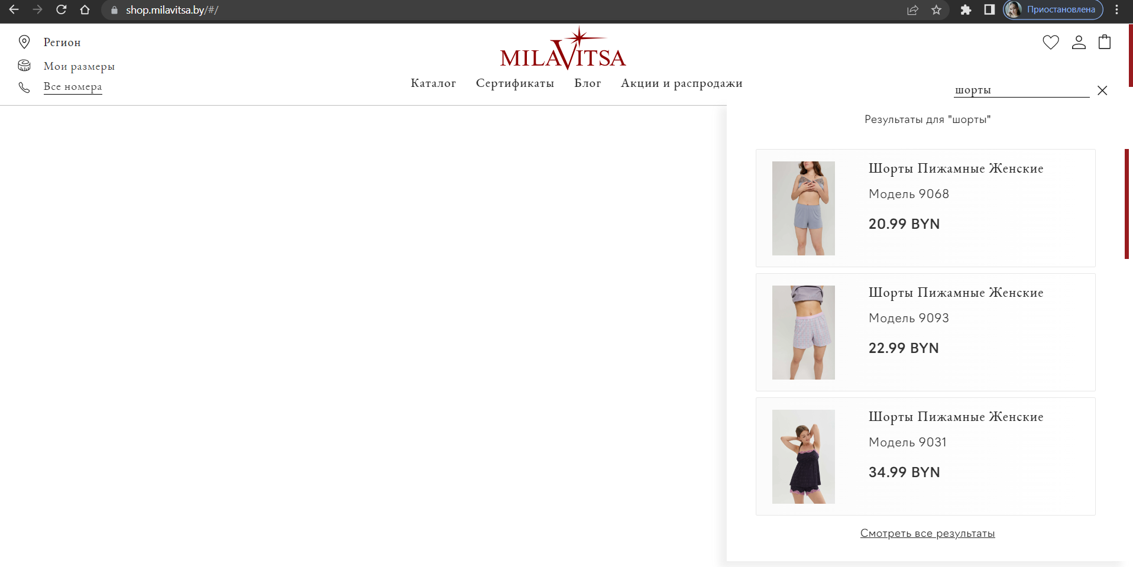
 | ID | Summary | Flow | Expected result | Actual result | Verdict | Screenshot
 | 1 | Check the ability of searching goods via "Searchbar" on the page layout | 1. Visit application link | Items related to 'шорты' displayed | Items related to 'шорты' displayed | Passed | 1
+ |  |  | 2. Focus on search bar field by clicking on it |  |  |  |  |  | #1
 |  |  | 3. Input value "шорты" using keyboard
 |  |  | 4. Press enter (or search icon)
 | 2 | Check the ability of adding items to cart | 1. Visit application link | Selected item displayed in cart page | Selected item displayed in cart page | Passed | 2
 |  |  | 2. Scroll down the main page
+ |  |  | 3. Click on any product item
 |  |  | 4. Add to cart by clicking on "Добавить в корзину" button
 |  |  | 5. Visit cart by clicking on cart icon
 | 3 | Check the ability of removing items from cart | 1. Visit application link | Selected item was removed | Selected item was removed | Passed | 3
 |  |  | 2. Go to cart via clicking on cart icon
+ |  |  | 3. Scroll down , click "Очистить корзину"
 |  |  | 4. Press remove button

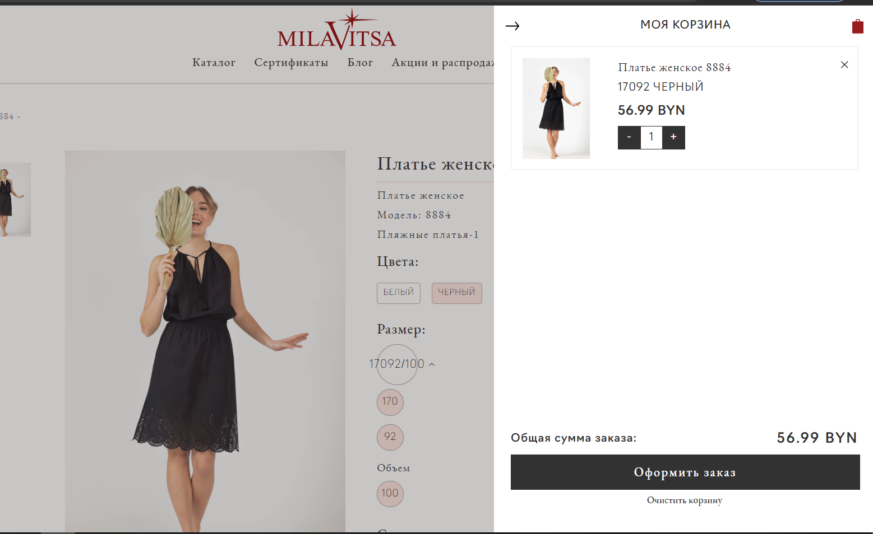
с
 | 4 | Check the ability to start order processing with populating address info (courier transfer) | 1. Visit application link | Fields populating errors displayed | Fields populating errors displayed | Passed | 4
 |  |  | 2. Add some items to cart |  |  |  |  |  | #2
+ |  |  | 3. Go to cart via clicking on cart icon |  |  |  |  | =
 |  |  | 4. Choose transfer option "Доставка курьером до двери по РБ" via clicking on related button
 |  |  | 5. Click on "Перейти к оформлению" button to start order proccessing
 | 5 | Check the ability to start order processing with populating address info (post transfer) | 1. Visit application link | Fields populating errors displayed | Fields populating errors displayed | Passed | 5
 |  |  | 2. Add some items to cart
+ |  |  | 3. Go to cart via clicking on cart icon, click "Оформить заказ"
 |  |  | 4. Choose transfer option "Белпочта" via clicking on related button
 |  |  | 5. Click on "Перейти к оформлению" button to start order proccessing
 | 6 | Check the ability to start order processing with populating pick-up address info (self pick-up transfer) | 1. Visit application link | Pick-up point field populating errors displayed | Pick-up point field populating errors displayed | Passed | 6
 |  |  | 2. Add some items to cart
+ |  |  | 3. Go to cart via clicking on cart icon, click "Оформить заказ"
 |  |  | 4. Choose transfer option "Самовывоз" via clicking on related button
 |  |  | 5. Click on "Перейти к оформлению" button to start order proccessing
 | 7 | Check the ability to specify an address without a street | 1. Visit application link | Proccess not continued due to validation error | Proccess not continued due to validation error | Passed | 7 |  | #3
 |  |  | 2. Add some items to cart, Go to cart via clicking on cart icon,click "Оформить заказ"
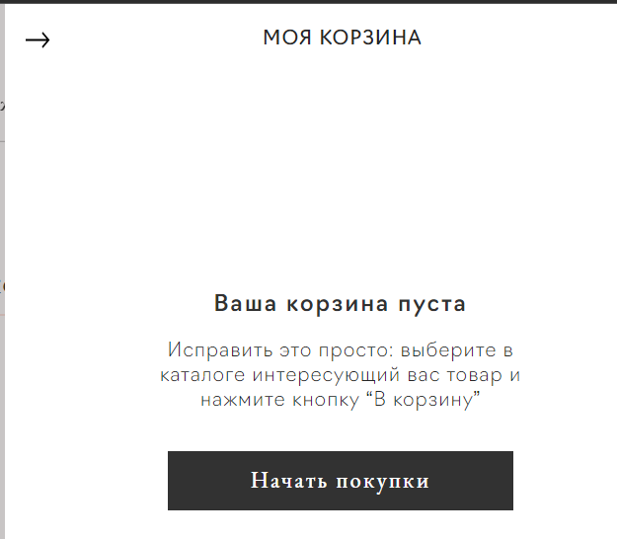
+ |  |  | 3.Choose transfer option "Самовывоз" via clicking on related button
 |  |  | 4.Click on "Адрес" link
 |  |  | 5. Try writing the address without specifying the street. Fill only address field and click "Заказать"
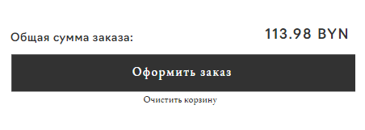
 | 8 | Check the disability of proceeding order without populating "Индекс" field using post transfer | 1. Visit application link | Proccess not continued due to validation error | Proccess not continued due to validation error | Passed | 8
 |  |  | 2. Add some items to cart
+ |  |  | 3. Go to cart and start post transfer order proccessing
 |  |  | 4. Enter dialog window of adding address info
 |  |  | 5. Fill only address field and click "Заказать"
 | 9 | Check filtering capability | 1. Visit application link | The list of products corresponds to the selected category |  | Passed | 9
 |  |  | 2.Click "Каталог"
+ |  |  | 3. Click "Купальники"
 |  |  | 4. Click"Для пляжа"

 | 10 | Check sorting capability | 1. Visit application link | The list of products in ascending order of price is displayed | The list of products in ascending order of price is displayed | Passed | 10
 |  |  | 2. Click "Каталог",Click "Купальники", Click"Для пляжа"
 |  |  | 3. Click "Фильтры и сортировка"
 |  |  | 4. Click "По возрастанию цены"

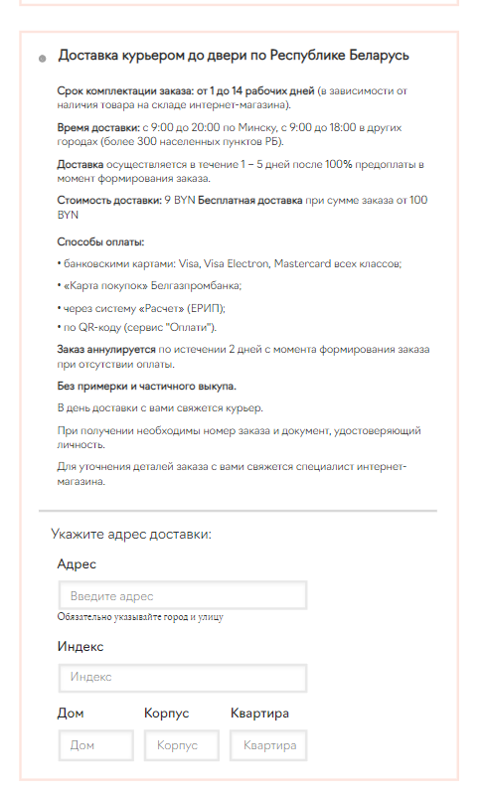
 |  |  |  |  |  |  |  |  | #4

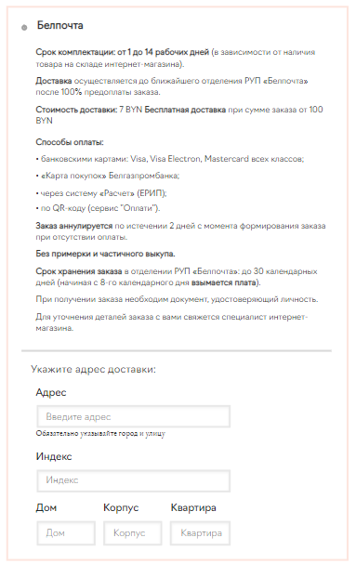
 |  |  |  |  |  |  |  |  | #5

 |  |  |  |  |  |  |  |  | #6
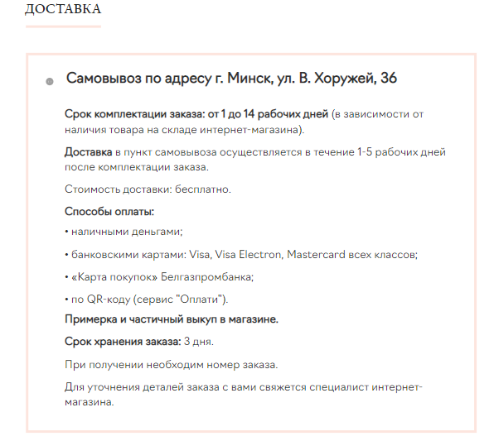

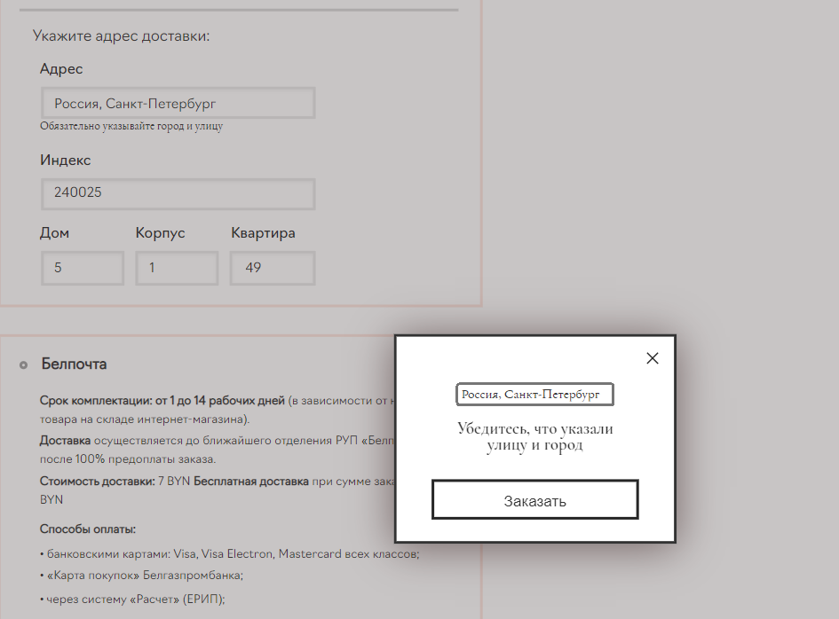
 |  |  |  |  |  |  |  |  | #7

 |  |  |  |  |  |  |  |  | #8

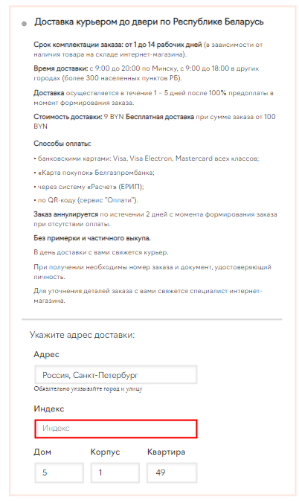

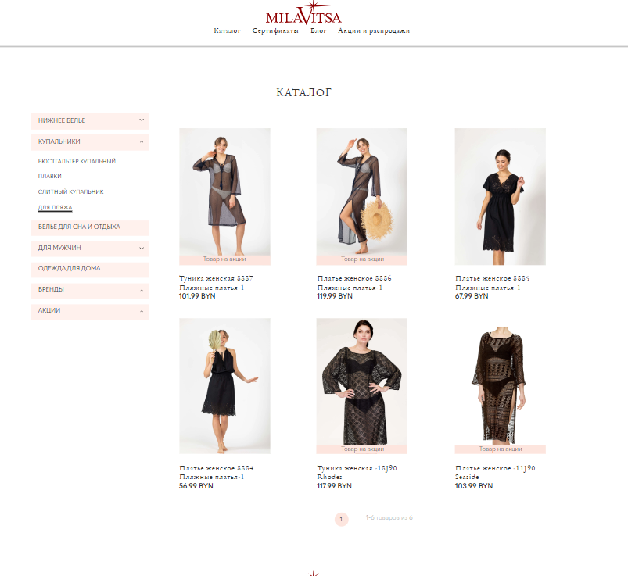
 |  |  |  |  |  |  |  |  | #9

 |  |  |  |  |  |  |  |  | #10-11

