Sheet1
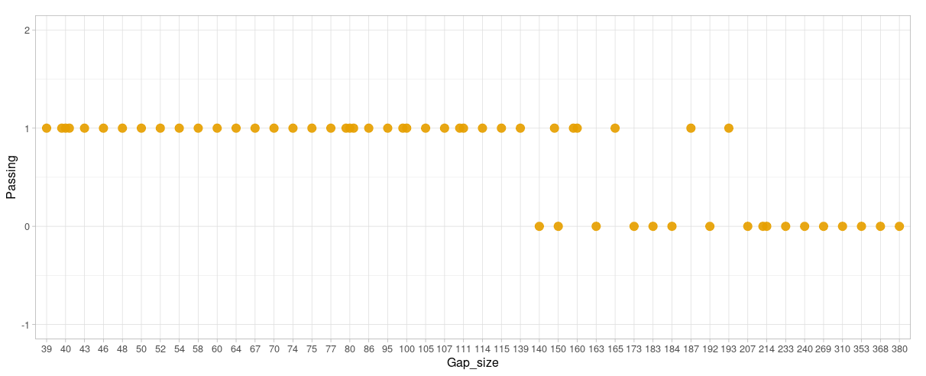
Gap size | Passing
163 | 0
150 | 0
184 | 0
140 | 0
165 | 1
187 | 1 |  | Did not | Pass | Percent passing
193 | 1 | 140-200 | 7 | 6 | 46.153846154
139 | 1
160 | 1
214 | 0
173 | 0
214 | 0
192 | 0
111 | 1
111 | 1
86 | 1
75 | 1
100 | 1
107 | 1
77 | 1
95 | 1
100 | 1
80 | 1
80 | 1
150 | 1
105 | 1
115 | 1
70 | 1
160 | 1
114 | 1
183 | 0
240 | 0
368 | 0
269 | 0
310 | 0
380 | 0
353 | 0
39 | 1
40 | 1
43 | 1
48 | 1
40 | 1
40 | 1
60 | 1
54 | 1
50 | 1
46 | 1
80 | 1
74 | 1
64 | 1
58 | 1
52 | 1
67 | 1
233 | 0
207 | 0
39 | 1
101 | 1
150 | 0
185 | 0

