UT
Sl: No: | Test Case Name | Test Procedure | Condition to be tested | Expected Result | Actual Result | Screenshots
1 | Register Supplier | Enter valid supplier details and click Register | Valid Name, GST, PAN, License | Supplier registered successfully | Pass | 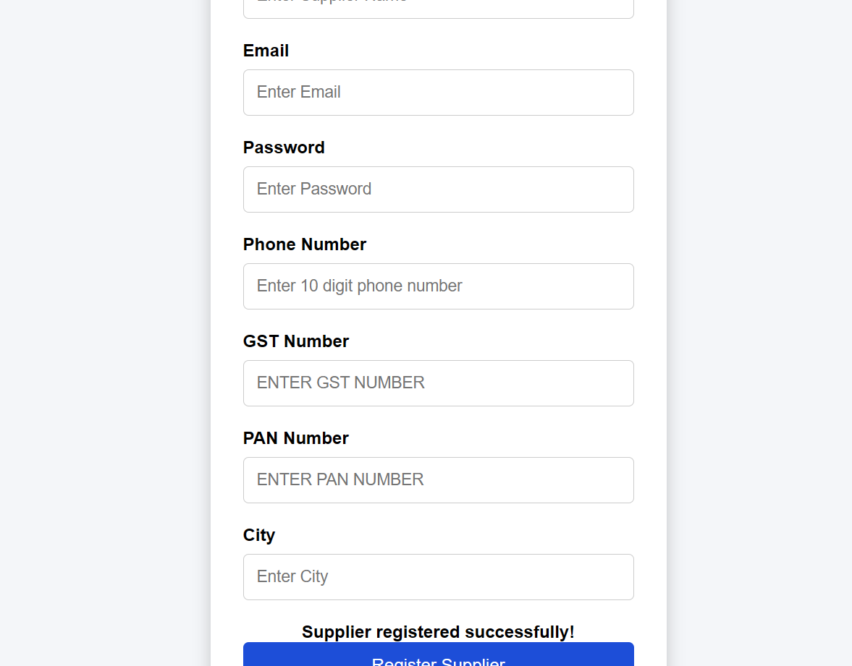
2 | Empty Supplier Name | Leave supplier name blank | Name is empty | Display "Supplier Name is required | Pass | 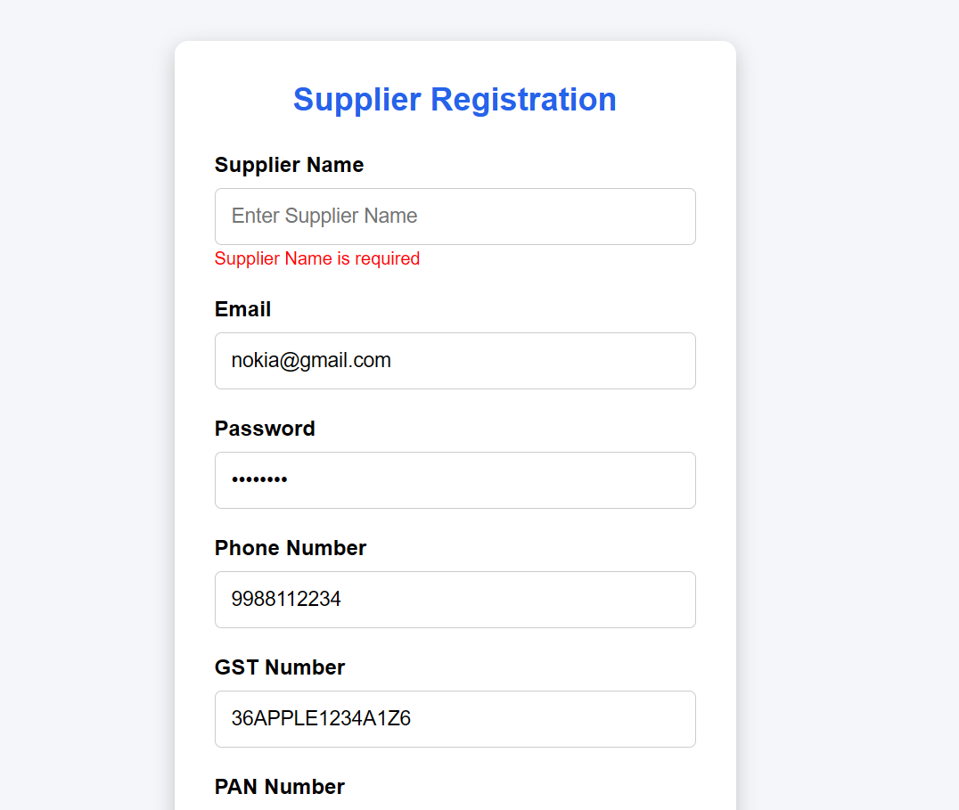
3 | Invalid GST | Enter incorrect GST format | Invalid GST | Display "Invalid GST Number" | Pass
4 | Duplicate GST | Register supplier with existing GST | GST already exists | Display "GST already exists" | Pass | 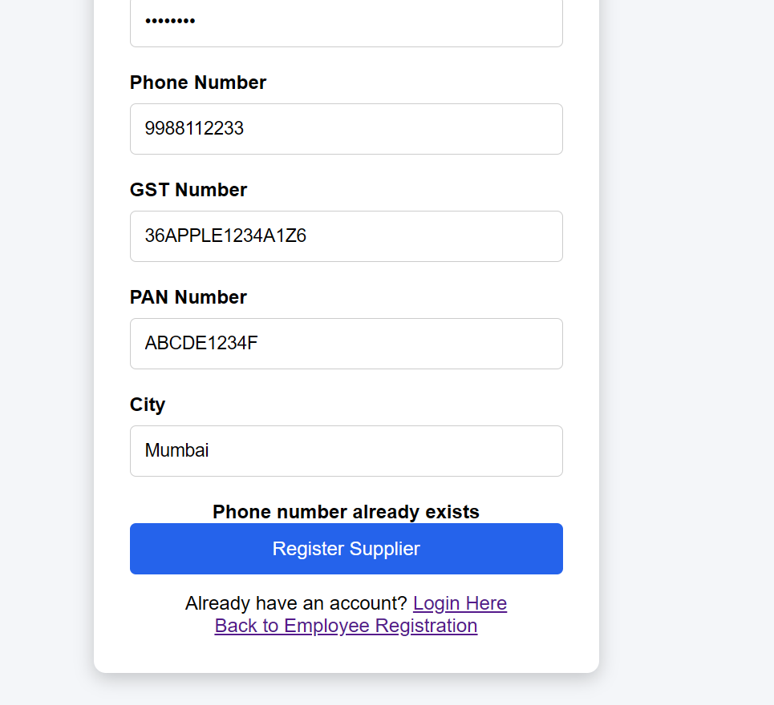
5 | Invalid PAN | Enter invalid PAN | PAN format incorrect | Display "Invalid PAN" | Pass
6 | View Purchase Order | Login as Supplier and open Purchase Orders | Supplier has received PO | Purchase Order details displayed | Pass
7 | Accept Purchase Order | Click Accept on received PO | PO status is SENT_TO_SUPPLIER | PO status changes to SUPPLIER_ACCEPTED | Pass
8 | Reject Purchase Orde | Click Reject on received PO | PO status is SENT_TO_SUPPLIER | PO status changes to SUPPLIER_REJECTED | Pass | 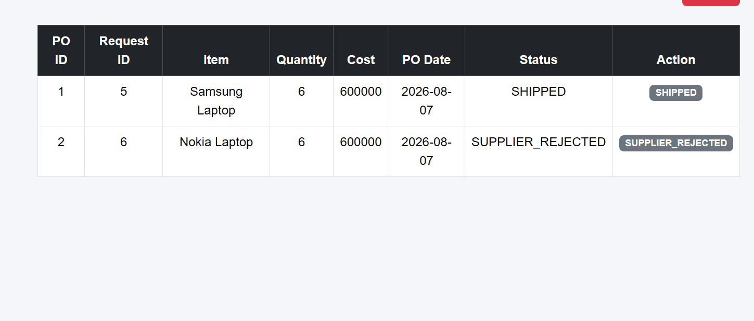
9 | Cannot Accept Rejected PO | Try to accept rejected PO | PO status is SUPPLIER_REJECTED | Accept operation should not be allowed | Pass
10 | Cannot Rejected Accept PO | Try to reject PO after accept | PO status is SUPPLIER_ACCEPTED | Reject Opertion should not be allowed after accepted | Pass

