Sheet1
Home Page

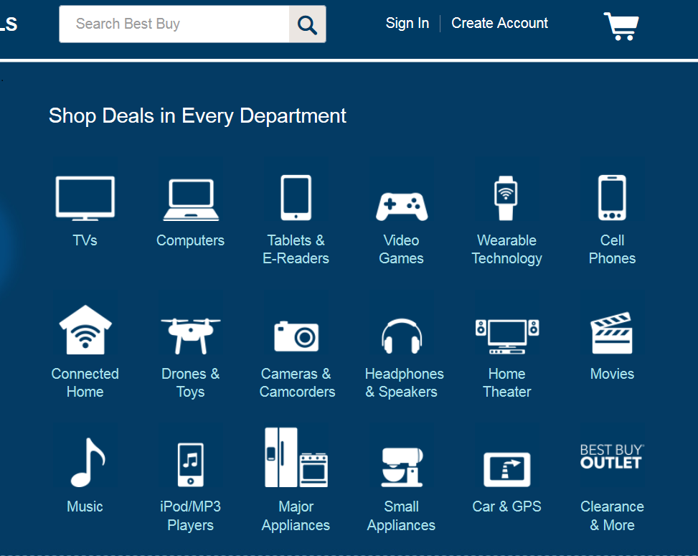

Search Results
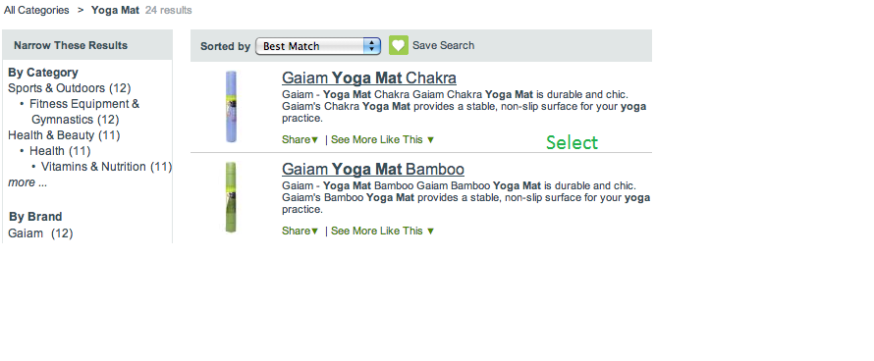

Select A Product

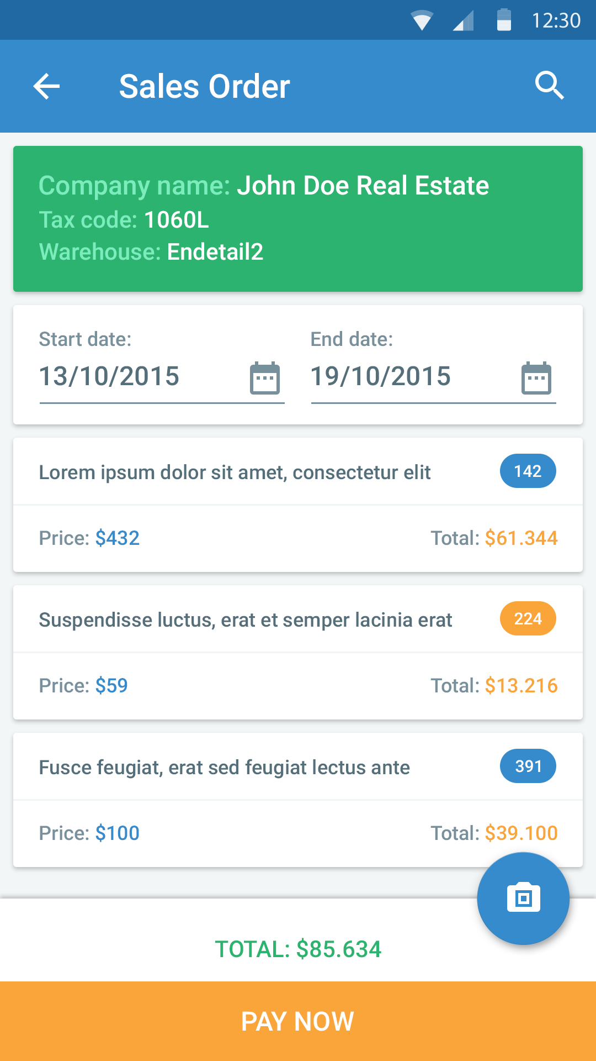
 | Similar Design to this form
 | But Diffrenyt Questions

 | Product Info
 | Product Name | _____________________
 | Model | _____________________
 | Serial Number | _____________________

 | Purchase Info
 | Purchase from | List - Online/shop
 | Purchasae Date | _____________________
 | Invoice Number | _____________________

 | Warranty
 | Add lines |  | Expiry date | Warranty Service Number
 | Labor | 12 Months | 2015-12-12 | 02-123456
 | Parts | 24 Months | 2016-12-12

 | Documents ( Icons)
 | Add Documenst | List | View Document
 |  | Invoice
 |  | Purchase offer
 |  | Picture
 |  | Link
 |  | Pdf file

