LAB1-2
Direct Newton iteration for .op point succeeded. |  |  |  | step | delay | power | pdp
.step w1=2e-006 |  |  |  | 2.00E-06 | 5.40E-11 | -5.03E-11 | -2.72E-21
.step w1=3e-006 |  |  |  | 3.00E-06 | 4.30E-11 | -7.37E-11 | -3.17E-21
.step w1=4e-006 |  |  |  | 4.00E-06 | 3.68E-11 | -1.02E-10 | -3.74E-21
.step w1=5e-006 |  |  |  | 5.00E-06 | 3.31E-11 | -1.33E-10 | -4.39E-21
.step w1=6e-006 |  |  |  | 6.00E-06 | 3.07E-11 | -1.67E-10 | -5.12E-21
.step w1=7e-006 |  |  |  | 7.00E-06 | 2.88E-11 | -2.05E-10 | -5.89E-21
.step w1=8e-006 |  |  |  | 8.00E-06 | 2.74E-11 | -2.42E-10 | -6.63E-21
.step w1=9e-006 |  |  |  | 9.00E-06 | 2.61E-11 | -2.87E-10 | -7.49E-21
.step w1=1e-005 |  |  |  | 1.00E-05 | 2.51E-11 | -3.27E-10 | -8.20E-21
.step w1=1.1e-005 |  |  |  | 1.10E-05 | 2.42E-11 | -3.77E-10 | -9.11E-21
.step w1=1.2e-005 |  |  |  | 1.20E-05 | 2.35E-11 | -4.24E-10 | -9.98E-21
.step w1=1.3e-005 |  |  |  | 1.30E-05 | 2.29E-11 | -4.78E-10 | -1.10E-20
.step w1=1.4e-005 |  |  |  | 1.40E-05 | 2.24E-11 | -5.24E-10 | -1.17E-20
.step w1=1.5e-005 |  |  |  | 1.50E-05 | 2.20E-11 | -5.76E-10 | -1.27E-20
.step w1=1.6e-005 |  |  |  | 1.60E-05 | 2.16E-11 | -6.29E-10 | -1.36E-20
.step w1=1.7e-005 |  |  |  | 1.70E-05 | 2.13E-11 | -6.81E-10 | -1.45E-20
.step w1=1.8e-005 |  |  |  | 1.80E-05 | 2.10E-11 | -7.33E-10 | -1.54E-20
.step w1=1.9e-005 |  |  |  | 1.90E-05 | 2.07E-11 | -7.86E-10 | -1.63E-20
.step w1=2e-005 |  |  |  | 2.00E-05 | 2.04E-11 | -8.38E-10 | -1.71E-20

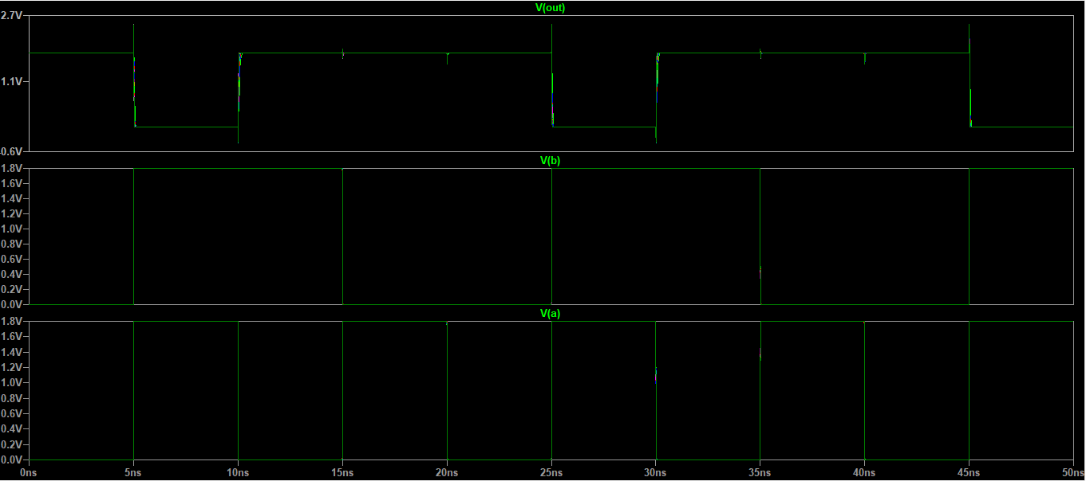
Measurement: delay_time
step | delay_time | FROM | TO
1 | 5.40E-11 | 5.00E-09 | 5.06E-09
2 | 4.30E-11 | 5.00E-09 | 5.05E-09
3 | 3.68E-11 | 5.00E-09 | 5.04E-09
4 | 3.31E-11 | 5.00E-09 | 5.04E-09
5 | 3.07E-11 | 5.00E-09 | 5.03E-09
6 | 2.88E-11 | 5.00E-09 | 5.03E-09
7 | 2.74E-11 | 5.00E-09 | 5.03E-09
8 | 2.61E-11 | 5.00E-09 | 5.03E-09
9 | 2.51E-11 | 5.00E-09 | 5.03E-09
10 | 2.42E-11 | 5.00E-09 | 5.03E-09
11 | 2.35E-11 | 5.00E-09 | 5.03E-09
12 | 2.29E-11 | 5.00E-09 | 5.03E-09
13 | 2.24E-11 | 5.00E-09 | 5.03E-09
14 | 2.20E-11 | 5.00E-09 | 5.03E-09
15 | 2.16E-11 | 5.00E-09 | 5.02E-09
16 | 2.13E-11 | 5.00E-09 | 5.02E-09
17 | 2.10E-11 | 5.00E-09 | 5.02E-09
18 | 2.07E-11 | 5.00E-09 | 5.02E-09
19 | 2.04E-11 | 5.00E-09 | 5.02E-09

Measurement: power_avg
step | (i(vvdd)*v(vdd))
1 | -5.03E-11
2 | -7.37E-11
3 | -1.02E-10
4 | -1.33E-10
5 | -1.67E-10
6 | -2.05E-10
7 | -2.42E-10
8 | -2.87E-10
9 | -3.27E-10
10 | -3.77E-10
11 | -4.24E-10
12 | -4.78E-10
13 | -5.24E-10
14 | -5.76E-10
15 | -6.29E-10
16 | -6.81E-10
17 | -7.33E-10
18 | -7.86E-10
19 | -8.38E-10

Measurement: pdp
step | (power_avg*delay_time)
1 | -2.72E-21
2 | -3.17E-21
3 | -3.74E-21
4 | -4.39E-21
5 | -5.12E-21
6 | -5.89E-21
7 | -6.63E-21
8 | -7.49E-21
9 | -8.20E-21
10 | -9.11E-21
11 | -9.98E-21
12 | -1.10E-20
13 | -1.17E-20
14 | -1.27E-20
15 | -1.36E-20
16 | -1.45E-20
17 | -1.54E-20
18 | -1.63E-20
19 | -1.71E-20

Lab1-3
Direct Newton iteration for .op point succeeded. |  |  |  | step | delay | power | pdp
.step k=2.5e-007 |  |  |  | 0.00000025 | 6.68E-11 | 6.15E-09 | 4.11E-19
.step k=3e-007 |  |  |  | 0.0000003 | 5.84E-11 | 7.41E-09 | 4.33E-19
.step k=3.5e-007 |  |  |  | 0.00000035 | 5.24E-11 | 8.66E-09 | 4.54E-19
.step k=4e-007 |  |  |  | 0.0000004 | 4.70E-11 | 9.90E-09 | 4.66E-19
.step k=4.5e-007 |  |  |  | 0.00000045 | 4.35E-11 | 1.11E-08 | 4.85E-19
.step k=5e-007 |  |  |  | 0.0000005 | 4.11E-11 | 1.24E-08 | 5.08E-19
.step k=5.5e-007 |  |  |  | 0.00000055 | 3.86E-11 | 1.36E-08 | 5.25E-19
.step k=6e-007 |  |  |  | 0.0000006 | 3.64E-11 | 1.48E-08 | 5.40E-19
.step k=6.5e-007 |  |  |  | 0.00000065 | 3.50E-11 | 1.60E-08 | 5.62E-19
.step k=7e-007 |  |  |  | 0.0000007 | 3.36E-11 | 1.73E-08 | 5.80E-19
.step k=7.5e-007 |  |  |  | 0.00000075 | 3.18E-11 | 1.85E-08 | 5.87E-19
.step k=8e-007 |  |  |  | 0.0000008 | 3.06E-11 | 1.97E-08 | 6.01E-19
.step k=8.5e-007 |  |  |  | 0.00000085 | 2.96E-11 | 2.09E-08 | 6.17E-19
.step k=9e-007 |  |  |  | 0.0000009 | 2.91E-11 | 2.21E-08 | 6.42E-19
.step k=9.5e-007 |  |  |  | 0.00000095 | 2.79E-11 | 2.33E-08 | 6.49E-19
.step k=1e-006 |  |  |  | 0.000001 | 2.70E-11 | 2.45E-08 | 6.60E-19
.step k=1.05e-006 |  |  |  | 0.00000105 | 2.63E-11 | 2.57E-08 | 6.75E-19
.step k=1.1e-006 |  |  |  | 0.0000011 | 2.56E-11 | 2.69E-08 | 6.89E-19
.step k=1.15e-006 |  |  |  | 0.00000115 | 2.53E-11 | 2.80E-08 | 7.11E-19
.step k=1.2e-006 |  |  |  | 0.0000012 | 2.47E-11 | 2.92E-08 | 7.23E-19
.step k=1.25e-006 |  |  |  | 0.00000125 | 2.42E-11 | 3.04E-08 | 7.35E-19
.step k=1.3e-006 |  |  |  | 0.0000013 | 2.37E-11 | 3.16E-08 | 7.48E-19
.step k=1.35e-006 |  |  |  | 0.00000135 | 2.32E-11 | 3.28E-08 | 7.60E-19
.step k=1.4e-006 |  |  |  | 0.0000014 | 2.27E-11 | 3.39E-08 | 7.70E-19
.step k=1.45e-006 |  |  |  | 0.00000145 | 2.25E-11 | 3.51E-08 | 7.88E-19
.step k=1.5e-006 |  |  |  | 0.0000015 | 2.22E-11 | 3.63E-08 | 8.05E-19
.step k=1.55e-006 |  |  |  | 0.00000155 | 2.18E-11 | 3.74E-08 | 8.16E-19
.step k=1.6e-006 |  |  |  | 0.0000016 | 2.13E-11 | 3.86E-08 | 8.21E-19
.step k=1.65e-006 |  |  |  | 0.00000165 | 2.10E-11 | 3.98E-08 | 8.35E-19
.step k=1.7e-006 |  |  |  | 0.0000017 | 2.10E-11 | 4.09E-08 | 8.58E-19
.step k=1.75e-006 |  |  |  | 0.00000175 | 2.05E-11 | 4.21E-08 | 8.62E-19
.step k=1.8e-006 |  |  |  | 0.0000018 | 2.02E-11 | 4.32E-08 | 8.75E-19
.step k=1.85e-006 |  |  |  | 0.00000185 | 2.00E-11 | 4.44E-08 | 8.87E-19
.step k=1.9e-006 |  |  |  | 0.0000019 | 1.97E-11 | 4.55E-08 | 8.99E-19
.step k=1.95e-006 |  |  |  | 0.00000195 | 1.95E-11 | 4.67E-08 | 9.09E-19
.step k=2e-006 |  |  |  | 0.000002 | 1.95E-11 | 4.78E-08 | 9.30E-19
.step k=2.05e-006 |  |  |  | 0.00000205 | 1.92E-11 | 4.90E-08 | 9.41E-19
.step k=2.1e-006 |  |  |  | 0.0000021 | 1.90E-11 | 5.01E-08 | 9.52E-19
.step k=2.15e-006 |  |  |  | 0.00000215 | 1.88E-11 | 5.13E-08 | 9.64E-19
.step k=2.2e-006 |  |  |  | 0.0000022 | 1.86E-11 | 5.24E-08 | 9.75E-19
.step k=2.25e-006 |  |  |  | 0.00000225 | 1.84E-11 | 5.36E-08 | 9.88E-19
.step k=2.3e-006 |  |  |  | 0.0000023 | 1.82E-11 | 5.47E-08 | 9.93E-19
.step k=2.35e-006 |  |  |  | 0.00000235 | 1.80E-11 | 5.58E-08 | 1.00E-18
.step k=2.4e-006 |  |  |  | 0.0000024 | 1.78E-11 | 5.70E-08 | 1.01E-18
.step k=2.45e-006 |  |  |  | 0.00000245 | 1.77E-11 | 5.81E-08 | 1.03E-18
.step k=2.5e-006 |  |  |  | 0.0000025 | 1.76E-11 | 5.92E-08 | 1.04E-18

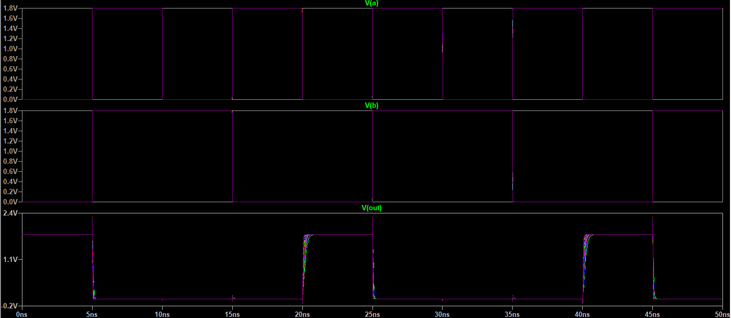
Measurement: delayn
step | delayn | FROM | TO
1 | 6.68E-11 | 5.00E-09 | 5.07E-09
2 | 5.84E-11 | 5.00E-09 | 5.06E-09
3 | 5.24E-11 | 5.00E-09 | 5.06E-09
4 | 4.70E-11 | 5.00E-09 | 5.05E-09
5 | 4.35E-11 | 5.00E-09 | 5.05E-09
6 | 4.11E-11 | 5.00E-09 | 5.05E-09
7 | 3.86E-11 | 5.00E-09 | 5.04E-09
8 | 3.64E-11 | 5.00E-09 | 5.04E-09
9 | 3.50E-11 | 5.00E-09 | 5.04E-09
10 | 3.36E-11 | 5.00E-09 | 5.04E-09
11 | 3.18E-11 | 5.00E-09 | 5.04E-09
12 | 3.06E-11 | 5.00E-09 | 5.04E-09
13 | 2.96E-11 | 5.00E-09 | 5.03E-09
14 | 2.91E-11 | 5.00E-09 | 5.03E-09
15 | 2.79E-11 | 5.00E-09 | 5.03E-09
16 | 2.70E-11 | 5.00E-09 | 5.03E-09
17 | 2.63E-11 | 5.00E-09 | 5.03E-09
18 | 2.56E-11 | 5.00E-09 | 5.03E-09
19 | 2.53E-11 | 5.00E-09 | 5.03E-09
20 | 2.47E-11 | 5.00E-09 | 5.03E-09
21 | 2.42E-11 | 5.00E-09 | 5.03E-09
22 | 2.37E-11 | 5.00E-09 | 5.03E-09
23 | 2.32E-11 | 5.00E-09 | 5.03E-09
24 | 2.27E-11 | 5.00E-09 | 5.03E-09
25 | 2.25E-11 | 5.00E-09 | 5.03E-09
26 | 2.22E-11 | 5.00E-09 | 5.03E-09
27 | 2.18E-11 | 5.00E-09 | 5.03E-09
28 | 2.13E-11 | 5.00E-09 | 5.03E-09
29 | 2.10E-11 | 5.00E-09 | 5.03E-09
30 | 2.10E-11 | 5.00E-09 | 5.03E-09
31 | 2.05E-11 | 5.00E-09 | 5.03E-09
32 | 2.02E-11 | 5.00E-09 | 5.03E-09
33 | 2.00E-11 | 5.00E-09 | 5.02E-09
34 | 1.97E-11 | 5.00E-09 | 5.02E-09
35 | 1.95E-11 | 5.00E-09 | 5.02E-09
36 | 1.95E-11 | 5.00E-09 | 5.02E-09
37 | 1.92E-11 | 5.00E-09 | 5.02E-09
38 | 1.90E-11 | 5.00E-09 | 5.02E-09
39 | 1.88E-11 | 5.00E-09 | 5.02E-09
40 | 1.86E-11 | 5.00E-09 | 5.02E-09
41 | 1.84E-11 | 5.00E-09 | 5.02E-09
42 | 1.82E-11 | 5.00E-09 | 5.02E-09
43 | 1.80E-11 | 5.00E-09 | 5.02E-09
44 | 1.78E-11 | 5.00E-09 | 5.02E-09
45 | 1.77E-11 | 5.00E-09 | 5.02E-09
46 | 1.76E-11 | 5.00E-09 | 5.02E-09

Measurement: power
step | (v(vdd)*i(vvdd))
1 | 6.15E-09
2 | 7.41E-09
3 | 8.66E-09
4 | 9.90E-09
5 | 1.11E-08
6 | 1.24E-08
7 | 1.36E-08
8 | 1.48E-08
9 | 1.60E-08
10 | 1.73E-08
11 | 1.85E-08
12 | 1.97E-08
13 | 2.09E-08
14 | 2.21E-08
15 | 2.33E-08
16 | 2.45E-08
17 | 2.57E-08
18 | 2.69E-08
19 | 2.80E-08
20 | 2.92E-08
21 | 3.04E-08
22 | 3.16E-08
23 | 3.28E-08
24 | 3.39E-08
25 | 3.51E-08
26 | 3.63E-08
27 | 3.74E-08
28 | 3.86E-08
29 | 3.98E-08
30 | 4.09E-08
31 | 4.21E-08
32 | 4.32E-08
33 | 4.44E-08
34 | 4.55E-08
35 | 4.67E-08
36 | 4.78E-08
37 | 4.90E-08
38 | 5.01E-08
39 | 5.13E-08
40 | 5.24E-08
41 | 5.36E-08
42 | 5.47E-08
43 | 5.58E-08
44 | 5.70E-08
45 | 5.81E-08
46 | 5.92E-08

Measurement: pdp
step | (power*delayn)
1 | 4.11E-19
2 | 4.33E-19
3 | 4.54E-19
4 | 4.66E-19
5 | 4.85E-19
6 | 5.08E-19
7 | 5.25E-19
8 | 5.40E-19
9 | 5.62E-19
10 | 5.80E-19
11 | 5.87E-19
12 | 6.01E-19
13 | 6.17E-19
14 | 6.42E-19
15 | 6.49E-19
16 | 6.60E-19
17 | 6.75E-19
18 | 6.89E-19
19 | 7.11E-19
20 | 7.23E-19
21 | 7.35E-19
22 | 7.48E-19
23 | 7.60E-19
24 | 7.70E-19
25 | 7.88E-19
26 | 8.05E-19
27 | 8.16E-19
28 | 8.21E-19
29 | 8.35E-19
30 | 8.58E-19
31 | 8.62E-19
32 | 8.75E-19
33 | 8.87E-19
34 | 8.99E-19
35 | 9.09E-19
36 | 9.30E-19
37 | 9.41E-19
38 | 9.52E-19
39 | 9.64E-19
40 | 9.75E-19
41 | 9.88E-19
42 | 9.93E-19
43 | 1.00E-18
44 | 1.01E-18
45 | 1.03E-18
46 | 1.04E-18

Sheet1
Direct Newton iteration for .op point succeeded. |  |  |  | step | delay | power | pdp
.step cval=5e-014 |  |  |  | 5.00E-14 | 8.03E-08 | 7.42E-05 | 5.96E-12
.step cval=1e-013 |  |  |  | 1.00E-13 | 8.05E-08 | 7.50E-05 | 6.04E-12
.step cval=1.5e-013 |  |  |  | 1.50E-13 | 8.07E-08 | 7.59E-05 | 6.12E-12
.step cval=2e-013 |  |  |  | 2.00E-13 | 8.09E-08 | 7.67E-05 | 6.20E-12
.step cval=2.5e-013 |  |  |  | 2.50E-13 | 8.11E-08 | 7.75E-05 | 6.28E-12
.step cval=3e-013 |  |  |  | 3.00E-13 | 8.12E-08 | 7.83E-05 | 6.36E-12
.step cval=3.5e-013 |  |  |  | 3.50E-13 | 8.14E-08 | 7.91E-05 | 6.44E-12
.step cval=4e-013 |  |  |  | 4.00E-13 | 8.16E-08 | 7.99E-05 | 6.52E-12
.step cval=4.5e-013 |  |  |  | 4.50E-13 | 8.18E-08 | 8.07E-05 | 6.60E-12
.step cval=5e-013 |  |  |  | 5.00E-13 | 8.20E-08 | 8.16E-05 | 6.69E-12

Measurement: delay
step | delay | FROM | TO
1 | 8.03E-08 | 1.50E-10 | 8.05E-08
2 | 8.05E-08 | 1.50E-10 | 8.07E-08
3 | 8.07E-08 | 1.50E-10 | 8.08E-08
4 | 8.09E-08 | 1.50E-10 | 8.10E-08
5 | 8.11E-08 | 1.50E-10 | 8.12E-08
6 | 8.12E-08 | 1.50E-10 | 8.14E-08
7 | 8.14E-08 | 1.50E-10 | 8.16E-08
8 | 8.16E-08 | 1.50E-10 | 8.18E-08
9 | 8.18E-08 | 1.50E-10 | 8.19E-08
10 | 8.20E-08 | 1.50E-10 | 8.21E-08

Measurement: power
step | AVG(v(vdd)*i(vvdd)*-1) | FROM | TO
1 | 7.42E-05 | 0 | 6.40E-07
2 | 7.50E-05 | 0 | 6.40E-07
3 | 7.59E-05 | 0 | 6.40E-07
4 | 7.67E-05 | 0 | 6.40E-07
5 | 7.75E-05 | 0 | 6.40E-07
6 | 7.83E-05 | 0 | 6.40E-07
7 | 7.91E-05 | 0 | 6.40E-07
8 | 7.99E-05 | 0 | 6.40E-07
9 | 8.07E-05 | 0 | 6.40E-07
10 | 8.16E-05 | 0 | 6.40E-07

Measurement: pdp
step | (power*delay)
1 | 5.96E-12
2 | 6.04E-12
3 | 6.12E-12
4 | 6.20E-12
5 | 6.28E-12
6 | 6.36E-12
7 | 6.44E-12
8 | 6.52E-12
9 | 6.60E-12
10 | 6.69E-12

Paper-simulation
Direct Newton iteration for .op point succeeded. | step | delay | power | PDP
.step cval=2e-014 | 2.00E-14 | 1.31E-09 | 5.67E-07 | 7.45E-16
.step cval=3e-014 | 3.00E-14 | 1.81E-09 | 5.67E-07 | 1.03E-15
.step cval=4e-014 | 4.00E-14 | 2.30E-09 | 5.67E-07 | 1.30E-15
.step cval=5e-014 | 5.00E-14 | 2.78E-09 | 5.67E-07 | 1.57E-15
.step cval=6e-014 | 6.00E-14 | 3.26E-09 | 5.67E-07 | 1.85E-15
.step cval=7e-014 | 7.00E-14 | 3.74E-09 | 5.67E-07 | 2.12E-15
.step cval=8e-014 | 8.00E-14 | 4.22E-09 | 5.67E-07 | 2.39E-15
.step cval=9e-014 | 9.00E-14 | 4.72E-09 | 5.67E-07 | 2.68E-15

Measurement: delay
step delay FROM TO
1 1.31311e-009 1.5e-010 1.46311e-009
2 1.81369e-009 1.5e-010 1.96369e-009
3 2.29882e-009 1.5e-010 2.44882e-009
4 2.77661e-009 1.5e-010 2.92661e-009
5 3.25737e-009 1.5e-010 3.40737e-009
6 3.73921e-009 1.5e-010 3.88921e-009
7 4.22319e-009 1.5e-010 4.37319e-009
8 4.7243e-009 1.5e-010 4.8743e-009

Measurement: power
step AVG(v(vdd)*i(vdd)*-1) FROM TO
1 5.67127e-007 0 1.6e-007
2 5.67095e-007 0 1.6e-007
3 5.67094e-007 0 1.6e-007
4 5.67041e-007 0 1.6e-007
5 5.67026e-007 0 1.6e-007
6 5.67069e-007 0 1.6e-007
7 5.67067e-007 0 1.6e-007
8 5.6705e-007 0 1.6e-007

Measurement: pdp
step (power*delay)
1 7.447e-016
2 1.02854e-015
3 1.30365e-015
4 1.57445e-015
5 1.84701e-015
6 2.12039e-015
7 2.39484e-015
8 2.67891e-015

PS-2
Direct Newton iteration for .op point succeeded. |  |  |  | step | delay | power | PDP
.step cval=2e-014 |  |  |  | 2.00E-14 | 4.01E-08 | 3.05E-07 | 1.23E-14
.step cval=3e-014 |  |  |  | 3.00E-14 | 1.20E-07 | 3.05E-07 | 3.67E-14
.step cval=4e-014 |  |  |  | 4.00E-14 | 1.20E-07 | 3.05E-07 | 3.67E-14
.step cval=5e-014 |  |  |  | 5.00E-14 | 0.00E+00 | 3.05E-07 | 0.00E+00
.step cval=6e-014 |  |  |  | 6.00E-14 | 0.00E+00 | 3.05E-07 | 0.00E+00
.step cval=7e-014 |  |  |  | 7.00E-14 | 0.00E+00 | 3.05E-07 | 0.00E+00
.step cval=8e-014 |  |  |  | 8.00E-14 | 0.00E+00 | 3.05E-07 | 0.00E+00
.step cval=9e-014 |  |  |  | 9.00E-14 | 0.00E+00 | 3.05E-07 | 0.00E+00

Measurement: delay
step | delay | FROM | TO
1 | 4.01E-08 | 1.50E-10 | 4.03E-08
2 | 1.20E-07 | 1.50E-10 | 1.20E-07
3 | 1.20E-07 | 1.50E-10 | 1.20E-07
4 | 0 | 1.50E-10 | 0
5 | 0 | 1.50E-10 | 0
6 | 0 | 1.50E-10 | 0
7 | 0 | 1.50E-10 | 0
8 | 0 | 1.50E-10 | 0

Measurement: power
step | AVG(v(vdd)*i(vdd)*-1) | FROM | TO
1 | 3.05E-07 | 0 | 1.60E-07
2 | 3.05E-07 | 0 | 1.60E-07
3 | 3.05E-07 | 0 | 1.60E-07
4 | 3.05E-07 | 0 | 1.60E-07
5 | 3.05E-07 | 0 | 1.60E-07
6 | 3.05E-07 | 0 | 1.60E-07
7 | 3.05E-07 | 0 | 1.60E-07
8 | 3.05E-07 | 0 | 1.60E-07

Measurement: pdp
step | (power*delay)
1 | 1.23E-14
2 | 3.67E-14
3 | 3.67E-14
4 | 0
5 | 0
6 | 0
7 | 0
8 0

