Sheet1
Ranking | Image | Product_Name | Brand | Price($) | Rating | Review_Cnt | Ingredients | URL
1 | 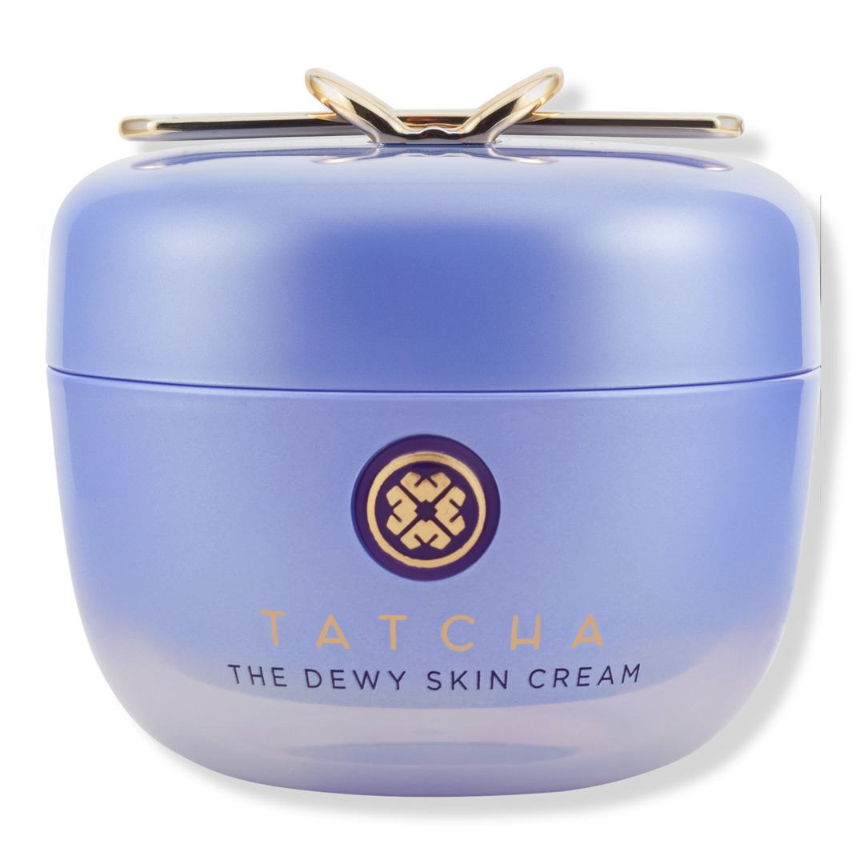 | The Dewy Skin Cream Line-Plumping Moisturizer | TATCHA | $74.00 | 4.6 | 1215 | Aqua/Water/Eau, Saccharomyces/Rice Ferment Filtrate, Glycerin, Propanediol, Dimethicone, Squalane, Diisostearyl Malate, Behenyl Alcohol, Myristyl Myristate, Dipentaerythrityl Hexahydroxystearate, Bis-Diglyceryl Polyacyladipate-2, Tridecyl Trimellitate, Inositol, Sorbitan Tristearate, Beheneth-20, Camellia Sinensis Leaf Extract, Cladosiphon Okamuranus Extract, Chondrus Crispus Extract, Betaphycus Gelatinum Extract, Oryza Sativa (Rice) Bran Extract, Panax Ginseng Root Extract, Origanum Majorana Leaf Extract, Thymus Serpyllum Extract, Malva Sylvestris (Mallow) Flower Extract, Sodium Hyaluronate, Gold, Sericin, Phytosteryl Macadamiate, Tocopherol, Hydroxyethyl Acrylate/Sodium Acryloyldimethyl Taurate Copolymer, Sorbitan Isostearate, Polysorbate 60, Butylene Glycol, Dimethicone/Vinyl Dimethicone Crosspolymer, Sodium Benzoate, Gluconolactone, Ethylhexylglycerin, Parfum/Fragrance, Alcohol, Phenoxyethanol, Citral, Limonene, Linalool, Mica, Tin Oxide, Titanium Dioxide (Ci 77891), Violet 2 (Ci 60725). | https://www.ulta.com/p/dewy-skin-cream-line-plumping-moisturizer-pimprod2049087?sku=2634098
2 | 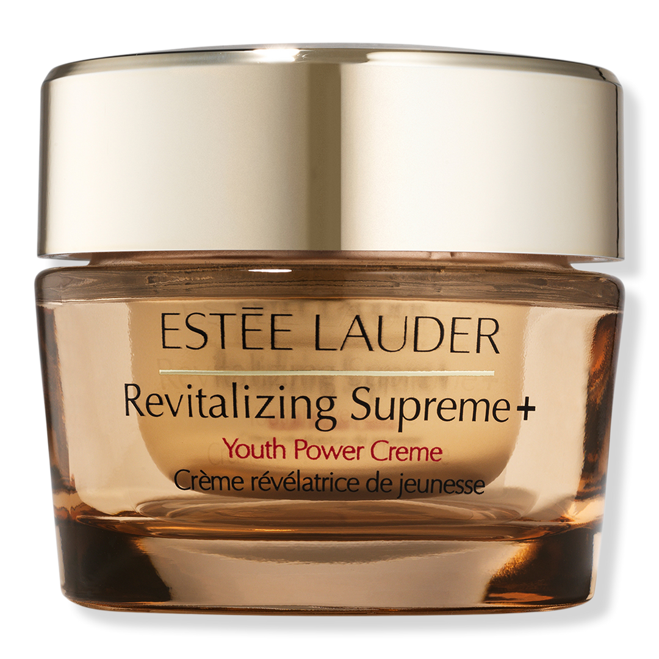 | Revitalizing Supreme+ Youth Power Cream Moisturizer | Estée Lauder | $120.00 | 4.5 | 5269 | Water/Aqua/Eau, Dimethicone, Glycerin, Isohexadecane, Butylene Glycol, Bis-Peg-18 Methyl Ether Dimethyl Silane, Peg-10 Dimethicone, Disteardimonium Hectorite, Moringa Oleifera Seed Extract, Hibiscus Sinensis Flower Extract, Sodium Hyaluronate, Acetyl Hexapeptide-8, Laminaria Digitata Extract, Whey Protein/Lactis Protein/Proteine Du Petit-Lait, Opuntia Tuna Extract, Acetyl Glucosamine, Tocopheryl Acetate, Narcissus Tazetta Bulb Extract, Squalane, Algae Extract, Hypnea Musciformis (Algae) Extract, Pyrus Malus (Apple) Fruit Extract, Cucumis Sativus (Cucumber) Fruit Extract, Lens Esculenta (Lentil) Fruit Extract, Citrullus Lanatus (Watermelon) Fruit Extract, Silybum Marianum (Lady'S Thistle) Extract, Gelidiella Acerosa Extract, Helianthus Annuus (Sunflower) Seed Extract, Sigesbeckia Orientalis (St. Paul'S Wort) Extract, Caffeine, Hordeum Vulgare (Barley) Extract/Extrait D'Orge, Sodium Lactate, Triticum Vulgare (Wheat) Germ Extract, Sorbitol, Propylene Glycol Dicaprate, Sucrose, Sodium Pca, Aminopropyl Ascorbyl Phosphate, Pentylene Glycol, Caprylyl Glycol, Propylene Carbonate, Polyethylene, Polysilicone-11, Peg-32, Peg-6, Disodium Edta, Isoceteth-20, Isododecane, Citric Acid, Fragrance (Parfum), Bht, Sodium Citrate, Potassium Sorbate, Sodium Dehydroacetate, Sodium Benzoate, Phenoxyethanol, Iron Oxides (Ci 77491). | https://www.ulta.com/p/revitalizing-supreme-youth-power-cream-moisturizer-pimprod2030772?sku=2591237
3 | 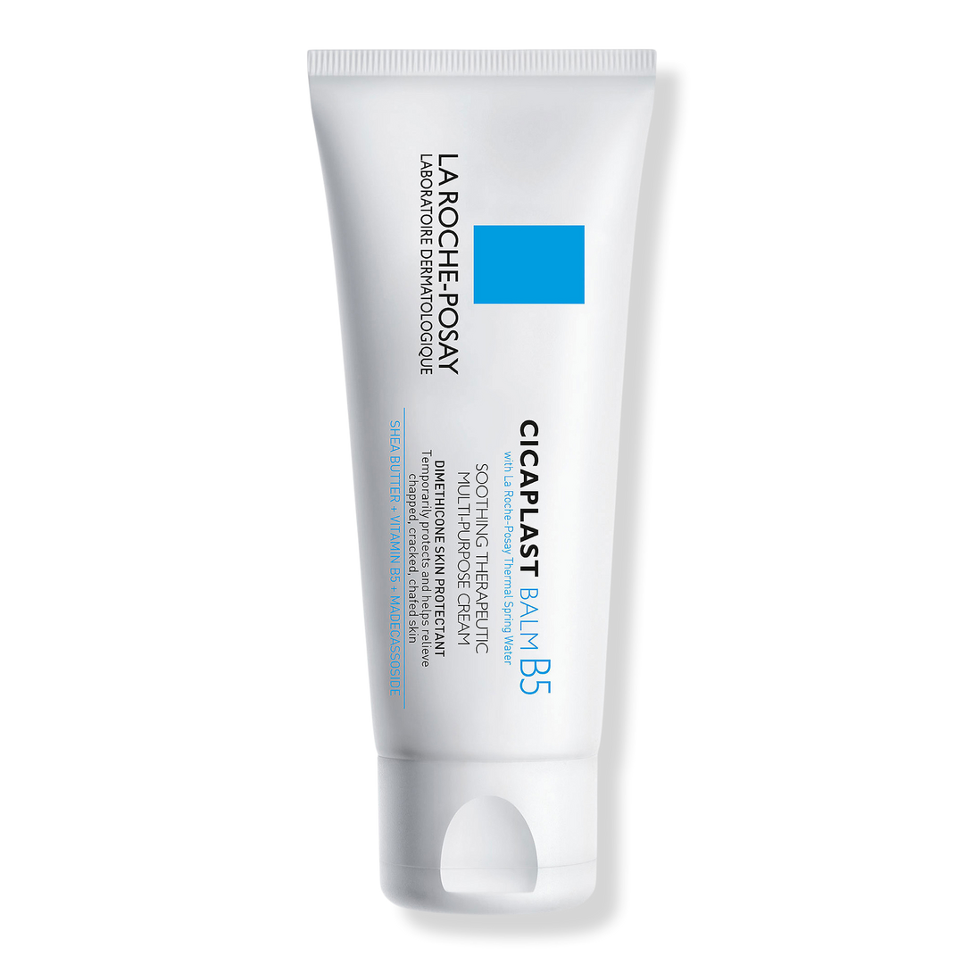 | Cicaplast Balm B5 Soothing Therapeutic Multi Purpose Cream | La Roche-Posay | $20.99 | 4.7 | 3074 | Aqua/ Water, Hydrogenated Polyisobutene, Dimethicone, Glycerin, Butyrospermum Parkii Butter / Shea Butter, Panthenol, Propanediol, Butylene Glycol, Aluminum Starch Octenylsuccinate, Cetyl Peg/Ppg-10/1 Dimethicone, Trihydrox Tearin, Zinc Gluconate, Madecassoside, Manganese Gluconate, Silica, Aluminum Hydroxide, Magnesium Sulfate, Disodium Edta, Copper Gluconate, Capryloyl Glycine, Citric Acid, Acetylated Glycol Stearate, Polyglyceryl-4 Isostearate, Tocopherol, Pentaerythrityl Tetra-Di-T-Butyl Hydroxyhydrocinnamate, Ci 77891 / Titanium Dioxide. | https://www.ulta.com/p/cicaplast-balm-b5-soothing-therapeutic-multi-purpose-cream-pimprod2018263?sku=2570171
4 | 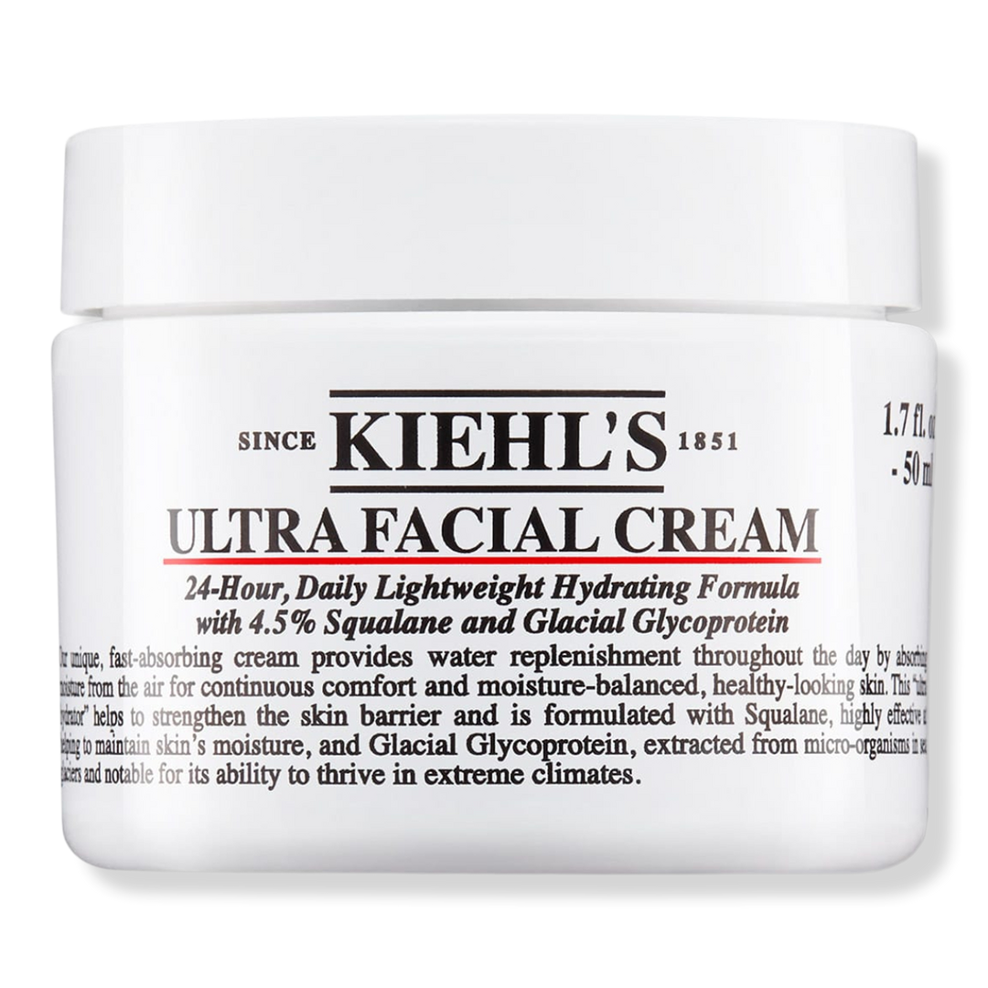 | Ultra Facial Cream with Squalane | Kiehl's Since 1851 | $39.00 | 4.7 | 7192 | Aqua / Water, Glycerin, Dimethicone, Squalane, Bis-Peg-18 Methyl Ether Dimethyl Silane, Sucrose Stearate, Stearyl Alcohol, Peg-8 Stearate, Myristyl Myristate, Prunus Armeniaca Kernel Oil / Apricot Kernel Oil, Phenoxyethanol, Persea Gratissima Oil / Avocado Oil, Glyceryl Stearate, Cetyl Alcohol, Oryza Sativa Bran Oil / Rice Bran Oil, Olea Europaea Fruit Oil / Olive Fruit Oil, Chlorphenesin, Stearic Acid, Palmitic Acid, Carbomer, Acrylates/C10-30 Alkyl Acrylate Crosspolymer, Trisodium Ethylenediamine Disuccinate, Prunus Amygdalus Dulcis Oil / Sweet Almond Oil, Xanthan Gum, Ethylhexylglycerin, Sodium Hydroxide, Tocopherol, Glycine Soja Oil / Soybean Oil, Pseudoalteromonas Ferment Extract, Myristic Acid, Hydroxypalmitoyl Sphinganine, Salicylic Acid, Helianthus Annuus Seed Oil / Sunflower Seed Oil, Rosmarinus Officinalis Leaf Extract / Rosemary Leaf Extract, Citric Acid. | https://www.ulta.com/p/ultra-facial-cream-with-squalane-pimprod2002804?sku=2540233
5 | 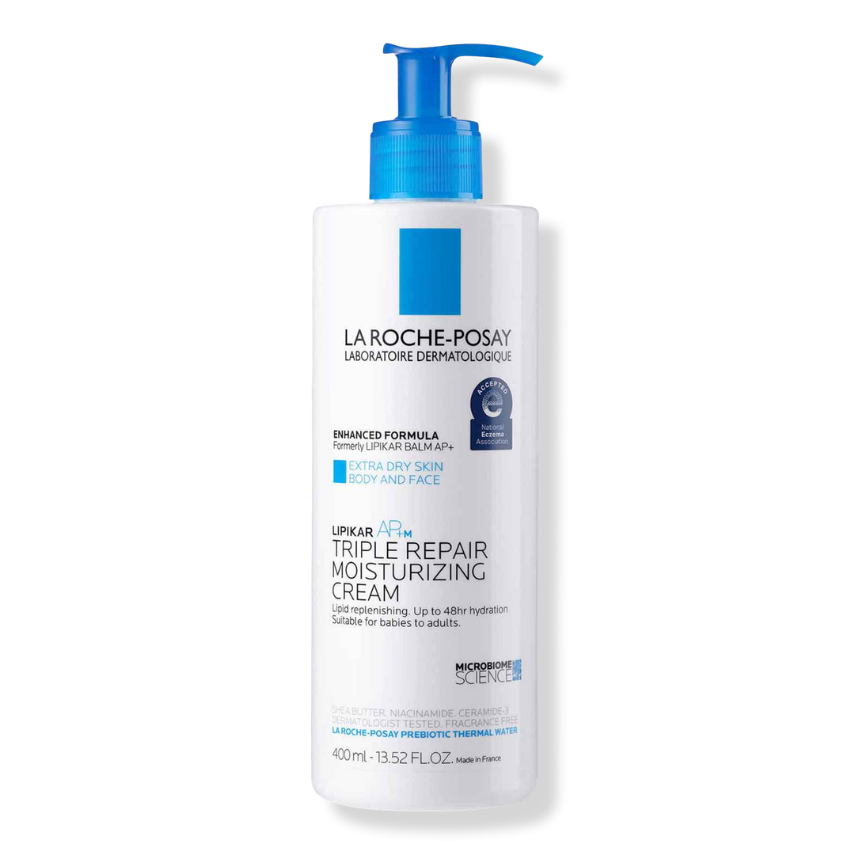 | Lipikar AP+M Triple Repair Body Moisturizing Cream for Dry Skin | La Roche-Posay | $21.99 | 4.6 | 3542 | Aqua/Water, Butyrospermum Parkii Butter/Shea Butter, Glycerin, Dimethicone, Niacinamide, Paraffinum Liquidum/Mineral Oil, Cetearyl Alcohol, Brassica Campestris Oleifera Oil/Rapeseed Seed Oil, Ammonium Polyacryldimethyltauramide/Ammonium Polyacryloyldimethyl Taurate, Peg-100 Stearate, Glyceryl Stearate, Peg-20 Methyl Glucose Sesquistearate, Cera Microcristallina/Microcrystalline Wax, Paraffin, Sorbitan Tristearate, Dimethiconol, Mannose, Disodium Edta, Capryloyl Glycine, Vitreoscilla Ferment, Xanthan Gum, Pentaerythrityl Tetra-Di-T-Butyl Hydroxyhydrocinnamate, Sodium Benzoate. | https://www.ulta.com/p/lipikar-apm-triple-repair-body-moisturizing-cream-dry-skin-xlsImpprod17102349?sku=2521449
6 | 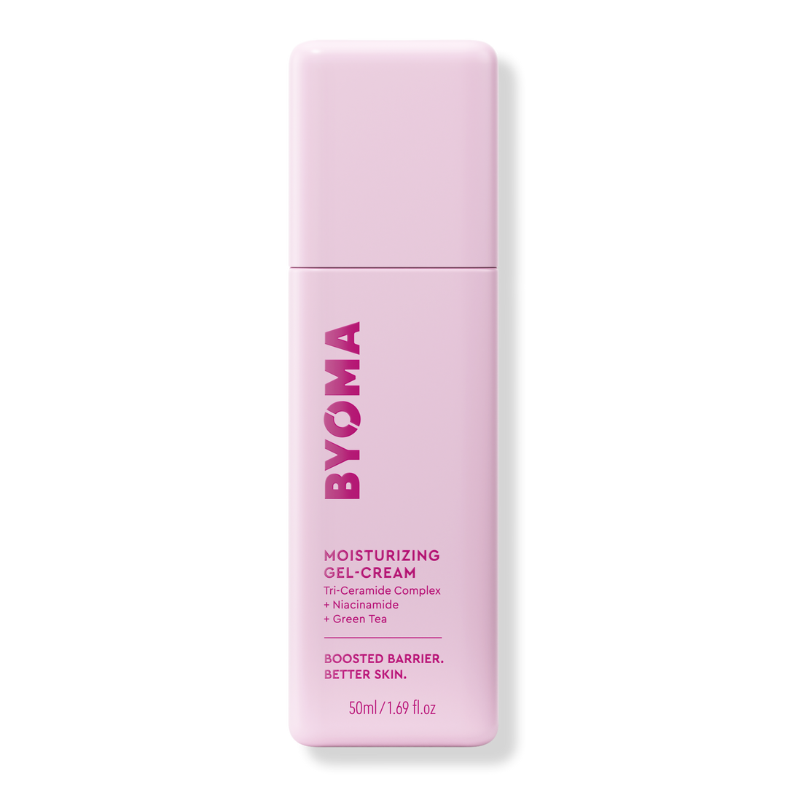 | Moisturizing Gel Cream | BYOMA | $15.99 | 4.4 | 1038 | Aqua, Glycerin, Caprylic/Capric Triglyceride, Pentaerythrityl Tetraethylhexanoate, Polyglyceryl-3 Methylglucose Distearate, Niacinamide, Ceramide NP, Cholesterol, Phytosphingosine, Camellia Sinensis Leaf Extract, Stearic Acid, Oleic Acid, Lactic Acid, Hydrogenated Lecithin, Cetearyl Alcohol, Panthenol, Carbomer, Xanthan Gum, Tromethamine, 1,2-Hexanediol, Caprylyl Glycol, Hydroxyacetophenone, Caprylhydroxamic Acid. | https://www.ulta.com/p/moisturizing-gel-cream-pimprod2034790?sku=2601332
7 | 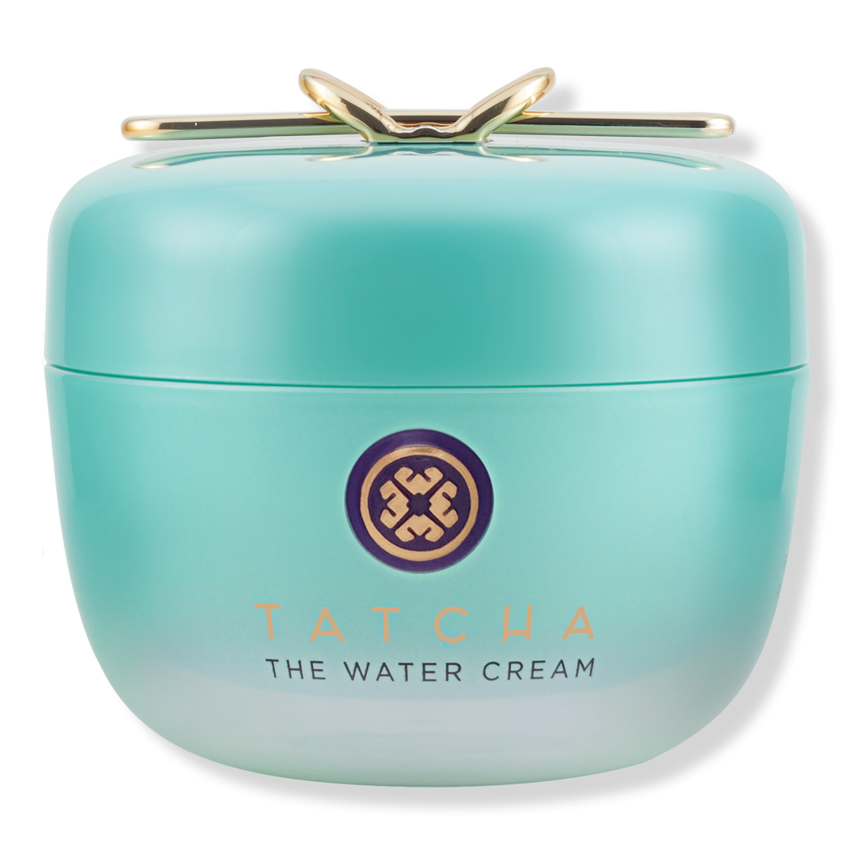 | The Water Cream Oil-Free Pore Minimizing Moisturizer | TATCHA | $74.00 | 4.5 | 517 | Aqua/Water/Eau, Saccharomyces/Rice Ferment Filtrate, Dimethicone, Propanediol, Glycerin, Diglycerin, Diphenylsiloxy Phenyl Trimethicone, Camellia Sinensis Leaf Extract, Cladosiphon Okamuranus Extract, Peg-9 Polydimethylsiloxyethyl Dimethicone, Gold, Belamcanda Chinensis Root Extract, Rosa Multiflora Fruit Extract, Houttuynia Cordata Extract, Sophora Angustifolia Root Extract, Sodium Hyaluronate, Lecithin, Pistacia Lentiscus (Mastic) Gum, Sodium Chloride, Sodium Citrate, Mica, Tin Oxide, Dimethicone/Peg-10/15 Crosspolymer, Dimethicone/Phenyl Vinyl Dimethicone Crosspolymer, Tocopherol, Butylene Glycol, Ethylhexylglycerin, Dipropylene Glycol, Parfum/Fragrance, Alcohol, Phenoxyethanol, Limonene, Linalool, Titanium Dioxide (Ci 77891). | https://www.ulta.com/p/water-cream-oil-free-pore-minimizing-moisturizer-pimprod2049088?sku=2634101
8 | 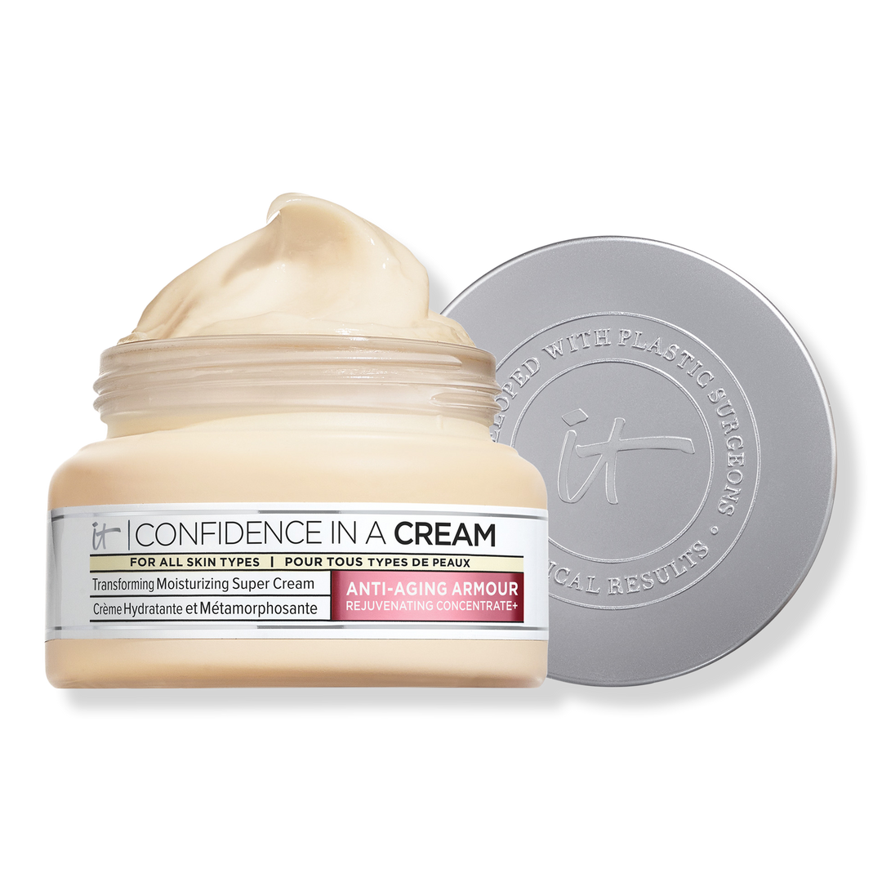 | Confidence in a Cream Anti-Aging Hydrating Moisturizer | IT Cosmetics | $49.00 | 4.5 | 10481 | Aqua / Water / Eau, Glycerin, Niacinamide, Cetearyl Alcohol, Squalane, Hydroxyethylpiperazine Ethane Sulfonic Acid, Glyceryl Stearate, Dimethicone, Butyrospermum Parkii Butter / Shea Butter, Myristyl Myristate, Ethylhexyl Palmitate, Phenoxyethanol, Peg-100 Stearate, Caprylic/Capric Triglyceride, Caprylyl Glycol, Pentylene Glycol, Sodium Polyacrylate, Tocopherol, Hydrolyzed Rice Protein, Citric Acid, Sodium Hyaluronate, Pentaerythrityl Tetra-Di-T-Butyl Hydroxyhydrocinnamate, Ceramide Np, Adenosine, Trisodium Ethylenediamine Disuccinate, Colloidal Oatmeal, Linalool, Hydroxypalmitoyl Sphinganine, Butylene Glycol, Caramel, Limonene, Benzyl Benzoate, Carbomer, Sodium Lactate, Citral, Polysorbate 20, Palmitoyl Tripeptide-1, Palmitoyl Tetrapeptide-7, Parfum / Fragrance. N285722/2 | https://www.ulta.com/p/confidence-in-a-cream-anti-aging-hydrating-moisturizer-pimprod2033684?sku=2598796
9 | 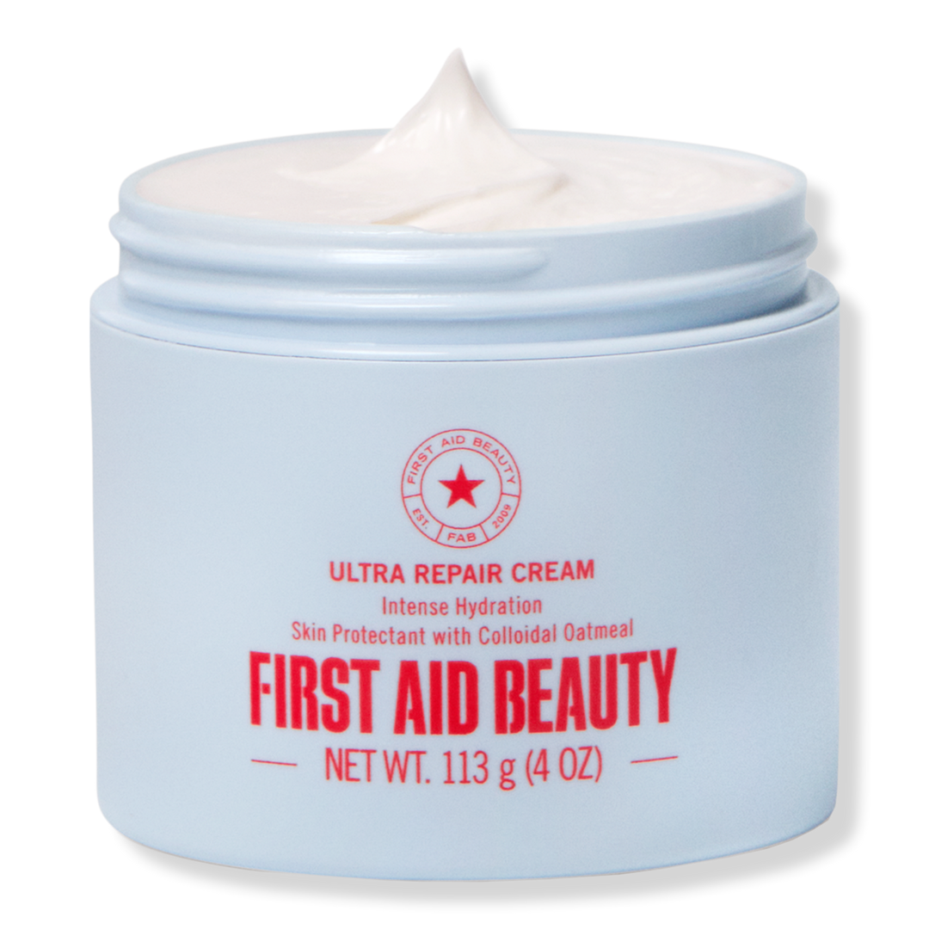 | Ultra Repair Cream Intense Hydration Moisturizer | First Aid Beauty | $35.00 | 4.5 | 5544 | Active: Colloidal Oatmeal 0.50%. Inactive: Water, Stearic Acid, Glycerin, C12-15 Alkyl Benzoate, Caprylic/Capric Triglyceride, Glyceryl Stearate, Glyceryl Stearate SE, Cetearyl Alcohol, Butyrospermum Parkii (Shea) Butter, Dimethicone, Squalane, Phenoxyethanol, Caprylyl Glycol, Xanthan Gum, Allantoin, Sodium Hydroxide, Disodium EDTA, Chrysanthemum Parthenium (Feverfew) Extract, Camellia Sinensis Leaf Extract, Glycyrrhiza Glabra (Licorice) Root Extract, Ceramide NP, Eucalyptus Globulus Leaf Oil. | https://www.ulta.com/p/ultra-repair-cream-intense-hydration-moisturizer-xlsImpprod13491031?sku=2648273
10 | 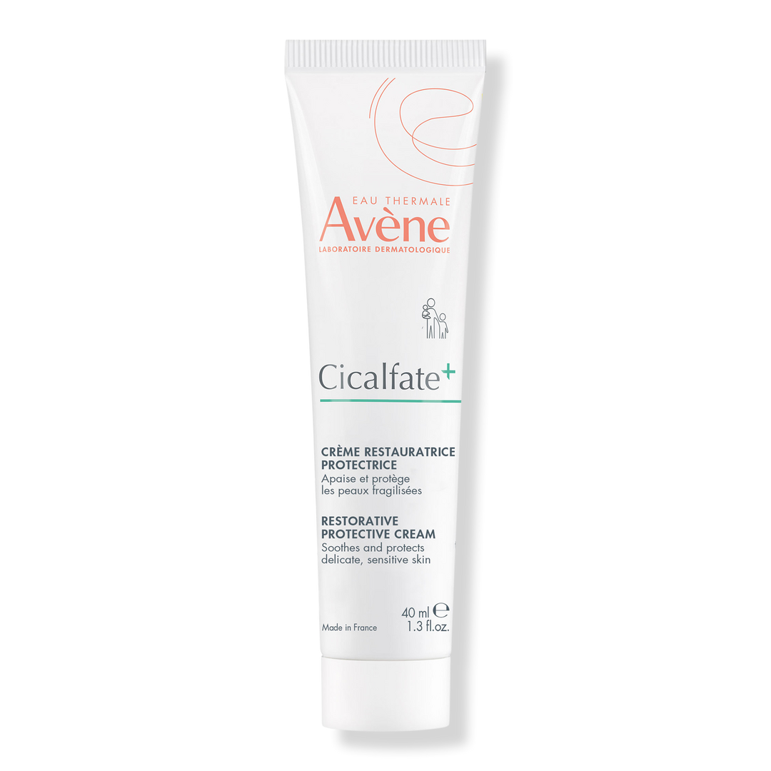 | Cicalfate+ Restorative Protective Cream | Avène | $26.00 | 4.2 | 1090 | Water / Eau (Aqua), Caprylic/Capric Triglyceride, Mineral Oil / Huile Minerale (Paraffinum Liquidum), Glycerin, Hydrogenated Vegetable Oil, Zinc Oxide, Propylene Glycol. | https://www.ulta.com/p/cicalfate-restorative-protective-cream-pimprod2020798?sku=2577161

