Sheet1
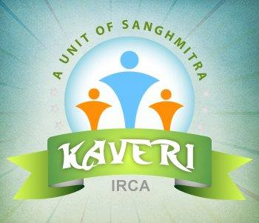

Kaveri-IRCA
The Stages of Change Readiness and Treatment Eagerness Scale Test Result

 | Date
 | Reg No.

 | Patient Name | Gender | Age

Recognition

Ambivalence

Taking Step

Remarks

 |  | Psychologist Signature

