PTC -12 units to XL
QUOTATION

Company Name: |  |  |  |  | Date: | 2026-03-26
Customer Name: |  |  |  |  | Sales:
Phone: |  |  |  |  | Phone: (02)2918-8500 Ext.
Email: |  |  |  |  | Fax: (02)2915-3405
 |  |  |  |  | Email Address:

Item | Model |  | Specification |  |  |  | Unit Price | cost | margin $ | margin %
1 | SP-51E |  | All-in-one POS with Printer embedded 15.6" 1920 x 1080/ PCAP Touch Intel® Celeron J6412 DDR4 8GB/ 128G SSD Win10 IoT |  |  |  | USD 525 | 441.00 | 84 | 16.00%
SP-51E Peripherals
1.1 | Customer/2nd display |  | 15.6" second display monitor Without touch function |  |  |  | USD 65 | 55.00 | 10 | 16.00%
1.2 | MSR |  | MSR module for SP-51 |  |  |  | USD 54 | 45.00 | 9 | 16.00%
Item | Model |  | Specification |  |  |  | Unit Price
2 | SP-330 | 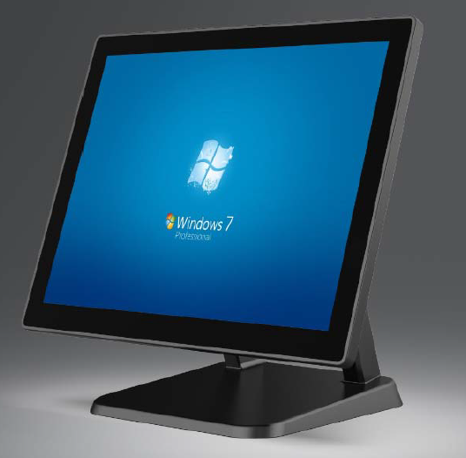 | 15" 1024 x 768/ PCAP Touch Intel® Core™ Skylake i3-6030u DDR3 4GB/ 128G SSD OS not included |  |  |  | USD 474 | 398.00 | 76 | 16.00%
3 |  | 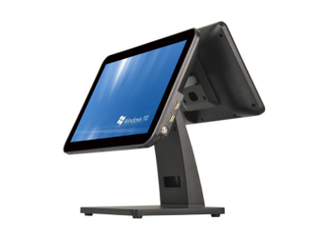 | Intel i3 Gen10 16GB DDR4 256GB SSD 15.6" main screen + 11.6" 2nd display Win11 IoT |  |  |  | USD 499 | 364.00 | 135 | 27.00%
General Peripherals
 | 5B8C |  | Cash Drawer 5B8C |  |  |  | USD 46 | 39.00 | 7 | 16.00%
 | RP-BTP-80 |  | Thermal printer RP-BTP-80 |  |  |  | USD 60 | 50.00 | 10 | 16.00%
 |  |  | Handheld scanner |  |  |  | USD 27 | 19.00 | 8 | 30.00%
 | SSD upgrade |  | Upgrade SSD from 128G to 256G |  |  |  | USD 24 | 20.00 | 4 | 16.00%
 | Win10 IoT |  | Upgrade SSD from 128G to 256G |  |  |  | USD 24 | 20.00 | 4 | 16.00%

Remark：
1. Payment: T/T PAYMENT IN ADVANCE
2. Term: FOB Shanghai, China in USD.
3. Warranty for key components: 12 months based on invoice date
4. All Order placed are subject to confirmation and acceptance by Partner Tech Corp. Prices and availability will be confirmed upon receipt of the customer’s order and issuance of a proforma invoice.

Partner Tech Asia Pacific Corp.
(BenQ Group)

 |  |  |  | Customer Confirmation:

