C Series Peripherals
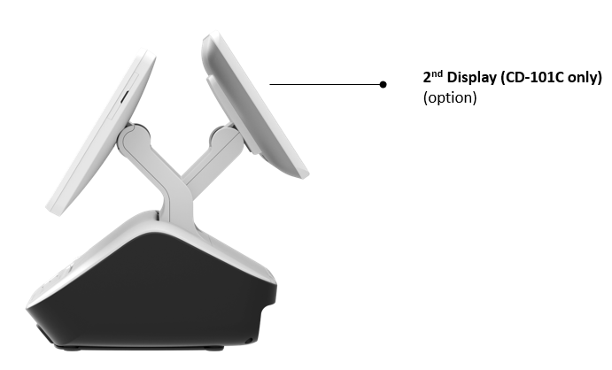
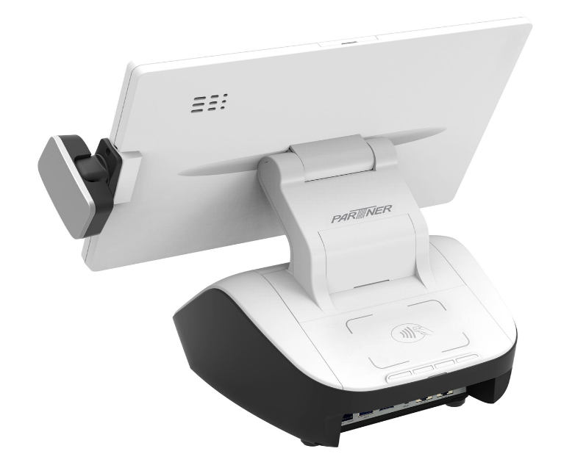
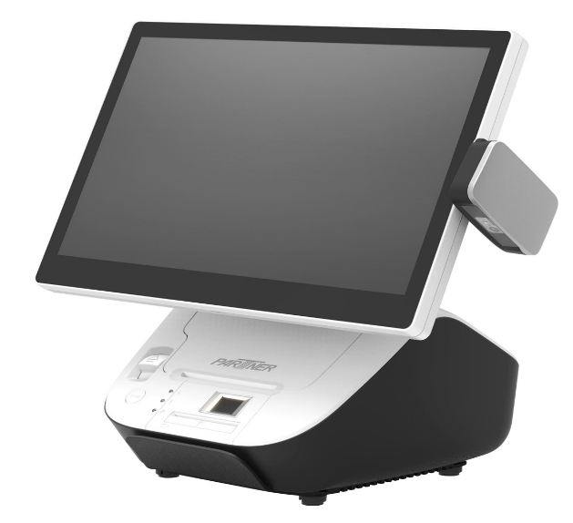
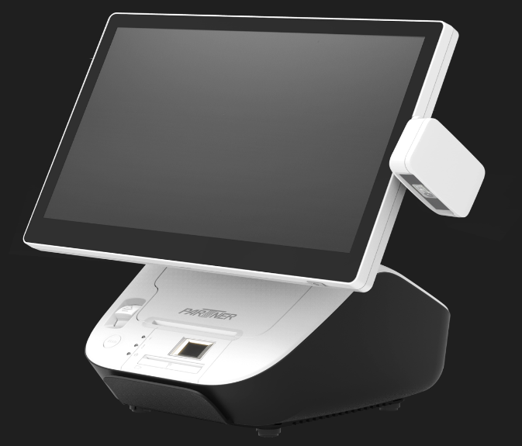
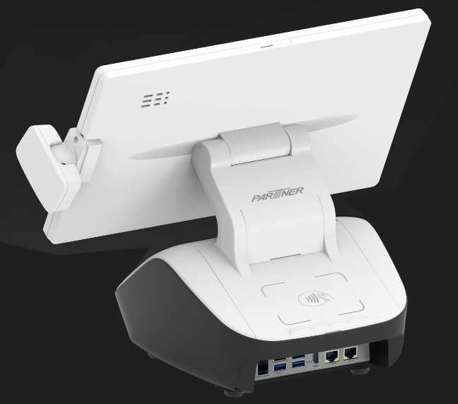
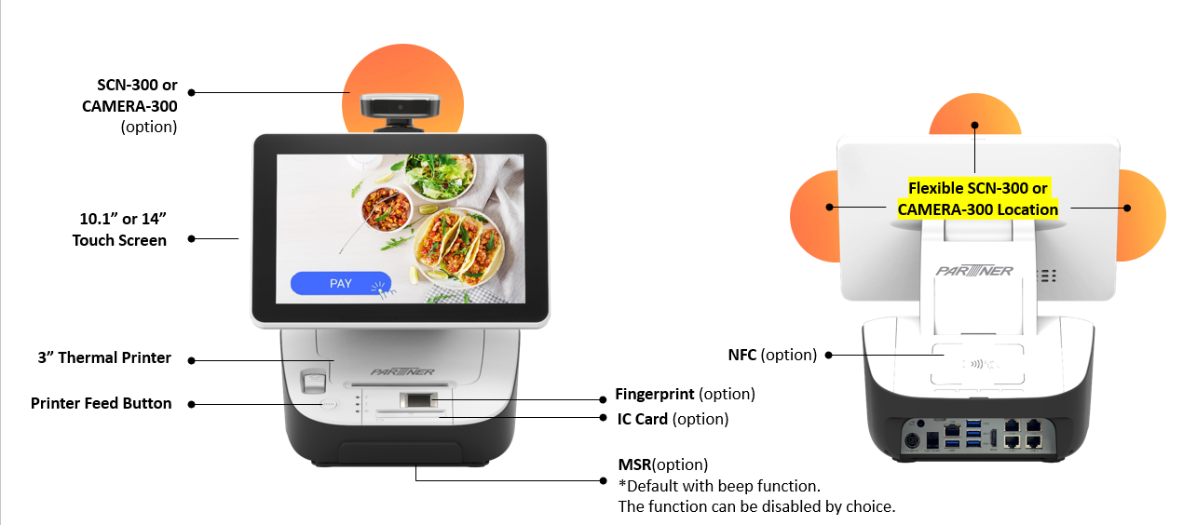
Date: | New
 | C series Peripherals |  | ITP | Remark
 | 79090C1191100 | MSR Module/ID123/C10-1/Black/GP | 30 | MSR only
 | 79090C1194200 | Fingerprint Module/C10-1/White/GP | 80 | Fingerprint only
 | 7909070193400 | IC Card(ID) Module/PAT-120/White/GP | 48 | IC Card only
 | 79090C1195100 | NFC(RF-551V) Module/C10-1/White/GP | 50 | RFID/NFC Only
 | 7909070195200 | NFC(MP30H-PT) Module/PAT-120/White/GP | 50 | *For PTE Dangot only
 | 79090C1196200 | 2nd Display/10.1"/CD-101CG/C10-1/White/GP | 131 | 2nd Display Hinge/ARM only + CD-101C white/silver w/o touch | #REF!
 | 79090C1196250 | 2nd Display/10.1"/CD-101/PCT/C10-1/White/GP | 156 | 2nd Display Hinge/ARM only + CD-101C white/silver with touch
 | 79090C1199200 | 2nd Hinge For CD101/C10-1/White/GP | 25 --> 16 | 2nd Display Hinge/ARM only
 | 79050A5199104 | Wifi+BT Kit/6E AX210/GP(E5/Ax/Gx-K/A/B/E/T/AL,BW-xxx-W,C1x-E) | 25 | WIFI 6, Alder Lake / Elkhart Lake/ TigerLake/ N97 & N305 only support WIFI 6
 | 79090C1196100 | VFD Module/CD7220/BOE/12V/White/C10,C14/W/O Logo/GP | 50 | MOQ: 300pcs
 | 79090C1199201 | CD7220 Connection Kit/C10,C14/White/GP | MOQ 2pcs: $30 MOQ 30pcs: $16 MOQ 300pcs: $10
 | 2D Scanner and Camera
 | 2100490C11400 | Cable Cover/SCN300 for C10/White | 5 | White cable cover bracket for SCN-300 & CAMERA-300
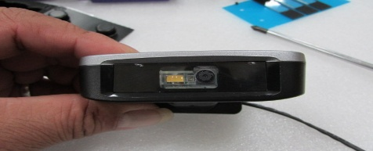
 | 79090C1198101 | SCN-300/2D(N4680)/C10,C14/1.1/B+G/GP | 118 | *2D Scanner - install at the Top / Right / Left-hand side of Screen. *w/ white cable cover bracket
 | 79050A7199216 | SCN-300/2D(N4680)/A4,A7,G4,G5/1.1/B+G | 115 | *2D Scanner - install at the Top / Right / Left-hand side of Screen. *w/o white cable cover bracket, need to order cable cover bracket
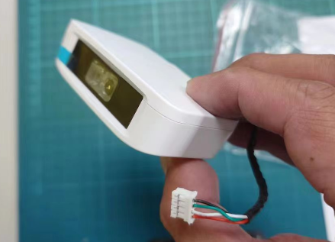
 | 79090C1198100 | SCN-300/2D(N4680)/C10,C14/1.1/White/GP | 120 | *2D Scanner - install at the Top / Right / Left-hand side of Screen *w/ white cable cover bracket
 | 79050A7199220 | SCN-300/2D(N4680)/A4,A7,G4,G5/1.1/White/GP | 117 | *2D Scanner - install at the Top / Right / Left-hand side of Screen *w/o white cable cover bracket, need to order cable cover bracket
 | 79050A7199325 | CAMERA-300/8M/AV5180A1D/A4,A7,G4,G5/1.1/B+G/GP | 55 | *Camera - install at the Top / Right / Left-hand side of Screen. *w/o white cable cover bracket, need to order cable cover bracket
 | New P/N | CAMERA-300/8M/AV5050A22/C10,C14/1.1/B+G/GP | 58 | *Camera - install at the Top / Right / Left-hand side of Screen. *w/ white cable cover bracket, need to order cable cover bracket
 | New P/N | CAMERA-300/8M/AV5050A22/A4,A7,G4,G5/1.1/White | 57 | *Camera - install at the Top / Right / Left-hand side of Screen. *MOQ 300pcs *w/o white cable cover bracket, need to order cable cover bracket
 | 79090C119C106 | CAMERA-300/8M/AV5180A1D/C10,C14/1.1/White/GP | 60 | *Camera - install at the Top / Right / Left-hand side of Screen. *MOQ 300pcs *w/ white cable cover bracket, need to order cable cover bracket
 | 79090C119P000 | Payment Bracket Kit/N6/C10-1/Black/GP | 1~4pcs: $58 5~9pcs: $34 10~19pcs: $27 >=20pcs: $25 | Payment Bracket for PTU only

License
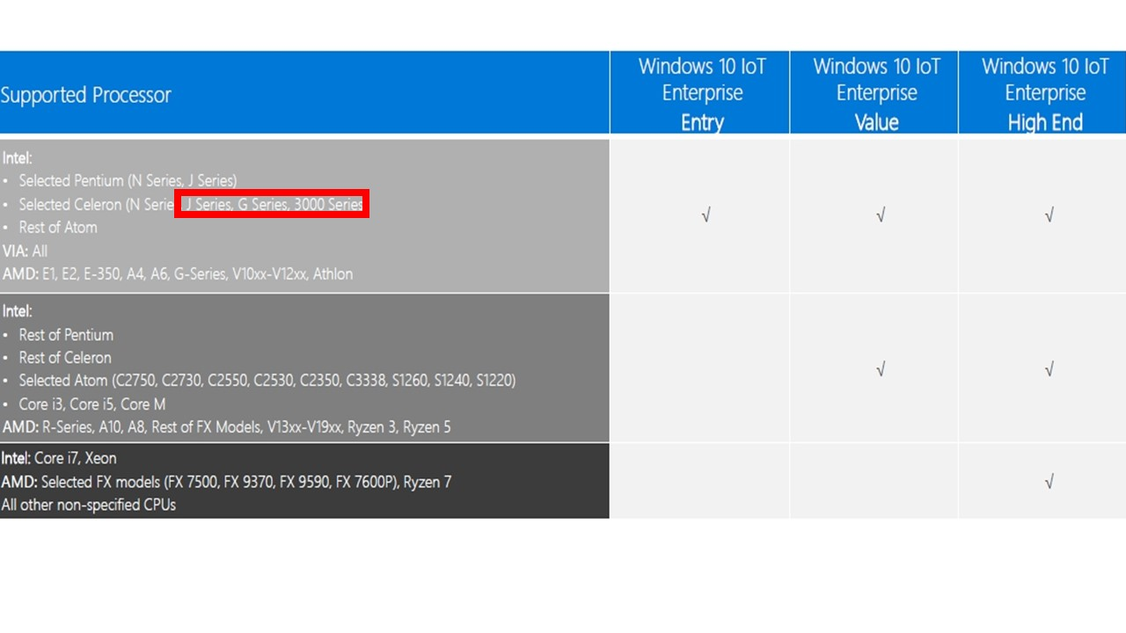
Confidential Information for Partner Tech Internal Use Only!

OS | Description | Corresponding P/N |  | Remark
 |  |  | ITP
OS | 2021 H2 WIN 10 please refer to below table for Corresponding CPUs list
OS | Win10 IoT Ent 2021 LTSC MultiLang ESD OEI "Entry" EPKEA Entry for Selected ATOM, Selected Celeron (J6412, J1900, J3455, N2807, G3900, G3900TE, 3955U, 3865U) version | 2619510600017 | $33.5
OS | Win10 IoT Ent 2021 LTSC MultiLang ESD OEI "Value" EPKEA Value for Selected Atom, Selected Celeron, Pentium, Core i3, Core i5 version | 2619510600018 | $67
OS | Win10 IoT Ent 2021 LTSC MultiLang ESD OEI "High End" EPKEA High for Core i7 | 2619510600019 | $130
OS | Windows® 11
OS | Win11 IoT Ent MultiLang ESD OEI Entry EPKEA Entry for Selected ATOM, Selected Celeron J6412 | 2619510700000 | $33.5
OS | Win11 IoT Ent MultiLang ESD OEI Value EPKEA Value for Selected Atom, Selected Celeron, Pentium, Core i3, Core i5 version | 2619510700001 | $67
OS | Win11 IoT Ent MultiLang ESD OEI High End EPKEA High for Core i7 | 2619510700002 | $130
OS | Win Pro 11 64-bit, 英文隨機版(DVD), 英式鍵盤, FQC-10528 | FQC-10528 | $165
OS | Win Pro 11 64-bit, 英文隨機版(DVD), 美式鍵盤, FQC-10529 | FQC-10529 | $165
OS | Win11 IoT Ent 2024 LTSC MultiLang ESD OEI Entry EPKEA | 2619510701000 | $34
OS | Win11 IoT Ent 2024 LTSC MultiLang ESD OEI Value EPKEA | 2619510701001 | $67
OS | Win11 IoT Ent 2024 LTSC MultiLang ESD OEI High End EPKE | 2619510701002 | $130
OS | Win11 IoT Ent 2024 LTSC MultiLang ESD OEI Entry Upgrade EPKEA | 2619510701100 | $34
OS | Win11 IoT Ent 2024 LTSC MultiLang ESD OEI Value Upgrade EPKEA | 2619510701101 | $67
OS | Win11 IoT Ent 2024 LTSC MultiLang ESD OEI High End Upgrade EPKEA | 2619510701102 | $130
OS | Win 11 Pro GAC - Microsoft Windows 11 Pro 64 Bit English OEM DVD 1-Pack(FQC-10529) | 2619500700000 | $185

OS | Windows Server® IoT 2022 Standard (16 Core) (ESD) | 6FA-00554 | $715
OS | Windows Server® IoT 2022 Remote Desktop Services Client Access License (1 User) (ESD) | 6VC-04363 | $98

M10
Date: | New

Product | Product/Description | 參考資料
Model | Description | Corresponding P/N |  | Remark
 |  |  | ITP
M10 | M10 Standard Terminal
M10 | M10-3N/N200/8G/128G/XYC/350nits/ADV/W-I6/Battery/US/Partner Logo | TBD | TBD
M10 | M10-3N/N200/8G/128G/XYC/350nits/ADV/W-I6/Battery/US/Win11/Partner Logo | TBD | TBD
M10 | M10-3N/N200/8G/128G/XYC/800nits/ADV/W-I6/Battery/US/Partner Logo | TBD | TBD | 800nits MOQ 500pcs
M10 | M10-3N/N200/8G/128G/XYC/800nits/ADV/W-I6/Battery/US/Win11/Partner Logo | TBD | TBD | 800nits MOQ 500pcs
M10 | M10-3N/N300/16G/512G/XYC/350nits/ADV/W-I6/Battery/US/Partner Logo | TBD | TBD | MOQ 300pcs Market Price Need to requote when there is a project.
M10 | 128G to 256G | TBD | TBD | MOQ 500pcs Market Price Need to requote when there is a project.
M3w-2 & M10 | M3w-2 & M10 Optional Peripherals
M3w-2 & M10 | Main Battery (Li Battery Pack/7.4v/4600mA/BP18-002240/M3/GP) | 1380210740000 | $55
M10 | MSR Module/ID123/M10-3N/Black/Partner Logo/GP | 79090M1039210 | $30
M10 | EMV IC Card/MINI2-50-P1/M10-3N/GP | 79090M1039310 | $40
M10 | (Rear Cover+Fingerprint Kit/ w/o battery cover/M10/Black/G | TBD | $85 | *No tooling yet *Rear cover MOQ: 300pcs *Fingerprint module MOQ: 180pcs *Need to change rear cover when add fingerprint
M10 | NFC Module/RF-551V/M10/GP | 79090M1039610 | $35
M10 | Scanner/2D/SE2707/M10-3N/Black/GP | 79090M1039420 | $80
M10 | Front Camera/5M/M10-3N/GP | 79090M1039110 | 100pcs: 35 500pcs: 32 | MOQ: 100pcs / 500pcs
M10 | Rear Camera/8M/M10-3N/GP | 79090M1039120 | 100pcs: 42 500pcs: 35 | MOQ: 100pcs / 500pcs
M10 | 4G LTE-A Cat6 Module Kit/EM060K-NA/North America/M10-3N/GP | 79090M1039810 | $65 | Antenna MOQ: 500pcs
M10 | 5G Sub-6 Module/RM520N-GL/M10-3N/GP | 79090M1039820 | $190 | Antenna MOQ: 500pcs
M3w-2 & M10 | Handstrap (same as EM-100/300) - New Hand Strap/Elastic/EM-100,300/GP | 7909036619000 | $8
M3w-2 & M10 | Shoulder Strap/EM-100/1.2/GP | 25090A1903663 | $4.5
M3w-2 & M10 | Sunblock Cover/M3/Black/G+ | 25090A190M301 | $19
M3w-2 & M10 | Wall Mount Kit/M3W,M3A/Black/GP | 79090M3099200 | $22 | MOQ 20pcs
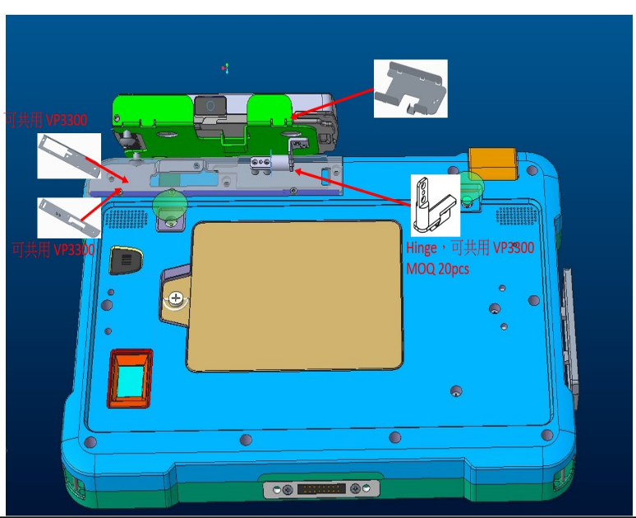
M10 | Payment Bracket Kit/MOBY550/M10-3N/Black/GP | 79090M1039726 | 1pcs: $40 5pcs: $25 30pcs: $20 50pcs: $18 | *EXW TW
M10 | Payment Bracket Kit/Link2500/M10-3N/Black/GP | 79090M1039725 | 1pcs: $50 5pcs: $35 30pcs: $25 50pcs: $22 | *EXW TW
M10 | Payment Bracket Kit/VP3300/M10-3N/Black/GP | 79090M1039727 | 1pcs: $52 5pcs: $38 30pcs: $28 50pcs: $25 | *EXW TW
M10 | Payment Bracket Kit/E285/M10-3N/Black/GP | 79090M1039723 | 1pcs: $65 5pcs: $48 30pcs: $32 50pcs: $20 | *EXW TW
M10 | Payment Bracket Kit/VP3350/M10-3N/1.1/Black/GP | 79090M1039728 |  | *EXW TW
M3w-2 & M10 | Battery Charging Cradle - Charging Cradle/CBE-1/US/Black/GP (up to 5 Batteries) | 79090CBE11000 | N/A | EOL
M3w-2 & M10 | New charging cradle - Charging cradle/M10-3N/US/Black/GP | 79090M1039C00 | $18
M3w-2 & M10 | X3-10 POS Base X3-10/US/Partner Logo/1.1/GP (NEW) Must purchase with Hand Strap 7909036619000 for locking purpose | 7909070400300 | $165 | MOQ: 300pcs | #REF!
M3w-2 & M10 | X3-30 POS Base X3-20/US/Partner Logo/1.1/GP (NEW) Must purchase with Hand Strap 7909036619000 for locking purpose | 7909070401300 | $195 | MOQ: 300pcs PO MOQ: 20pcs

KDS A5 & A7 Steam Proof
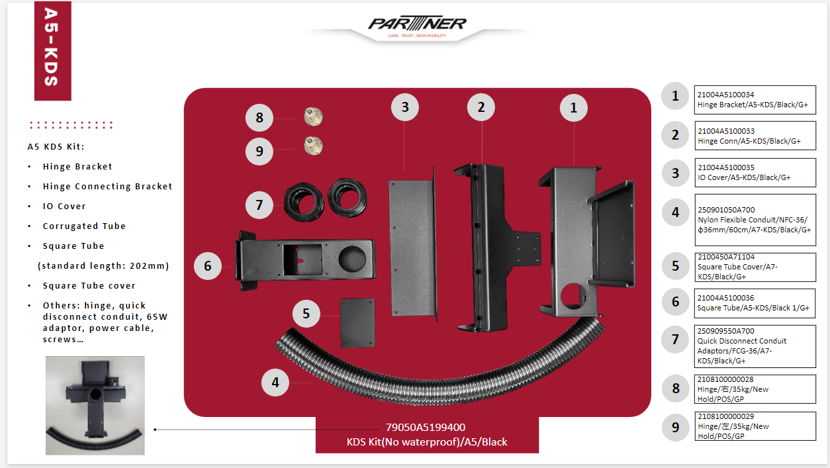
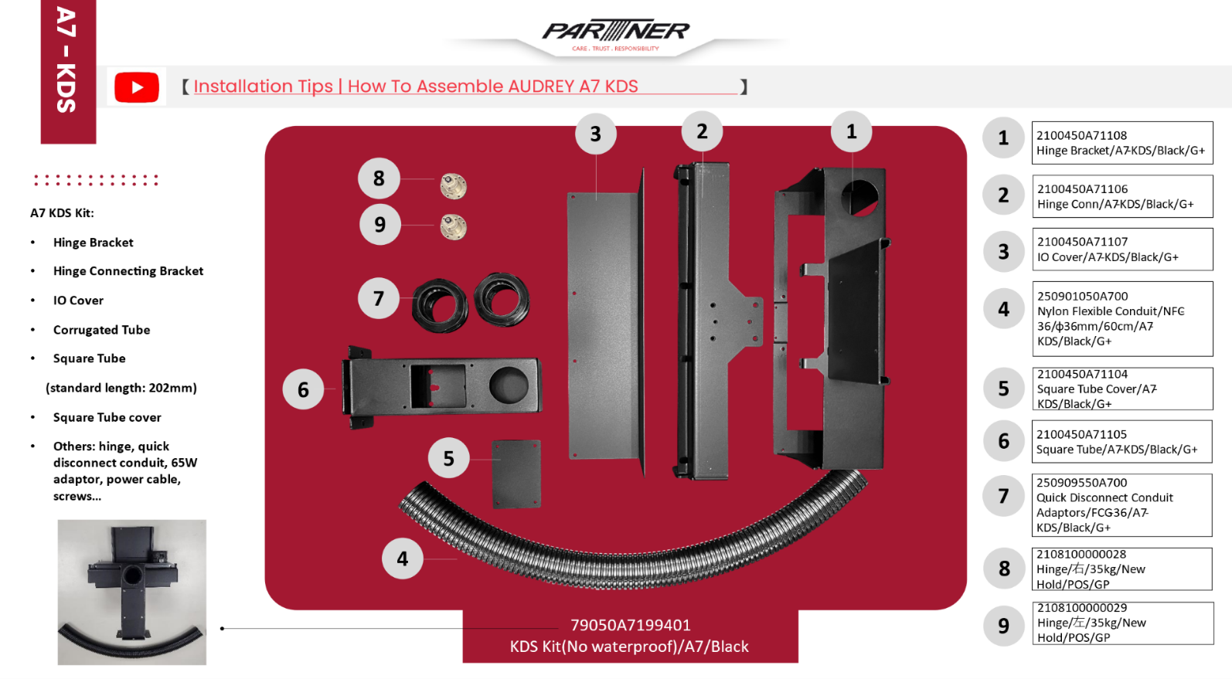
Date | 2025-03-20

 | ITP | ITP | ITP | ITP
Item | MOQ 1 pcs | MOQ 5 pcs | MOQ 10 pcs | MOQ 25 pcs
A5 KDS kit (POS not included) | 270 | 135 | 130 | 125
A7 KDS kit (POS not included) | 290 | 145 | 140 | 135

Model | 料號 | 項目 | ITP (USD)
A5 Sealing kit only | 25080550A5001 | CR+Adhesive(G4000)/Rear Cover/362x2.8x1mm/A5-1/GP | $5
 |  | 防水膠
Total

Model | 料號 | 項目 | ITP (USD)
A7 Sealing kit only | 25080550A5001 | CR+Adhesive(G4000)/Rear Cover/362x2.8x1mm/A5-1/GP | $8
 |  | 防水膠
Total

External IO BOX
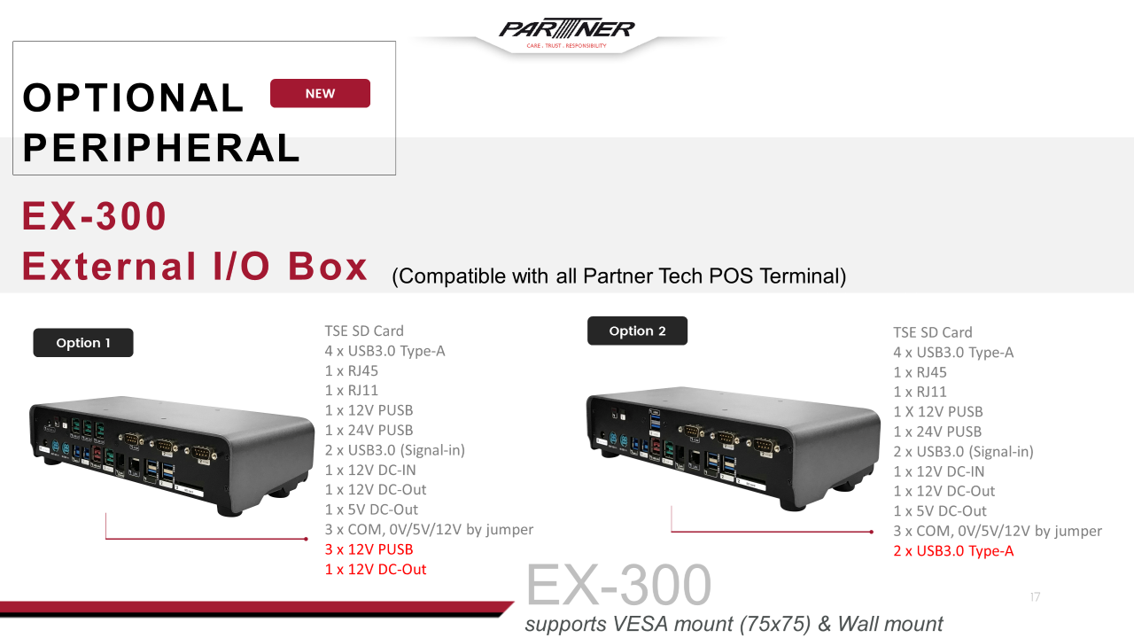
For all Partner Tech model
 |  | P/N | Standard ITP | Remark
Reguar Spec. | EX-300/Power USB+DC 12V out Option 1 - Detail IO please refer to below photo | 7900EX3000100 | 170 | MOQ 10pcs
 | EX-300/USB3.0 Option 2 - Detail IO please refer to below photo | 7900EX3000200 | 150
Special Spec. | EX-300/Power USB+DC 12V out/3 in 1 Cable 3M | 7900EX3000105 | 186.4
 | EX-300/Power USB+DC 12V out/3 in 1 Cable 3M/W/O Adaptor | 7900EX3000103 | 153.14 |  | 166.4
 | EX-300/Power USB+DC 12V out/RS232 DC 12V(Fix COM)/3 in 1 Cable 3M/PTE/Metro II | 7900EX3000110 | 186.4

Payment Brackets (PTU)
CD101 with VP3300
 | Date | 2024-09-23
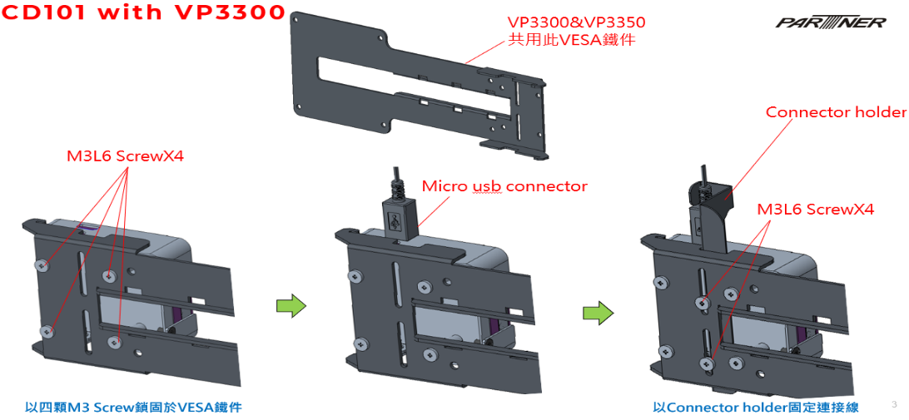
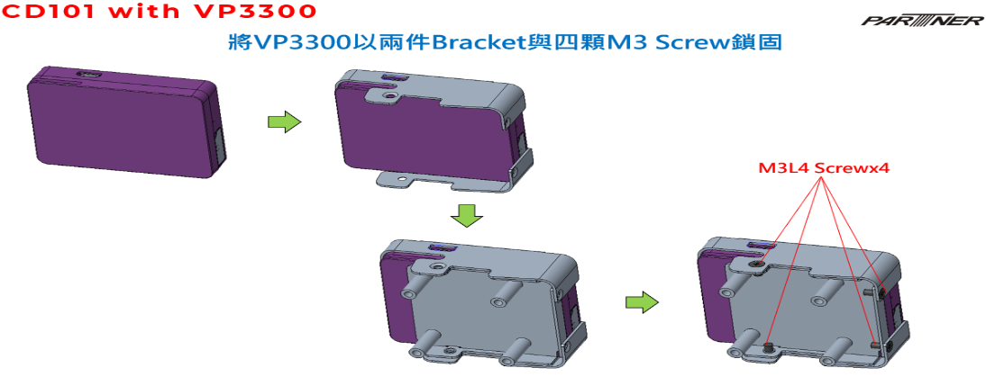
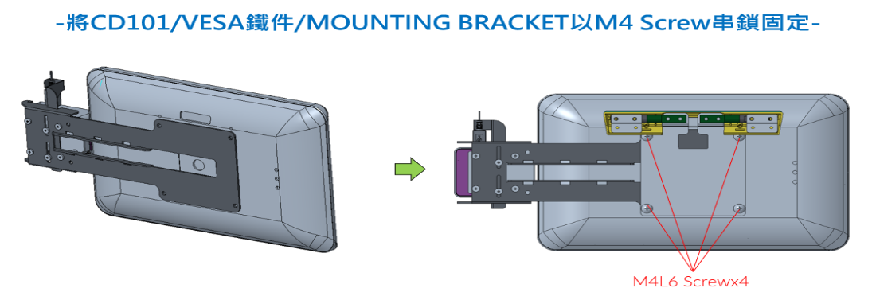
P/N | Product | 1pcs | 10pcs | 30pcs | 50pcs | 100pcs
 |  | ITP | ITP | ITP | ITP | ITP
7900CD1010001 | VP3300 Holder Kit/CD-101C/Black/GP(A5-1/A4/A7/A5-2/G4/G5/J14/C10/C14) | 15.00 | 8.00 | 7.00 | 6.00 | 6.00

CD101 with VP3350
P/N | Product | 1pcs | 10pcs | 30pcs | 50pcs | 100pcs
 |  | ITP | ITP | ITP | ITP | ITP
7900CD1010000 | VP3350 Holder Kit/CD-101C/Black/GP | 38.0 | 20.0 | 18.0 | 16.0 | 12.0
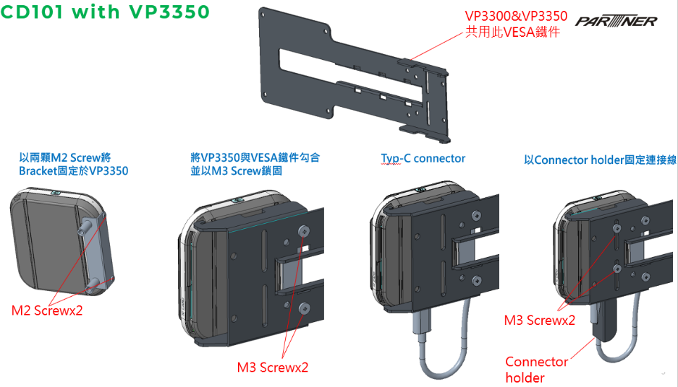
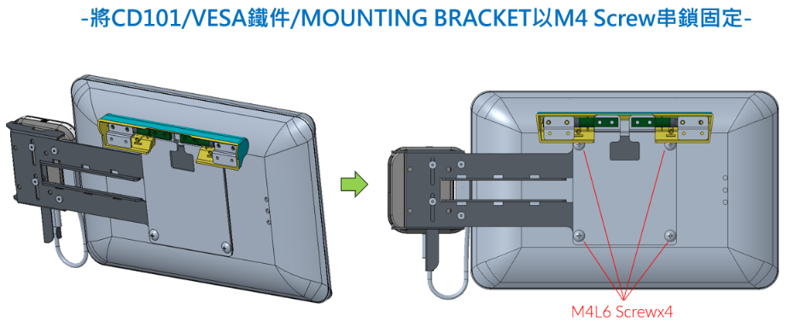

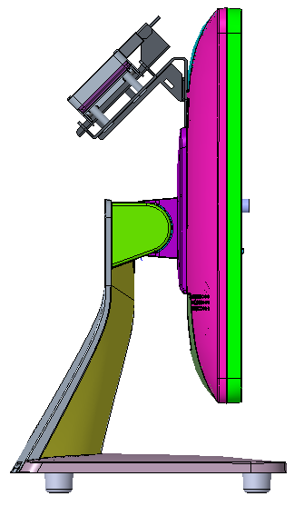
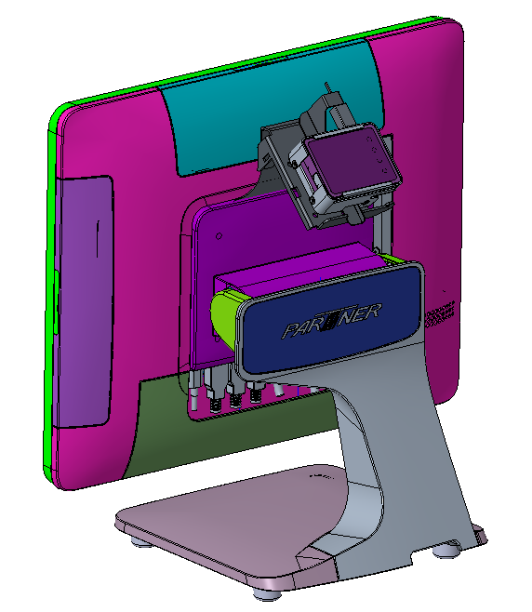
VESA Bracket with VP3300
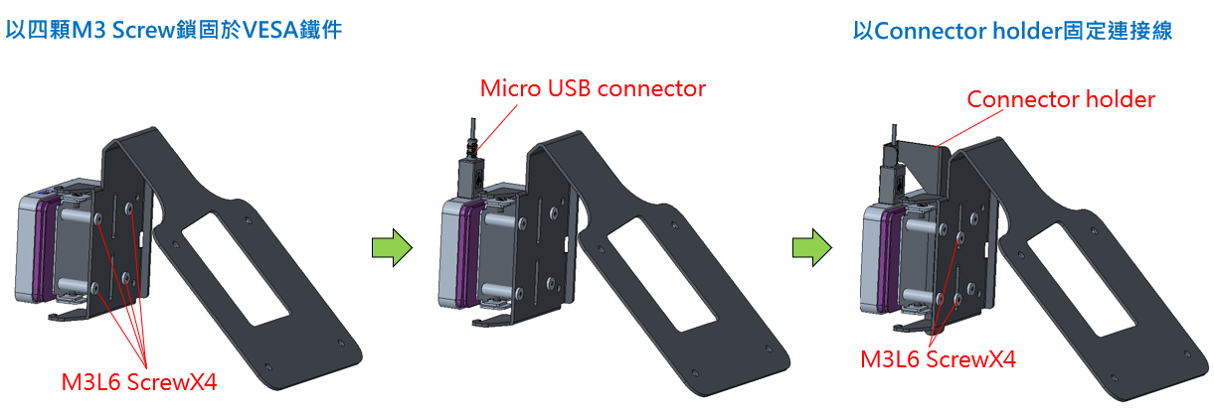
P/N | Product | 1pcs | 10pcs | 30pcs | 50pcs | 100pcs
 |  | ITP | ITP | ITP | ITP | ITP
79050A5199301 | Payment Bracket Kit/VP-3300 on POS/Black/G+(A5-1/A4/A7/A5-2/G4/G5/J14) | 62.0 | 30.0 | 26.0 | 24.0 | 19.0

VP3300&VP3350共用此VESA鐵件

VESA Bracket with VP3350

P/N | Product | 1pcs | 10pcs | 30pcs | 50pcs | 100pcs
 |  | ITP | ITP | ITP | ITP | ITP
79050A5199300 | Payment Bracket Kit/VP-3350 on POS/Black/G+(A5-1/A4/A7/A5-2/G4/G5/J14) | 48.0 | 23.0 | 20.0 | 18.0 | 15.0

